Study Data
STUDY DATA — Included Studies (Table 1)
Effect sizes entered as log hazard ratios (RevMan generic inverse variance). HR columns computed = e^(log HR).

Study | Intervention | Design | log HR (Mortality) | log HR (Hosp.) | HR Mortality | HR Hosp. | Age | LVEF | NYHA | Gender
Cotte 2020 | CRT | RCT | 0.4050 | 0.3240 | 1.50 | 1.38 | <70 | <35% | I/II | Male
Kronborg 2014 | CRT | Cohort | 0.0001 | 0.9915 | 1.00 | 2.70 | ≥70 | ≥35% | III/IV | Female
Mealing 2016 | ICD | RCT | -0.2610 | 0.0660 | 0.77 | 1.07 | <70 | ≥35% | I/II | Male
Friedman 2017 | ICD | Cohort | -0.5990 | 0.1280 | 0.55 | 1.14 | ≥70 | <35% | III/IV | Female
Figuero 2020 | CRT | RCT | 0.5880 | 0.5360 | 1.80 | 1.71 | ≥70 | <35% | I/II | Female
Lindeberg 2022 | CRT | Cohort | 0.3139 | 0.1161 | 1.37 | 1.12 | <70 | ≥35% | III/IV | Male
Chiu 2022 | ICD | Cohort | -0.6930 | 0.1790 | 0.50 | 1.20 | <70 | ≥35% | I/II | Female
Karacam 2024 | ICD | RCT | -0.1160 | 0.1150 | 0.89 | 1.12 | ≥70 | <35% | III/IV | Male
Curtis 2003 | CRT | RCT | 0.0953 | 0.7700 | 1.10 | 2.16 | ≥70 | <35% | III/IV | Male
Zhang 2015 | CRT | Cohort | -1.1087 | 0.1050 | 0.33 | 1.11 | <70 | ≥35% | I/II | Female
Gerhard 2013 | ICD | RCT | 0.1570 | 0.0810 | 1.17 | 1.08 | <70 | <35% | III/IV | Male
Goldstein 2019 | CRT | Cohort | -0.2006 | 0.0330 | 0.82 | 1.03 | ≥70 | <35% | I/II | Female

Mean HR (mortality): |  |  |  |  | 0.89
Mean HR (hospitalization): |  |  |  |  |  | 1.33
# CRT studies: |  | 7
# ICD studies: |  | 5

HR for All-Cause Mortality by Study

Mortality Results
MORTALITY RESULTS — Pooled HR by Subgroup
All-cause mortality. Hazard ratio with 95% confidence interval, per subgroup (Results section).

Subgroup | HR | 95% CI Low | 95% CI High | CI Width | Significant? | Direction
NYHA II | 0.77 | 0.60 | 1.00 | 0.40 | No | Favours device
NYHA III | 0.97 | 0.70 | 1.35 | 0.65 | No | Favours device
NYHA IV | 1.38 | 1.02 | 1.86 | 0.84 | Yes | Favours control
NYHA (overall) | 0.96 | 0.78 | 1.18 | 0.40 | No | Favours device
LVEF <35% | 1.02 | 0.99 | 1.04 | 0.05 | No | Favours control
LVEF ≥35% | 0.96 | 0.91 | 1.01 | 0.10 | No | Favours device
Age <70 | 1.02 | 0.85 | 1.22 | 0.37 | No | Favours control
Age ≥70 | 1.00 | 0.93 | 1.06 | 0.13 | No | Favours control
Female | 1.12 | 1.05 | 1.21 | 0.16 | Yes | Favours control
Male | 1.05 | 0.77 | 1.43 | 0.66 | No | Favours control

HR < 1 favours device therapy; HR > 1 favours control. 'Significant' = 95% CI excludes 1.0.
All-Cause Mortality — Pooled HR by Subgroup

Hospitalization Results
HOSPITALIZATION RESULTS — Pooled HR by Subgroup
Hospitalization. Hazard ratio with 95% confidence interval, per subgroup (Results section).

Subgroup | HR | 95% CI Low | 95% CI High | CI Width | Significant? | Direction
NYHA I/II | 0.85 | 0.54 | 1.33 | 0.79 | No | Favours device
NYHA III/IV | 0.96 | 0.77 | 1.19 | 0.42 | No | Favours device
NYHA (overall) | 0.92 | 0.76 | 1.11 | 0.35 | No | Favours device
LVEF <35% | 0.85 | 0.70 | 0.95 | 0.25 | Yes | Favours device
Age <70 | 0.87 | 0.75 | 1.01 | 0.26 | No | Favours device
Age ≥70 | 0.91 | 0.84 | 0.99 | 0.15 | Yes | Favours device
Female | 0.71 | 0.56 | 0.90 | 0.34 | Yes | Favours device
Male | 1.02 | 0.82 | 1.27 | 0.45 | No | Favours control

HR < 1 favours device therapy; HR > 1 favours control. 'Significant' = 95% CI excludes 1.0.
Hospitalization — Pooled HR by Subgroup

Heterogeneity
HETEROGENEITY (I²)
I² above 50% = substantial heterogeneity; above 75% = considerable. Random-effects model used throughout.

Analysis | I² (%) | Interpretation
Mortality – overall | 58.0 | Substantial
Mortality – NYHA III/IV | 93.0 | Considerable
Mortality – LVEF <35% | 72.6 | Substantial
Mortality – LVEF ≥35% | 97.0 | Considerable
Hospitalization – overall | 73.0 | Substantial
Hospitalization – NYHA III/IV | 76.0 | Considerable
Hospitalization – LVEF <35% | 74.0 | Substantial
Hospitalization – Male | 86.0 | Considerable
Hospitalization – Female | 83.0 | Considerable

Between-Study Heterogeneity (I² %)

Figure Gallery
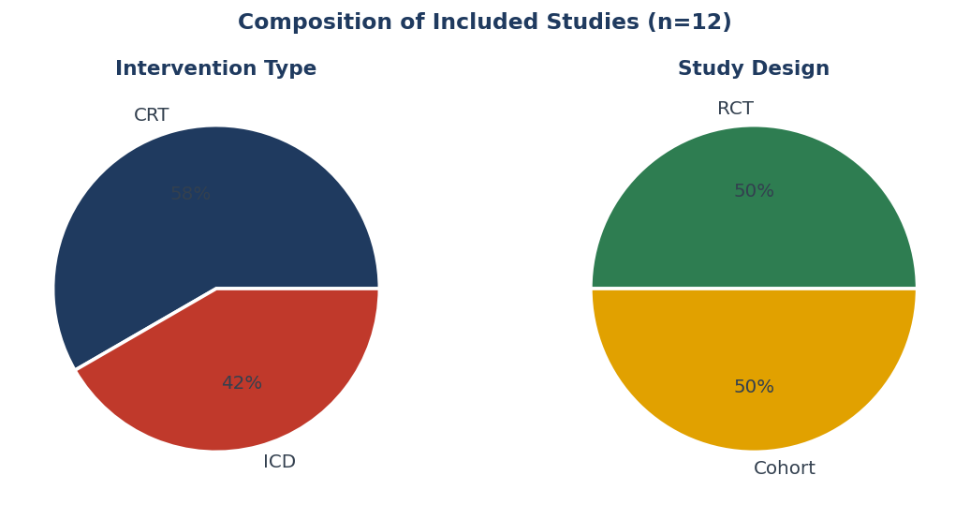
FIGURE GALLERY
High-resolution charts (identical PNGs live in /figures for the GitHub README).

Forest plot — all-cause mortality
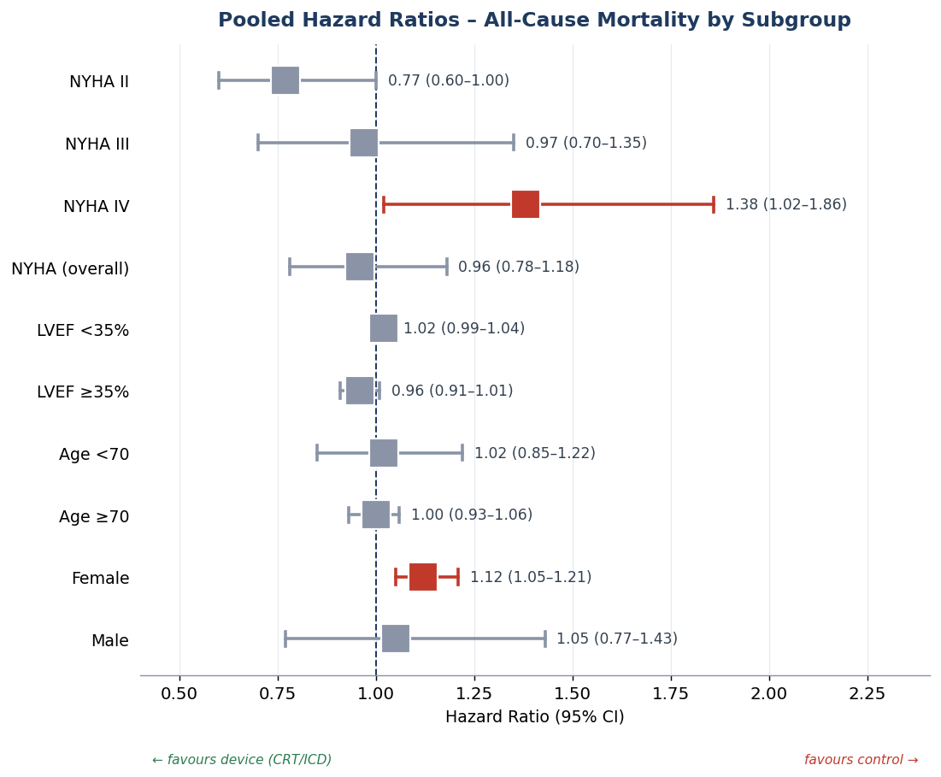

Forest plot — hospitalization
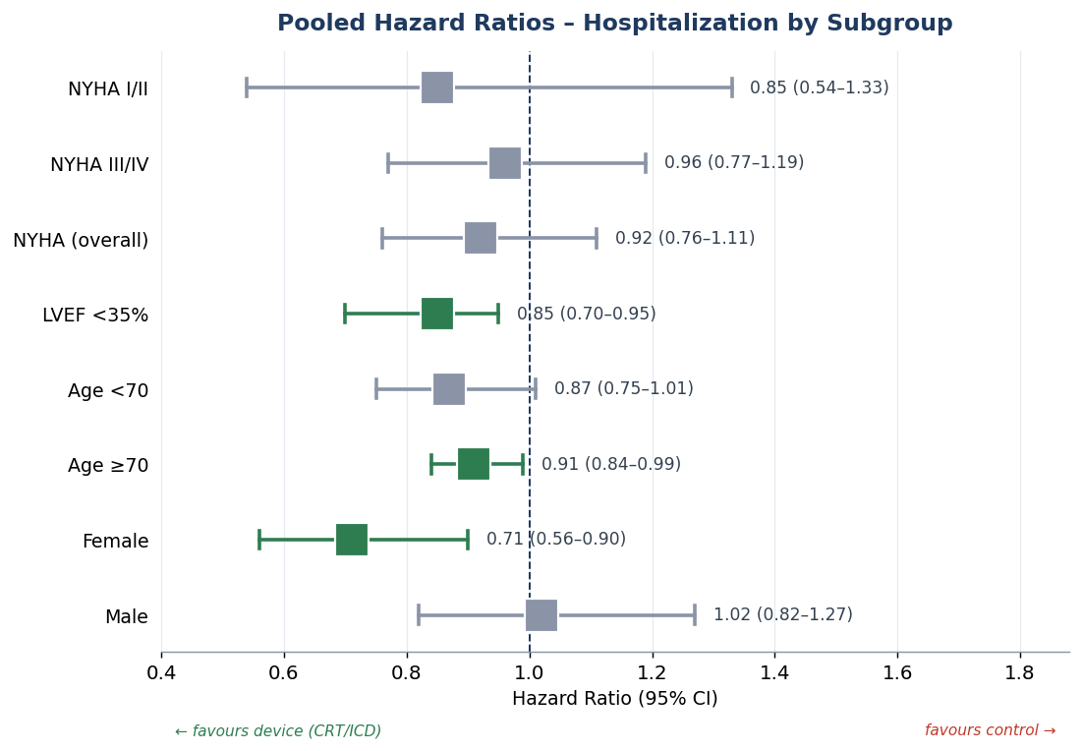

Mortality vs hospitalization HR
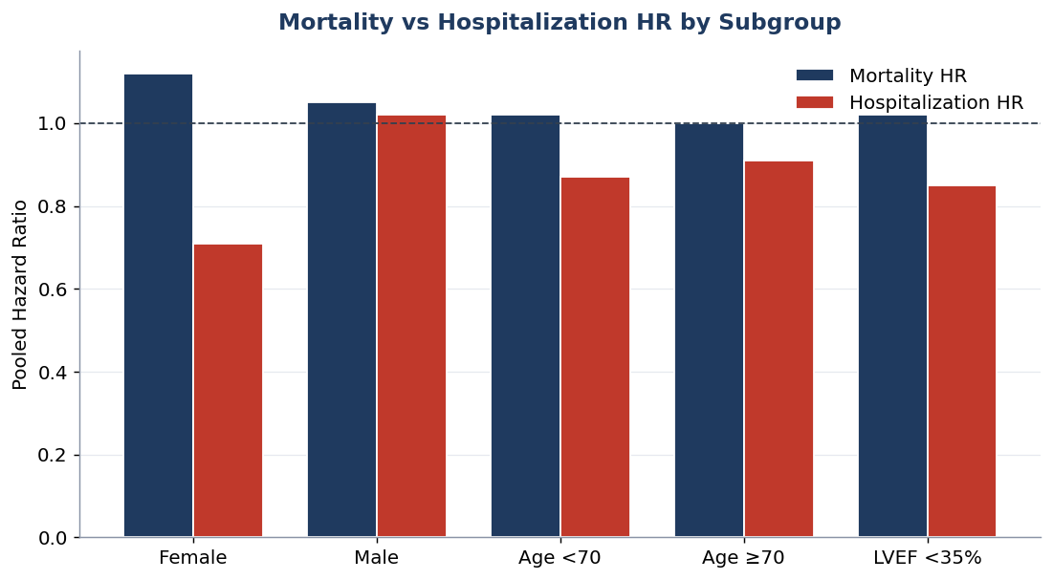

Heterogeneity (I²)
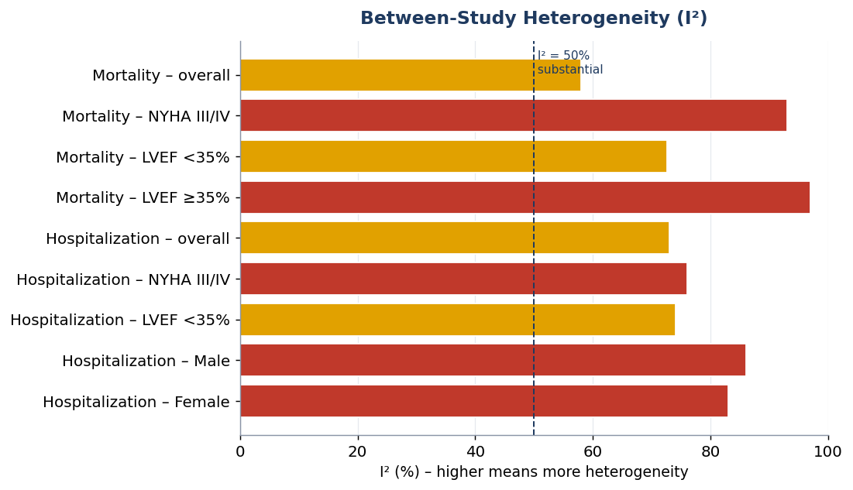

Study-level effect sizes
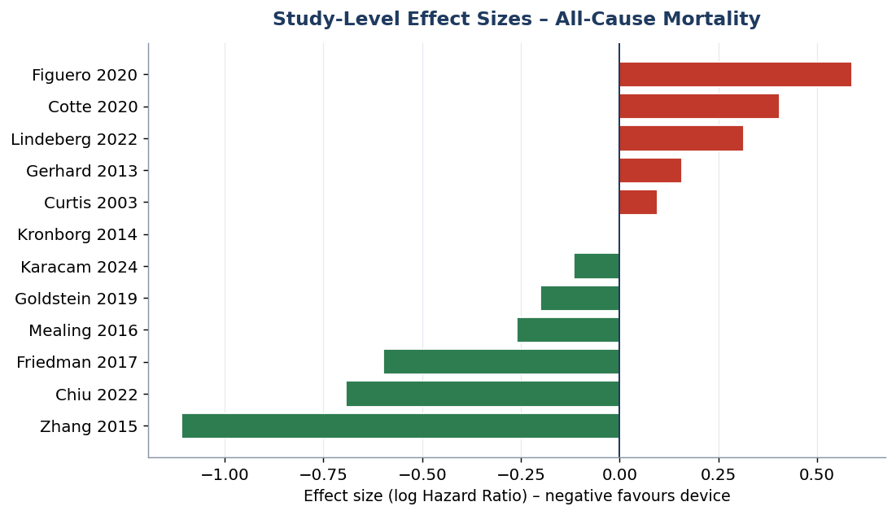

Study composition

