Assignment 3(b)
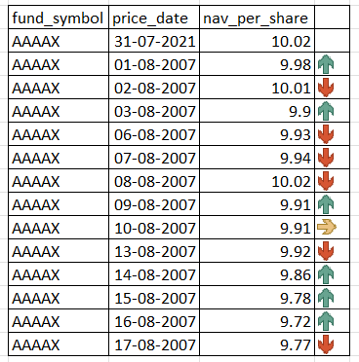
Add arrows to show increase/ decrese in 'nav' as compared to previous day. |  |  |  | Add Data bars in next column.
It should look like the image as shown.
fund_symbol | price_date | nav_per_share |  | Product | Total rev
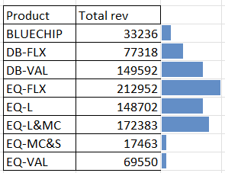
AAAAX | 31-Jul-21 | 10.02 |  | BLUECHIP | 33236 | 33236
AAAAX | 2-Aug-21 | 9.98 | 9.98 | DB-FLX | 77318 | 77318
AAAAX | 3-Aug-21 | 10.01 | 10.01 | DB-VAL | 149592 | 149592
AAAAX | 4-Aug-21 | 9.9 | 9.9 | EQ-FLX | 212952 | 212952
AAAAX | 5-Aug-21 | 9.93 | 9.93 | EQ-L | 148702 | 148702
AAAAX | 6-Aug-21 | 9.94 | 9.94 | EQ-L&MC | 172383 | 172383
AAAAX | 9-Aug-21 | 10.02 | 10.02 | EQ-MC&S | 17463 | 17463
AAAAX | 10-Aug-21 | 9.91 | 9.91 | EQ-VAL | 69550 | 69550
AAAAX | 11-Aug-21 | 9.91 | 9.91
AAAAX | 12-Aug-21 | 9.92 | 9.92
AAAAX | 13-Aug-21 | 9.86 | 9.86
AAAAX | 16-Aug-21 | 9.78 | 9.78
AAAAX | 17-Aug-21 | 9.72 | 9.72
AAAAX | 18-Aug-21 | 9.77 | 9.77

Assignment 11
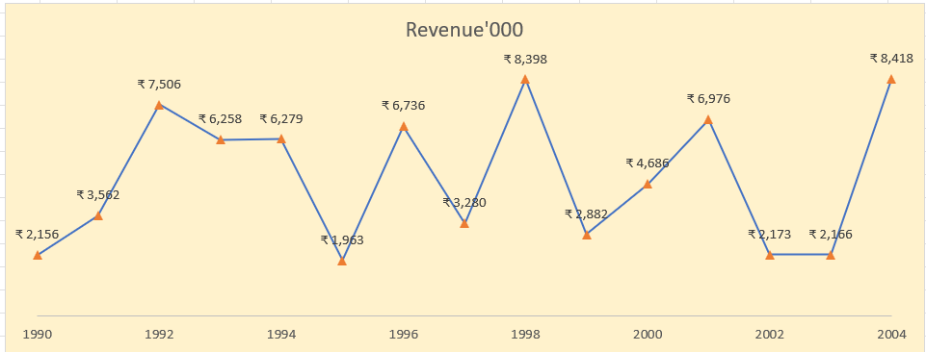
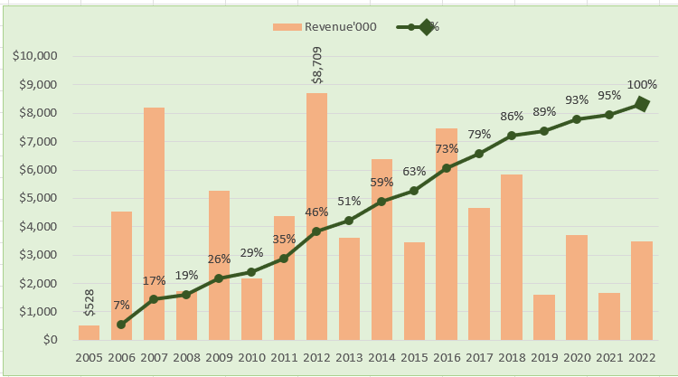
Create Line Chart with Proper formatting |  |  |  |  |  | Create Scatter Chart with Proper formatting |  |  |  | Create Waterfall Chart with Proper formatting |  | Create Gantt Chart with Proper formatting
Should be formatted as shown in picture |  | Create Combo Chart with Proper formatting |  |  |  | Should be formatted as shown in picture |  |  |  | Should be formatted as shown in picture |  | Should be formatted as shown in picture
 |  | Should be formatted as shown in picture
Date | Revenue'000 |  |  |  |  | X | Y
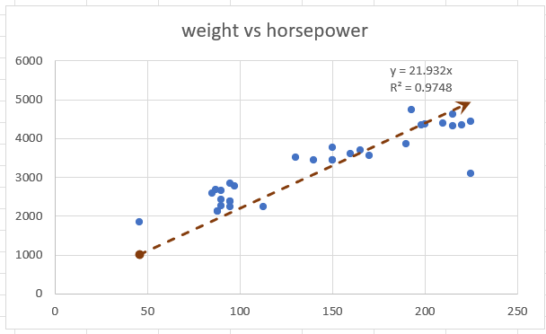
 | 40081 | 159
 | 40081 | 114
 | 40119 | 88
 | 40148 | 20
 | 40148 | 45
 | 40168 | 25
 | 40182 | 25
 | 40182 | 51
 | 40182 | 7
 | 40189 | 15
 | 40203 | 30
1990 | ₹ 2,156 | Date | Revenue'000 | Running Total | % | horsepower | weight | (X-XBAR) | (Y-YBAR) | Period | Net Cash Flow | Task Description | Start Date | Planned End Date | Work Days Planned
1991 | ₹ 3,562 | 2005-01-01 | $528 |  |  | 130 | 3504 | -12.5 | 240.47 | Start Balance | ₹ 100,000.00 | Main task 1 | 40081 | 3-Mar-10 | 159
1992 | ₹ 7,506 | 2006-01-01 | $4,550 | 5,078.00 | 7% | 165 | 3693 | 22.5 | 429.47 | JAN FY2022 | ₹ -25,000.00 | Sub-task 1 | 40081 | 17-Jan-10 | 114
1993 | ₹ 6,258 | 2007-01-01 | $8,189 | 13,267.00 | 17% | 150 | 3436 | 7.5 | 172.47 | FEB FY2022 | ₹ 10,000.00 | Sub-task 2 | 40119 | 29-Jan-10 | 88
1994 | ₹ 6,279 | 2008-01-01 | $1,730 | 14,997.00 | 19% | 150 | 3433 | 7.5 | 169.47 | MAR FY2022 | ₹ 14,000.00 | Sub-task 3 | 40148 | 21-Dec-09 | 20
1995 | ₹ 1,963 | 2009-01-01 | $5,262 | 20,259.00 | 26% | 140 | 3449 | -2.5 | 185.47 | APR FY2022 | ₹ -15,000.00 | Sub-task 4 | 40148 | 15-Jan-10 | 45
1996 | ₹ 6,736 | 2010-01-01 | $2,172 | 22,431.00 | 29% | 198 | 4341 | 55.5 | 1077.47 | MAY FY2022 | ₹ -5,000.00 | Sub-task 5 | 40168 | 15-Jan-10 | 25
1997 | ₹ 3,280 | 2011-01-01 | $4,384 | 26,815.00 | 35% | 220 | 4354 | 77.5 | 1090.47 | JUN FY2022 | ₹ 7,000.00 | Sub-task 6 | 40182 | 29-Jan-10 | 25
1998 | ₹ 8,398 | 2012-01-01 | $8,709 | 35,524.00 | 46% | 215 | 4312 | 72.5 | 1048.47 | JUL FY2022 | ₹ 8,500.00 | Main task 2 | 40182 | 24-Feb-10 | 51
Revenue'000
 | 2156
 | 3562
 | 7506
 | 6258
 | 6279
 | 1963
 | 6736
 | 3280
 | 8398
 | 2882
 | 4686
 | 6976
 | 2173
 | 2166
 | 8418
1999 | ₹ 2,882 | 2013-01-01 | $3,618 | 39,142.00 | 51% | 225 | 4425 | 82.5 | 1161.47 | AUG FY2022 | ₹ -10,000.00 | Sub-task 1 | 40182 | 11-Jan-10 | 7
2000 | ₹ 4,686 | 2014-01-01 | $6,372 | 45,514.00 | 59% | 190 | 3850 | 47.5 | 586.47 | SEP FY2022 | ₹ -16,000.00 | Sub-task 2 | 40189 | 26-Jan-10 | 15
 | 528
 | 4550 | 0.065615712624
 | 8189 | 0.17143041737
 | 1730 | 0.19378472671
 | 5262 | 0.26177800749
 | 2172 | 0.28984364905
 | 4384 | 0.34649179481
 | 8709 | 0.45902571392
 | 3618 | 0.50577594004
 | 6372 | 0.58811215919
 | 3456 | 0.63276909161
 | 7478 | 0.72939656286
 | 4649 | 0.78946892363
 | 5831 | 0.86481457553
 | 1599 | 0.88547615971
 | 3695 | 0.93322134643
 | 1678 | 0.95490373433
 | 3490 | 1
2001 | ₹ 6,976 | 2015-01-01 | $3,456 | 48,970.00 | 63% | 170 | 3563 | 27.5 | 299.47 | OCT FY2022 | ₹ 10,000.00 | Sub-task 3 | 40203 | 24-Feb-10 | 30
weight vs horsepower
130 | 3504
165 | 3693
150 | 3436
150 | 3433
140 | 3449
198 | 4341
220 | 4354
215 | 4312
225 | 4425
190 | 3850
170 | 3563
160 | 3609
150 | 3761
225 | 3086
95 | 2372
95 | 2833
97 | 2774
85 | 2587
88 | 2130
46 | 1835
87 | 2672
90 | 2430
95 | 2375
113 | 2234
90 | 2648
215 | 4615
200 | 4376
210 | 4382
193 | 4732
88 | 2130
90 | 2264
95 | 2228
 | Start Date | Work Days Planned
Main task 1 | 40081 | 159
Sub-task 1 | 40081 | 114
Sub-task 2 | 40119 | 88
Sub-task 3 | 40148 | 20
Sub-task 4 | 40148 | 45
Sub-task 5 | 40168 | 25
Sub-task 6 | 40182 | 25
Main task 2 | 40182 | 51
Sub-task 1 | 40182 | 7
Sub-task 2 | 40189 | 15
Sub-task 3 | 40203 | 30
2002 | ₹ 2,173 | 2016-01-01 | $7,478 | 56,448.00 | 73% | 160 | 3609 | 17.5 | 345.47 | Current Balance | ₹ 78,500.00
2003 | ₹ 2,166 | 2017-01-01 | $4,649 | 61,097.00 | 79% | 150 | 3761 | 7.5 | 497.47
2004 | ₹ 8,418 | 2018-01-01 | $5,831 | 66,928.00 | 86% | 225 | 3086 | 82.5 | -177.53
 |  | 2019-01-01 | $1,599 | 68,527.00 | 89% | 95 | 2372 | -47.5 | -891.53
 |  | 2020-01-01 | $3,695 | 72,222.00 | 93% | 95 | 2833 | -47.5 | -430.53
 |  | 2021-01-01 | $1,678 | 73,900.00 | 95% | 97 | 2774 | -45.5 | -489.53
 |  | 2022-01-01 | $3,490 | 77,390.00 | 100% | 85 | 2587 | -57.5 | -676.53
 |  |  |  |  |  | 88 | 2130 | -54.5 | -1133.53
 |  |  |  |  |  | 46 | 1835 | -96.5 | -1428.53
 |  |  |  |  |  | 87 | 2672 | -55.5 | -591.53
 |  |  |  |  |  | 90 | 2430 | -52.5 | -833.53
 |  |  |  |  |  | 95 | 2375 | -47.5 | -888.53
 |  |  |  |  |  | 113 | 2234 | -29.5 | -1029.53
 |  |  |  |  |  | 90 | 2648 | -52.5 | -615.53
 |  |  |  |  |  | 215 | 4615 | 72.5 | 1351.47
 |  |  |  |  |  | 200 | 4376 | 57.5 | 1112.47
 |  |  |  |  |  | 210 | 4382 | 67.5 | 1118.47
 |  |  |  |  |  | 193 | 4732 | 50.5 | 1468.47
 |  |  |  |  |  | 88 | 2130 | -54.5 | -1133.53
 |  |  |  |  |  | 90 | 2264 | -52.5 | -999.53
 |  |  |  |  |  | 95 | 2228 | -47.5 | -1035.53

