Notes
Project | Amazon Amazon_Project AmazonProject GoogleMaps1 numeric? NO 123Manish-No
package | Lower case module1 basicprograms basics_of_java basic.java.programs numeric? No 123manish-No
Class | Program1 AdditionProgram Program_of_Reverse

Upper Case | MANISH
Lower Case | manish
Camel case | manishTiwari grotechmindsProject

Eclipse | JRE Present Java RunTime Env
NotePad
Intellije
Jenkins

Install the JRE in our OS:

Difference between System.out.println and System.out.print

Comments: a) Single Line Comment Syntax: //line b) Multi Line Comment /* System.out.println("GroTechMinds "); System.out.println("GroTechMinds "); System.out.println("GroTechMinds "); System.out.println("GroTechMinds "); System.out.println("GroTechMinds "); */

public static void main(String[] args)

public | Access Specifier |  | public |  | class 18 and 19 | public
 |  |  | protected |  |  | protected
 |  |  | private |  |  | private
 |  |  | default/package
static | Modifier |  | static |  | static
 |  |  | non static

void | Return Type |  | void |  | Keywords
 |  |  | byte
 |  |  | short
 |  |  | int
 |  |  | long
 |  |  | float
 |  |  | double
 |  |  | char
 |  |  | boolean
 |  |  | String |  | Class
 |  |  | Object | etc
main | Main Method name |  | addition()
 |  |  | subtraction()
 |  |  |  |  | login()
String [] args | Argument/ Parameter

public static void main(String[] args) |  |  | Parameter
public static void login() |  |  | No Parameter
public void login() |  |  | No Parameter
void login() |  |  | No Parameter
String login(String un,String pwd) |  |  | Parameter
static int add(int a,int c,double c) |  |  | Parameter

Class | 10 Methods | Yes | MM

IK LS CO
Identifier | The name given to any class name.
Keywords | Reserved words in Java which has its own meaning. Keywords can never be class name. Keywords will alwsys be lower in case. APprox 50 java kywords we have.[PDF -mobile app] Ex: abstarct,assert,boolean,break,byte,case,catch,char,class etc (Most of the words in yuor eclipse which are in pink colour are keywords- DO NOT tell this point in interview)
Literals | Values used in the program. age,mobileno,email id,address,city name,gender,salary,empid,stduentid, passport no,order id
Seperators | ,->comma ;->semi colon ()->parathensis []->bracket {}->brasis class Manish { }
Comments | "Comments: a) Single Line Comment Syntax: //line b) Multi Line Comment /* System.out.println(""GroTechMinds ""); System.out.println(""GroTechMinds ""); System.out.println(""GroTechMinds ""); System.out.println(""GroTechMinds ""); System.out.println(""GroTechMinds ""); */"
Opeartors | " +,-,*,/,%,i++,i--,<,>,<=,>=,==,!=,=,&&,||,!"

Or | I want tea or coffee
And | i want burger and pizza

Datatypes and Variables

 | Name
 | your salary
 | elon musk salary
 | your weight
 | my weight
 | M
 | A
 | I
 | M
 | F
 | C
 | Dell
 | contact@grotechminds.com

byte | number
short | number
int | number | Integer-class
long | number
float | decimal
double | decimal
char | Alphabet | Charcter-class | Senetense words characters
boolean | true or false
String | Anything Manish Kumar Tiwari or India or House no 16,

 |  | Range of Values
byte | number | -128 to 127 | 21 | TURTLE-200 YEARS
short | number | -32768 to 32767 | 21
int | number |  | 21
long | number |  | 21
 |  |  |  | byte | bits
1 TB | 1024 GB |  | byte | 1 | 8
1 GB | 1024 MB |  | short | 2 | 16
1 MB | 1024 KB |  | int | 4 | 32
1 KB | 1024 Byte |  | long | 8 | 64
1 Byte | 8 bits
 | byte | 21;
 | int | 21;
 |  | 1 Image | 25 MB
 |  | You Image | 35 Mb

Formula to calculate the range of datatype:
n size in bits

2025-04-30
Syntax of Datatype and Variable

datatype varaible=value;
int age=90;
double pi=3.14; |  | 19 digit 3.141516257496587454
boolean answer=true;
byte a=10;
short b=1234;
long c=876543345678765l;
char initial='G';
String name="Manish";
float value=8547.36f; |  | 3.145241 5 to 6

WAP to add the numbers
Subtract
Multiply
didvide
modulus

ArithMaticOperators
""+,-,*,/,%,i++,i-- | int a=20; int b=40; int c=a+b; System.out.println(c); int a1=20; int a2=40; int c1=a1-a2; System.out.println(c1); int a3=20; int a4=40; int c4=a3*a4; System.out.println(c4); int a5=20; int a6=40; int c9=a6/a5; System.out.println(c9);//2 int d=15; int e=40; int f=e%d; System.out.println(f);

Water | Store?

Class | 6 Methods
 | main Method
 | add
 | sub
 | mul
 | div
 | mod
how to call static methods in main methods?
By its name |  | package ab55; public class StaticMethod { static void add() { int a=20; int b=40; int c=a+b; System.out.print("Result of Addition is: "); System.out.println(c); } static void sub() { int a1=20; int a2=40; int c1=a1-a2; System.out.print("Result of Subtraction is: "); System.out.println(c1); } static void mul() { int a3=20; int a4=40; int c4=a3*a4; System.out.print("Result of multiplication is: "); System.out.println(c4); } static void div() { double a5=20; double a6=41; double c9=a6/a5; System.out.print("Result of Division is: "); System.out.println(c9);//2 } static void mod() { int d=2; int e=50; int f=e%d; System.out.print("Result of Modulus is: "); System.out.println(f); } public static void main(String[] args) { mod(); add(); sub(); mul(); div(); } }

Comparision Operators
"<,>,<=,>=,==,!="

Conditional Statement
 | If Block |  | done
 | If Else Block |  | done
 | If Else If Block |  | done
 | Nested If Else Block |  | done
 | Switch Case
SYntax of If Block
if(condition) { logic }

2025-05-01
If Else Block

If Else If Block

Nested If Else Block

Ticketing System Bus travelling
 | F | Free
 | M | infant | FREE
 |  | Child | half Ticket
 |  | Afult | Full Ticket
 |  | SR St | 75% of ticket

2025-05-02
Switch Case
 | switch(3) { case 1: logic; break; case 2:logic; break; case 3:logic; break; case 4:logic; break; default: logic; } |  |  | switch(4) { case 1: System.out.println("Chrome Browser"); // break; case 2:System.out.println("Firefox Browser"); //break; case 3:System.out.println("Safari Browser"); // break; case 4:System.out.println("Edge Browser"); // break; /* default: System.out.println("Sorry but your selection is wrong"); System.out.println("Press 1 for ChromeBrowser"); System.out.println("Press 2 for FirefoxBrowser"); System.out.println("Press 3 for SafariBrowser"); System.out.println("Press 4 for EdgeBrowser"); */

Math Class
Predefined CLass that we have in Java presnet in java lang package
It is present in java from java version 1.0
Math class have only static methods in it
Any static Methods of any different class can be accessed using ClassName.methodname Math.
Any class which is present in java.lang package should never be imported

Maths | 1 0 | Methods

addexact(int ,int)
addexact(long ,long)
subtractExact(int,int)
subtractExact(long,long)
multiplyExact(int,int)
multiplyExact(long,int)
multiplyExact(long,long)
min(int,int) | Method Overlaoding
min(double,double)
min(long,long)
min(float,float)
max(int,int) | Method Overlaoding
max(double,double)
max(long,long)
max(float,float)
abs(int)
abs(double)
abs(long)
abs(float)
random | To take screenshot |  | testcase10.9685745485656565.png | testcase2.png | testcase3.png
pi | global varaible |  | 5874
 |  |  | 587.png | 587.png | 587.png

2025-05-05

Scanner Class
Looping COncepts | For

How to access non sttaic method of same class?
By creating an Object
Syntax: ClassName variable=new ClassName(); variable.nonstaticmethod();

How to access non sttaic method of different class?
Class1 | Class2
nonstaticmethod 1 | mainmethod
nonstaticmethod 2

Answer: "By creating an Object of that class

Types of Variables in Java
a) Local varibale
b) Global varibale
c) Final Variable

a) Local varibale
1. Any varibale whihc is present inside any method[MM,sttaic Methid,non static method or any other method] is called as local variable.
2. Example: clss One { void add() { int a=10;//local varaible } }
3. Scope : the scope of local varaible will be from the start of the method till the end of the method.
4. Local varaible can never be distinguish between static or non static
5. Local varaible will never have any default value in it
6. Local varaible can never be utilized utill and unless it is initilized
7. Any local varaible will alwasy be in brown colour[dont say this in interview-else you know?]

b) Global varibale
1. Any varibale which is presnet inisde the class but outside any method is called as global variable.
2. Example: clss One { double pi=3.14;// global varaible void add() { int a=10;//local varaible } }
3. Scope : the scope of global varaible will be from the start of the class till the end of the class.
4. Global varaible can be distinguish between static or non static
5. Global varaible will have the default value in it. Ex: 0 for byte,short,int and long false-boolean, null for String. Not defined for char 0.0 for double and float
6. Global varaible can be utilized without initilizing
7. how to acccess static and non static globla variable
instance variable-Global-non staticq
how to update the value of local and global variable?

2025-05-06
final varaible | Constant varaible Are those varables which will never change its value. void add() { final int a=100; } ANything which is truth can be final varibale. ex: PI,

Method Overloading
Constructor
Constructor Overloading

Method Overloading
Developing mltiple methods with the same name but variation in the argument list is called as method overlaoding. We can overload both static as well as non static methods.

Constructor
Constructor is a special type of method which does not have any return type. Constructor are always non static. Constructor have all access specifiers. Constructor will alwasy have the name as class name. Constructor can be parametrized or non parametrized. class Amazon { Amazon() //this is Constructor { } } We can call the constructor by creating an object

2025-05-07
Constructor Overloading
Developing multiple constructor but variation in the argument list is called as Constructor overlaoding.

Class | 5 Cons | 5 Objects
Class | 100 Cons | 100 Objects

We will be learning in upcoming topics calling 100 or 10000 constructors calling using just 1 object

What is the use of static method?
What is the use of non static method?
What is the use of constructor method?

for loop
Scanner Class
HOw java internly works

Looping in Java
1. For
2. While
3. For Each
4. DO while

for loop
51 to 100 | i++
0 to -10 | i--
-10 to -20 | i--
-51 to 51 | i++

1+1 | 2
2025-01-01 | 0
0-1 | -1
-1-1 | -2

Area of circle 50 times Math.random()- radius by running it in loop

logic | 1
for | 50
Area | Different

Scanner Class
Scanner class is a predefined class in Java avaiable in java.util package. Scanner class has only non static methods and constructors. Scanner class is useful to accept the human input at run time. Just becase it has non static methods and constructors in order to access them you have to create an object. The access specifier of scanner class public . It is also final class in nature[This will be taught later]

Run time-> | After running the program
Compile Time-> | Before runinig the progam

List of Methods are:
next() | String
nextInt() | int
nextFloat() | float
nextDouble() | double
nextByte() | byte
nextShort() | short
nextLong() | long
nextBoolean() | boolean
close() | Which will stop accepting the input at run time

2025-05-08

Monday will be the 1st exam
slot 1 | 8pm IST
slot 2 | After teh class
21:00:00 | class
Type Exam | Subjective

Talk with ekta for more info |  | ekta@grotechminds.com

 |  | Circle | rectangle | Square | trinagle
 | Area | pi*r*r | a*b | a*a | 0.5*b*h
 | Circumfernace | 2*pi*r | 2(a+b) | 4*a | a+b+c

 | pi=math.pi
 | r | Scanner Class
 | a
 | b
 | x

How Java INternally works:
 |  |  | Compilation |  |  | Interpretation

 |  |  | Syntax Rules Translate .java file into .class file |  |  | Read line by line Execute transalte the .class file into binary

 | Human Understandable code .java file |  |  |  | .class file intermediate file |  |  | Binary [0 and 1]
 |  |  |  |  | which is neither understandable by humans nor by OS |  |  |  | OS

 |  |  |  |  |  |  |  |  | OP

 |  |  | Compile Time Errors (Checking errors before runinng the program) |  |  | Run Time Errors(After runing the program)

JRE | Java Runtime environment
JVM | Java Virtual machine
JDK | Java Development KIT-library files
JIT | Just in Time

Inheritance in Java
What is Inheritance?
Types of it?
Practical cases of each type
WHere we can use this concept in Automation Testing

What is Inheritance?
Inheriting the property of one class into another class is called as Inheritance in Java. Property means methods[only static and non static, not constructor] and variables.

Life Example of Inheritance:
 |  | class manish extends ram //parent is always right //child is alwasy left

Reason why we need Inheritance:
Code Reusbility |  | Test case 1 | Parent Class Login launch Close Fetching the data maximising the browser
 |  | Test case 2
 |  | Test case 3
 |  | Test case 4
 |  | Test case 5
 |  | Test case 6
 |  | Test case 7
 |  | Test case 8
 |  | Test case 9
 |  | Test case 10
 |  | Test case 11

Types of it?
a) Single Level In | In SLI a single sub class is going to utilise the property from single parent class only. Ex: public class TestCase2_Searchtheproduct extends LaunchAndQuit
b) Multi Level In | Single sub class inherit the property from its single parent class which later inherits the property from its parent class is called as Multi Level Inheritance.
c) Multiple Level In | Multiple Level Inheritance: A Single sub class inheriting more then one super classes is called as M L I. MLI is not possible to achieve in java using class because of Diamond problem. But the same can be achieved using Interface.
d) hierarchal Level In | Single super class is being inherited by more then 1 sub classes is called as HLI.
e) Hybrid Level In

Parent Class | Non Static Method
Child Class | Non Static Method

What will happen if u
a) create an object of child class |  | Parent Class | Non Static Method | TRUE
 |  | Child Class | Non Static Method | TRUE

a) create an object of parent class |  | Parent Class | Non Static Method | TRUE
 |  | Child Class | Non Static Method | FALSE

What happens in the case of Constructor?

super calling statement |  | super keyword | super() | this keyword | this()
1. Super C S is useful to call parent class constructor from the child class constructor
2. super C S should be teh 1st line in every constructor
3. Super calling statement syntax is super(); or super(parameters);
4. super() can be written in 2 ways: a) Implicit Way: Dont write it[it is present] b) Explicit Way: Write it[forcefully]
5. Super() are of 2 types: a) Parametrized super() b) Non Parametrized super() The need of 2 super() types is all becase there are actually 2 types of constructor one is parametrized and another one is non parametrized

Constructor Chaining
this Calling Statement
Callling one constructor from another constructor within the same class is called as this calling statement. This procees is also called as Constructor chaining.

2. this C S should be teh 1st line in every constructor
3. this calling statement syntax is thi(); or this(parameters);
4. this() can be written in Explicit Way: Write it[forcefully] only
5. this () are of 2 types: a) Parametrized this() b) Non Parametrized this() The need of 2 this() types is all becase there are actually 2 types of constructor one is parametrized and another one is non parametrized

Can we have the constructor as combination of both this() and super() in it?
NO

1. dont write anything | super() calling statement
2. Write super() | super() calling statement
3. Write this() | this() calling statement
4. Both super() and this() | CTE

Method Overriding
Defination
rules
Example
Execute
Avoid it?

Defination
Developing a method in child class with same name and signature as in the super class but with different implementation is called as method Overiding.

declaration | int a;
Initilization | a=100;
utilization | sop(a)
implmenattion | method body

Rules of It:

1. The two class should the relationship between between them
2. In java we can only overide the non statci method
3. Method of both the classes should be same with signature(return type of the method + parameter of the method)

super keyword
1. Only in the case of method overriding- to call parent class implenetation togrther with child class implemenation
2. Super keyword in java can only be used in non static methods
4. super keyword can be the 1st line or 2nd line or any line inside the non statci method

Facts on final keyword

1. Variable | Constant varaible
2. Method | No one can overide your method in case your method is final
3. Class | No one can inherit it

2025-05-15
Abstract Class | AC are those classes that has the abstrct methods in them. All the classes that has the abstarct methods in them should alwasy have the abstarct keyword in front of it. Ex: abstarct class One { void add(); } AC can have both kinds of methods in them wihch are concrete and as well as abstrct methods. AC we can achive 0 to 100% abstraction. C1=10% c2=1%
Abstract method | AM are those method that doesnt have any method body. Ex: void add(); All the AM must end with semicolon. Any abstarct method should alwasy have the abstract keyword in front of it. Ex: abstract void add(); All the abstarct method must be non static becase they must be overidden later.
Concrete Class | CC are those classes that has the CM's in them. Ex: class One { static void add() { } void subtract() { } }
Concrete method | Cm are those methods that has the method body in it. Ex: static void add() { } or void subtract() { }

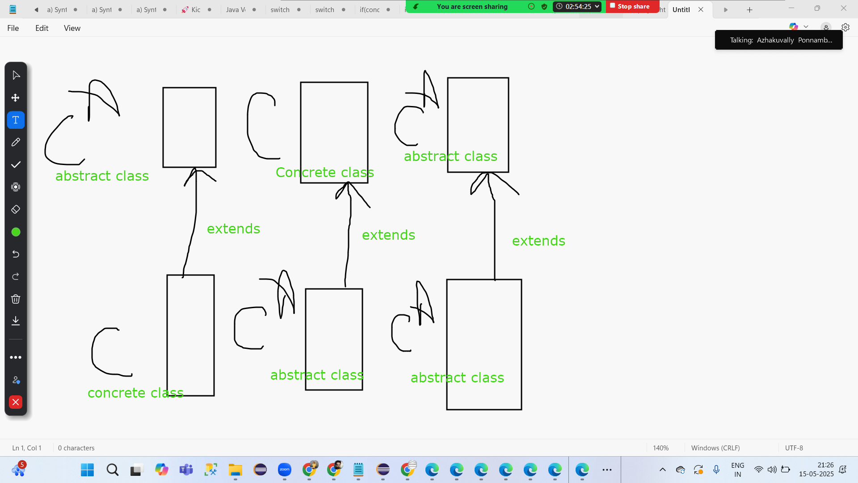

 | static | non static
abstract method | FALSE | TRUE
concrete method | TRUE | TRUE

Bank Account | SBI | ICICI | HDFC | j and K | K Bank
Ram Tiwari | Loan | Loan | Loan | Loan | Loan
200k / month
 | Given the loan | You alreayd have a loan

Loan | All the banks are inter linked iwth each others

SBI
ICICI
HDFC

Airline Company | Air India Real logic of its Software/Application |  | airindia | cleartrip | goibibo | makemytrip | expida.com
USA | American Airlines
Srilanka | Srilankan Airlines
 | Indigo
 | SPicejet

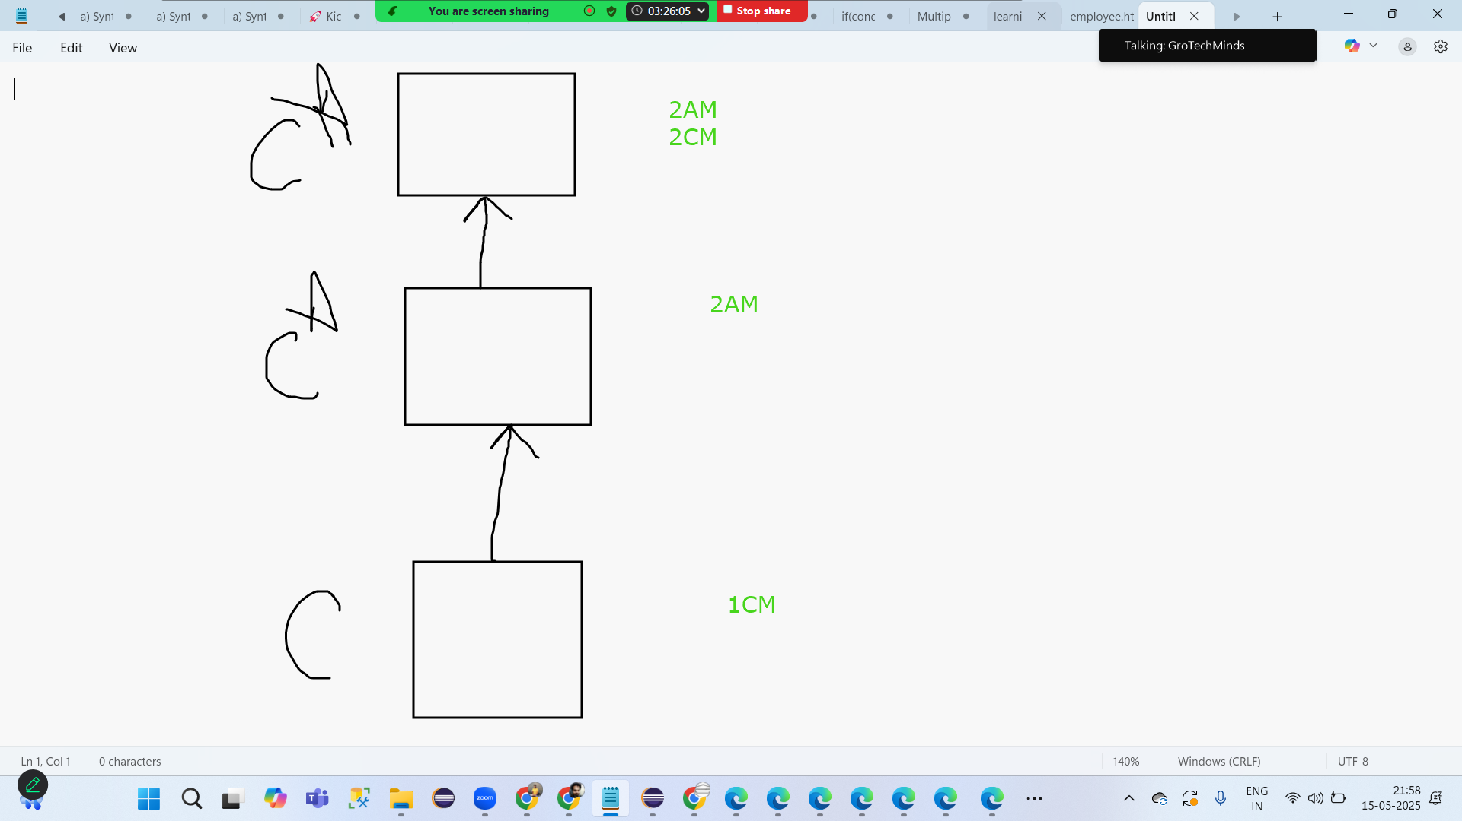

2025-05-16
Interface
Interface vs Abstract Class
how to make relationship with interface?
why interface?
Few problems

Interface
It is use to achieve 100% abstraction. 100% abstraction means it can have only abstarct methods in them. Just becase interface consist of only abstarct methds writing abstract in front of each methods is not required by default it is abstract. All the methods in the interface by default public in nature. All the variables which re present in interface are public , static and final in nature.

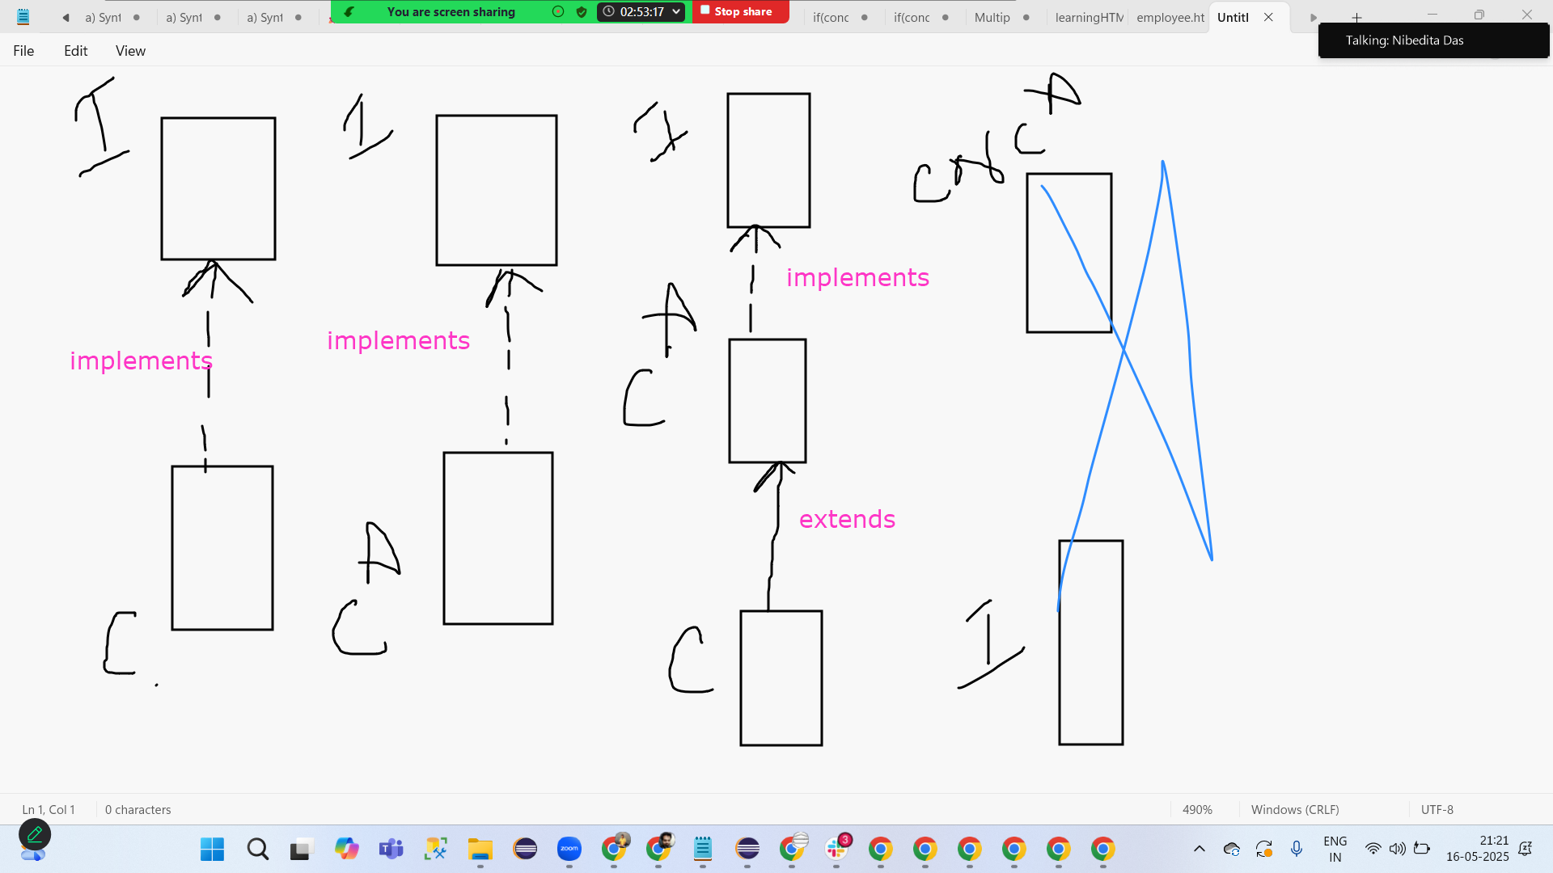

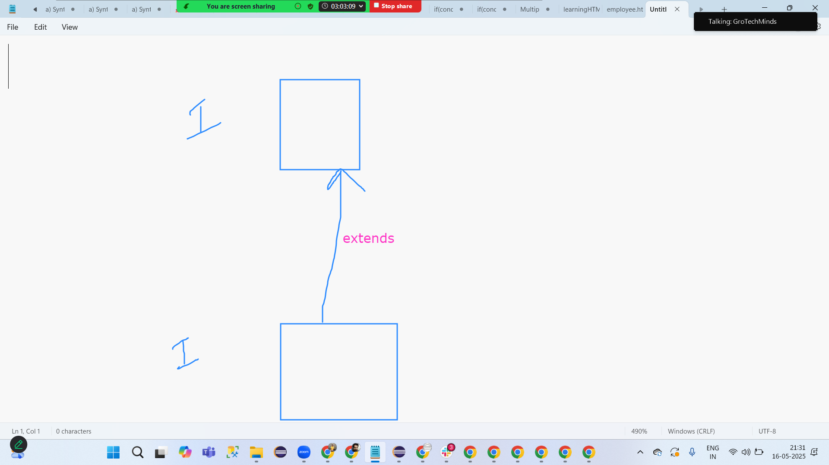
Note:Interface can only make a relationship with another interface only. or Interface can not make relation with classes or abstract classes.

Interface vs Abstract Class

Interface |  | Abstract Class
1. Can be created with a keyword called interface |  | 1. Can be created with a keyword called abstract
2. With this we can achive 100% abstraction |  | 2. With this we can achive 0-100% abstraction
3. We can achive Multiple level inheritance with this concept |  | 3. We can not achive Multiple level inheritance with this concept
4. Interface can never create relationship with any class |  | AC can create a relationship with AC or CC
5. Class can make a relationship with interface with a keyword called implements |  | 5. Class can make a relationship with AC with a keyword called extends
6. Interface will only have AM in them |  | AC can both AM and CM
7. By default methods in the interface are public |  | By default they are not public
9. All the varaibles im the interface are public,static and final |  | Varaibles in AC are not public static and final by default

Can we overload the main method?
Can we override the main method?
Access Specifier

static initialization block and Instance Initilization Block[SIB and IIB]

SIB syntax: static { }

IIB Syntax: { }

Both SIB and IIB should be outside the methods but inside the class body

 | public class SIBIIBProgram { static //SIB { } public static void main(String[] args) //Main Method { } { //IIB } }

Can we ahve multiple SIB in a single program? |  |  |  | Yes
Can SIB be parametrized? |  |  |  | No Its not methods
If we ahve multiple SIB's in the program what is going to be the order of executation? |  |  |  | One by one

19th May 2025

SIB | 1st thing getting exe
Main Method | 2nd

Can we ahve multiple IIB in a single program? |  |  |  | Yes
Can IIB be parametrized? |  |  |  | No
If we ahve multiple SIB's in the program what is going to be the order of executation? |  |  |  | One by one

Main Method |  | Constructor
SIB |  | IIB

SIB -1st |  | IIB-1st

Can we have a class in java where we have the main method,cons,SIB and IIB? |  |  |  | yes
Order of exe? |  |  |  | SIB MM IIB Con

SIB | PreCondition COnnecting with DB Connect witg Server
IIB

this keyword
this.globalvariable=localvariable; Assigning the value of local to global
package ab55; public class ThisKeywordProgram { int stdid; //global variable double salary; //global variable String name;//global variable void studentdetails(int stdid,double salary,String name)//Local Variables { this.name=name;//syntax of this kwyrod this.salary=salary; this.stdid=stdid; } public static void main(String[] args) { ThisKeywordProgram t1=new ThisKeywordProgram(); t1.studentdetails(85, 9.5, "Ram"); System.out.println(t1.name); System.out.println(t1.salary); System.out.println(t1.stdid); } }
Note:
1. This Keyword should only be used in the non static context[method and varibales both should be non static only]
2. This keyword can be anyone inside the non statci method-can be 1st line or 2nd line or any line
3. this keyword we can only use if global dataypes and methods paraemters are same[FYI-dont compare the variables only check the datatypes]

this keyword | super keyword |  | super() | this()
Non Static Method | Non Static Method |  | Non Static Method | Non Static Method
 |  |  | Constructor | Constructor

Any line | Any line |  | 1st line | 1st line

To assign the value of local to global varaibles | Method Overriding |  | To invoke parent class Con from child class cons | Constructor Chaining

Type Casting
Converting one type into another type is called Type Casting in Java.

Types of :
1. Primitive Type casting | Converting one datatype into another datatype Ex: int datatype but no longer ->long int datatype->double double ->int
2. Class Type Casting | Converting one class into another class

Parents | 2 | 500 Ltr
 | 8 | 1500 LTR

2 types of Primitive Type casting:
Narrowing:
Converting bigger datatype into smaller datatype. Can be done only explicitely

Widening:
Converting smaller datatype into bigger datatype. Can be done in 2 ways: a) Implicitely b) Explicitely

Ex:
int into long-widening
byte into double-widening
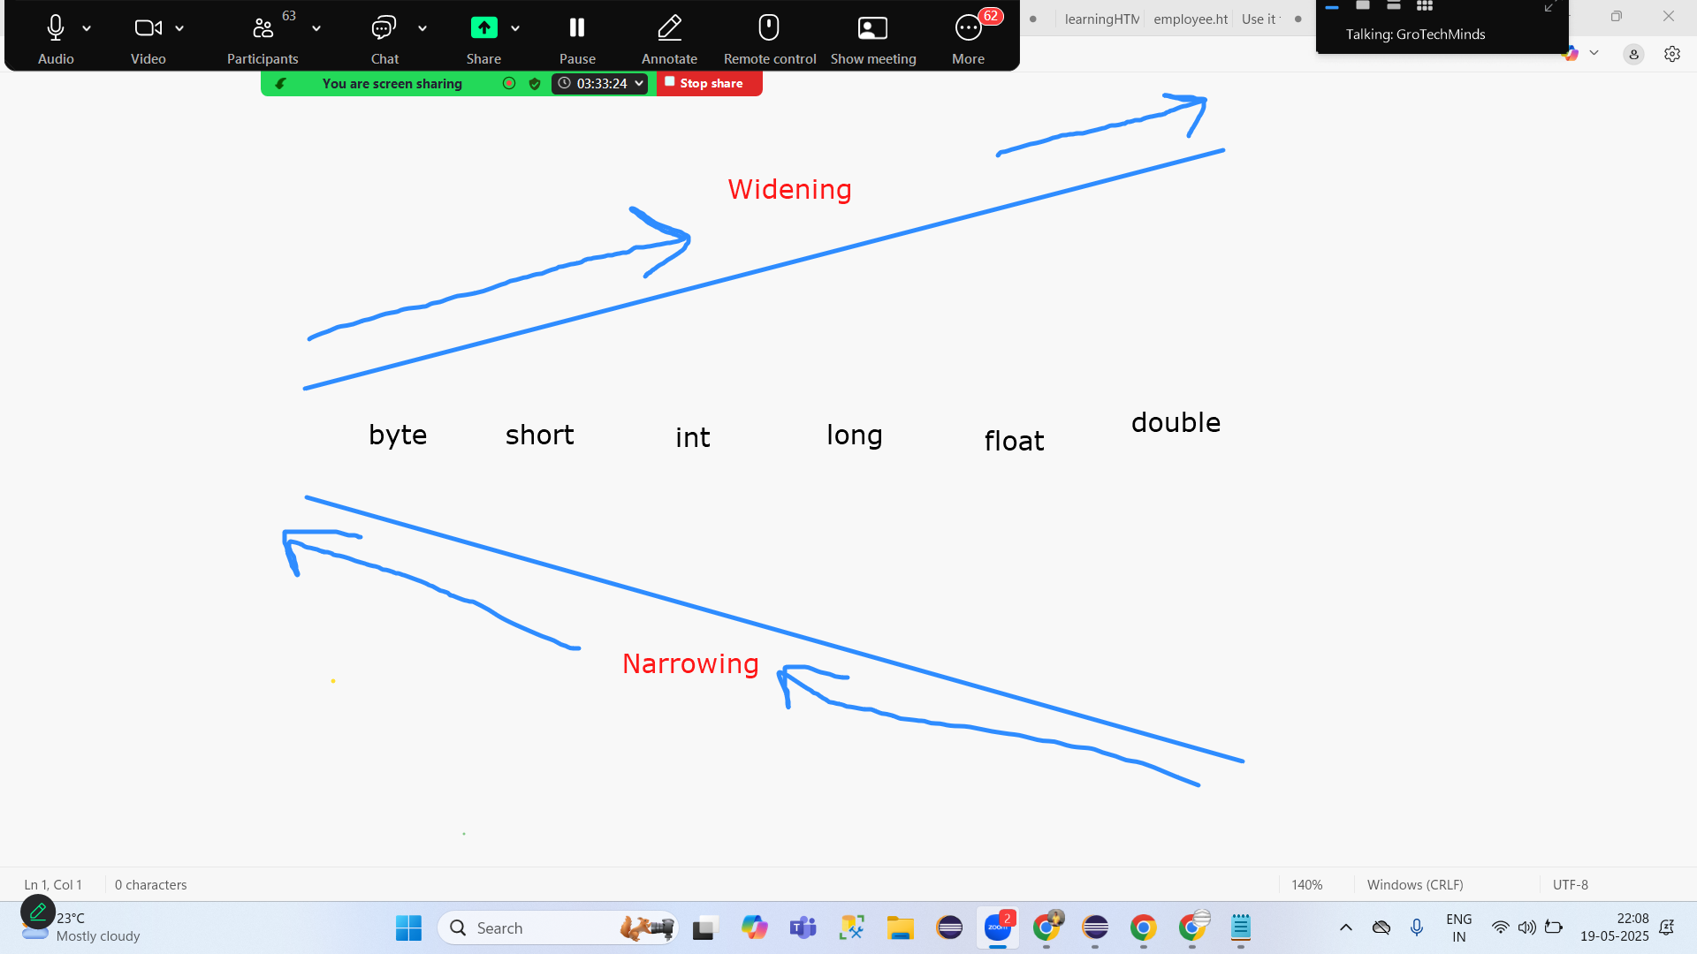
double into int-narrowing
int into byte--narrowing

2. Class Type Casting | Converting one class into another class
Types:
a) Upcasting: | Converting the child class object into super class type. Upcasting can be done in 2 ways: a) Implicit b) Explicit
b) Downcasting: | Converting parent class type into child class object is called as downcasting. It can only be done explicitely

Note: Downcasting is only possible once upcasting is done.

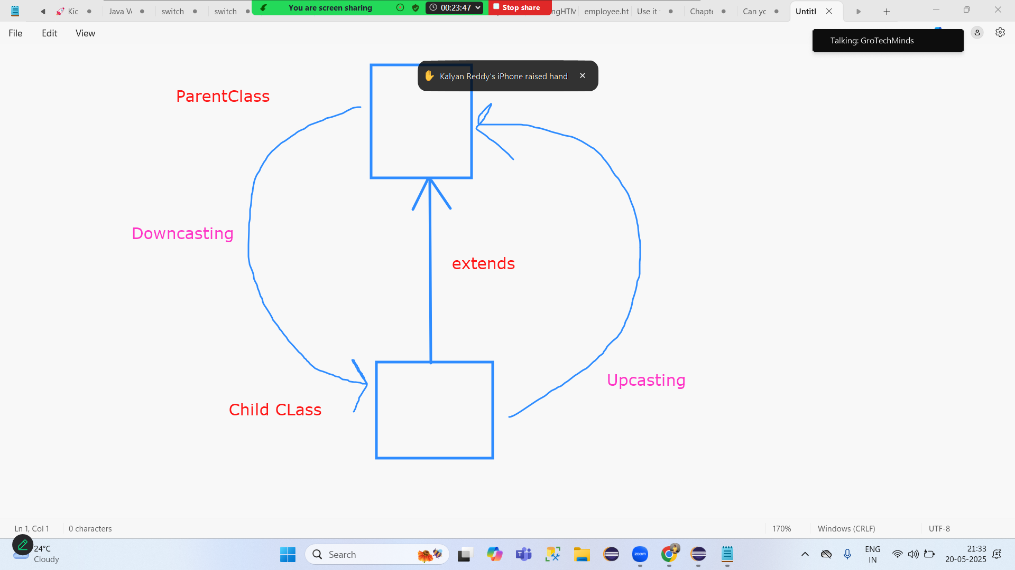

Object Class | Root class of entire class Hirarchy. Java Lang package

Access Specifier
 | methods
 | varaibles | 31st class | encapsulation
 | class
 | inteface
 | abstarct class

 | public
 | private
 | protected
 | default.package

a) Access Specififer for Methods
21th may 2025
 | What happens within the class? | What happens within the package? | What happens outside the package by becoming sub class? | What happens outside the package without becoming sub class?
public | TRUE | TRUE | TRUE | TRUE
protected | TRUE | TRUE | TRUE | FALSE
default/package | TRUE | TRUE | FALSE | FALSE
private | TRUE | FALSE | FALSE | FALSE

Case 1: | What happens within the class?

Class | Method 1 | public | TRUE
 | Method 2 | protected | TRUE
 | Method 3 | default/package | TRUE
 | Method 4 | private | TRUE

 | Method 1 | static | non static | Constructor
 | Method 2 | static | non static | Constructor
 | Method 3 | static | non static | Constructor
 | Method 4 | static | non static | Constructor

Case 2: | What happens within the package?

package 1 | Teacher | Method 1 | public | TRUE
 |  | Method 2 | protected | TRUE
 |  | Method 3 | default/package | TRUE
 |  | Method 4 | private | FALSE

 | Student
 |  | Main Method

Case 3: | What happens outside the package by becoming sub class?

p1 | Teacher | Method 1 | public | TRUE
 |  | Method 2 | protected | TRUE
 |  | Method 3 | default/package | FALSE
 |  | Method 4 | private | FALSE

p2 | Stduent | extends | Teacher

Case 4: | What happens outside the package without becoming sub class?

p1 | Teacher | Method 1 | public | TRUE
 |  | Method 2 | protected | FALSE
 |  | Method 3 | default/package | FALSE
 |  | Method 4 | private | FALSE

p2 | Stduent

Scanner Class? | Yes

p1 | Manish
java.util | Scanner

b) Access Specififer for Class/Abstract Class or Interface

 | public | TRUE
 | protected | FALSE
 | default/package | TRUE
 | private | FALSE

What is the meaning of Class/Abstract Class or Interface being public?
If a Class/Abstract Class or Interface is public it means it can be accessed within the package also and outside the package also. Ex: Scanner Class present in java.util pacakge it can be utilised in util package also and my own created package also

What is the meaning of Class/Abstract Class or Interface being default/package?
If a Class/Abstract Class or Interface is default/package it means it can be accessed within the package only

2025-05-22
String Function/Methods

String | class | java.lang

length
toUpperCase
toLowerCase
equals
equalsIgnoreCase
contains
concat
charAt
indexOf
substring(start index)
substring(start index, end index)

Date Class
 | current time | Log the message, Screenshots-date in it
 | Future Time
 | Past Time

2025-05-23
Screenshots
learning String functions
Booking flights booking hotels

Lets Reverse a String

2025-05-26
Check if the given String is a palindrome
 | mom
 | madam
 | dad
 | radar
 |  |  |  | mouse
logic | Input |  |  | esuom
 | reverse
 |  | input.equals(reverse)
 | if true | palindorme
 | String input="radar"; String output=""; for(int i=input.length()-1;i>=0;i--) { char c1= input.charAt(i); output=output+c1; } System.out.println("Here is my input->"+input); System.out.println("Here is my output->"+output); if(input.equals(output)) { System.out.println("It is a Palindrome"); } else { System.out.println("NOT a Palindrome"); }

The input | "auto"
Output | [a,u,t,o]

toCharArray
Array
We can store homogenious values.
Same datatypes
Array are known for their fixed size
We ll not be able to increase or decrease the size of array at run time
Syntax: datatype [] variable=new datatype[size];
Syntax: datatype variable[] =new datatype[size];
Ex: int [] rollnno=new int[3];

Accept the value of Array at run time
Scanner s1=new Scanner(System.in); System.out.println("Enter the size of array at run time"); int []rollno=new int[s1.nextInt()]; for(int i=0;i<rollno.length;i++) { System.out.println("Enter the value at index poition-> "+i); rollno[i]=s1.nextInt(); } System.out.println("The output Array is-> "+Arrays.toString(rollno)); s1.close();

2025-05-27
WAP to copy the vlaue of one array inot another array
WAP to copy the value of one array into another array in reverse order Input->[1,2,3,4,5] Output->[5,4,3,2,1]
WAP to calculate the average value which is in your array Average=sum of all/occurance;
WAP to check if 2 arrays arer equals
WAP to check if the given 2 string are ANAGRAM

are | ear
manish 6 | sunita 6

String | we dont have sort method |  | convert your string into array
Array | have sort method
 | String a1="sunita"; String a2="manish"; if(a1.length()!=a2.length()) { System.out.println("SInce length of the 2 strings are not same they can never be anagram"); } else { // [h,e,a,r,t] sort it->[a,e,h,r,t] // [e,a,r,t,h] sort it->[a,e,h,r,t] char []c1= a1.toCharArray(); char []c2= a2.toCharArray(); Arrays.sort(c1); Arrays.sort(c2); System.out.println(Arrays.toString(c1)); System.out.println(Arrays.toString(c2)); if(Arrays.equals(c1, c2)==true) { System.out.println("ANagram"); } else { System.out.println("NOT ANagram"); } }

2025-05-29
WAP to merge the 2 array
WAP to print the common numbers whihc are present in 2 arrays

2025-05-30
keywords/Datatypes | Wrapper Classes
byte | Byte
short | Short
int | Integer
long | Long
float | Float
double | Double
char | Character
boolean | Boolean

trim | Will remove all the spaces from the start of the string and from the end of the string but not from the middle of the string
replace(char ,char)
replace(charsequence ,charsequence) |  | replace(String ,String)
replaceall(String regix,String);

2025-06-02
matches |  | String a="world"; //chekc if the given string has exact 5 letters in it boolean b1= a.matches("....."); System.out.println(b1); //check if the given string is starting with w or not boolean b2= a.matches("w(.*)"); System.out.println(b2); //check if the given string end with d or not boolean b3=a.matches("(.*)d"); System.out.println(b3); //check if the given string has man in it String b="spiderman"; boolean b4= b.matches("(.*)man(.*)"); System.out.println(b4);
split
split

String | StringBuffer | StringBuilder
lang | lang | lang
1 | 1 | 1.5
Immutable | Mutable | Mutable
20 Methods
Default capacity ? Immutable, no default capcity | Default capacity ? 16 | Default capacity ? 16
 | Constructor | Constructor
 | StringBuffer s1=new StringBuffer(); StringBuffer s2=new StringBuffer(int capacity); StringBuffer s3=new StringBuffer("String"); | StringBuilder s1=new StringBuilder(); StringBuilder s2=new StringBuilder(int capacity); StringBuilder s3=new StringBuilder("String");
Methods

2025-06-04
Throw VS Throws Keyword
Exception Handling try,catch and finally keywords
Types of exceptions

Throw Keywords[Developer]
throw keyword will be useful for throwing an exception
syntax 1: throw new exceptionname();
syntax 2: throw new exceptionname("Message");
throw keyword should alwsys be written inside the method any method
As soon as you throw an exception program wil be terminated

Throw |  | Throws
1. throw keyword will be useful for throwing an exception |  | Declare an exception
2. throw keyword must be wrritten inside the method |  | together with the method name
3. One throw can only throw one exception |  | One throws can declare as many exceptions as possible
4. Throw keyword will not be useful handle the checked exception |  | Throws keyword will be useful to handle checked exceptions

Exception Handling try,catch and finally keywords

2025-06-05
Exception Handling
1. Exception handling is to be done using try and catch block
2. WHichever line is giving exception keep it in try block
3. Handle the above exception in the catch block syntax: try { int a=1/0;//this line is giving exception } catch(ExceptionName referancevariable) { logic; }
4. Writing try and catch doesnt gurantee if exception will happen or not happen. It may happen or not happen
5. If happen, then try block will not execute and catch block will execute
6. If doesnt happen , then try block will execute and catch block will not execute
7. Any one line in java does not gurantee that it can bring one 1 exception called A(NullPointerException) exception. Becase the reality is any given line in java based on different diffeernt exec flows it cna being different diffeent exceptions. Like in 1st attempt, brining A exception Like in 2nd attempt, brining B exception Like in 3rd attempt, brining C exception
8. for the above reason having 1 try and can have one catch block or many catches blocks

syntax: try { int a=1/0;//this line is giving exception } catch(ExceptionName1 referancevariable) { logic; } catch(ExceptionName2 referancevariable) { logic; }

Finally block

Final Keyword |  | Finally Keyword
1. Method,Varibale and Class |  | I can only use it in exception handling.
2. Method is final means what? |  | Since we dont know if try block will executr or catch block will execute, thats the reason we have finally block. Finally block will alwasy execute irresceptive try has executed or catch has executed
3. Variable is final means what? |  | Finally Keyword we cna not use it for varaible
3. Class is final means what? |  | Finally keyword can not be used for methods and class

2025-06-06
Types of exceptions |  |  |  |  |  |  | Why?
 |  | Mandatory ? | Handle them? | Hirarchy
Checked Exceptions | Compile Time | TRUE | 1. Throws 2. try catch | Exceptions(C)->throwable->Seriziable(I)
Unchecked Exceptions | Run Time | Optional | Exceptional hanlding try catch finally | RunTimeException->Exceptions(C)->throwable->Seriziable(I) |  |  | Logical Mistakes

2025-06-09
Drawback of Array
How to overcome this deawback?
Collection(I)
Collections(C)
Advantage of Collection
Hirarchy of Collection

Drawback of Array
1. Fixed SIze
2. Homogenious value

How to overcome this drawback?
Collection

Collection(I)
Inteface and Frameowrk in java
Create the data, Read the data,update the data and delete the data[CRUD]
Collection can store any number of values as here size is not fixed
Collection you can store homogenious value and also hetrogenious value.
Since Collection is a interface it has may classes and interfaces in it.
Collection frameowrk has come in java in java version 1.2 under java.util package
In collection we only store the data in the form of object
Collection Framework -java.util.Collection; -java.util.Map;

ArrayList
 | Indexing | TRUE
 | Order of Insertion | TRUE
 | Sort | TRUE
 | Dyamic | TRUE
 | hetro | TRUE
 | null | TRUE
 | Duplicates | TRUE

add(Object) | Collections.sort
add(index,Object)
addAll(Collection) |  | keywords/Datatypes | Wrapper Classes
addAll(index, Collection) |  | byte | Byte
isEmpty |  | short | Short
clear |  | int | Integer
contains(Object) |  | long | Long
containsAll(Collection) |  | float | Float
remove(index) |  | double | Double
remove(Object) |  | char | Character
removeAll(Collection) |  | boolean | Boolean

11th Jun 2025
clone | assignmnet
equals
listIterator
terator
Scanner | Cass
Scanner() | Constructor
Iterator()
Iterator
lastIndexOf
Iterator<Integer> i1= a1.iterator(); Iterator method is applicable to the entire collection

 | For Loop | While Loop
 | When we know the number of Iterations | When we dont know the number of iterations
 | Syntax:

1. I am going to peddle my cycle 50 times to reach office-For Loop
2. I am going to keep peddling untill I reach office-While Loop

List Property | package ab55; import java.util.ArrayList; import java.util.Iterator; import java.util.List; import java.util.ListIterator; public class ListProperty2 { public static void main(String[] args) { List l1= new ArrayList(); l1.add(6.35); l1.add(9.35); l1.add(11.35); l1.add(12.35); l1.add(9); l1.add("Ram"); l1.add('C'); System.out.println(l1); Iterator i2= l1.iterator(); while(i2.hasNext()) { System.out.println(i2.next()); } ListIterator i3= l1.listIterator(); while(i3.hasNext()) { System.out.println(i3.next()); } while(i3.hasPrevious()) { System.out.println(i3.previous()); } } }

Iterator vs LIstIterator

2025-06-12
List vs Set | List | index | done
Array vs Collection |  |  | done

16th June 2025

Array vs ArrayList | done
Legacy Class | done
Java Cursor | done
Vector vs ArrayList | done
 | vector | 1 Legacy 3 ways iteration possible Synchronized Thread Safe Performnace Wise Slower
 | Arraylist | 1.2 Collection 2ways itearation not Synchronized not Thread Safe Performnace Wise Faster

Collection vs Collections
 | add
 | addalll
 | remove | Collection
 | removeall | List
 | contains | ArrayList
 | containsall | Vector
 | get
 | is empty | null
 | clear | index
 | iterator | hetro

Collections | Collection | Map

Map
12 Methods APprox

How to iterate the Map:
a) keyset | You Can fetch only keys
b) value | You Can fetch only values
c) EntrySet | You Can fetch both keys and value

foreach loop

19th June 2025
How to iterate the Map: |  | done
foreach loop |  | done
List vs Set vs Map |  | done
Synch and non synch |  | done
Thread Safe and Thread Safe |  | done
Default capacity of each classes |  | done
Growth Strategy of each classes that we have in collection |  | done

23rd June 2025
Collections | max
 | min
 | freq
 | rotate
 | sort
 | reverse
 | shuffle
 | binarySearch
 | disjoint
 | Fill
 | ReplaceAll
 | singleton | Set
 | singletonList | List
 | singletonMap | Map
 | synchronizedList Thread Safe |  | Collection 1.2 Non Synchronized Not Thread Safe Faster Drawback:
 | synchronizedSet Thread Safe
 | synchronizedMap Thread Safe

24th June 2025
Collection vs Collections | done

Importnat Questions:
1. List vs Set
2. Collection vs Collections
3. What are Map? How to itertae the Map?
4. Array vs Collection
5. Array vs ArrayList
6. Cursor
7. Legacy Class

MCQ on Collection 27th June 2025

Which languages are Object Orietened programing language?
Which languages are NOT Object Orietened programing language?

Github Installation
Creattion of account

24th June 2025
Assert keyword
continue keyword
Diamond problem

Assert keyword | Syntax: assert condition; or assert condition:"message"; | int a=5; System.out.println("Start"); assert a>10:"Sorry condition is not true"; System.out.println("End");
1. If condition is true, program can continue further
2. If condition is false, program will terminate

assert | Keyword | Java
Assert | Class | TestNG | HardAssert: If condition is not met->terminate
SoftAssert | Class | TestNG | SoftAssert: if conditions are not met continue the program but list down the errors
Assertion | Class | TestNG | HardAssert If condition is not met->terminate

Continue keyword
Use to skip any iteration

for(int i=0;i<=10;i++) { if(i>5) { continue; } System.out.println(i); }

Diamond problem
c) Multiple Level In | Multiple Level Inheritance: A Single sub class inheriting more then one super classes is called as M L I. MLI is not possible to achieve in java using class because of Diamond problem. But the same can be achieved using Interface.

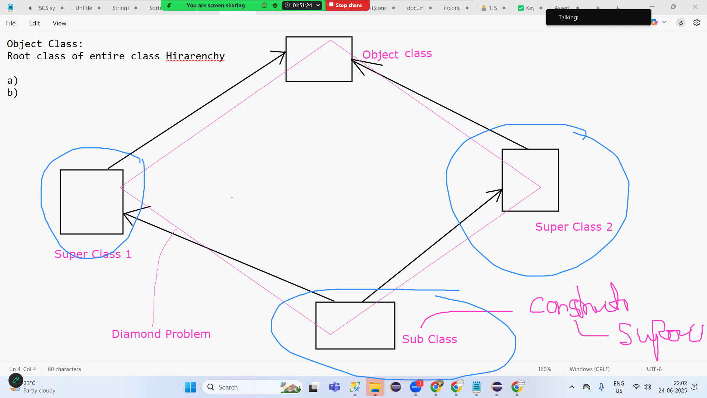

In the main method what is String [] args? Whatis the use?

25th June 2025
Polymorphism
An object showing different behaviour at different stages of its life cycle is called as Polymorphism. Polymorpshism means in many ways. In simple words it means same action in multiple ways.

It can be achived in 2 ways: a) RunTime polymorpshism b) Compile time polymorphism

Compile time polymorphism: An object showing different behaviour at different stages of its life cycle during complile time based on arguments passed is called as compile time polymorpshim. We can achive this using Method Overloading. Ex: Math.addexact(int,int); Math.addexact(long,long);
RunTime polymorpshism: An object showing different behaviour at different stages of its life cycle during runtime based on Object created is called as Run time polymorpshim. We can achive this using Method Overiding.

Login to Instagram | EmailId | stbymkt@gmail.com | void login(String emailid/userid)
 | MobileNo | 8009900785 | void login(long mobilno)
 | Userid | _iammkt

Method Overridng | Child Object | Child class method
 | Parent Object | Parent class method

 |  |  | Web Based | Andriod | IOS | Windows
Amazon | B2C | Customer
 | B2B | Shopkeepers Dealers Showrooms
 | B2B-Corporate

Encapsulation
Protecting the data memeber of the class by giving private access specifier and indirectly accessing them using getter and setter is called as Encapsulation.
While writing java code the most sensitive infomation like age,gender,mobileno,emailid,CVV no,OTP etc can be made as private.
And it must be allowed to access it indrectly uisng getter and setter method. The access specifier for getter and setter method is going to be public. getter is used to get the value. setter is used to set the value.
Syntax: class One { private String emailid="customer@gmail.com"; //sensitive information public void getEmailid() //getter method { } public void setEmailid() //setter method { } }
private String emailid="customer@gmail.com"; public String getEmailid() { return emailid; } public void setEmailid(String emailid) { this.emailid=emailid; } } public class Encapsulationprogram { public static void main(String[] args) { SenstiveClass s1=new SenstiveClass(); s1.setEmailid("anuj@gmail.com"); }
class SenstiveClass { private String emailid="customer@gmail.com"; public String getEmailid() { return emailid; } public void setEmailid(String emailid) { this.emailid=emailid; } private int OTP=1234; public int getOtp() { return OTP; } public void setOtp(int OTP) { this.OTP=OTP; } private char gender='M'; public char getGender() { return gender; } public void setGender(char gender) { this.gender = gender; } } public class Encapsulationprogram { public static void main(String[] args) { SenstiveClass s1=new SenstiveClass(); s1.setEmailid("anuj@gmail.com"); System.out.println(s1.getEmailid()); s1.setOtp(5861); System.out.println(s1.getOtp()); } }

Which langugaes are considered to be Object Orieneted Programming Language?

COAP IE
class | CLass temeeplete where we can write program
Object
Abstracation | Interface, Abstract Class
Polymorpshism
Inheritance | Code Reuslaibity
Encapsulation | Protecting the data memeber of the class by giving private

Which all langugaes :
java
python
JS
ruby
c#/.net

SOme Langugaes that are not OOPL":

Ada
basic
C
C++
COBOL
fortran

Github
Github is code repository Tool
Team, Tester 1:Code of T1 Tester 2:Code of T2 Tester 3:Code of T3

Create an Github Account
Carete the repository
Install gitbash tool in our laptop

Git init |  | Git init
Git clone |  | Git clone repositoryurl.git
git status |  | git status
git add |  | git add filename or git add .
git commit |  | git commit -m "commit message"
git push |  | git push --all repositoryurl.git
ggit pull |  | git pull repositoryurl.git
How we can move the control from one branch to another
how we can push to files to new branch
how we can check if in the given repository how many branches we have
1st July 2025
git fetch |  | git fetch
git checkout |  | git checkout branchname

Maven project | Jenkins | Gittub
pom.xml

API | Rest API | JSON
 | Soap API

 | static Method | non static Method
static | Name
non sttaic | Object
JVM Memory
ASCII value | A-Z=65 to 90
 | a-z=97-122

Set(Interface)
 | does not folow indexing
 | hashcode value

INterface Evolution from java 1.0 to Java 17+

2 Dimensional Array
static
non static
constructor

Viva Java | Monday | Tuesday | Wednesday
 | 07th JUly 2025 | 08th JUly 2025 | 09th JUly 2025
Time | 9AM IST to 7.30pm IST | 9AM IST to 7.30pm IST | 9AM IST to 7.30pm IST
ekta@grotechminds.com
eeshan@grotechminds.com
Manish Kumar Tiwari

Selenium
Selenium Confifuration to Java Project |  |  | done
Selenium Confifuration to Maven Project |  |  | Later

Selenium

Advantages: | 1. Comptability with multiple languages
 | 2. Selenium comptability with multiple OS windows,MAC OS,Linux
 | 3. Any web based application can be automated
 | 4. Open Source Application NO Cost Involved
 | 5. Comptabile with many browsers Chrome,Firefox,Edge,IE(avoid),Safari,Mini etc
 | 6. Just a Tool but it can become Suite of Tools also by integrating with others Tools avaiable in the market like TestNG,Maven, Apache POI etc
Disadvantages:
 | 1. It does not automate OTP,Captcha,Prove that you are human, Scanner,Barcodes, Images etc
 | 2. You cannot automate mobile based application or stand alone application[Those application that does not need internet]

ChromeDriver | Useful for Chrome browser |  |  | When you invoke it non parameterized consteuctor ChromeDriver driver=new ChromeDriver(); It will launch empty chrome browser
FirefoxDriver | Useful for firefox browser |  |  | When you invoke it non parameterized consteuctor FirefoxDriver driver=new FirefoxDriver (); It will launch empty firefox browser
EdgeDriver | Useful for Edge browser |  |  | When you invoke it non parameterized consteuctor EdgeDriver driver=new EdgeDriver (); It will launch empty edge browser
SafariDriver | Useful for Safari browser |  |  | When you invoke it non parameterized consteuctor SafariDriver driver=new SafariDriver (); It will launch empty safari browser

ChromeDriver driver=new ChromeDriver(); FirefoxDriver driver=new FirefoxDriver (); EdgeDriver driver=new EdgeDriver (); SafariDriver driver=new SafariDriver ();
driver.get(url); |  |  | driver.get("https://www.google.com");
driver.close(); |  |  | Close parent browser/tab or It closes that browser/tab that has the control
driver.quit(); |  |  | Close parent browser/tab as well as child browser/tab
driver.findElement(); |  |  | Useful for locating single element
driver.findElements(); |  |  | Useful for locating many elements
driver.getwindowhandle(); |  |  | It gives us browser id of parent window/tab or It gives us browser id of that window/tab that has the control
driver.getwindowhandles(); |  |  | It gives us browser id of parent window/tab and child window/tab
driver.manage();
driver.switchto();
driver.gettitle() |  |  | Can help you to fetch the current TITLE of the page
driver.getcurrenturl() |  |  | Can help to fetch the current uRL of the browser

2025-07-07

Launch Amazon->Search a product |  |  | ChromeDriver driver=new ChromeDriver(); driver.get("https://www.amazon.in"); driver.findElement(By.id("twotabsearchtextbox")).sendKeys("shoe"); driver.findElement(By.id("nav-search-submit-button")).click();

Find It |  | Locate |  |  | Perform Action
FindElement |  | id |  |  | Clikcing
FindElements |  | name |  |  | Typing on it
 |  | tagname |  |  | Double click
 |  | classname |  |  | HOIverover
 |  | xpath |  |  | Drop and Drop
 |  | CSS Selector
 |  | Linktext
 |  | partialLinktext
 |  | By Cass is one Class in Selenium which has total 8 sttaic metohds mentioned above

 |  | ChromeDriver driver=new ChromeDriver(); driver.get("https://www.amazon.in"); WebElement searchtextfield= driver.findElement(By.id("twotabsearchtextbox")); searchtextfield.sendKeys("shoe"); WebElement searchbutton= driver.findElement(By.id("nav-search-submit-button")); searchbutton.click();

WebElement Methods
sendkeys
click
isenabled |  | EdgeDriver driver=new EdgeDriver(); driver.get("https://www.amazon.in"); WebElement searchtextfield= driver.findElement(By.id("twotabsearchtextbox")); searchtextfield.sendKeys("shoe"+Keys.ENTER); WebElement searchbutton= driver.findElement(By.id("nav-search-submit-button")); if(searchbutton.isDisplayed() && searchbutton.isEnabled()) { searchbutton.click(); }
isdisplayed |  | EdgeDriver driver=new EdgeDriver(); driver.get("https://www.amazon.in"); WebElement searchtextfield= driver.findElement(By.id("twotabsearchtextbox")); searchtextfield.sendKeys("shoe"+Keys.ENTER); WebElement searchbutton= driver.findElement(By.id("nav-search-submit-button")); if(searchbutton.isDisplayed() && searchbutton.isEnabled()) { searchbutton.click(); }
isselected |  | Radiobutton,checkbox EdgeDriver driver=new EdgeDriver(); driver.get("file:///E:/Dessktop/grotechminds%20html%20code.html"); WebElement boycheckbox= driver.findElement(By.id("123")); if(boycheckbox.isSelected()) { System.out.println("Checbox is alreday selected"); } else { boycheckbox.click(); }

 |  | ChromeDriver driver=new ChromeDriver(); driver.get("https://www.amazon.in"); WebElement searchtextfield= driver.findElement(By.id("twotabsearchtextbox")); searchtextfield.sendKeys("shoe"+Keys.ENTER); WebElement searchbutton= driver.findElement(By.id("nav-search-submit-button")); searchbutton.click();

2025-07-08
name
linktext
partiallinktext
xpath

Test Case | Login to facebook with Name
 | ChromeDriver driver=new ChromeDriver(); driver.get("https://www.facebook.com"); WebElement username= driver.findElement(By.name("email")); username.sendKeys("stbymkt@Gmail.com"); WebElement password= driver.findElement(By.name("pass")); password.sendKeys("123456ytgfdedfv"); WebElement login= driver.findElement(By.name("login")); login.click();

What is the other way to do click()?

Assignment: https://www.apollopharmacy.in/search-medicines Search a medicine

linktext
partiallinktext

The Above 2 locator is only applicable for those tagname which is a

problem 1: | Launch Google and click on gmail
problem 2: | Launch amazon and click on mobiles

Customer Support
Customer Care

 | Partial Link text | Customer | NO
 | Partial Link text | Support | Yes
 |  | Care | Yes

Manish Kumar Tiwari
Manish
 | Partial Link text |  | Tiwari
 | Partial Link text |  | Kumar

 | Linkext |  | Manish

tagname |  |  |  | ChromeDriver driver=new ChromeDriver(); driver.get("https://www.facebook.com"); WebElement username= driver.findElement(By.name("email")); username.sendKeys("stbymkt@Gmail.com"); WebElement password= driver.findElement(By.name("pass")); password.sendKeys("123456ytgfdedfv"); // WebElement login= driver.findElement(By.name("login")); // login.click(); WebElement login= driver.findElement(By.tagName("button")); login.click();
classname |  |  |  | ChromeDriver driver=new ChromeDriver(); driver.get("file:///E:/Dessktop/grotechminds%20html%20code.html"); WebElement link= driver.findElement(By.tagName("a")); link.click();
 |  |  |  | ChromeDriver driver=new ChromeDriver(); driver.get("https://www.google.com"); WebElement e1= driver.findElement(By.className("gLFyf")); e1.sendKeys("Modi");

2025-07-09
How to handle dropdown?
Xpath

How to handle dropdown?
Most of the dropdown in HTML will ahve tagname called Select.
It can be handled by select class only in Selenium.
Those dropdown which doesnt have tagname as select can be hanlded using keys functionality
Syntax : Select s1=new Select(Webelement e1); s1.selectbyindex(int a); s1.selectbyvalue(String a); s1.selectbyvisibletext(String a); e1->here is that component on which you wish to perform dropdown
 |  |  | EdgeDriver driver=new EdgeDriver (); driver.manage().window().maximize(); driver.get("https://www.amazon.in"); WebElement e1= driver.findElement(By.id("searchDropdownBox")); Select s1=new Select(e1); // s1.selectByIndex(10); // s1.selectByValue("search-alias=automotive"); s1.selectByVisibleText("Pet Supplies");

 |  |  | EdgeDriver driver=new EdgeDriver (); driver.manage().window().maximize(); driver.get("https://www.amazon.in"); WebElement e1= driver.findElement(By.id("searchDropdownBox")); Thread.sleep(1000); e1.sendKeys(Keys.ARROW_DOWN); Thread.sleep(1000); e1.sendKeys(Keys.ARROW_DOWN); Thread.sleep(1000); e1.sendKeys(Keys.ARROW_DOWN); Thread.sleep(1000); e1.sendKeys(Keys.ARROW_DOWN); Thread.sleep(1000); e1.sendKeys(Keys.ENTER);

https://grotechminds.com/registration/ hanlde the dropdown 1. Skill 2. Country 3. Religion

DO NOT JUST DEPEND ON AMAZON FOR ALL SCENERIOS KEEP TRYING OTHER APPLICATION AS WELL

Xpath
Types: a) Absolute Xpath: In Absolute X path we traverse from parent tagname to immediate child tagname with the help of single forward slash. Ex: /grandparent/parent/child
Types: b) Relative Xpath In relative X path we can traverse to any tagname directly with the help of double forward slash. Ex: //child

a) Absolute Xpath: | EdgeDriver driver=new EdgeDriver(); driver.get("file:///E:/Dessktop/grotechminds%20html%20code.html"); //WebElement boycheckbox= driver.findElement(By.id("123")); WebElement boycheckbox= driver.findElement(By.xpath("((/html/body/form)[2]/input)[1]")); if(boycheckbox.isSelected()) { System.out.println("Checbox is alreday selected"); } else { boycheckbox.click(); }

Assignment: On JSAM Application try performing action on each component using absolute xpath

Syntax of Xpath: //TagName[@AN='AV']

//input[@id='twotabsearchtextbox'] |  |  | Amazon.in Search text box
//input[@name='email'] |  |  | facebook username
//textarea[@name='q'] |  |  | Google Search TB

Syntax of that coponnet where AN and AV is Misisng: //Tagname[.='Text'] or //Tagname[text()='Text']

Actions Class in Selenium

a) Hoverover Actions a1=new Actions(driver); a1.movetoelement(e1).perform(); e1->E1 is that compinent on which you wish to perform hoverover public class FlipkartHoverover { public static void main(String[] args) { ChromeDriver driver=new ChromeDriver(); driver.get("https://www.flipkart.com"); driver.manage().window().maximize(); WebElement e1= driver.findElement(By.xpath("//span[text()='Fashion']")); Actions a1=new Actions(driver); a1.moveToElement(e1).perform(); } } public class AmazonHoverover { public static void main(String[] args) { ChromeDriver driver=new ChromeDriver(); driver.get("https://www.amazon.in"); driver.manage().window().maximize(); WebElement e1= driver.findElement(By.xpath("//span[@class='nav-line-2 ']")); Actions a1=new Actions(driver); a1.moveToElement(e1).perform(); WebElement e2= driver.findElement(By.xpath("(//span[text()='Sign in'])[1]")); e2.click(); } }
11th July 2025
b) drag and Drop Actions a1=new Actions(driver); a1.draganddrop(e1,e2).perform(); e1->e1 is drggable componnet e2->e2 droppable zone EdgeDriver driver=new EdgeDriver (); driver.manage().window().maximize(); driver.get("https://grotechminds.com/drag-and-drop/"); WebElement e1= driver.findElement(By.xpath("//div[@id='container-6']")); WebElement e2= driver.findElement(By.xpath("//div[@id='div2']")); Actions a1=new Actions(driver); a1.dragAndDrop(e1, e2).perform();
c) Right Click Actions a1=new Actions(driver); a1.contextclick(e1).perform(); e1->e1 is that componet on which you wish to do right click EdgeDriver driver=new EdgeDriver (); driver.manage().window().maximize(); driver.get("https://www.google.com"); WebElement e1= driver.findElement(By.xpath("//a[text()='Gmail']")); Actions a1=new Actions(driver); a1.contextClick(e1).perform();
d) Double Click Actions a1=new Actions(driver); a1.doubleclick(e1).perform(); e1->e1 is that componet on which you wish to do double click /* EdgeDriver driver=new EdgeDriver (); driver.manage().window().maximize(); driver.get("https://grotechminds.com/registration/"); WebElement e1= driver.findElement(By.id("fname")); e1.sendKeys("Ram"); e1.sendKeys(Keys.CONTROL+"a"); e1.sendKeys(Keys.CONTROL+"c"); WebElement e2= driver.findElement(By.id("lname")); e2.sendKeys(Keys.CONTROL+"v"); */ EdgeDriver driver=new EdgeDriver (); driver.manage().window().maximize(); driver.get("https://grotechminds.com/registration/"); WebElement e1= driver.findElement(By.id("fname")); e1.sendKeys("Ram"); Actions a1=new Actions(driver); a1.doubleClick(e1).perform(); e1.sendKeys(Keys.CONTROL+"c"); WebElement e2= driver.findElement(By.id("lname")); e2.sendKeys(Keys.CONTROL+"v");

Copy the text from one field and paste it into another field
Write the text on one field, double click on it to select it, copy it and paste it into another field

How to count total number of links present in the given page of the website
How to print all those links ChromeDriver driver=new ChromeDriver(); driver.manage().window().minimize();; driver.get("https://www.google.in"); List<WebElement> links=driver.findElements(By.tagName("a")); int count= links.size(); System.out.println("The number of links in the page-> "+count); for(int i=0;i<count;i++) { WebElement e3= links.get(i); String url1= e3.getDomAttribute("href"); System.out.println(url1); }

14th July 2025
HOw to print all the link text of the give website of any particular page
https://www.google.co.in/preferences?hl=en-IN&fg=1 /advanced_search?hl=en-IN&fg=1 /history/privacyadvisor/search/unauth?utm_source=googlemenu&fg=1&cctld=co.in /history/optout?hl=en-IN&fg=1 String tobeconcatinate="https://www.google.co.in"; String function: matches: https matches.(https(.*));

How to handle AutoSuggestion
 |  |  | ChromeDriver driver=new ChromeDriver(); driver.manage().window().maximize(); driver.get("https://www.google.com"); WebElement e1= driver.findElement(By.name("q")); e1.sendKeys("India"); Thread.sleep(5000); List<WebElement> list= driver.findElements(By.xpath("//div[@class='OBMEnb']/ul/li")); int count= list.size(); System.out.println(count); list.get(count-10).click();

SYntax of writing Xapth with Child Axes:
//tagnameOfParent/child::TagnameOfChildComponnet

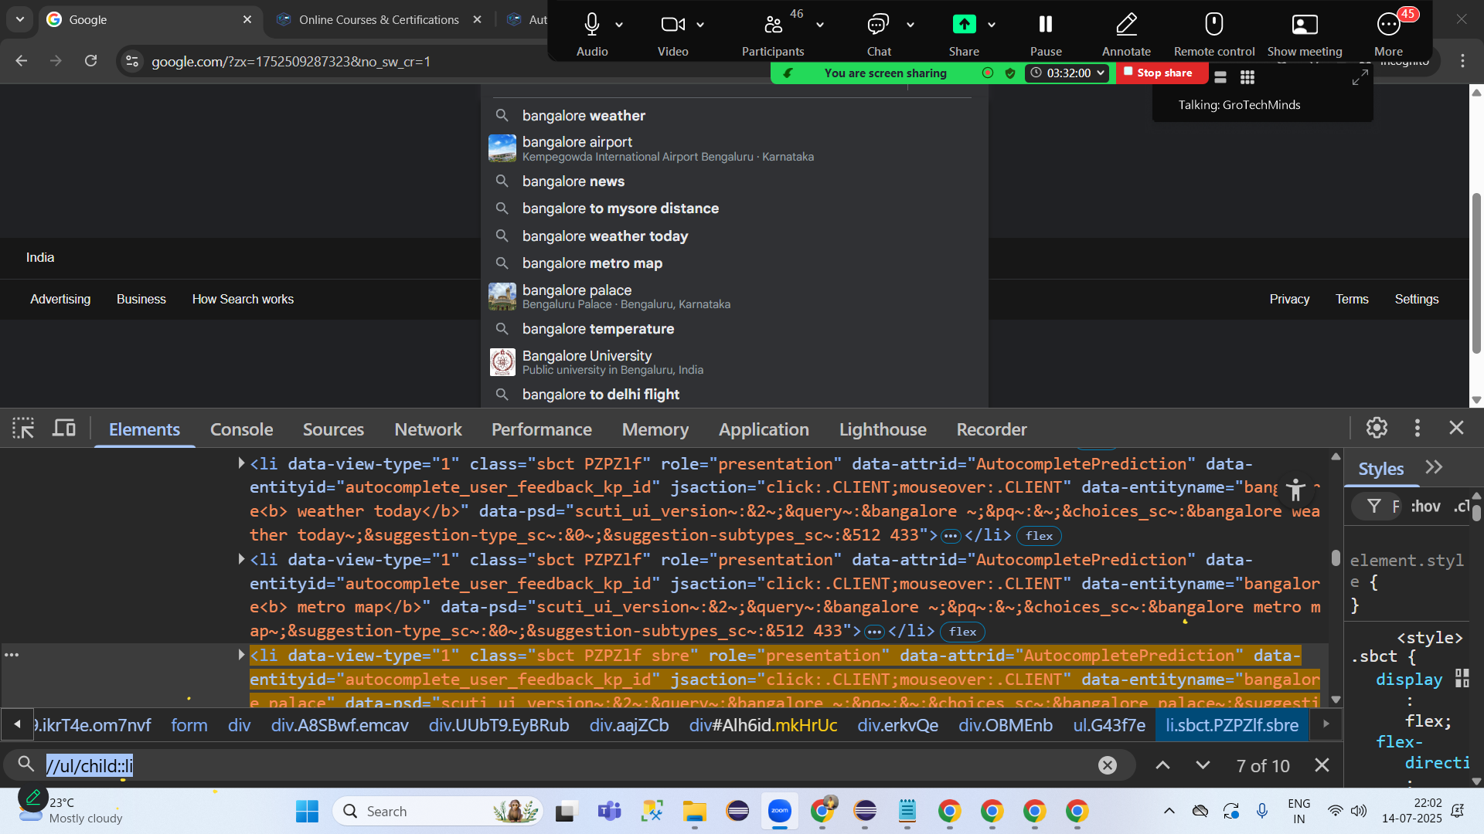
//ul/child::li

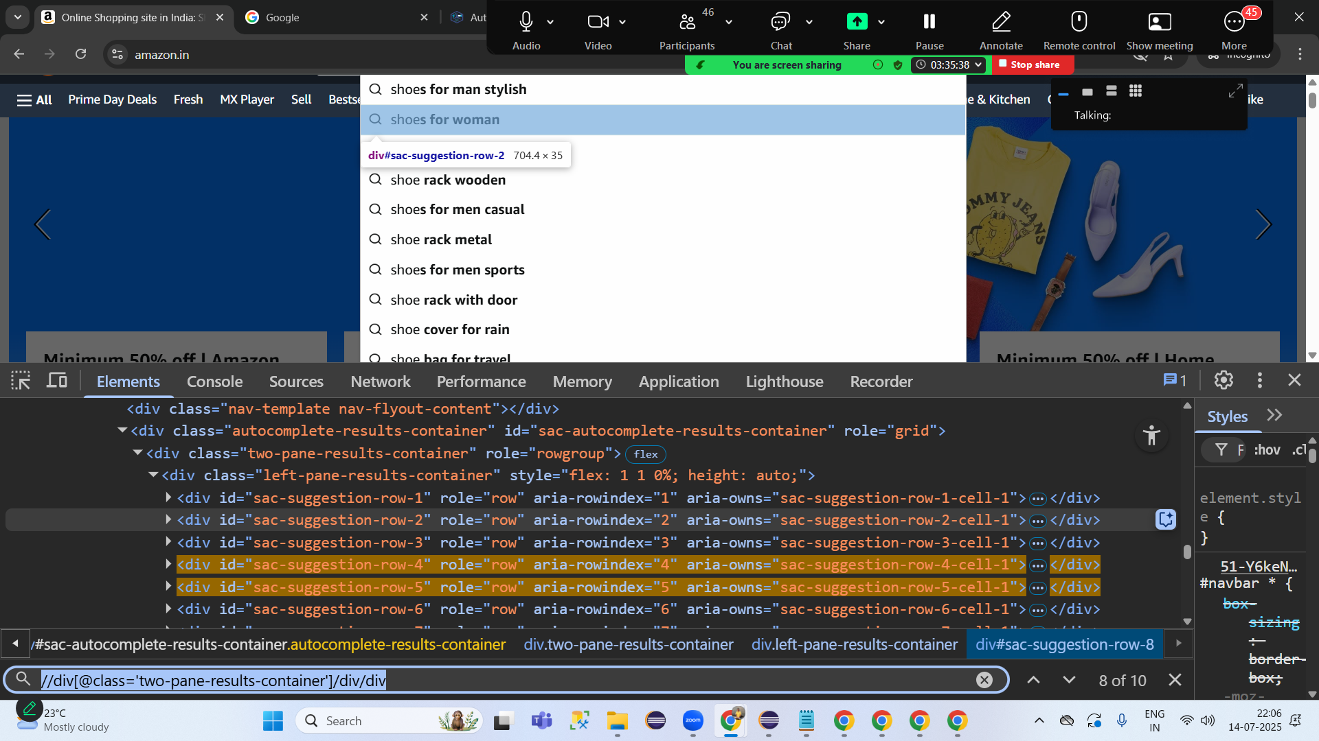
Amazon:
//div[@class='two-pane-results-container']/div/div

Flipkart:

//form/ul/li
//ul/child::li

15th July 2025
how to move the control from one tab to another tab |  |  |  | ChromeDriver driver=new ChromeDriver(); driver.get("https://www.naukri.com/registration/createAccount?"); driver.manage().window().maximize(); WebElement e1= driver.findElement(By.xpath("//span[.='Google']")); e1.click(); Set<String> ids= driver.getWindowHandles(); System.out.println(ids); Iterator<String> id1= ids.iterator(); String parentid= id1.next(); String childid= id1.next(); Thread.sleep(2000); driver.switchTo().window(childid); driver.close();
How to work with file upload pop up |  |  |  | ChromeDriver driver=new ChromeDriver(); driver.get("https://www.flipkart.com"); driver.manage().window().maximize(); WebElement e1= driver.findElement(By.name("q")); e1.sendKeys("shoe"+Keys.ENTER); WebElement list= driver.findElement(By.xpath("(//a[@class='rPDeLR'])[1]")); list.click(); /* List<WebElement> list= driver.findElements(By.xpath("//a[@class='rPDeLR']")); list.get(0).click(); */ Set<String> ids= driver.getWindowHandles(); System.out.println(ids); Iterator<String> id= ids.iterator(); String parentid= id.next(); String childid= id.next(); driver.switchTo().window(childid); System.out.println(driver.getTitle()); Thread.sleep(3000); //WebElement e4= driver.findElement(By.xpath("//span[@class='OGrnIL']")); WebElement e4= driver.findElement(By.xpath("//ul[@class='row']/child::li[2]")); e4.click();

How to work with file upload pop up |  |  | ChromeDriver driver=new ChromeDriver(); driver.get("https://grotechminds.com/registration/"); driver.manage().window().maximize(); WebElement e1= driver.findElement(By.name("file")); e1.sendKeys("C:\\Users\\MKT\\Desktop\\manish.html");
Job Portal: Naukri Monster Indeed

Java Script Pop up
Cannot inspect Java Script Pop up
Java Script Pop up are mandatory popups to handle
If you dont handle run time exception will arise "UnhanldedAlertException"
Syntax: driver.switchTo().alert().accept(); or driver.switchTo().alert().dismiss();

17th July 2025

Open camera |  | CLose Camera
Share my live location |  | DOnt share my location
DOwload this file |  | DOnt download
I am over 18 |  | I am not over 18
ok |  | cancel
 |  |  |  | EdgeDriver driver=new EdgeDriver(); driver.get("file:///C:/Users/MKT/Desktop/learningHTML1.html"); driver.switchTo().alert().accept(); driver.manage().window().maximize(); WebElement boycheckbox= driver.findElement(By.id("123")); if(boycheckbox.isSelected()) { System.out.println("Checbox is alreday selected"); } else { boycheckbox.click(); }

Assigment
https://grotechminds.com/registeration-form/
https://grotechminds.com/registration/
https://grotechminds.com/alert/
https://grotechminds.com/drag-and-drop/
https://grotechminds.com/payments/
https://grotechminds.com/window-handle-and-handles/
https://grotechminds.com/rightclick/
https://grotechminds.com/hoverover/
https://grotechminds.com/dropdown/
https://grotechminds.com/is-selected/

HOw to take a Screenshot in Selenium
1) TakesScreenshot(I) Upcast driver to TakesScreenshot(I)
2. Utilise its Abstract Method called as getScreenshotAs to take a screenshot
3. Use File class to locate where you want to store the screenshot
4. Use FileHandler.copy(source,destination);
ChromeDriver driver=new ChromeDriver(); driver.get("https://www.amazon.in"); driver.manage().window().maximize(); WebElement e1= driver.findElement(By.xpath("//span[@class='nav-line-2 ']")); Actions a1=new Actions(driver); a1.moveToElement(e1).perform(); WebElement e2= driver.findElement(By.xpath("(//span[text()='Sign in'])[1]")); e2.click(); TakesScreenshot ts= driver; File source= ts.getScreenshotAs(OutputType.FILE); File destination=new File("E:\\MKTProject\\Ab54\\screenshotab55\\Ram.png"); FileHandler.copy(source, destination);
WHere to write this code?-------------------------------------------------TestNG Listeners concept Should you write this code in every class?---------------------------NO

how to take unique Screenshot?
1. Math.random
ChromeDriver driver=new ChromeDriver(); driver.get("https://www.amazon.in"); driver.manage().window().maximize(); WebElement e1= driver.findElement(By.xpath("//span[@class='nav-line-2 ']")); Actions a1=new Actions(driver); a1.moveToElement(e1).perform(); WebElement e2= driver.findElement(By.xpath("(//span[text()='Sign in'])[1]")); e2.click(); TakesScreenshot ts= driver; File source= ts.getScreenshotAs(OutputType.FILE); //File destination=new File("E:\\MKTProject\\Ab54\\screenshotab55\\"+Math.random() +".png"); File destination=new File("E:\\MKTProject\\Ab54\\screenshotab55\\"+ new AmazonHoverover().getClass() +Math.random() +".png"); FileHandler.copy(source, destination);
100 test Cases , whow to understand which test case is for which one?

