Sheet1
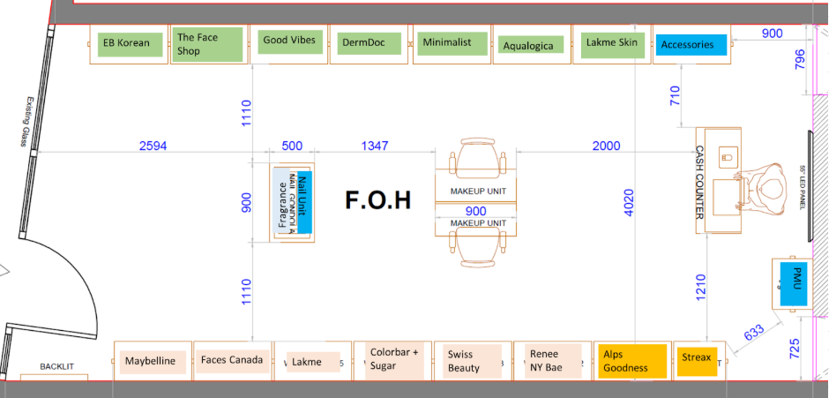
Revised
Salm
TFS
GV
DermDoc
Minimalist
Aqualogica
Foxtale
JC

Accessories

Maybelline
Faces
Lakme
Mars+
Nybae
Mens Care
Alps Goodness
Lo'real
Beauty Essentials

Current
EB
TFS
GV
DermDoc
Minimalist
Aqualogica
Pilgrim
D&K

Accessories

Maybelline
Faces
Lakme
Swiss + Renee
Mars+
Nybae
Alps Goodness
Lo'real
Beauty Essentials

