Sheet1
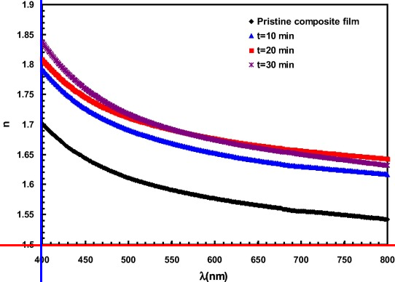
doi
file name | 1096gr4_axes.png
x-text
x-labels | 450 | 500 | 550 | 600 | 650 | 700 | 750 | 800
y-text | ء
y-labels | 1.9 | 1.85 | 1.8 | 1.75 | 1.7 | 1.65 | 1.6 | 1.55
legends | Pristine composite film | t=10 min | t=20 min | t=30 min

 | 450 | 500 | 550 | 600 | 650 | 700 | 750 | 800
Pristine composite film | 0 | 0 | 0 | 0 | 0 | 0 | 0 | 0
t=10 min | 0 | 0 | 0 | 0 | 0 | 0 | 0 | 0
t=20 min | 0 | 0 | 0 | 0 | 0 | 0 | 0 | 0
t=30 min | 0 | 0 | 0 | 0 | 0 | 0 | 0 | 0

