ER Diagrams
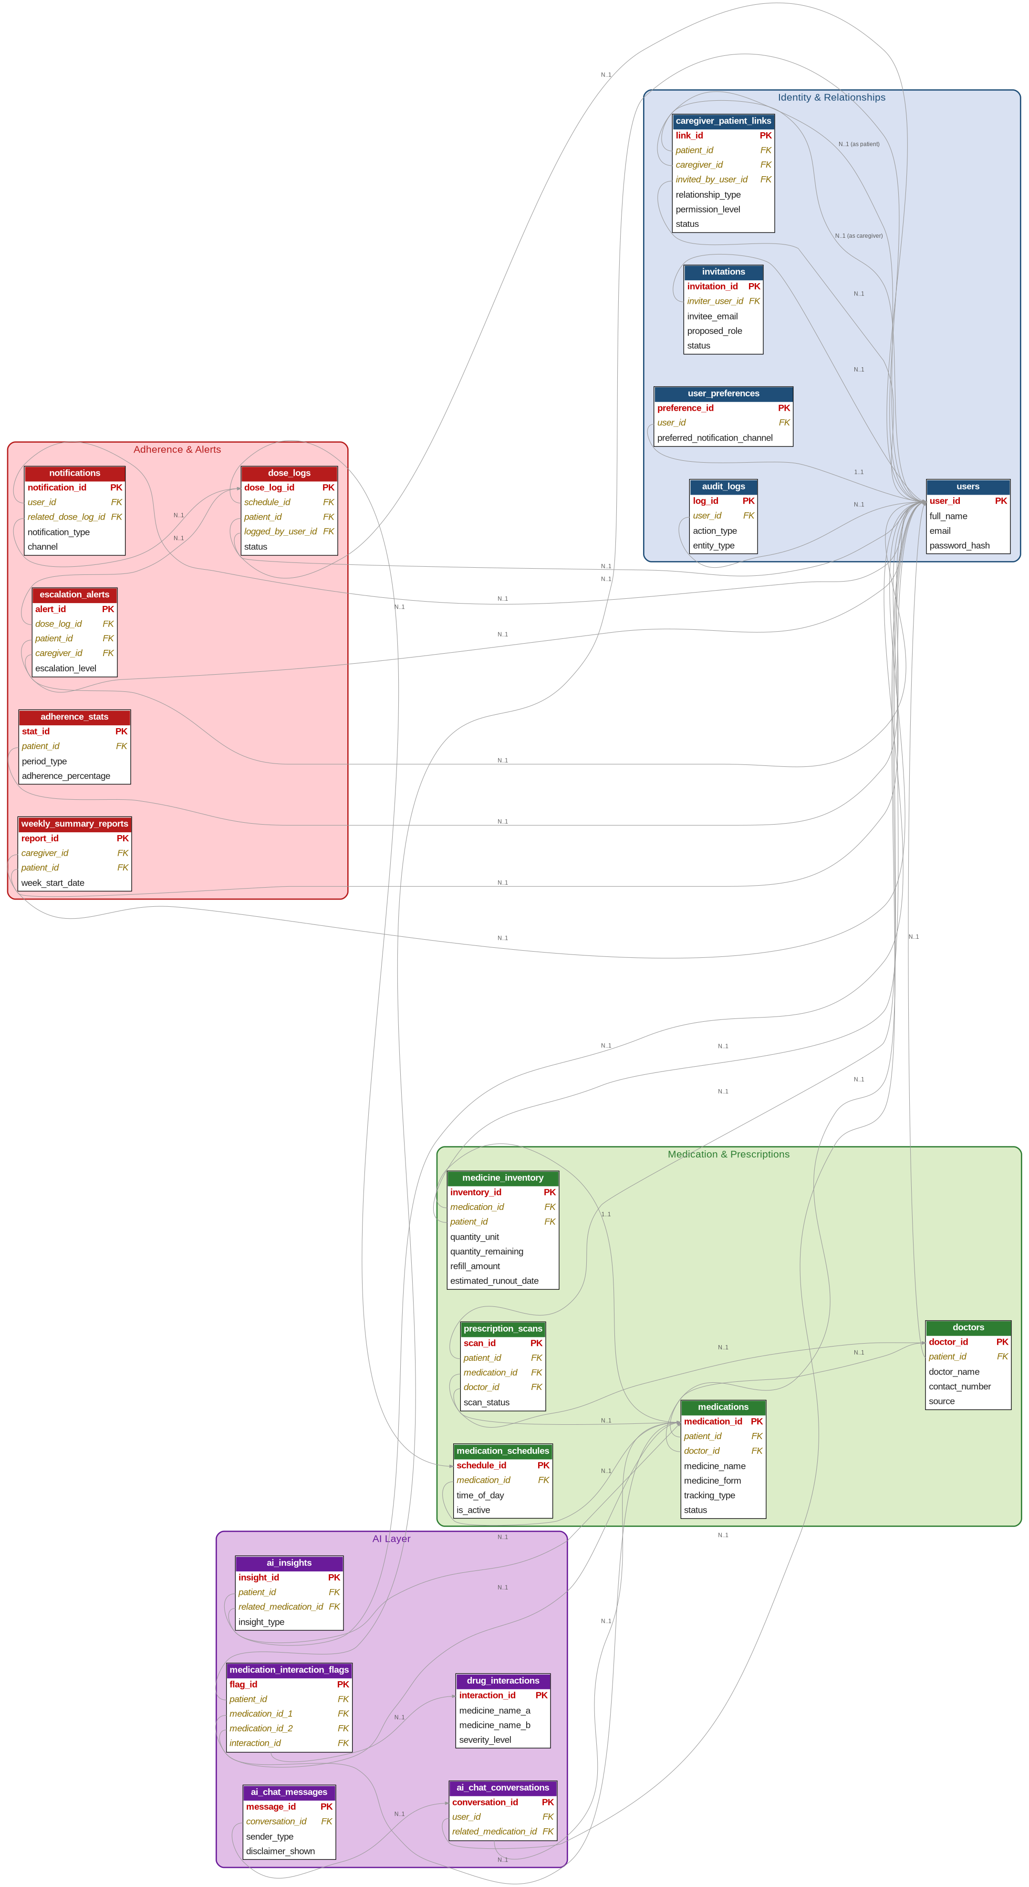
MediTrack — Entity Relationship Diagrams (Website)

 | 1. Core Relationship Model — how one account can be Patient AND Caregiver
 | This zoomed-in view shows the piece your mentor's task cares about most: users has no fixed 'role' column. A role only exists inside a caregiver_patient_links row, so the same user_id can sit in the patient_id column of one row and the caregiver_id column of another — at the same time, or starting/ending at different times.

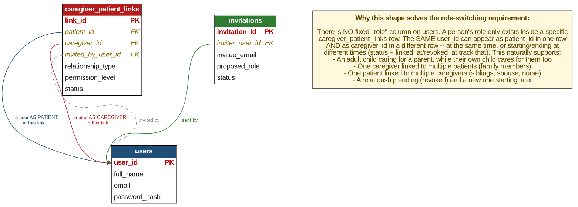

 | 2. Full Database Schema — all 20 tables, grouped by domain
 | Tables are color-clustered by domain (Identity & Relationships, Medication & Prescriptions, Adherence & Alerts, AI Layer) with PK fields in red and FK fields in amber italics. Every line traces a foreign key back to its referenced table — 'users' is the natural hub since almost every domain ultimately ties back to a person.

