Sheet11
Bug 1
Version: 1.18.2 Precondition: User is on Signup page Steps to Replicate: 1. Tap on Sign up with Facebook button Actual result : “Feature unavailable: Facebook Login is currently unavailable for this app” message is displayed Expected output : App should be logged in with facebook
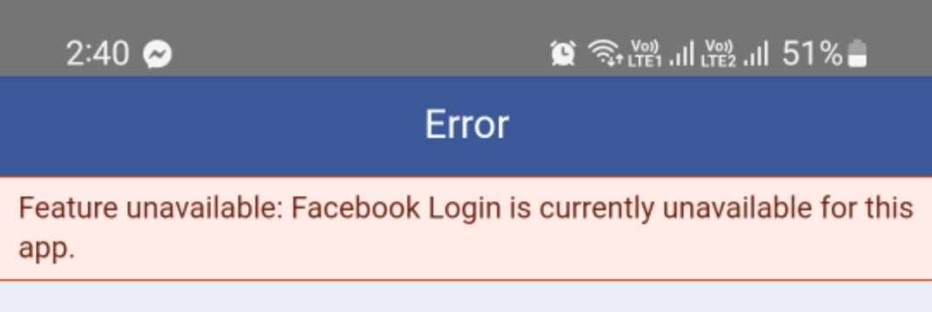

Bug 2
Version: 1.18.2

Precondition: User is on Signup page

Steps to Replicate:
1. Enter the first name
2. Enter the last name
3. Enter the Unexist email
4. Enter the password
5. Click on Create Account button

Actual result :
User is able to create account successfully

Expected output :
Error message " email is not exist" message should be displayed

