Beginner
BASIC CLEANING: - Dates are in a recognizable format (e.g., 1/1/2023) - Numbers (like Sales) are properly formatted (currency or number) - Categorical values (like Brand, Region) are consistent

Sales per Month
 | Month | SUM of Total Sales
 | 1 | $510,750
 | 2 | $484,975
 | 3 | $483,530
 | 4 | $494,888
 | 5 | $673,573
 | 6 | $903,838
 | 7 | $1,041,438
 | 8 | $945,275
 | 9 | $681,000
 | 10 | $623,375
 | 11 | $795,613
 | 12 | $1,045,775
 | Grand Total | $8,684,028

Sales by Region

 | Region | SUM of Total Sales
 | Midwest | $1,150,110
 | Northeast | $1,788,348
 | South | $1,291,535
 | Southeast | $1,618,935
 | West | $2,835,100
 | Grand Total | $8,684,028

Sales by Retailer

 | Retailer | SUM of Total Sales
 | BevCo | $1,291,535
 | DreamCo | $404,413
 | FizzySip | $2,584,450
 | Sodapop | $4,403,630
 | Grand Total | $8,684,028

Sales by Brand

 | Beverage Brand | SUM of Total Sales
 | Coca-Cola | $2,015,890
 | Dasani Water | $1,725,838
 | Diet Coke | $1,481,425
 | Fanta | $1,031,650
 | Powerade | $1,193,638
 | Sprite | $1,235,588
 | Grand Total | $8,684,028

Units Sold per Brand

 | Beverage Brand | SUM of Units Sold
 | Coca-Cola | 4,133,250
 | Dasani Water | 3,000,250
 | Diet Coke | 3,001,500
 | Fanta | 2,191,250
 | Powerade | 2,120,750
 | Sprite | 2,701,250

Intermediate
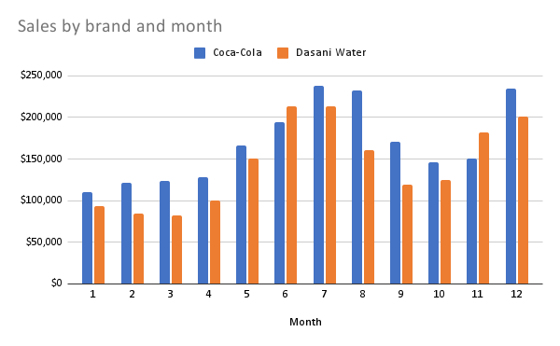

SUM of Total Sales | Beverage Brand
Month | Coca-Cola | Dasani Water | Diet Coke | Fanta | Powerade | Sprite
1 | $110,013 | $93,663 | $94,113 | $58,700 | $77,350 | $76,913
2 | $121,250 | $84,950 | $80,150 | $53,875 | $73,138 | $71,613
3 | $123,668 | $82,525 | $85,575 | $55,063 | $63,075 | $73,625
4 | $128,250 | $99,988 | $79,113 | $53,963 | $64,225 | $69,350
5 | $166,373 | $150,300 | $103,350 | $76,163 | $85,088 | $92,300
6 | $193,825 | $213,388 | $140,500 | $110,500 | $116,975 | $128,650
7 | $237,588 | $212,825 | $174,188 | $119,838 | $146,750 | $150,250
8 | $232,600 | $161,063 | $179,900 | $107,463 | $119,500 | $144,750
9 | $170,738 | $119,563 | $131,188 | $76,763 | $91,400 | $91,350
10 | $146,575 | $125,088 | $113,700 | $72,838 | $83,025 | $82,150
11 | $150,788 | $181,900 | $118,613 | $111,125 | $127,850 | $105,338
12 | $234,225 | $200,588 | $181,038 | $135,363 | $145,263 | $149,300

Sales by brand and region

SUM of Total Sales | Beverage Brand
Region | Coca-Cola | Dasani Water | Diet Coke | Fanta | Powerade | Sprite
Midwest | $344,528 | $243,063 | $178,675 | $103,238 | $147,175 | $133,433
Northeast | $498,158 | $357,713 | $277,050 | $188,863 | $242,875 | $223,690
South | $248,023 | $267,838 | $231,450 | $165,750 | $171,050 | $207,425
Southeast | $375,483 | $319,663 | $253,100 | $198,750 | $262,775 | $209,165
West | $549,700 | $537,563 | $541,150 | $375,050 | $369,763 | $461,875

Monthly sales trend by Beverage Brand

SUM of Units Sold | Beverage Brand
Month | Coca-Cola | Dasani Water | Diet Coke | Fanta | Powerade | Sprite
1 | 313,000 | 236,750 | 243,000 | 159,500 | 162,500 | 233,000
2 | 339,250 | 224,500 | 201,750 | 144,750 | 152,500 | 211,500
3 | 330,750 | 199,000 | 203,000 | 136,750 | 128,500 | 206,250
4 | 320,750 | 213,000 | 187,750 | 141,000 | 127,500 | 185,750
5 | 342,250 | 254,500 | 219,000 | 171,000 | 160,750 | 207,500
6 | 378,000 | 312,500 | 271,750 | 218,750 | 196,250 | 247,500
7 | 409,500 | 313,250 | 301,500 | 224,250 | 238,250 | 275,750
8 | 390,250 | 265,750 | 306,000 | 214,500 | 205,750 | 271,750
9 | 332,750 | 225,500 | 260,500 | 176,000 | 177,000 | 205,500
10 | 296,500 | 215,750 | 243,750 | 161,000 | 156,250 | 180,000
11 | 304,000 | 257,750 | 257,250 | 210,250 | 195,000 | 218,250
12 | 376,250 | 282,000 | 306,250 | 233,500 | 220,500 | 258,500

Advanced
SUM of Units Sold | Region | Beverage Brand
 | Midwest Total | Northeast Total | South Total | Southeast Total | West Total
Month
1 | 235,000 | 271,000 | 242,000 | 278,500 | 321,250
2 | 219,500 | 261,000 | 218,500 | 266,750 | 308,500
3 | 203,650 | 243,350 | 207,600 | 245,900 | 303,750
4 | 182,750 | 234,000 | 220,000 | 243,000 | 296,000
5 | 208,900 | 283,100 | 262,100 | 266,400 | 334,500
6 | 254,000 | 324,250 | 289,000 | 291,250 | 466,250
7 | 288,000 | 344,750 | 319,000 | 313,750 | 497,000
8 | 268,250 | 319,250 | 298,750 | 305,000 | 462,750
9 | 222,750 | 262,750 | 248,250 | 272,750 | 370,750
10 | 193,500 | 239,750 | 217,500 | 256,250 | 346,250
11 | 227,150 | 282,350 | 250,600 | 265,400 | 417,000
12 | 279,500 | 329,000 | 291,500 | 299,500 | 477,500

Sales trend for region by Brand

Retailer | Beverage Brand | SUM of Units Sold
BevCo Total |  | 3,064,800
DreamCo Total |  | 820,500
Sum of Units sold by Retailer and Beverage Brand
 | Beverage Brand | SUM of Units Sold
BevCo Total |  | 3,064,800
DreamCo Total |  | 820,500
FizzySip Total |  | 4,109,000
Sodapop Total |  | 9,153,950
FizzySip Total |  | 4,109,000
Sodapop Total |  | 9,153,950

