History-Forecast
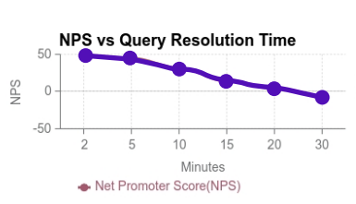
Analysis for Drone Delivery System
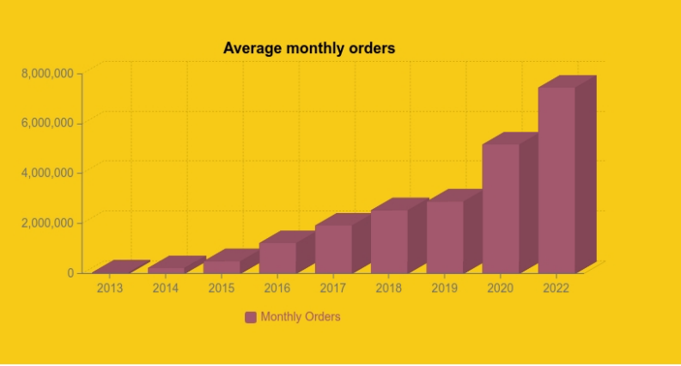
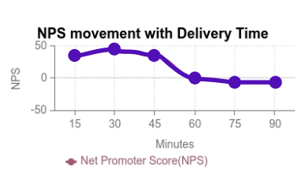
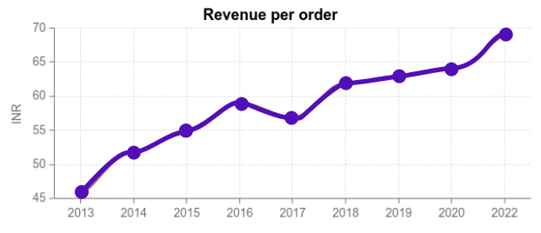

 |  |  |  |  |  |  |  |  |  | Distribution | KMS | Order Distribution | Day of week
 |  |  |  |  |  |  |  |  |  | 40% | <=3 | 12% | Mon
 |  |  |  |  |  |  |  |  |  | 35% | 4 | 12% | Tue

 |  |  |  |  |  |  |  | Delivery Time | NPS | 20% | 5 | 13% | Wed
Year | Average monthly orders | Revenue per month | Revenue per year | Year | Revenue per order | Query Resolution Time | NPS | 15 | 30 | 5% | 6 | 13% | Thu
2013 | 125,000 | 5,625,000 | 67,500,000 | 2013 | 45 | 2 | 50 | 30 | 45 | 0% | 7 | 14% | Fri
2014 | 250,000 | 13,000,000 | 156,000,000 | 2014 | 52 | 5 | 40 | 45 | 30 | 0% | 8 | 17% | Sat
2015 | 500,000 | 27,500,000 | 330,000,000 | 2015 | 55 | 10 | 25 | 60 | 0 | 0% | 9 | 19% | Sun
2016 | 1,500,000 | 88,500,000 | 1,062,000,000 | 2016 | 59 | 15 | 10 | 75 | -10
2017 | 2,000,000 | 114,000,000 | 1,368,000,000 | 2017 | 57 | 20 | 0 | 90 | -10 | 95% | <5
2018 | 2,500,000 | 155,000,000 | 1,860,000,000 | 2018 | 62 | 30 | -10
2019 | 3,000,000 | 189,000,000 | 2,268,000,000 | 2019 | 63
2020 | 5,500,000 | 352,000,000 | 4,224,000,000 | 2020 | 64
2021 | 6,500,000 | 442,000,000 | 5,304,000,000 | 2021 | 68
2022 | 7,500,000 | 517,500,000 | 6,210,000,000 | 2022 | 69
2023 | 7,608,333 | 550,843,333 | 6,610,120,000 | 2023 | 72
2024 | 8,457,576 | 632,319,118 | 7,587,829,421 | 2024 | 75
2025 | 9,306,818 | 717,809,504 | 8,613,714,050 | 2025 | 77
2026 | 10,156,061 | 807,314,490 | 9,687,773,884 | 2026 | 79
2027 | 11,005,303 | 900,834,077 | 10,810,008,926 | 2027 | 82
2028 | 11,854,545 | 998,368,264 | 11,980,419,174 | 2028 | 84
2029 | 12,703,788 | 1,099,917,052 | 13,199,004,628 | 2029 | 87
2030 | 13,553,030 | 1,205,480,441 | 14,465,765,289 | 2030 | 89
2031 | 14,402,273 | 1,315,058,430 | 15,780,701,157 | 2031 | 91
2032 | 15,251,515 | 1,428,651,019 | 17,143,812,231 | 2032 | 94
2033 | 16,100,758 | 1,546,258,209 | 18,555,098,512 | 2033 | 96
2034 | 16,950,000 | 1,667,880,000 | 20,014,560,000 | 2034 | 98

