Public Holiday
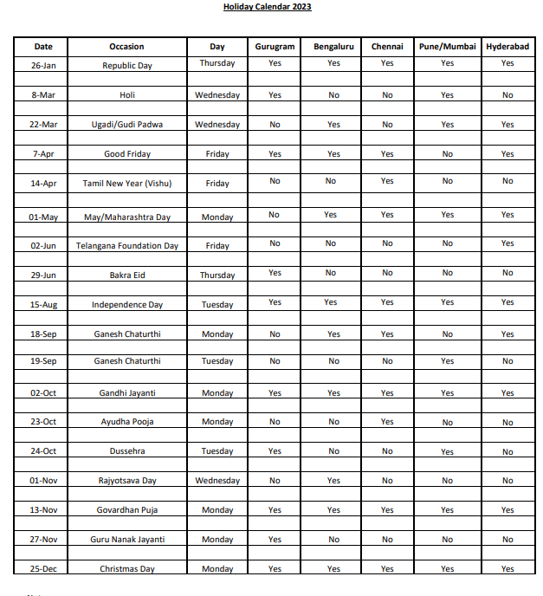
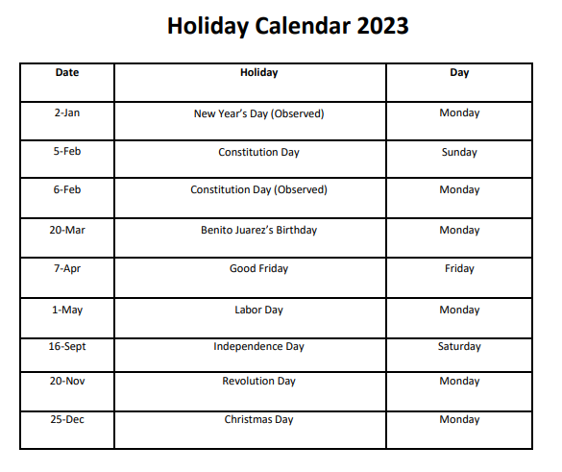
Date | Occasion | Day | Gurgaon | Bengaluru | Chennai | Pune/Mumbai | Hyderabad | Mexico

2022-01-02 | New Year’s Day (Observed) | Monday | No | No | No | No | No | Yes

2022-01-26 | Republic Day | Thursday | Yes | Yes | Yes | Yes | Yes | No

2022-02-05 | Constitution Day | Sunday | No | No | No | No | No | Yes

2022-02-06 | Constitution Day (Observed) | Monday | No | No | No | No | No | Yes

2022-03-08 | Holi | Wednesday | Yes | No | No | Yes | No | No

2022-03-20 | Benito Juarez’s Birthday | Monday | No | No | No | No | No | Yes

2022-03-22 | Ugadi/Gudi Padwa | Wednesday | No | Yes | No | Yes | Yes | No

2022-04-07 | Good Friday | Friday | Yes | Yes | Yes | Yes | Yes | Yes

2022-04-14 | Tamil New Year (Vishu) | Friday | No | No | Yes | No | No | No

2022-05-01 | May/Maharashtra Day/Labour Day | Monday | No | Yes | Yes | Yes | Yes | Yes

2022-06-02 | Telangana Foundation Day | Friday | No | No | No | No | Yes | No

2022-06-29 | Bakra Eid | Thursday | Yes | No | No | No | No | No

2022-08-15 | Independence Day | Tuesday | Yes | Yes | Yes | Yes | Yes | No

2022-09-16 | Independence Day | Saturday | No | No | No | No | No | Yes

2022-09-18 | Ganesh Chaturthi | Monday | No | Yes | Yes | No | Yes | No

2022-09-19 | Ganesh Chaturthi | Tuesday | No | No | No | Yes | No | No

2022-10-02 | Gandhi Jayanti | Monday | Yes | Yes | Yes | Yes | Yes | No

2022-10-23 | Ayudha Pooja | Monday | No | No | Yes | No | No | No

2022-10-24 | Dussehra | Tuesday | Yes | No | No | Yes | No | No

2022-11-01 | Rajyotsava Day | Wednesday | No | Yes | No | No | No | No

2022-11-13 | Govardhan Puja | Monday | Yes | Yes | Yes | Yes | Yes | No

2022-11-20 | Revolution Day | Monday | No | No | No | No | No | Yes

2022-11-27 | Guru Nanak Jayanti | Monday | Yes | No | No | No | No | No

2022-12-25 | Christmas Day | Monday | Yes | Yes | Yes | Yes | Yes | Yes

 |  | Holiday Calendar (India) |  |  |  |  |  |  | Holiday Calendar (Mexico)

