Claude basics
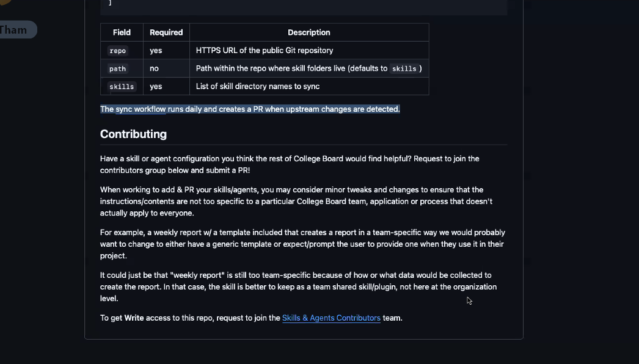

Prompt engineering guide: docs.anthropic.com/en/docs/build-with-claude/prompt-engineering/overview

System prompts: docs.anthropic.com/en/docs/build-with-claude/prompt-engineering/system-prompts

https://agentskills.io/skill-creation/best-practices

invoke it directly via the Agent tool with subagent_type: "jira-test-enhancer"

Writing effective descriptions
Before testing, it helps to know what a good description looks like. A few principles:

Use imperative phrasing. Frame the description as an instruction to the agent: “Use this skill when…” rather than “This skill does…” The agent is deciding whether to act, so tell it when to act.
Focus on user intent, not implementation. Describe what the user is trying to achieve, not the skill’s internal mechanics. The agent matches against what the user asked for.
Err on the side of being pushy. Explicitly list contexts where the skill applies, including cases where the user doesn’t name the domain directly: “even if they don’t explicitly mention ‘CSV’ or ‘analysis.’”
Keep it concise. A few sentences to a short paragraph is usually right — long enough to cover the skill’s scope, short enough that it doesn’t bloat the agent’s context across many skills. The specification enforces a hard limit of 1024 characters.

Eval queries for jira-test-enhancer
Enhance my test cases at C:\2026\Fall 2026\BST CRA Regression Suite.xlsx using DAPI-31678
Enhance test cases at C:\2026\Fall 2026\BST CRA Regression Suite.xlsx using DAPI-31678 and DAPI-31679
Enhance my test cases at C:\2026\Fall 2026\BST CRA Regression Suite.xlsx using DAPI-31678 - 2nd execution
Enhance test cases in C:\path\to\TestCases.md using SAT-1234

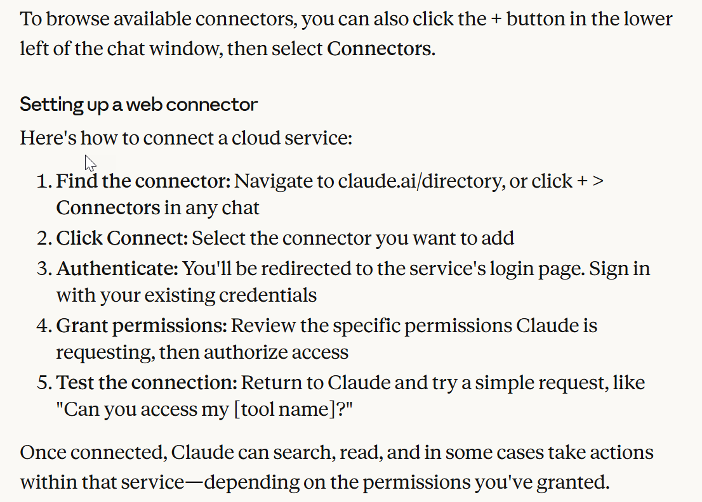

When to use Claude Code:
You want to build features by describing what you need in plain English, and have Claude write the code, run tests, and create commits
You need to debug issues by pasting error messages and having Claude analyze your codebase to identify and fix problems
You're navigating an unfamiliar codebase and want to ask questions about how different parts work together
You want to automate tedious tasks like fixing lint errors, resolving merge conflicts, or writing release notes
You prefer working in your terminal alongside your existing IDE and development tools rather than switching to a separate interface

When to use Claude in Slack:
You want to draft responses to messages, summarize lengthy threads, or break down complex discussions without leaving Slack
You need to prepare for meetings by having Claude pull together relevant conversations and shared documents from your workspace
You're onboarding to a new team and want help understanding ongoing projects by reviewing channel history
You want to hand off coding tasks directly from a bug report or feature discussion—just tag @Claude and it can spin up a Claude Code session using the surrounding context
You need to quickly get answers about industry trends, technical concepts, or company information during a conversation

When to use Claude for Excel:
You're working with a complex multi-tab workbook and want to understand how specific formulas or calculation flows work across sheets
You need to update assumptions or inputs across your model while preserving formula dependencies and relationships
You're debugging spreadsheet errors like #REF!, #VALUE!, or circular references and want Claude to trace them to their source and suggest fixes
You want to create new spreadsheets or populate existing templates with data while maintaining proper formula structure
You need to quickly build pivot tables or charts to visualize your data

When to use Claude for PowerPoint:
You want to turn an outline, document, or set of notes into a first-draft slide deck without building each slide by hand
You need to rewrite or tighten slide copy — shortening bullets, adding speaker notes, or adjusting tone for a specific audience
You're restructuring an existing deck and want help reordering sections, splitting dense slides, or merging overlapping ones
You want consistent formatting applied across the deck — titles, bullet styles, and layouts — without manually fixing each slide
You'd like quick visual suggestions for a slide, such as which layout or chart type best fits the point you're making

When to use Claude for Chrome:
You want to summarize articles, research papers, or web pages while browsing
You need help drafting email responses or managing your inbox
You're filling out repetitive forms and want to automate the process
You want to test website features or navigate multi-step workflows without manually clicking through each step
You need a browsing assistant that maintains context as you move between tabs and tasks. This makes it great for pulling context from niche internal tools, CRMs, or dashboards.

Important note: Claude for Chrome is currently in research preview. Anthropic recommends using it for low-risk tasks on trusted websites. The extension asks for permission before taking high-risk actions like purchasing or sharing personal data, and certain categories of websites (financial services, adult content) are blocked by default.

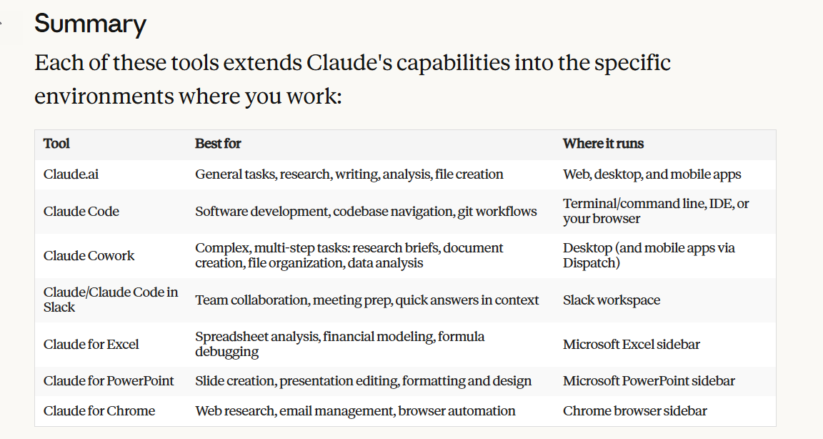

# CLAUDE.md
Behavioral guidelines to reduce common LLM coding mistakes. Merge with project-specific instructions as needed.
*Tradeoff:* These guidelines bias toward caution over speed. For trivial tasks, use judgment.

## 1. Think Before Coding
*Don't assume. Don't hide confusion. Surface tradeoffs.*
Before implementing:
State your assumptions explicitly. If uncertain, ask.
If multiple interpretations exist, present them - don't pick silently.
If a simpler approach exists, say so. Push back when warranted.
If something is unclear, stop. Name what's confusing. Ask.

## 2. Simplicity First
*Minimum code that solves the problem. Nothing speculative.*
No features beyond what was asked.
No abstractions for single-use code.
No "flexibility" or "configurability" that wasn't requested.
No error handling for impossible scenarios.
If you write 200 lines and it could be 50, rewrite it.
Ask yourself: "Would a senior engineer say this is overcomplicated?" If yes, simplify.

## 3. Surgical Changes
*Touch only what you must. Clean up only your own mess.*
When editing existing code:
Don't "improve" adjacent code, comments, or formatting.
Don't refactor things that aren't broken.
Match existing style, even if you'd do it differently.
If you notice unrelated dead code, mention it - don't delete it.
When your changes create orphans:
Remove imports/variables/functions that YOUR changes made unused.
Don't remove pre-existing dead code unless asked.
The test: Every changed line should trace directly to the user's request.

## 4. Goal-Driven Execution
*Define success criteria. Loop until verified.*
Transform tasks into verifiable goals:
"Add validation" → "Write tests for invalid inputs, then make them pass"
"Fix the bug" → "Write a test that reproduces it, then make it pass"
"Refactor X" → "Ensure tests pass before and after"
For multi-step tasks, state a brief plan:
1. [Step] → verify: [check]
2. [Step] → verify: [check]
3. [Step] → verify: [check]
Strong success criteria let you loop independently. Weak criteria ("make it work") require constant clarification.

## 5. Human-Readable Code
*Write for the developer reading it next, not the machine running it.*
Name things clearly. A variable called filteredActiveUsers beats fau or even result.
Don't be clever. If it takes more than a few seconds to parse, rewrite it plainly.
Prefer straightforward control flow over compact one-liners that obscure intent.
Break long expressions into named intermediate variables — the name documents intent.
Avoid abbreviations unless they're universal in the domain (e.g., req, res, id).
Function names should describe what they do, not how: getUsersWithExpiredTokens, not processUsers.
If you find yourself writing a comment to explain what the code does, that's a signal to rename or restructure instead.
Ask yourself: "Could a developer unfamiliar with this file review it in a PR without asking questions?" If no, simplify.

---

## Stack defaults (apply unless the project overrides)
*Language*: TypeScript, strict mode assumed. Prefer unknown over any. No // @ts-ignore without a comment explaining why.
*Runtime*: Node.js on AWS Lambda. Assume ESM unless package.json says otherwise.
*IaC*: AWS CDK (TypeScript) or Serverless Framework. Never edit cdk.out/, .serverless/, or node_modules/.
*Package manager*: Detect from lockfile (pnpm-lock.yaml → pnpm, package-lock.json → npm, yarn.lock → yarn). Do not switch managers.
*AWS SDK*: v3 (@aws-sdk/client-*). Flag v2 usage as legacy.
*Testing*: Match existing framework (vitest, jest, node:test). Don't introduce a new one.
*Secrets*: Never read or echo .env*, secrets/, *.pem, or credentials.json. Never log AWS credentials.

## AWS-specific guardrails
Mutating AWS commands (aws * create|update|delete|put, cdk deploy|destroy, serverless deploy|remove) require explicit confirmation in the same turn — never chain them after a previous approval.
Before cdk deploy, always run cdk diff and surface the output.
Before serverless deploy, surface the --stage and --region you're targeting.
Treat any stack name containing prod, production, or live as production. Refuse to deploy or destroy without an explicit "yes, deploy to <stack name>" from me.

*These guidelines are working if:* fewer unnecessary changes in diffs, fewer rewrites due to overcomplication, and clarifying questions come before implementation rather than after mistakes.

Token Usage
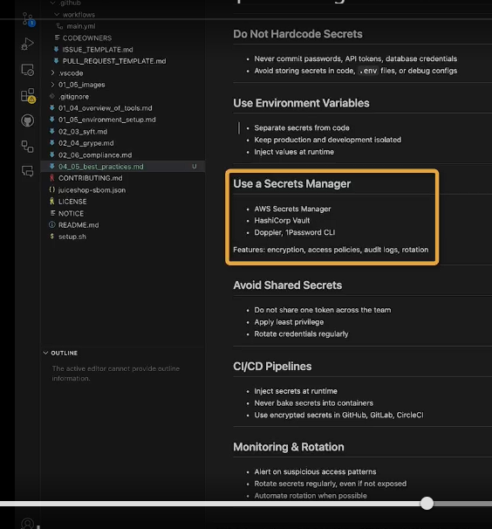
Token Usage

Reset history with /compact, /clear(so every Prompt will not use from the beginning of content)

Cache static Prefix

