Sheet1
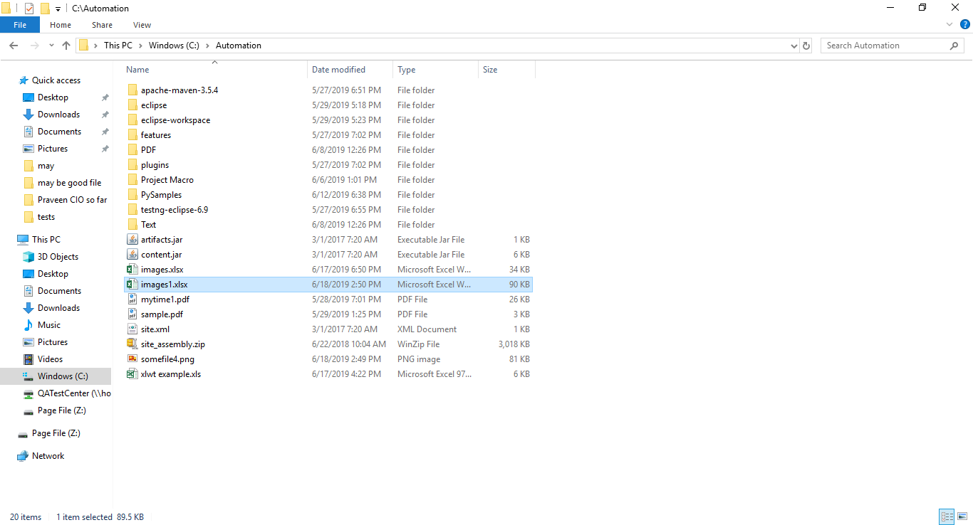
1
A for APPPLE | 2 | Insert an image in a cell:

