Fender_Rack
 | 2025 07 update |  |  | ○ Compatible | ╳ NOT compatible | – Accessory, only applicable to specific bike or situations
 |  | Fender |  |  |  |  |  |  |  |  |  |  |  |  |  |  |  |  |  |  |  |  |  | Rack
 | Item Description | GIANT SPEEDSHIELD RGX 45 FENDER | GIANT SPEEDSHIELD RGX 38 FENDER | RGX SEAT TUBE MOUNTING KIT | GIANT SPEEDSHIELD RGX 38 FENDER KIT FOR THRIVE | REVOLT FENDER SET | SPEEDSHIELD DEFY & CONTEND C CALIPER FENDER | SPEEDSHIELD DEFY & CONTEND DISC FENDER | SPEEDSHIELD RAPID & FASTROAD FENDER | SPEEDSHIELD 26 " | SPEEDSHIELD 700 TOUR | SPEEDSHIELD 700 TOUR ALLOY | GIANT TOUGHROAD 29 FENDER MATT BLACK COLOR | SPEEDSHIELD 700 TOUR CLIP-ON | SPEEDSHIELD 700 RACE CLIP-ON | GIANT PROGUARD ZIP BLACK | SPEEDSHIELD CLIP-ON FRONT FENDER | SPEEDSHIELD CLIP-ON REAR FENDER | MUDDER FX FENDERS | GIANT MIDGARD FSX FRONT FENDER | GIANT MIDGARD FSX REAR FENDER | GIANT MIDGARD FS FRONT FENDER | GIANT MIDGARD FS REAR FENDER | GIANT RACK-IT REAR | GIANT RACK-IT LITE REAR RACK | GIANT RACK-IT REAR RACK - MIK SYSTEM | GIANT RACK-IT METRO LITE REAR RACK - MIK SYSTEM | Giant Rack It Front Rack | GIANT DISC RACK, BLACK | 26 ALLOY REARRACK BLACK | GIANT DISC RACK WITH PUMP MOUNT, BLACK | REAR CARRIER 700C BLACK WITH PUMP MOUNT | GIANT RACK-IT [DISC] BLACK | RACK-IT TOUR | GIANT G-2 CLIP-ON SYSTEM ADAPTER KIT | QR CLAMP WITH RACK MOUNTING, 31.8 BLACK | QR CLAMP WITH RACK MOUNTING, 34.9 BLACK | INTERGRATED RACK MOUNT SEAT COLLAR, BLACK | INTERGRATED RACK MOUNT D-FUSE SEAT COLLAR, BLACK
 | SKU | 530000050 | 530000049 | 540000042 | 540000033 | 530000043 | 530000034 | 530000035 | 530000036 | 351202 | 351203 | 351205 | 530000015 | 351200 | 351201 | 530000030 | 530000008 | 530000009 | 350611 | 350703 | 350704 | 350705 | 350706 | 440000038 | 440000040 | 440000039 | 440000041 | 440000003 (71053) | 710601 | 710001 | 710611 | 710613 (711004) | 710933 (71033) | 711200 | 440000037 | 710603 | 710605 | 750570 | 150000053
 | Picture | 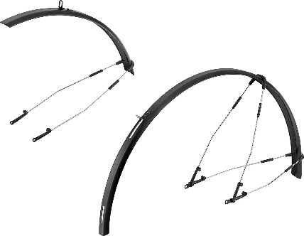 |  | 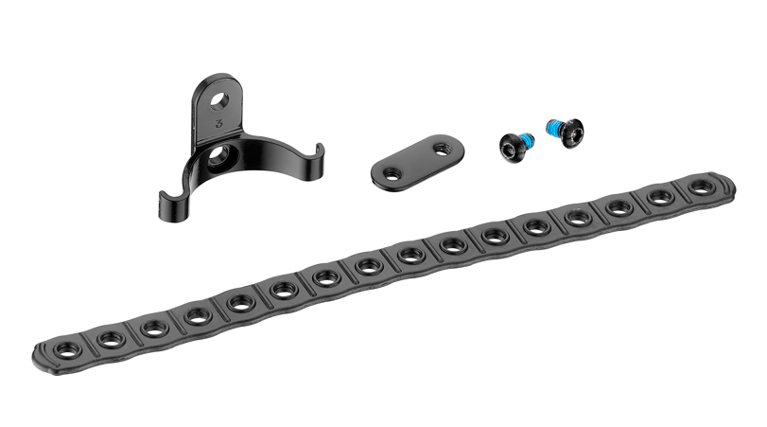 | 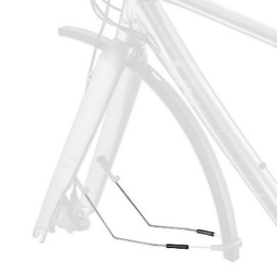 | 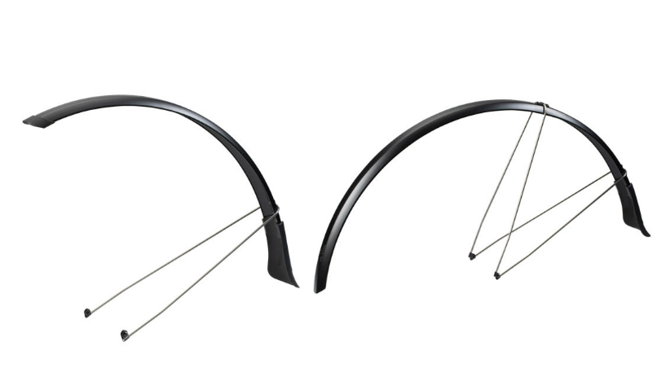 | 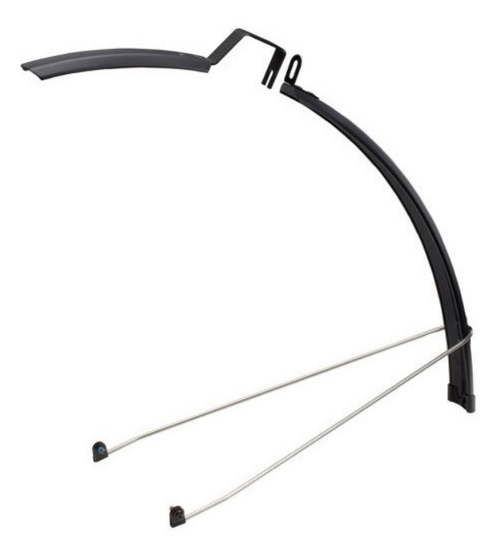 | 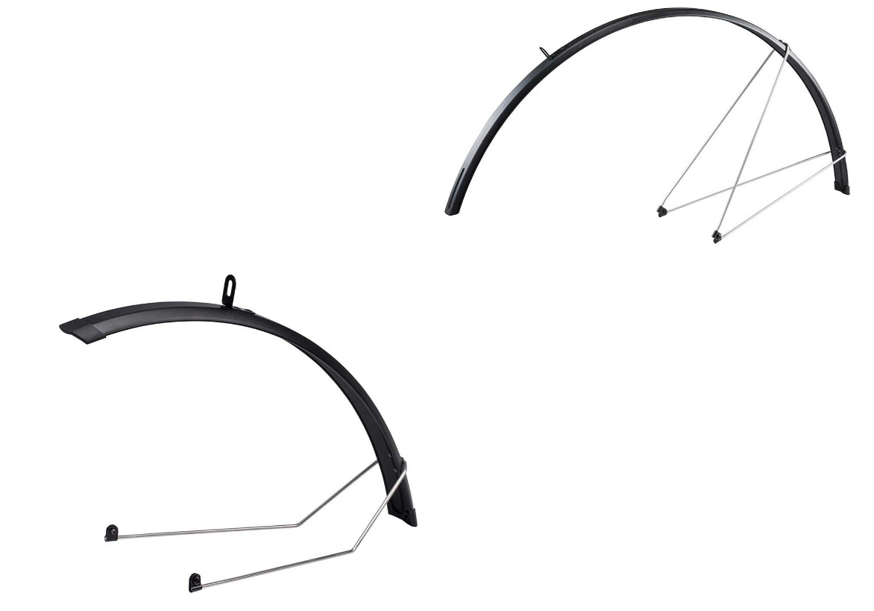 | 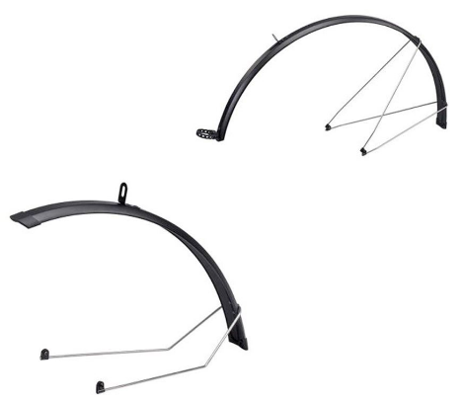 | 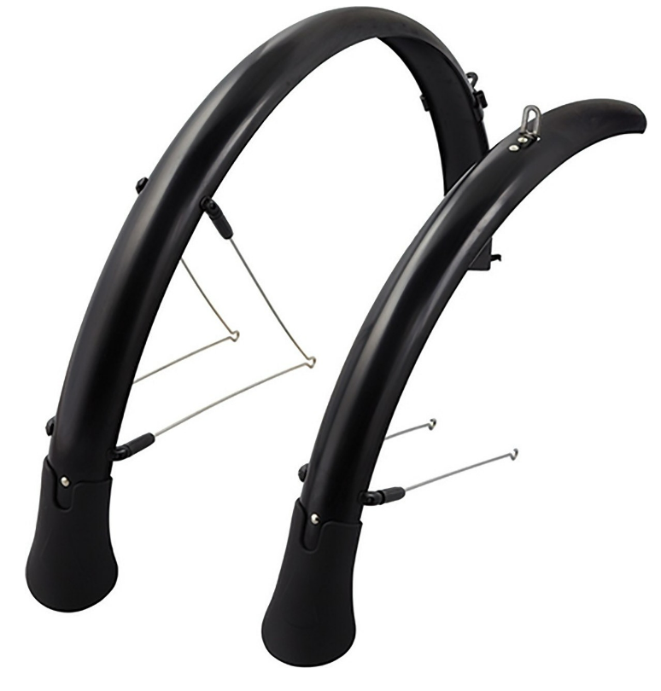 | 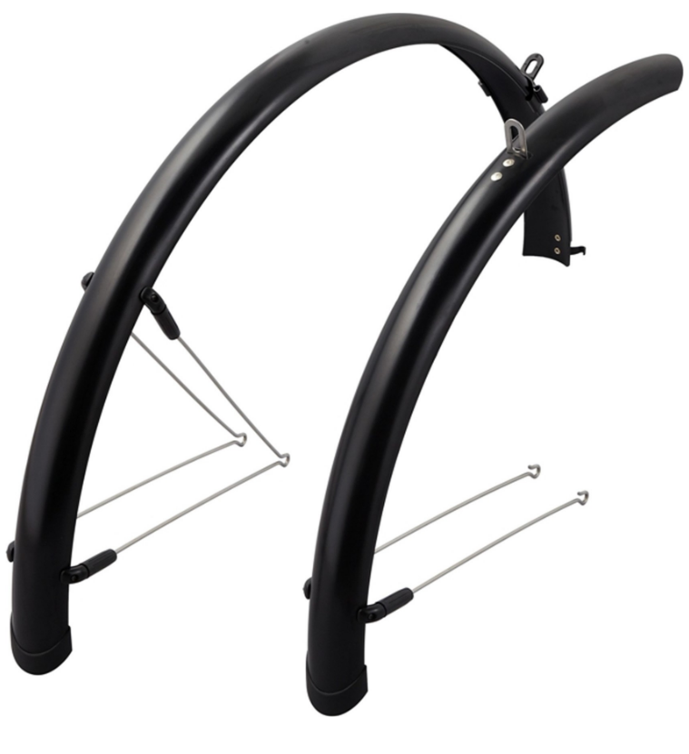 | 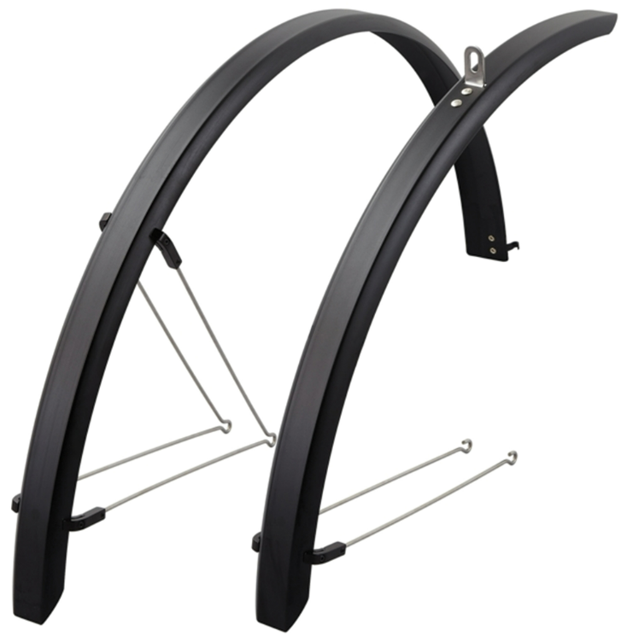 | 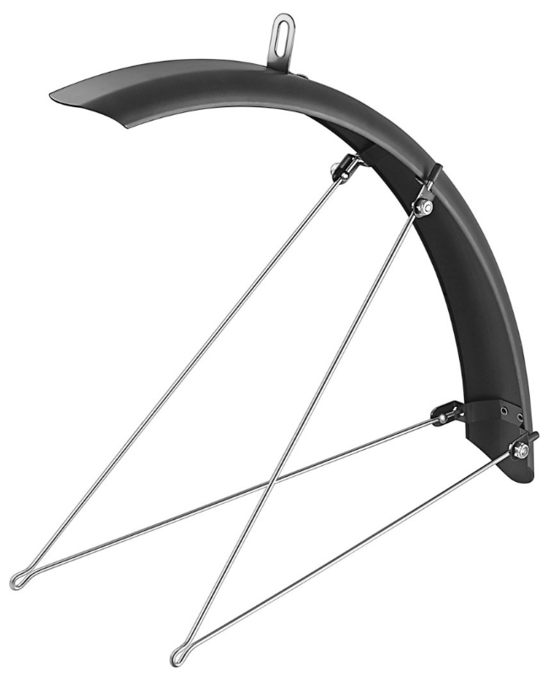 | 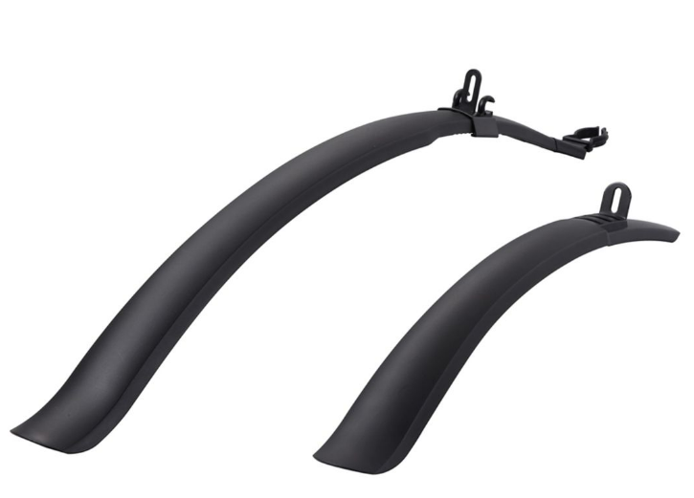 | 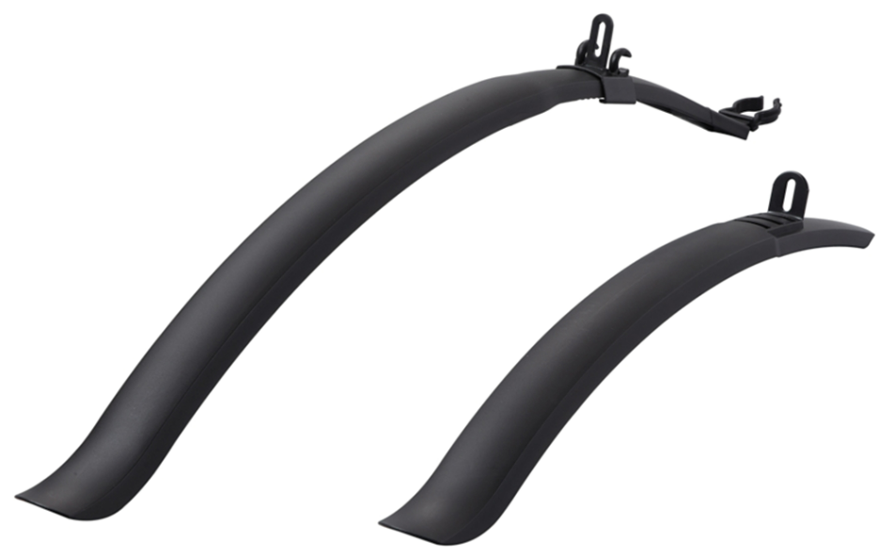 | 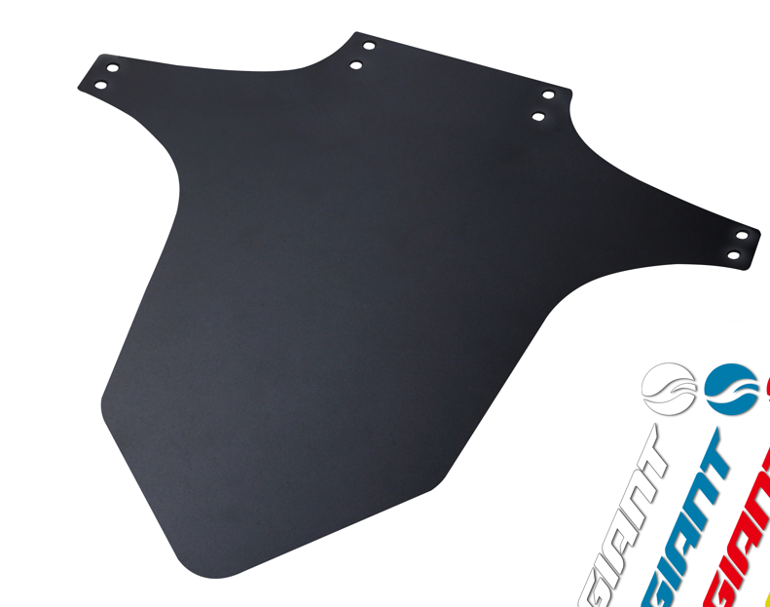 | 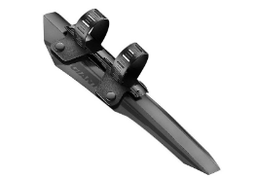 | 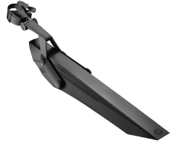 | 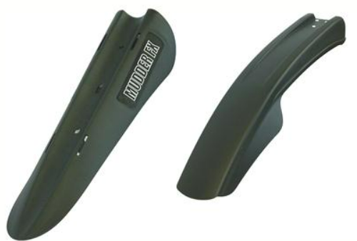 |  | 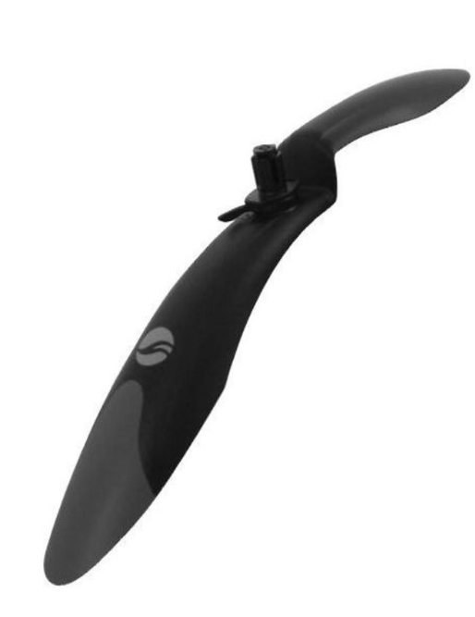 |  | 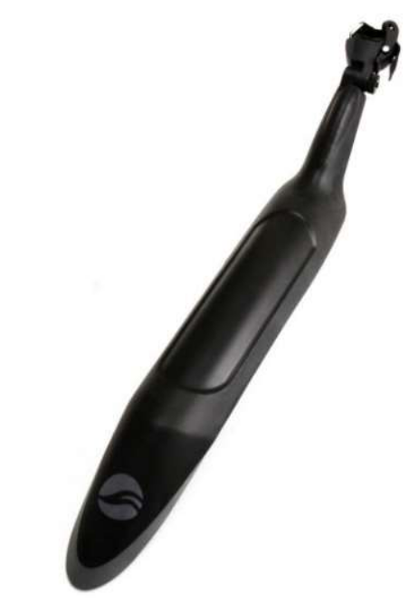 | 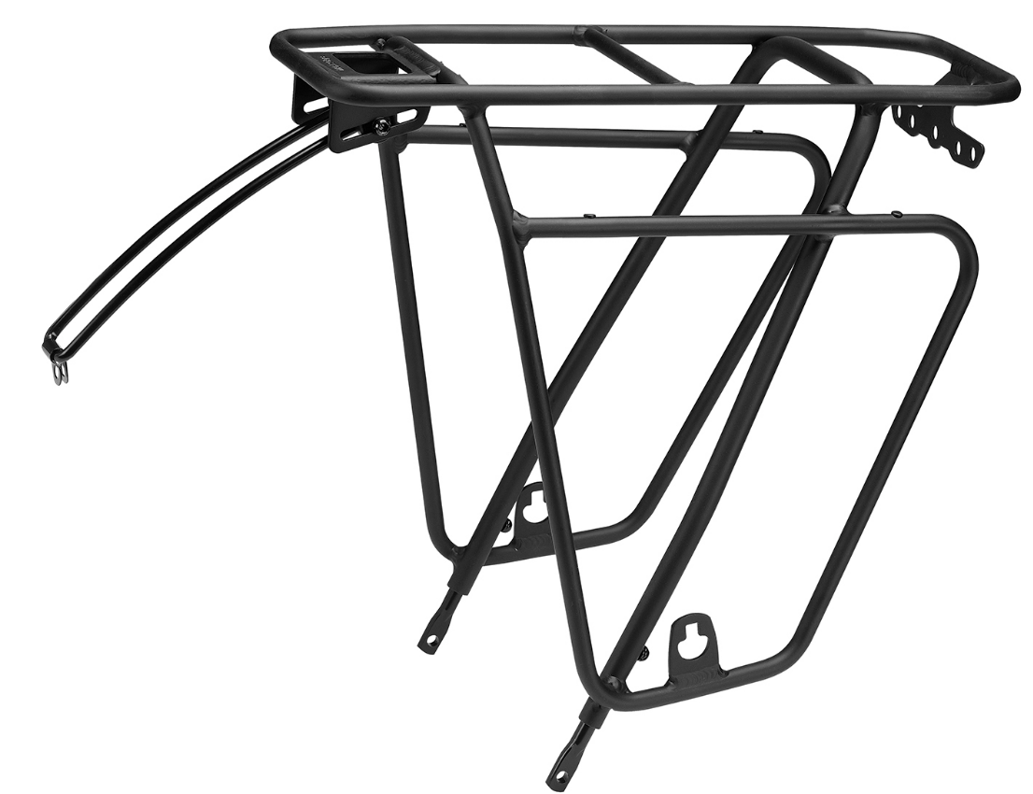 | 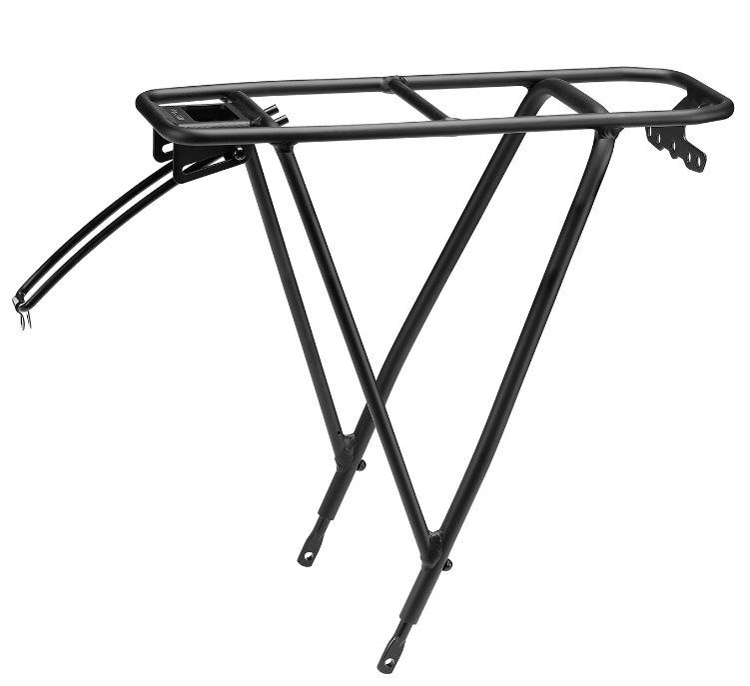 | 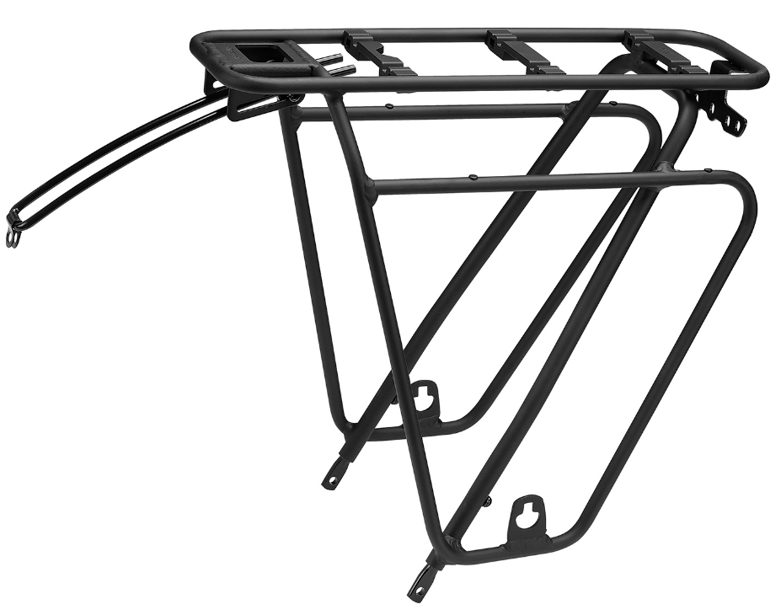 | 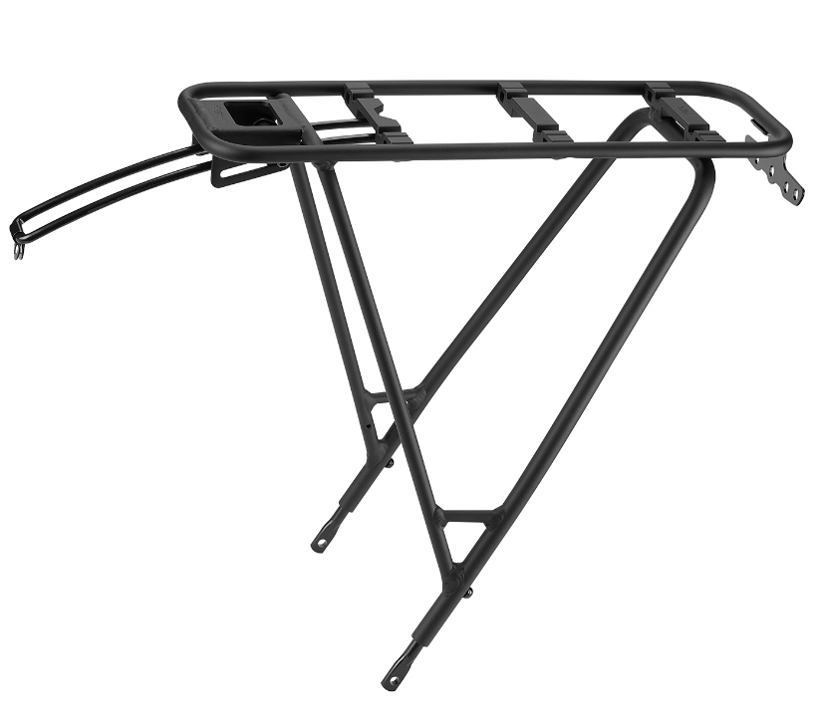 |  | 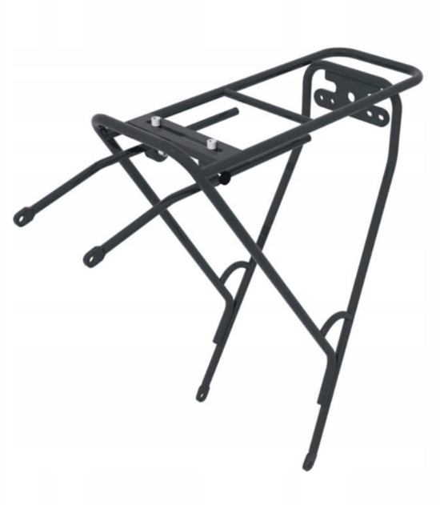 | 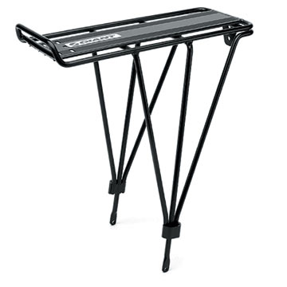 | 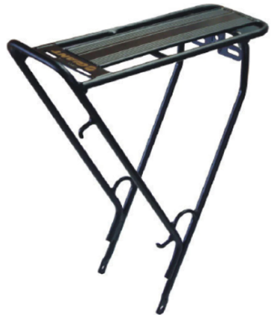 | 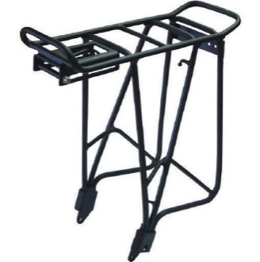 | 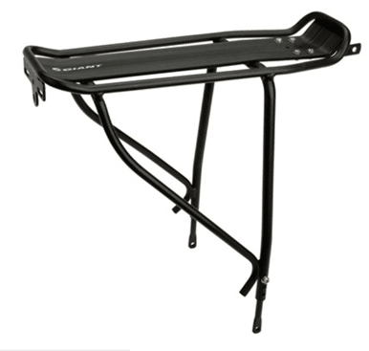 | 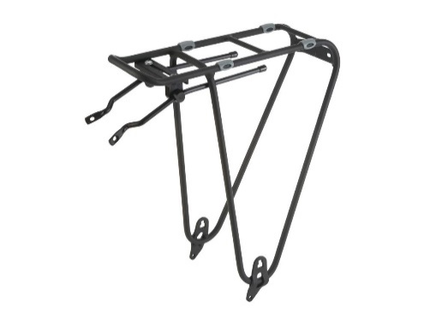 | 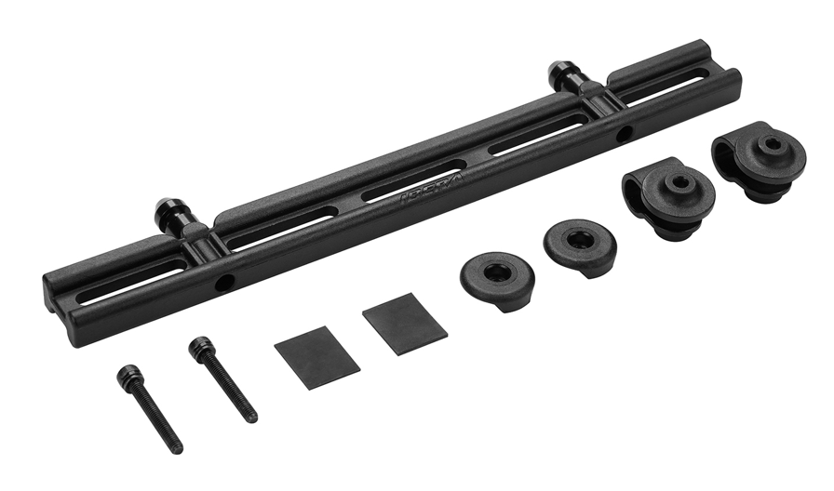 | 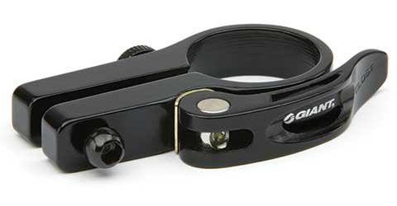 |  | 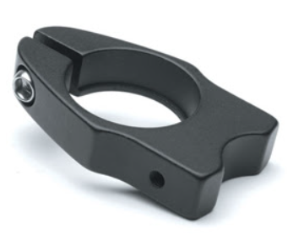 | 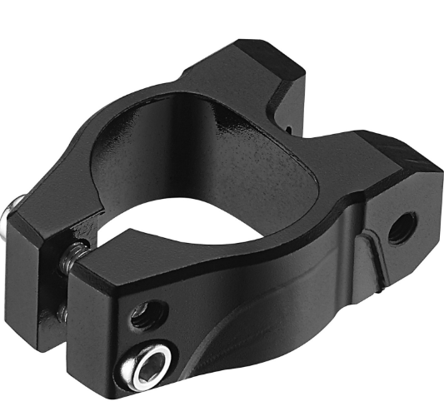
GIANT
 | ATX 27.5 | X | X | ­ | ­ | X | X | X | X | X | X | X | X | X | X | ○ | ○ | ○ | ○ | ○ | ○ | ○ | ○ | X | X | X | X | X | ○ | ○ | ○ | ○ | X | ○ | ­ | ­ | ­ | ­ | ­
 | Contend | X | X | ­ | ­ | X | X | X | X | X | X | X | X | X | X | ­ | ­ | ­ | ­ | ­ | ­ | ­ | ­ | ○ * need adapter | ○ * need adapter | ○ * need adapter | ○ * need adapter | X | ○ * need adapter | ○ * need adapter | ○ * need adapter | ○ * need adapter | X | ○ * need adapter | ­ | ­ | ­ | ­ | ­
 | Contend AR | X | X | ­ | ­ | X | X | X | X | X | X | X | X | X | X | ­ | ­ | ­ | ­ | ­ | ­ | ­ | ­ | ○ | ○ | ○ | ○ | X | ○ *need adapter | ○ *need adapter | ○ *need adapter | ○ *need adapter | X | ○ *need adapter | ­ | ­ | ­ | ­ | ­
 | Contend SL Disc | X | X | ­ | ­ | X | X | X | X | X | X | X | X | X | X | ­ | ­ | ­ | ­ | ­ | ­ | ­ | ­ | ○ | ○ | ○ | ○ | X | ○ * need adapter | ○ * need adapter | ○ * need adapter | ○ * need adapter | X | ○ * need adapter | ­ | ­ | ­ | ­ | ­
 | Cypress | X | X | ­ | ­ | X | X | X | X | X | X | X | X | X | X | ○ | ○ | ○ | ○ | ○ | ○ | ○ | ○ | ○ | ○ | ○ | ○ | X | ○ | ○ | ○ | ○ | X | ○ | ­ | ­ | ­ | ­ | ­
 | Defy Advanced | X | X | ­ | ­ | X | X | X | X | X | X | X | X | X | X | ­ | ­ | ­ | ­ | ­ | ­ | ­ | ­ | ○ | ○ | ○ | ○ | X | ○ * need adapter | ○ * need adapter | ○ * need adapter | ○ * need adapter | X | ○ * need adapter | ­ | ­ | ­ | ­ | ­
 | Defy Advanced Pro | X | X | ­ | ­ | X | X | X | X | X | X | X | X | X | X | ­ | ­ | ­ | ­ | ­ | ­ | ­ | ­ | ○ | ○ | ○ | ○ | X | ○ *need adapter | ○ *need adapter | ○ *need adapter | ○ *need adapter | X | ○ *need adapter | ­ | ­ | ­ | ­ | ­
 | Defy Advanced SL | X | X | ­ | ­ | X | X | X | X | X | X | X | X | X | X | ­ | ­ | ­ | ­ | ­ | ­ | ­ | ­ | ○ | ○ | ○ | ○ | X | ○ * need adapter | ○ * need adapter | ○ * need adapter | ○ * need adapter | X | ○ * need adapter | ­ | ­ | ­ | ­ | ­
 | Escape | ○ *need the seat tube strap moutning kit | X | ­ | ­ | X | X | X | X | X | X | X | X | X | X | ­ | ­ | ­ | ­ | ­ | ­ | ­ | ­ | ○ | ○ | ○ | ○ | X | ○ | ○ | ○ | ○ | X | ○ | ­ | ­ | ­ | ­ | ­
 | FastRoad | ○ *need the seat tube strap moutning kit | X | ­ | ­ | X | X | X | X | X | X | X | X | X | X | ­ | ­ | ­ | ­ | ­ | ­ | ­ | ­ | ○ | ○ | ○ | ○ | ○ | ○ * need adapter | ○ * need adapter | ○ * need adapter | ○ * need adapter | X | ○ * need adapter | ­ | ­ | ­ | ­ | ­
 | FastRoad Advanced | ○ *need the seat tube strap moutning kit | X | ­ | ­ | ○ | X | X | X | X | X | X | X | X | X | ­ | ­ | ­ | ­ | ­ | ­ | ­ | ­ | ○ | ○ | ○ | ○ | ○ | ○ *need adapter | ○ *need adapter | ○ *need adapter | ○ *need adapter | X | ○ *need adapter | ­ | ­ | ­ | ­ | ­
 | FastRoad AR | ○ *need the seat tube strap moutning kit | X | ­ | ­ | X | X | X | X | X | X | X | X | X | X | ­ | ­ | ­ | ­ | ­ | ­ | ­ | ­ | ○ | ○ | ○ | ○ | ○ | ○ * need adapter | ○ * need adapter | ○ * need adapter | ○ * need adapter | X | ○ * need adapter | ­ | ­ | ­ | ­ | ­
 | FastRoad AR Advanced | ○ *need the seat tube strap moutning kit | X | ­ | ­ | ○ | X | X | X | X | X | X | X | X | X | ­ | ­ | ­ | ­ | ­ | ­ | ­ | ­ | ○ | ○ | ○ | ○ | ○ | ○ *need adapter | ○ *need adapter | ○ *need adapter | ○ *need adapter | X | ○ *need adapter | ­ | ­ | ­ | ­ | ­
 | Revolt | ○ | X | ­ | ­ | X | X | X | X | X | X | X | X | X | X | ­ | ­ | ­ | ­ | ­ | ­ | ­ | ­ | ○ | ○ | ○ | ○ | ○ | ○ * need adapter | ○ * need adapter | ○ * need adapter | ○ * need adapter | X | ○ * need adapter | ­ | ­ | ­ | ­ | ­
 | Revolt Advanced | ○ *need the seat tube strap moutning kit | X | ­ | ­ | ○ | X | X | X | X | X | X | X | X | X | ­ | ○ | ○ | ○ | ○ | ○ | ○ | ○ | ○ | ○ | ○ | ○ | ○ | ○ * need adapter | ○ * need adapter | ○ * need adapter | ○ * need adapter | X | ○ *need adapter | ­ | ­ | ­ | ­ | ­
 | Revolt Advanced Pro | ○ *need the seat tube strap moutning kit | X | ­ | ­ | ○ | X | X | X | X | X | X | X | X | X | ­ | ­ | ­ | ­ | ­ | ­ | ­ | ­ | ○ | ○ | ○ | ○ | ○ | ○ * need adapter | ○ * need adapter | ○ * need adapter | ○ * need adapter | X | ○ * need adapter | ­ | ­ | ­ | ­ | ­
 | Revolt X | X | X | ­ | ­ | X | X | X | X | X | X | X | X | X | X | ○ | ○ | ○ | ○ | ○ | ○ | ○ | ○ | ○ | ○ | ○ | ○ | X | ○ * need adapter | ○ * need adapter | ○ * need adapter | ○ * need adapter | X | ○ * need adapter | ­ | ­ | ­ | ­ | ­
 | Revolt X Advanced Pro | X | X | ­ | ­ | X | X | X | X | X | X | X | X | X | X | ○ | ○ | ○ | ○ | ○ | ○ | ○ | ○ | ○ | ○ | ○ | ○ | X | ○ * need adapter | ○ * need adapter | ○ * need adapter | ○ * need adapter | X | ○ * need adapter | ­ | ­ | ­ | ­ | ­
 | Roam | X | X | ­ | ­ | X | X | X | X | X | X | X | X | X | X | ○ | ○ | ○ | ○ | ○ | ○ | ○ | ○ | ○ | ○ | ○ | ○ | X | ○ | ○ | ○ | ○ | X | ○ | ­ | ­ | ­ | ­ | ­
 | Talon 27.5 | X | X | ­ | ­ | X | X | X | X | X | X | X | X | X | X | ○ | ○ | ○ | ○ | ○ | ○ | ○ | ○ | ○ | ○ | ○ | ○ | X | ○ | ○ | ○ | ○ | X | ○ | ­ | ­ | ­ | ­ | ­
 | Talon 29er | X | X | ­ | ­ | X | X | X | X | X | X | X | X | X | X | ○ | ○ | ○ | ○ | ○ | ○ | ○ | ○ | ○ | ○ | ○ | ○ | X | X | X | X | X | X | X | ­ | ­ | ­ | ­ | ­
Liv
 | Alight | ○ *need the seat tube strap moutning kit | X | ­ | ­ | ○ | X | X | X | X | X | X | X | X | X | ­ | ­ | ­ | ­ | ­ | ­ | ­ | ­ | ○ | ○ | ○ | ○ | X | ○ | ○ | ○ | ○ | X | ○ | ­ | ­ | ­ | ­ | ­
 | Alight Disc | ○ *need the seat tube strap moutning kit | X | ­ | ­ | ○ | X | X | X | X | X | X | X | X | X | ­ | ­ | ­ | ­ | ­ | ­ | ­ | ­ | ○ | ○ | ○ | ○ | X | ○ | ○ | ○ | ○ | X | ○ | ­ | ­ | ­ | ­ | ­
 | Avail | X | X | ­ | ­ | X | X | X | X | X | X | X | X | X | X | ­ | ­ | ­ | ­ | ­ | ­ | ­ | ­ | ○ | ○ | ○ | ○ | X | ○ * need adapter | ○ * need adapter | ○ * need adapter | ○ * need adapter | X | ○ * need adapter | ­ | ­ | ­ | ­ | ­
 | Avail Advanced | X | X | ­ | ­ | X | X | X | X | X | X | X | X | X | X | ­ | ­ | ­ | ­ | ­ | ­ | ­ | ­ | ○ | ○ | ○ | ○ | X | ○ * need adapter | ○ * need adapter | ○ * need adapter | ○ * need adapter | X | ○ * need adapter | ­ | ­ | ­ | ­ | ­
 | Avail Advanced Pro | X | X | ­ | ­ | X | X | X | X | X | X | X | X | X | X | ­ | ­ | ­ | ­ | ­ | ­ | ­ | ­ | ○ | ○ | ○ | ○ | X | ○ * need adapter | ○ * need adapter | ○ * need adapter | ○ * need adapter | X | ○ * need adapter | ­ | ­ | ­ | ­ | ­
 | Avail AR | X | X | ­ | ­ | X | X | X | X | X | X | X | X | X | X | ­ | ­ | ­ | ­ | ­ | ­ | ­ | ­ | ○ | ○ | ○ | ○ | X | ○ * need adapter | ○ * need adapter | ○ * need adapter | ○ * need adapter | X | ○ * need adapter | ­ | ­ | ­ | ­ | ­
 | Devote | ○ | X | ­ | ­ | X | X | X | X | X | X | X | X | X | X | ­ | ­ | ­ | ­ | ­ | ­ | ­ | ­ | ○ | ○ | ○ | ○ | ○ | ○ * need adapter | ○ * need adapter | ○ * need adapter | ○ * need adapter | X | ○ * need adapter | ­ | ­ | ­ | ­ | ­
 | Devote Advanced | ○ | X | ­ | ­ | ○ | X | X | X | X | X | X | X | X | X | ­ | ­ | ­ | ­ | ­ | ­ | ­ | ­ | ○ | ○ | ○ | ○ | ○ | ○ * need adapter | ○ * need adapter | ○ * need adapter | ○ * need adapter | X | ○ * need adapter | ­ | ­ | ­ | ­ | ­
 | Devote Advanced Pro | ○ | X | ­ | ­ | ○ | X | X | X | X | X | X | X | X | X | ­ | ­ | ­ | ­ | ­ | ­ | ­ | ­ | ○ | ○ | ○ | ○ | ○ | ○ * need adapter | ○ * need adapter | ○ * need adapter | ○ * need adapter | X | ○ * need adapter | ­ | ­ | ­ | ­ | ­
 | Rove | X | X | ­ | ­ | X | X | X | X | X | X | X | X | X | X | ○ | ○ | ○ | ○ | ○ | ○ | ○ | ○ | ○ | ○ | ○ | ○ | X | ○ | ○ | ○ | ○ | X | ○ | ­ | ­ | ­ | ­ | ­
 | Tempt | X | X | ­ | ­ | X | X | X | X | X | X | X | X | X | X | ○ | ○ | ○ | ○ | ○ | ○ | ○ | ○ | ○ | ○ | ○ | ○ | X | ○ | ○ | ○ | ○ | X | ○ | ­ | ­ | ­ | ­ | ­
 | Tempt 29er | X | X | ­ | ­ | X | X | X | X | X | X | X | X | X | X | ○ | ○ | ○ | ○ | ○ | ○ | ○ | ○ | ○ | ○ | ○ | ○ | X | X | X | X | X | X | X | ­ | ­ | ­ | ­ | ­
 | Thrive | X | X | ­ | ○ | X | X | X | X | X | X | X | X | X | X | ­ | ­ | ­ | ­ | ­ | ­ | ­ | ­ | ○ | ○ | ○ | ○ | X | ○ * need adapter | ○ * need adapter | ○ * need adapter | ○ * need adapter | X | ○ * need adapter | ­ | ­ | ­ | ­ | ­
 | Thrive Advanced | X | X | ­ | ○ | X | X | X | X | X | X | X | X | X | X | ­ | ­ | ­ | ­ | ­ | ­ | ­ | ­ | ○ | ○ | ○ | ○ | X | ○ * need adapter | ○ * need adapter | ○ * need adapter | ○ * need adapter | X | ○ * need adapter | ­ | ­ | ­ | ­ | ­

Kickstand
 |  |  |  | 2025update
SKU | EAN CODE | PHOTO | MODEL NAME | Compatible bikes | Compatible E-Bikes
500000012 | 4713250808673 | 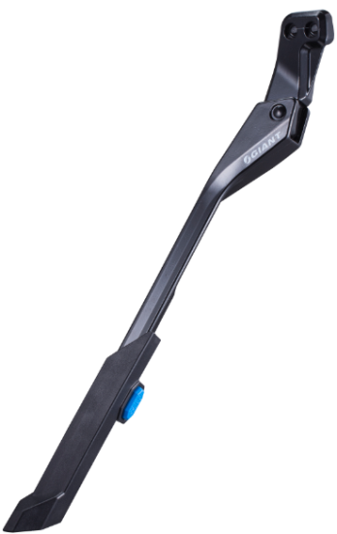 | DIRECT MOUNT KSA 18MM (M6) KICKSTAND TREKKING 24"~29" ADJUSTABLE BLACK COLOR | Roam MY21+ Rove MY21+ Talon MY24+ Tempt MY24+ Escape MY20+ Thrive MY23+ ATX MY18+ ARX MY18+ BeLiv MY18 Cypress DX MY19+ Enchant MY17+ FastTour FastRoad MY19+ ~ MY23+ AnyRoad Advanced MY18+ Alight MY22+ UX | Vida E+ Transcend E+ ToughRoad E+ Fastroad E+ MY18-22 Quick E+ MY17-19 Explore E+ MY18-22 Explore E+ 3/4 MY23 Lafree E+ Amiti E+ MY18-22 Amiti E+ 3/4 MY23 Thrive E+ MY20-22 Stance E+ MY19-22 Embolden E+ MY19-22 Fathom E+ MY19-22 Talon E+ MY21/ MY23 Tempt E+ MY21/ MY23 Revolt E+ MY20-24 Roam E+ MY21-22 Rove E+ MY22+ Road E+ MY18-21
500000013 | 4713250808680 | 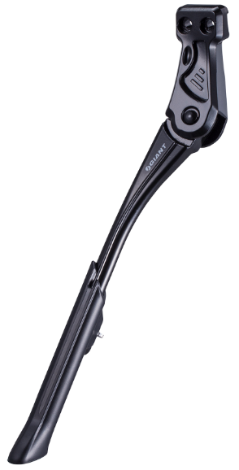 | DIRECT MOUNT KSA 18MM (M6) KICKSTAND CITY 24"~29" ADJUSTABLE BLACK COLOR | Roam MY21+ Rove MY21+ Talon MY24+ Tempt MY24+ Escape MY20+ Thrive MY23+ ATX MY18+ ARX MY18+ BeLiv MY18 Cypress DX MY19+ Enchant MY17+ FastTour FastRoad MY19+ ~ MY23+ AnyRoad Advanced MY18+ Alight MY22+ UX
500000042 | 4713250037448 | 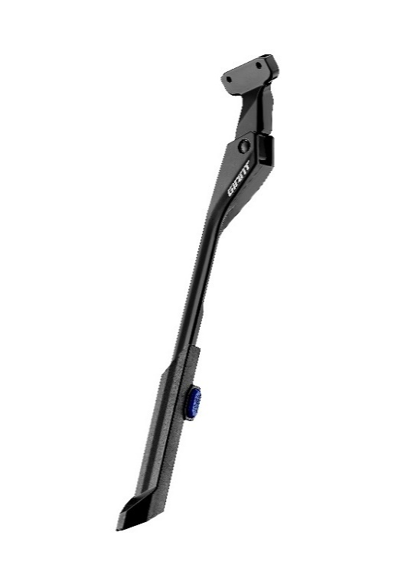 | GNT Direct Mount KSA 40mm Kickstand |  | Explore E+ 0/1 Pro - MY23 Explore E+ 1/2 - MY23 Amiti E+ Pro - MY23 Amiti E+ 1/2 - MY23 Stance E+ 0/1 Pro - MY23 Stance E+ 1/2 - MY23 Stance E+ EX - MY23 Stance E+ EX Pro - MY23 Embolden E+ 1 Pro - MY23 Embolden E+ 1/2 - MY23 Fathom E+ 1/2 EX - MY24 Fathom E+ 2 - MY24 Lurra E+ 1/2 EX - MY24 Lurra E+ 2 - MY24 Explore E+ MY26 Talon E+ MY26 Tempt E+ MY26 Amiti E+ MY26 Allure E+ MY26 Lurra E+ MY26 Vida E+ MY26

