OP_TOPS
 | DEV | PROD
Host Name: | DVTDB203 | DVPDB205
PORT: | 50010 | 50010
Database: | OP_TOPS | OP_TOPS
User | TGD5FOP1 | TGD5FOP1
Password: | FA4m49a3mxam4 | fksLfm4BM3kq39at4as3n

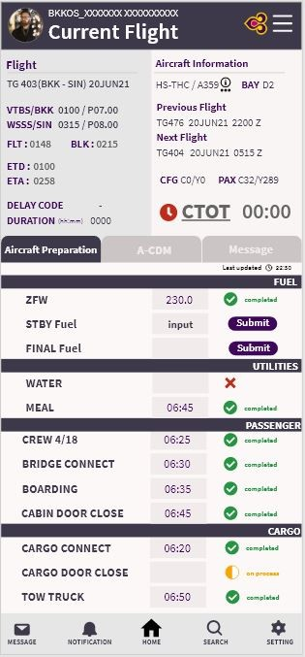
Table: DAILY_FLIGHT
Field | Required
FLIGHT_DATE | Y
CARRIER_CODE | Y
FLIGHT_NUMBER | Y
LEG_NUMBER | Y
FLIGHT_DATE_LT | Y
DEP_STATION | Y
ARR_STATION | Y
DAY_OP
SERVICE_TYPE
INTER_DOM
DEP_STATUS
ARR_STATUS
STD_DATE | Y
STD_TIME | Y
STA_DATE | Y
STA_TIME | Y
ETD_DATE | Y
ETD_TIME | Y
ETA_DATE | Y
ETA_TIME | Y
ATD_DATE | Y
ATD_TIME | Y
ATA_DATE | Y
ATA_TIME | Y
TOFF_DATE | Y
TOFF_TIME | Y
TDWN_DATE | Y
TDWN_TIME | Y
ATD_TIME_ACARS | Y
ATA_TIME_ACARS | Y
TOFF_TIME_ACARS | Y
TDWN_TIME_ACARS | Y
AC_OWNER | Y
ACTYPE | Y
ACVER | Y
ACREG | Y
ASM_CODE
ASM_REASON
ASM_NO
DIV_STATION
DIV_CODE
DELAY_CODE1 | Y
DELAY_DUR1 | Y
DELAY_CODE2 | Y
DELAY_DUR2 | Y
ABHR | Y
BLHR | Y
LND_1
LND_STN_1
LND_2
LND_STN_2
LND_3
LND_STN_3
DAY_OP_LT
STD_DATE_LT | Y
STD_TIME_LT | Y
STA_DATE_LT | Y
STA_TIME_LT | Y
ETD_DATE_LT | Y
ETD_TIME_LT | Y
ETA_DATE_LT | Y
ETA_TIME_LT | Y
ATD_DATE_LT | Y
ATD_TIME_LT | Y
ATA_DATE_LT | Y
ATA_TIME_LT | Y
TOFF_DATE_LT | Y
TOFF_TIME_LT | Y
TDWN_DATE_LT | Y
TDWN_TIME_LT | Y
LEG_FLAG
ADM_FLAG
ONW_CARRIER_CODE
ONW_FLIGHT_NUMBER
ONW_DOOPCOR
ONW_IND
CHG_FLIGHT_DATE
CHG_CARRIER_CODE
CHG_FLIGHT_NO
FUEL_MSG_IND | Y
FUEL_REMIND_IND | Y
LAST_UPD_USERID
LAST_UPD_DATETIME
SI_INFO

