insertHoleID
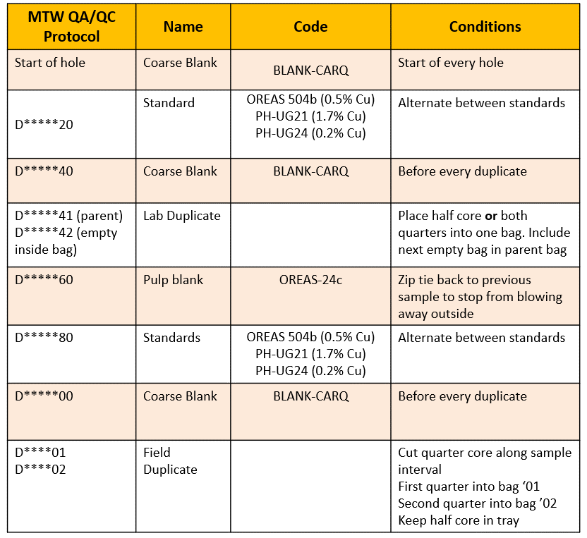
Exploration Sample Sheet |  |  |  |  | Hole ID: |  |  | DD21DOR001

Sample ID | Depth From | Depth To | Interval length | Core Size | Sample Type | Standard Type | Core Type | Initials | SG Required | Check | 44
D2003818 |  |  |  |  | REF | BLANK-CARQ | INSERT QC | DT |  | 1
D2003819 | 200.5 | 202 | 1.5 | HQ | ALPHA |  | Half | DT |  | 1
D2003820 |  |  |  |  | REF | PH-UG21 | INSERT QC | DT |  | 1
D2003821 | 202 | 204 | 2 | HQ | ALPHA |  | Quarter | DT |  | 1
D2003822 | 204 | 206 | 2 | HQ | ALPHA |  | Quarter | DT |  | 1
D2003823 | 206 | 208 | 2 | HQ | ALPHA |  | Quarter | DT | Yes | 1
D2003824 | 208 | 210 | 2 | HQ | ALPHA |  | Quarter | DT |  | 1
D2003825 | 210 | 212 | 2 | HQ | ALPHA |  | Quarter | DT |  | 1
D2003826 | 212 | 214 | 2 | HQ | ALPHA |  | Quarter | DT |  | 1
D2003827 | 214 | 216 | 2 | HQ | ALPHA |  | Quarter | DT |  | 1
D2003828 | 216 | 218 | 2 | HQ | ALPHA |  | Quarter | DT | Yes | 1
D2003829 | 218 | 220 | 2 | HQ | ALPHA |  | Quarter | DT |  | 1
D2003830 | 220 | 222 | 2 | HQ | ALPHA |  | Quarter | DT |  | 1
D2003831 | 222 | 224 | 2 | HQ | ALPHA |  | Quarter | DT |  | 1
D2003832 | 224 | 226 | 2 | HQ | ALPHA |  | Quarter | DT |  | 1
D2003833 | 226 | 228 | 2 | HQ | ALPHA |  | Quarter | DT | Yes | 1
D2003834 | 228 | 230 | 2 | HQ | ALPHA |  | Quarter | DT |  | 1
D2003835 | 230 | 232 | 2 | HQ | ALPHA |  | Quarter | DT |  | 1
D2003836 | 232 | 234 | 2 | HQ | ALPHA |  | Quarter | DT |  | #REF!
D2003837 | 234 | 235 | 1 | HQ | ALPHA |  | Half | DT |  | 1
D2003838 | 235 | 236.9 | 1.9 | HQ | ALPHA |  | Quarter | DT | Yes | 1
D2003839 | 236.9 | 238.2 | 1.3 | HQ | ALPHA |  | Half | DT | Yes | 1
D2003840 |  |  | 0 |  | REF | BLANK-CARQ | INSERT QC | DT |  | 1
D2003841 | 238.2 | 240 | 1.8 | HQ | ALPHA |  | Half | DT |  | 1
D2003842 | 238.2 | 240 | 1.8 | HQ | DUP | LAB DUP | INSERT QC | DT |  | 1
D2003843 | 240 | 242 | 2 | HQ | ALPHA |  | Quarter | DT |  | 1
D2003844 | 242 | 244 | 2 | HQ | ALPHA |  | Quarter | DT | Yes | 1 | Sampling Rules
D2003845 | 244 | 246 | 2 | HQ | ALPHA |  | Quarter | DT |  | 1 | HQ and NQ | < 1.5m length | Half Core
D2003846 | 246 | 248 | 2 | HQ | ALPHA |  | Quarter | DT |  | 1 | HQ and NQ | >1.5 length | Quarter Core
D2003847 | 248 | 250 | 2 | HQ | ALPHA |  | Quarter | DT |  | 1
D2003848 | 250 | 252 | 2 | HQ | ALPHA |  | Quarter | DT |  | 1
D2003849 | 252 | 254 | 2 | HQ | ALPHA |  | Quarter | DT |  | 1 | SG
D2003850 | 254 | 256 | 2 | HQ | ALPHA |  | Quarter | DT |  | 1 | At least 1 SGs per 10m if no chage in lith
D2003851 | 256 | 258 | 2 | HQ | ALPHA |  | Quarter | DT |  | 1 | At least one new SG for every lith
D2003852 | 258 | 260 | 2 | HQ | ALPHA |  | Quarter | DT |  | 1
D2003853 | 260 | 262 | 2 | HQ | ALPHA |  | Quarter | DT | Yes | 1
D2003854 | 262 | 264 | 2 | HQ | ALPHA |  | Quarter | DT |  | 1
D2003855 | 264 | 266 | 2 | HQ | ALPHA |  | Quarter | DT |  | 1
D2003856 | 266 | 268 | 2 | HQ | ALPHA |  | Quarter | DT |  | 1
D2003857 | 268 | 270 | 2 | HQ | ALPHA |  | Quarter | DT | Yes | 1
D2003858 | 270 | 272.6 | 2.6 | HQ | ALPHA |  | Quarter | DT |  | #VALUE!
 |  |  |  |  |  |  |  |  |  | #VALUE!
 |  |  |  |  |  |  |  |  |  | #VALUE!
 |  |  |  |  |  |  |  |  |  | #VALUE!
 |  |  |  |  |  |  |  |  |  | #VALUE!
 |  |  |  |  |  |  |  |  |  | #VALUE!
 |  |  |  |  |  |  |  |  |  | #VALUE!
 |  |  |  |  |  |  |  |  |  | #VALUE!
 |  |  |  |  |  |  |  |  |  | #VALUE!
 |  |  |  |  |  |  |  |  |  | #VALUE!
 |  |  |  |  |  |  |  |  |  | #VALUE!
 |  |  |  |  |  |  |  |  |  | #VALUE!
 |  |  |  |  |  |  |  |  |  | #VALUE!
 |  |  |  |  |  |  |  |  |  | #VALUE!
 |  |  |  |  |  |  |  |  |  | #VALUE!
 |  |  |  |  |  |  |  |  |  | #VALUE!
 |  |  |  |  |  |  |  |  |  | #VALUE!
 |  |  |  |  |  |  |  |  |  | #VALUE!
 |  |  |  |  |  |  |  |  |  | #VALUE!
 |  |  |  |  |  |  |  |  |  | #VALUE!
 |  |  |  |  |  |  |  |  |  | #VALUE!
 |  |  |  |  |  |  |  |  |  | #VALUE!
 |  |  |  |  |  |  |  |  |  | #VALUE!
 |  |  |  |  |  |  |  |  |  | #VALUE!
 |  |  |  |  |  |  |  |  |  | #VALUE!
 |  |  |  |  |  |  |  |  |  | #VALUE!
 |  |  |  |  |  |  |  |  |  | #VALUE!
 |  |  |  |  |  |  |  |  |  | #VALUE!
 |  |  |  |  |  |  |  |  |  | #VALUE!
 |  |  |  |  |  |  |  |  |  | #VALUE!
 |  |  |  |  |  |  |  |  |  | #VALUE!
 |  |  |  |  |  |  |  |  |  | #VALUE!
 |  |  |  |  |  |  |  |  |  | #VALUE!
 |  |  |  |  |  |  |  |  |  | #VALUE!
 |  |  |  |  |  |  |  |  |  | #VALUE!
 |  |  |  |  |  |  |  |  |  | #VALUE!
 |  |  |  |  |  |  |  |  |  | #VALUE!
 |  |  |  |  |  |  |  |  |  | #VALUE!
 |  |  |  |  |  |  |  |  |  | #VALUE!
 |  |  |  |  |  |  |  |  |  | #VALUE!
 |  |  |  |  |  |  |  |  |  | #VALUE!
 |  |  |  |  |  |  |  |  |  | #VALUE!
 |  |  |  |  |  |  |  |  |  | #VALUE!
 |  |  |  |  |  |  |  |  |  | #VALUE!
 |  |  |  |  |  |  |  |  |  | #VALUE!
 |  |  |  |  |  |  |  |  |  | #VALUE!
 |  |  |  |  |  |  |  |  |  | #VALUE!
 |  |  |  |  |  |  |  |  |  | #VALUE!
 |  |  |  |  |  |  |  |  |  | #VALUE!
 |  |  |  |  |  |  |  |  |  | #VALUE!
 |  |  |  |  |  |  |  |  |  | #VALUE!
 |  |  |  |  |  |  |  |  |  | #VALUE!
 |  |  |  |  |  |  |  |  |  | #VALUE!
 |  |  |  |  |  |  |  |  |  | #VALUE!
 |  |  |  |  |  |  |  |  |  | #VALUE!
 |  |  |  |  |  |  |  |  |  | #VALUE!
 |  |  |  |  |  |  |  |  |  | #VALUE!
 |  |  |  |  |  |  |  |  |  | #VALUE!
 |  |  |  |  |  |  |  |  |  | #VALUE!
 |  |  |  |  |  |  |  |  |  | #VALUE!
 |  |  |  |  |  |  |  |  |  | #VALUE!
 |  |  |  |  |  |  |  |  |  | #VALUE!
 |  |  |  |  |  |  |  |  |  | #REF!

