Results
Batch Size | Epochs | Train Loss | Train Accuracy | Test Accuracy | Execution Time | Loss Curve and Accuracy curve
10 | 100 | 2.1449444294 | 0.30619999766 | 0.30210000277 | 1236.2365081 | 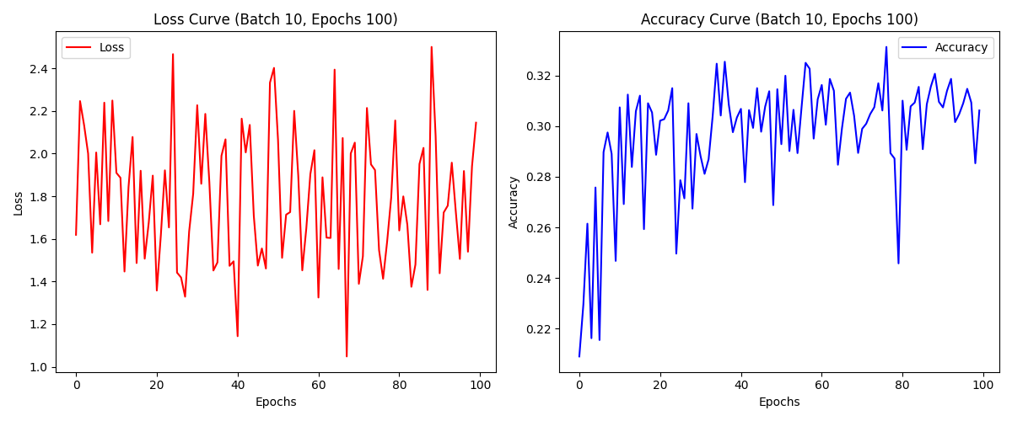
10 | 50 | 2.4315047264 | 0.29585000873 | 0.29820001125 | 602.0621326 | 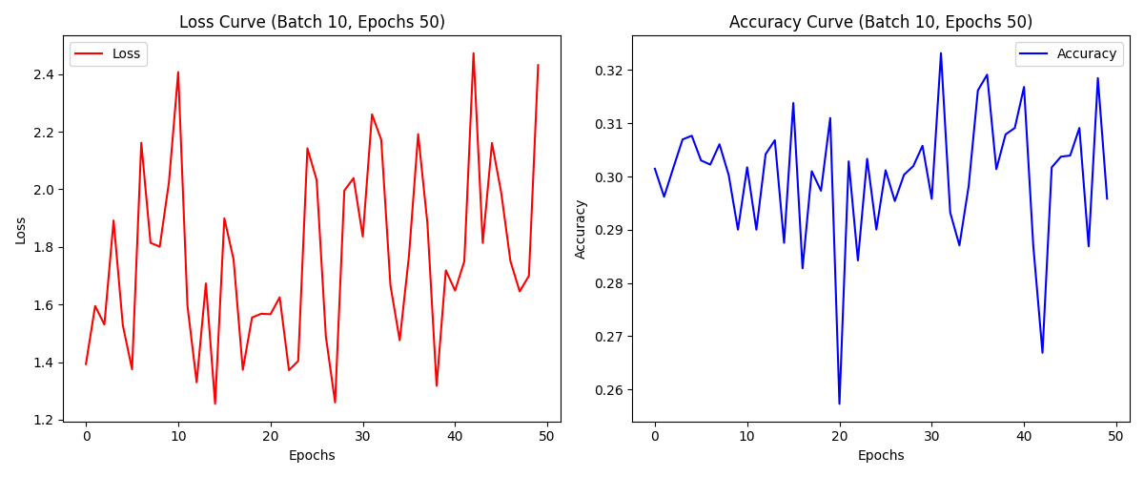
10 | 10 | 1.5608953238 | 0.30178332329 | 0.29840001464 | 122.82333207 | 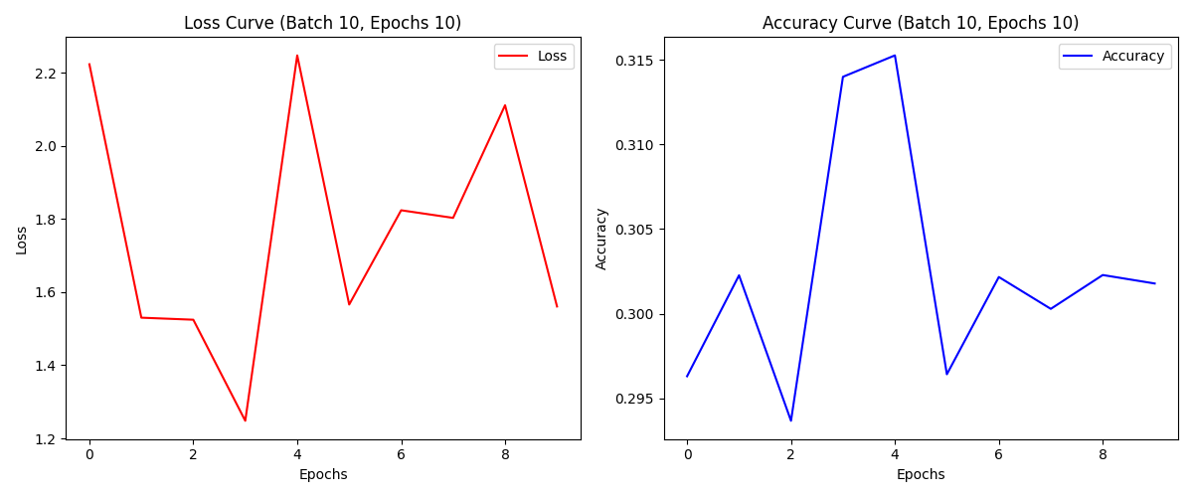
100 | 100 | 1.901907444 | 0.32908332348 | 0.32809999585 | 136.75378013 | 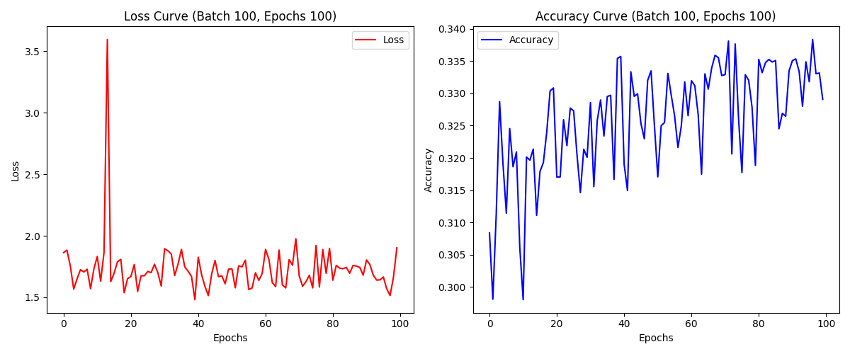
100 | 50 | 1.8635417223 | 0.32749998569 | 0.32839998603 | 69.257292986 | 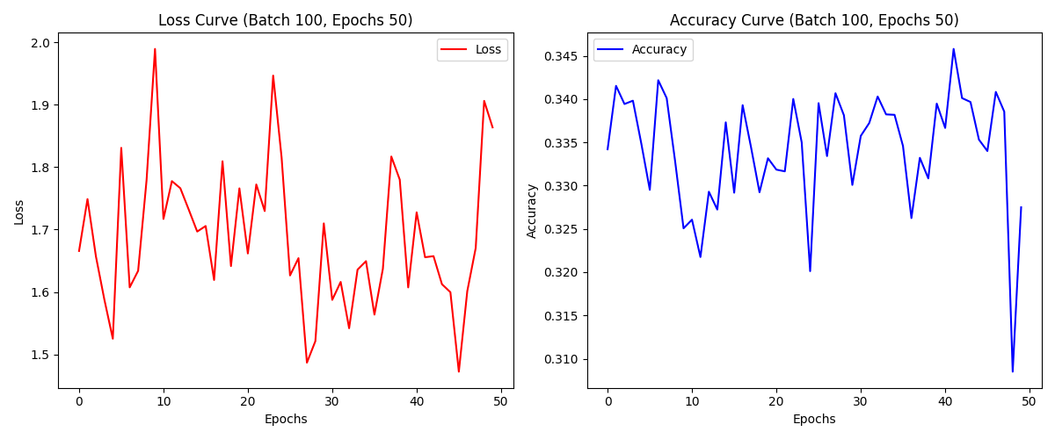
100 | 10 | 1.7250258923 | 0.33163332939 | 0.33050000668 | 13.852661133 | 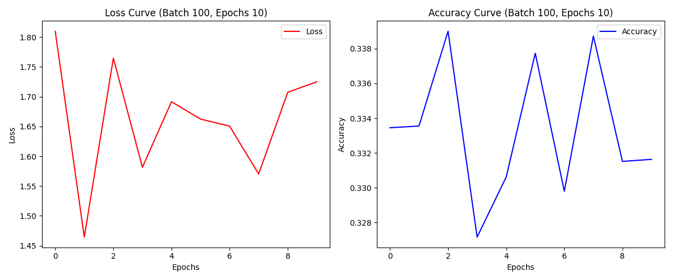
1 | 10 | 2.5448279381 | 0.10443333536 | 0.10279999673 | 1182.6382601
1 | 50 | 1.9847693443 | 0.098750002682 | 0.097999997437 | 5726.5681279
1 | 100 | 2.229465008 | 0.097400002 | 0.098200001 | 11604.66551

