Sheet2
Algorithms | poly(0.2) | 0.4 | 0.6 | Column1 | linear(0.2) | 0.42 | 0.62
Overall accuracy for CATBOOST | 0.990385 | 0.975962 | 0.955128 |  | 0.980769 | 0.961538 | 0.942308
Overall accuracy for DTC | 0.951923 | 0.923077 | 0.929487 |  | 0.951923 | 0.932692 | 0.939103
Overall accuracy for GCB | 0.961538 | 0.9375 | 0.932692 |  | 0.961538 | 0.932692 | 0.932692
Overall accuracy for KNN | 0.942308 | 0.855769 | 0.75 |  | 0.980769 | 0.942308 | 0.923077
Overall accuracy for KSVM | 0.990385 | 0.975962 | 0.948718 |  | 1 | 0.961538 | 0.932692
Overall accuracy for LDA | 0.894231 | 0.841346 | 0.788462 |  | 0.932692 | 0.870192 | 0.86859
Overall accuracy for LG | 0.951923 | 0.903846 | 0.884615 |  | 0.951923 | 0.903846 | 0.887821
Overall accuracy for LGBM | 0.951923 | 0.913462 | 0.919872 |  | 0.942308 | 0.913462 | 0.913462
Overall accuracy for LSVM | 0.980769 | 0.947115 | 0.923077 |  | 0.942308 | 0.899038 | 0.910256
Overall accuracy for MLPC | 0.951923 | 0.899038 | 0.865385 |  | 0.951923 | 0.903846 | 0.891026
Overall accuracy for NB | 0.663462 | 0.639423 | 0.61859 |  | 0.894231 | 0.875 | 0.862179
Overall accuracy for QDA | 0.980769 | 0.966346 | 0.897436 |  | 0.961538 | 0.923077 | 0.903846
Overall accuracy for RFC | 0.961538 | 0.923077 | 0.926282 |  | 0.980769 | 0.961538 | 0.932692
Overall accuracy for XGB | 0.990385 | 0.966346 | 0.939103 |  | 0.980769 | 0.956731 | 0.926282
Overall accuracy for ADABOOST | 0.961538 | 0.961538 | 0.942308 |  | 0.980769 | 0.9375 | 0.929487

 | poly(0.2) | 0.4 | 0.6 | Column1 | linear(0.2) | 0.42 | 0.62
Overall accuracy for CATBOOST | 0.990385 | 0.975962 | 0.955128 |  | 0.980769 | 0.961538 | 0.942308
Overall accuracy for DTC | 0.951923 | 0.923077 | 0.929487 |  | 0.951923 | 0.932692 | 0.939103
Overall accuracy for GCB | 0.961538 | 0.9375 | 0.932692 |  | 0.961538 | 0.932692 | 0.932692
Overall accuracy for KNN | 0.942308 | 0.855769 | 0.75 |  | 0.980769 | 0.942308 | 0.923077
Overall accuracy for KSVM | 0.990385 | 0.975962 | 0.948718 |  | 1 | 0.961538 | 0.932692
Overall accuracy for LDA | 0.894231 | 0.841346 | 0.788462 |  | 0.932692 | 0.870192 | 0.86859
Overall accuracy for LG | 0.951923 | 0.903846 | 0.884615 |  | 0.951923 | 0.903846 | 0.887821
Overall accuracy for LGBM | 0.951923 | 0.913462 | 0.919872 |  | 0.942308 | 0.913462 | 0.913462
Overall accuracy for LSVM | 0.980769 | 0.947115 | 0.923077 |  | 0.942308 | 0.899038 | 0.910256
Overall accuracy for MLPC | 0.951923 | 0.899038 | 0.865385 |  | 0.951923 | 0.903846 | 0.891026
Overall accuracy for NB | 0.663462 | 0.639423 | 0.61859 |  | 0.894231 | 0.875 | 0.862179
Overall accuracy for QDA | 0.980769 | 0.966346 | 0.897436 |  | 0.961538 | 0.923077 | 0.903846
Overall accuracy for RFC | 0.961538 | 0.923077 | 0.926282 |  | 0.980769 | 0.961538 | 0.932692
Overall accuracy for XGB | 0.990385 | 0.966346 | 0.939103 |  | 0.980769 | 0.956731 | 0.926282
Overall accuracy for ADABOOST | 0.961538 | 0.961538 | 0.942308 |  | 0.980769 | 0.9375 | 0.929487

Sheet6
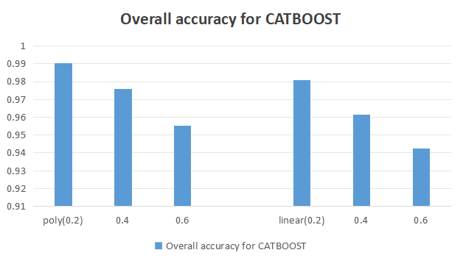
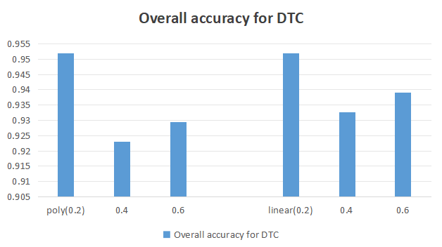

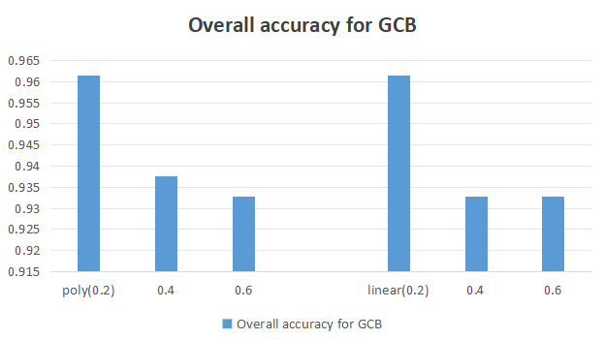
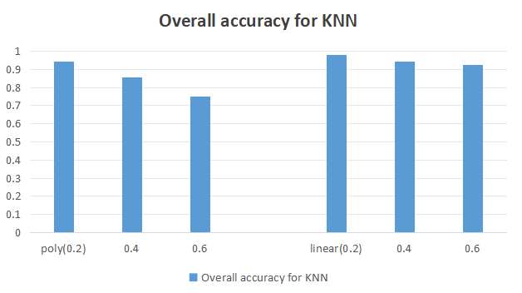

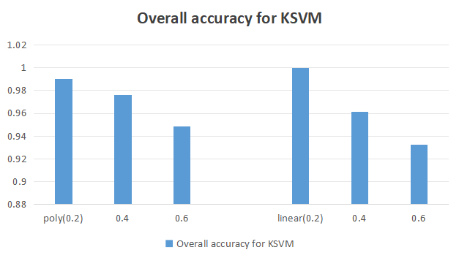
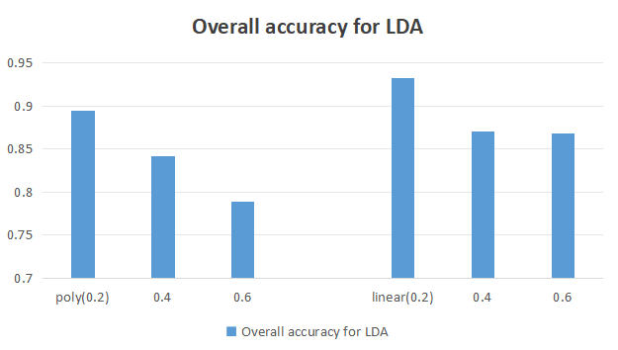

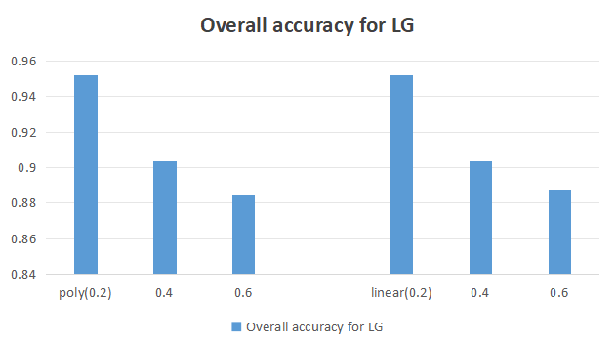
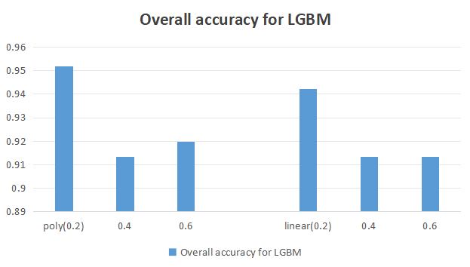

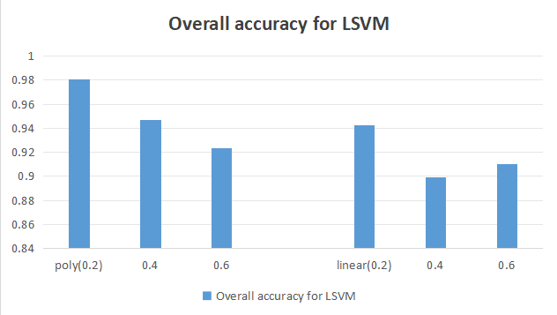
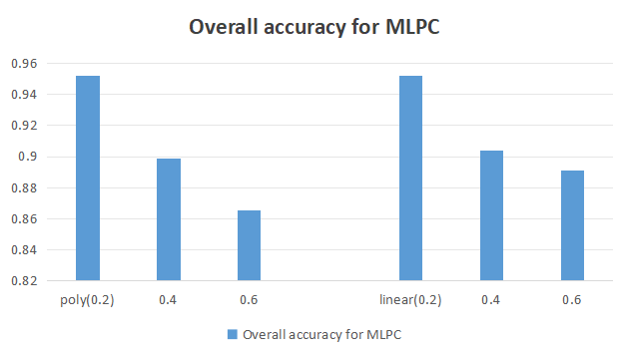

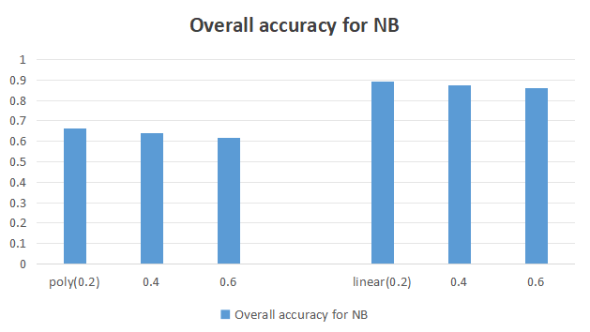
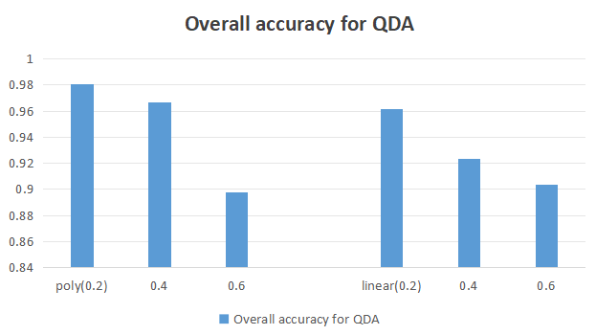

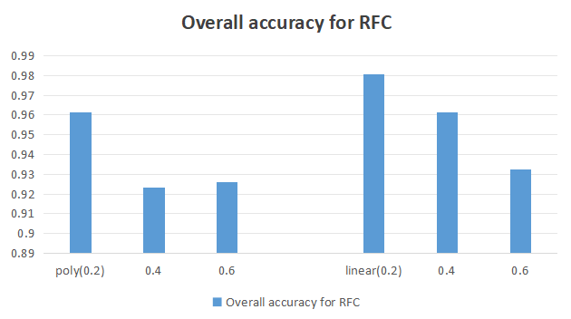
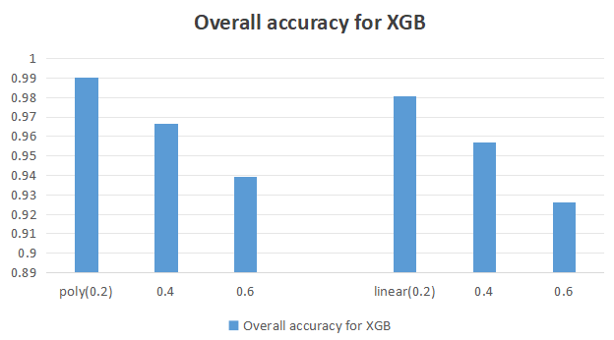

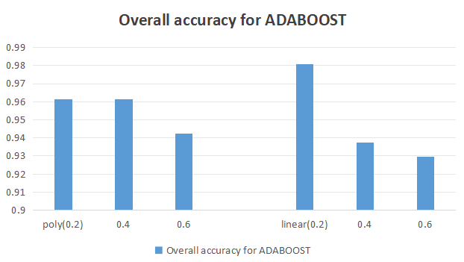

Comparison of accuracies of all classification algorithms
 | poly(0.2) | 0.4 | 0.6 | Column1 | linear(0.2) | 0.42 | 0.62
Overall accuracy for CATBOOST | 0.990385 | 0.975962 | 0.955128 |  | 0.980769 | 0.961538 | 0.942308
Overall accuracy for DTC | 0.951923 | 0.923077 | 0.929487 |  | 0.951923 | 0.932692 | 0.939103
Overall accuracy for GCB | 0.961538 | 0.9375 | 0.932692 |  | 0.961538 | 0.932692 | 0.932692
Overall accuracy for KNN | 0.942308 | 0.855769 | 0.75 |  | 0.980769 | 0.942308 | 0.923077
Overall accuracy for KSVM | 0.990385 | 0.975962 | 0.948718 |  | 1 | 0.961538 | 0.932692
Overall accuracy for LDA | 0.894231 | 0.841346 | 0.788462 |  | 0.932692 | 0.870192 | 0.86859
Overall accuracy for LG | 0.951923 | 0.903846 | 0.884615 |  | 0.951923 | 0.903846 | 0.887821
Overall accuracy for LGBM | 0.951923 | 0.913462 | 0.919872 |  | 0.942308 | 0.913462 | 0.913462
Overall accuracy for LSVM | 0.980769 | 0.947115 | 0.923077 |  | 0.942308 | 0.899038 | 0.910256
Overall accuracy for MLPC | 0.951923 | 0.899038 | 0.865385 |  | 0.951923 | 0.903846 | 0.891026
Overall accuracy for NB | 0.663462 | 0.639423 | 0.61859 |  | 0.894231 | 0.875 | 0.862179
Overall accuracy for QDA | 0.980769 | 0.966346 | 0.897436 |  | 0.961538 | 0.923077 | 0.903846
Overall accuracy for RFC | 0.961538 | 0.923077 | 0.926282 |  | 0.980769 | 0.961538 | 0.932692
Overall accuracy for XGB | 0.990385 | 0.966346 | 0.939103 |  | 0.980769 | 0.956731 | 0.926282
Overall accuracy for ADABOOST | 0.961538 | 0.961538 | 0.942308 |  | 0.980769 | 0.9375 | 0.929487

