Customizing Charts
Month | Mobile Spend | Desktop Spend | Total Spend | Clicks | $/Click | Transactions | Transaction %
January | $359,085 | $438,881 | $797,966 | 568,213 | $1.40 | 1,064 | 0.19%
February | $295,945 | $308,025 | $603,970 | 486,398 | $1.24 | 984 | 0.20%
March | $228,830 | $291,239 | $520,069 | 459,937 | $1.13 | 936 | 0.20%
April | $376,751 | $347,770 | $724,521 | 481,632 | $1.50 | 990 | 0.21%
May | $343,227 | $343,227 | $686,453 | 478,822 | $1.43 | 886 | 0.19%
June | $164,481 | $227,141 | $391,622 | 332,313 | $1.18 | 711 | 0.21%
July | $161,304 | $263,180 | $424,484 | 289,154 | $1.47 | 722 | 0.25%
August | $127,173 | $236,178 | $363,350 | 224,080 | $1.62 | 558 | 0.25%
September | $111,114 | $215,692 | $326,806 | 220,951 | $1.48 | 464 | 0.21%
October | $174,805 | $273,414 | $448,219 | 268,924 | $1.67 | 508 | 0.19%
November | $210,181 | $267,503 | $477,684 | 295,562 | $1.62 | 582 | 0.20%
December | $264,672 | $310,702 | $575,375 | 330,514 | $1.74 | 591 | 0.18%

Bar & Column Charts
 | 2015 Ticket Sales
Movie Genre | January | February | March | April | May | June | July | August | September | October | November | December | TOTAL
Comedy | 49,832 | 47,232 | 40,002 | 37,283 | 32,910 | 33,829 | 30,102 | 32,111 | 34,921 | 30,293 | 28,392 | 24,192 | 421,099
Thriller | 12,839 | 16,828 | 15,839 | 18,082 | 24,932 | 30,462 | 34,240 | 42,718 | 41,128 | 39,382 | 36,621 | 37,283 | 350,354
Documentary | 9,118 | 9,907 | 7,257 | 7,838 | 6,372 | 5,992 | 5,773 | 5,993 | 6,302 | 8,103 | 9,100 | 9,278 | 91,033
Romance | 14,381 | 14,651 | 11,969 | 14,602 | 13,046 | 14,411 | 13,871 | 14,184 | 13,033 | 14,625 | 12,196 | 13,081 | 164,050
TOTAL | 86,170 | 88,618 | 75,067 | 77,805 | 77,260 | 84,694 | 83,986 | 95,006 | 95,384 | 92,403 | 86,309 | 83,834

Sales by Genre and Month

 | 30,205
 | 26,587
 | 8,757
 | 13,081

Image Overlay Charts
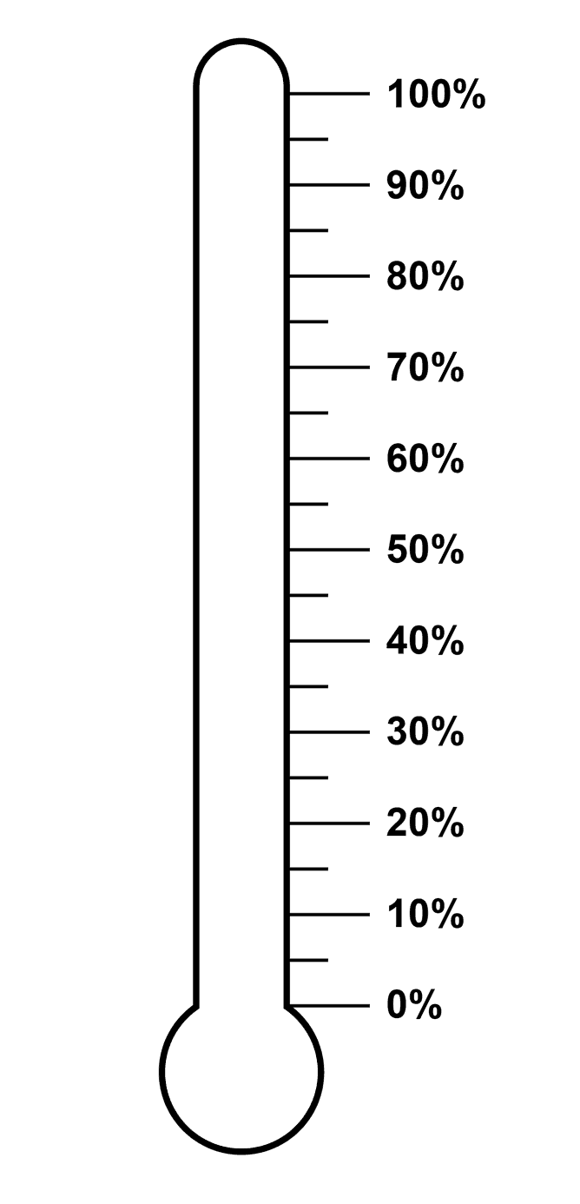

$ Raised | Goal | $ Remaining | % to Goal
$4,500 | $10,000 | $5,500 | 45%

Gauge Chart
Chart Value | Max | Slices | Degrees | X-Values | Y-Values
5.00 | 10

40%
60%

20%
80%

0%
100%

