Template - Phase 2
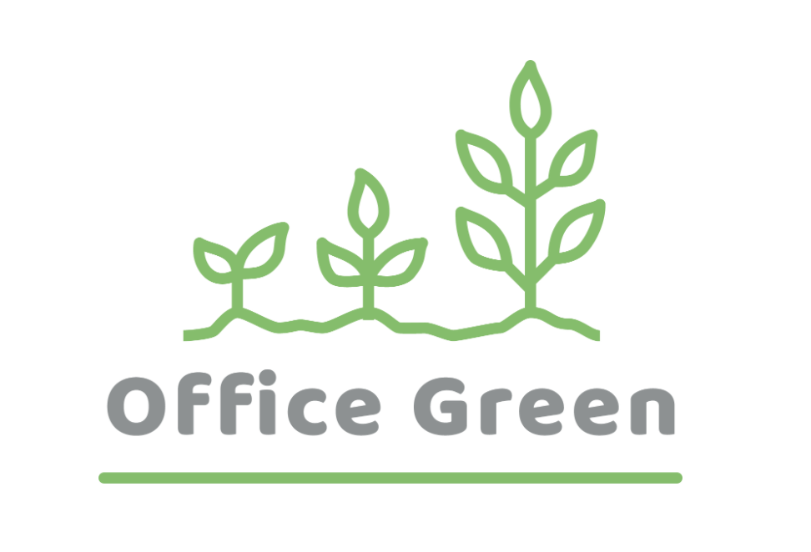
R - Responsible | Completes the deliverable or task.
A - Accountable | Makes final decisions and signs off on task completion. Only 1 per task.
C - Consulted | An advisor, stakeholder, or subject matter expert who offers guidance before an action is taken.
I - Informed | Kept up to date on decisions made.
Plant Pals Landing Page | Role A | Role B | Role C | Role D | Role E | Role F
PHASE 2
Task/Deliverable
Task/Deliverable 1
Task/Deliverable 2
Task/Deliverable 3
Task/Deliverable 4
Task/Deliverable 5
Task/Deliverable 6

