BUG
QA |  |  |  |  |  |  |  |  |  |  |  | DEV
Build ID | Defect Description | TSID | TCID | Steps | Expected Results | Screenshot | Seviority | Priority | Reported by | Assigned to | Submitted By | Resolution Types | Status | Fixed By | Fixed DATE
1 | A warning message does not display " Invalid Credentials" |  | TC_001_Don't_enter_U_P | 1.Open page url 2.Don't enter the user name 3. Don't enter a password. 4. Click on the login button | 1. The user can not log in on page 2. A warning message should be displayed " Invalid Credentials" 3. On username, input space should be displayed Required warning messages. 4. On password, input space should be displayed Required warning messages. 5. Title Should be OrangeHRM 6. Page url should be https://opensource-demo.orangehrmlive.com/web/index.php/auth/login | 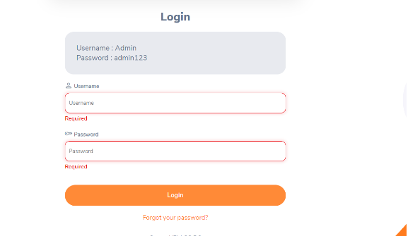 | S0 | P0 | QA Aleksandar Presilski | DEV | QA Aleksandar Presilski
2 | Header should displayed My InFo |  | TC_006_Search_MyInfo | 1. Enter My Info on a search input bar 2. Click on the My Info element |  | 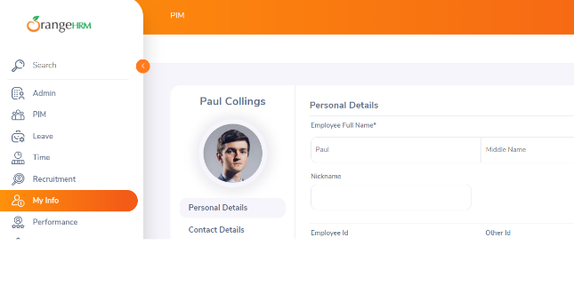 | S2 | P2 | QA Aleksandar Presilski | DEV | QA Aleksandar Presilski
3 | Warning message invalid dispayed | TS_005 | TC_005_AdminM_EmployeeName | 1. Enter the employee's Name Dominic Chase in the Employee Name input bar 2. Click search button |  | 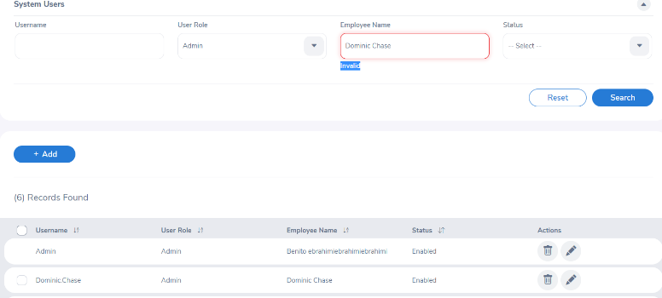 | S4 | P4 | QA Aleksandar Presilski | DEV | QA Aleksandar Presilski

