Level_00
 |  | 0 | 1 | 2 | 3 | 4 | 5 | 6 | 7 | 8 | 9 | 10 | 11 | 12 | 13 | 14 | 15 | 16 | 17 | 18 | 19 | 20 | 21 | 22 | 23 | 24
 | 0
 | 1
 | 2
 | 3
 | 4
 | 5
 | 6
 | 7
UL / ML
UM / MM | Pos X | 0 | PosY | 0 | Stance | 107 |  | 107 Stance::Man_Walk_RH_00 479 Man_Walk_LH_00

 |  |  |  |  |  |  |  |  |  |  |  |  |  |  |  |  |  |  |  |  |  |  | 

 |  | uint8_t Level_00[] = {
 |  | { 0, 0, 0, 0, 0, 0, 0, 0, 0, 0, 0, 0, 0, 0, 0, 0, 0, 0, 0, 0, 0, 0, 0, 0, 0, 0, 0, 0, 0, 0, 0, 0, 0, 0, 0, 0, 0, 0, 0, 0, 0, 0, 0, 0, 0, 0, 0, 0, 0, 0,},
 |  | { 0, 0, 0, 0, 0, 0, 0, 0, 0, 0, 0, 0, 0, 0, 0, 0, 0, 0, 0, 0, 0, 0, 0, 0, 0, 0, 0, 0, 0, 0, 0, 0, 0, 0, 0, 0, 0, 0, 0, 0, 0, 0, 0, 0, 0, 0, 0, 0, 0, 0,},
 |  | { 0, 0, 0, 0, 0, 0, 0, 0, 0, 0, 0, 0, 0, 0, 0, 0, 0, 0, 0, 0, 0, 0, 0, 0, 0, 0, 0, 0, 0, 0, 0, 0, 0, 0, 0, 0, 0, 0, 0, 0, 0, 0, 0, 0, 0, 0, 0, 0, 0, 0,},
 |  | { 0, 0, 0, 0, 0, 0, 0, 0, 0, 0, 0, 0, 0, 0, 0, 0, 0, 0, 0, 0, 0, 0, 0, 0, 0, 0, 0, 0, 0, 0, 0, 0, 0, 0, 0, 0, 0, 0, 0, 0, 0, 0, 0, 0, 0, 0, 0, 0, 0, 0,},
 |  | { 0, 0, 0, 0, 0, 0, 0, 0, 0, 0, 0, 0, 0, 0, 0, 0, 0, 0, 0, 0, 0, 0, 0, 0, 0, 0, 0, 0, 0, 0, 0, 0, 0, 0, 0, 0, 0, 0, 0, 0, 0, 0, 0, 0, 0, 0, 0, 0, 0, 0,},
 |  | { 0, 0, 0, 0, 0, 0, 0, 0, 0, 0, 0, 0, 0, 0, 0, 0, 0, 0, 0, 0, 0, 0, 0, 0, 0, 0, 0, 0, 0, 0, 0, 0, 0, 0, 0, 0, 0, 0, 0, 0, 0, 0, 0, 0, 0, 0, 0, 0, 0, 0,},
 |  | { 0, 0, 0, 0, 0, 0, 0, 0, 0, 0, 0, 0, 0, 0, 0, 0, 0, 0, 0, 0, 0, 0, 0, 0, 0, 0, 0, 0, 0, 0, 0, 0, 0, 0, 0, 0, 0, 0, 0, 0, 0, 0, 0, 0, 0, 0, 0, 0, 0, 0,},
 |  | { 0, 0, 0, 0, 0, 0, 0, 0, 0, 0, 0, 0, 0, 0, 0, 0, 0, 0, 0, 0, 0, 0, 0, 0, 0, 0, 0, 0, 0, 0, 0, 0, 0, 0, 0, 0, 0, 0, 0, 0, 0, 0, 0, 0, 0, 0, 0, 0, 0, 0,},
 |  | { 0, 0, 0, 0, 0, 0, 0, 0, 0, 0, 0, 0, 0, 0, 0, 0, 0, 0, 0, 0, 0, 0, 0, 0, 0, 0, 0, 0, 0, 0, 0, 0, 0, 0, 0, 0, 0, 0, 0, 0, 0, 0, 0, 0, 0, 0, 0, 0, 0, 0,},
 |  | { 0, 0, 0, 0, 0, 0, 0, 0, 0, 0, 0, 0, 0, 0, 0, 0, 0, 0, 0, 0, 0, 0, 0, 0, 0, 0, 0, 0, 0, 0, 0, 0, 0, 0, 0, 0, 0, 0, 0, 0, 0, 0, 0, 0, 0, 0, 0, 0, 0, 0,},
 |  | { 0, 0, 0, 0, 0, 0, 0, 0, 0, 0, 0, 0, 0, 0, 0, 0, 0, 0, 0, 0, 0, 0, 0, 0, 0, 0, 0, 0, 0, 0, 0, 0, 0, 0, 0, 0, 0, 0, 0, 0, 0, 0, 0, 0, 0, 0, 0, 0, 0, 0,},
 |  | { 0, 0, 0, 0, 0, 0, 0, 0, 0, 0, 0, 0, 0, 0, 0, 0, 0, 0, 0, 0, 0, 0, 0, 0, 0, 0, 0, 0, 0, 0, 0, 0, 0, 0, 0, 0, 0, 0, 0, 0, 0, 0, 0, 0, 0, 0, 0, 0, 0, 0,},
 |  | { 0, 0, 0, 0, 0, 0, 0, 0, 0, 0, 0, 0, 0, 0, 0, 0, 0, 0, 0, 0, 0, 0, 0, 0, 0, 0, 0, 0, 0, 0, 0, 0, 0, 0, 0, 0, 0, 0, 0, 0, 0, 0, 0, 0, 0, 0, 0, 0, 0, 0,},
 |  | { 0, 0, 0, 0, 0, 0, 0, 0, 0, 0, 0, 0, 0, 0, 0, 0, 0, 0, 0, 0, 0, 0, 0, 0, 0, 0, 0, 0, 0, 0, 0, 0, 0, 0, 0, 0, 0, 0, 0, 0, 0, 0, 0, 0, 0, 0, 0, 0, 0, 0,},
 |  | { 0, 0, 0, 0, 0, 0, 0, 0, 0, 0, 4, 5, 1, 1, 0, 0, 0, 0, 4, 5, 1, 1, 0, 0, 0, 0, 0, 0, 0, 0, 0, 0, 0, 0, 0, 0, 0, 0, 0, 0, 0, 0, 0, 0, 0, 0, 0, 0, 0, 0,},
 |  | { 0, 0, 0, 0, 0, 0, 0, 0, 0, 0, 1, 2, 2, 2, 0, 0, 0, 0, 1, 2, 2, 2, 0, 0, 0, 0, 0, 0, 0, 0, 0, 0, 0, 0, 0, 0, 0, 0, 0, 0, 0, 0, 0, 0, 0, 0, 0, 0, 0, 0,},
 |  | };

 |  | uint16_t Map (4)_Items[] = {
 |  | 38, // ItemType::SwingyThing
 |  | 112, // Position X
 |  | 16, // Position Y
 |  | 9, // Frame
 |  | 0, // Data
 |  | 0, // Counter

 |  | 61, // ItemType::Puff
 |  | 0, // Position X
 |  | 0, // Position Y
 |  | 255, // Frame
 |  | 0, // Data
 |  | 0, // Counter
 |  | };

 |  | uint16_t Map (4)_Enemies[] = {
 |  | 0 // EnemyType::None
 |  | 0, // Position X
 |  | 0, // Position Y
 |  | 0, // Stance::Enemy_None
 |  | 0, // Inventory ItemType::None

 |  | 0 // EnemyType::None
 |  | 0, // Position X
 |  | 0, // Position Y
 |  | 0, // Stance::Enemy_None
 |  | 0, // Inventory ItemType::None

 |  | 0 // EnemyType::None
 |  | 0, // Position X
 |  | 0, // Position Y
 |  | 0, // Stance::Enemy_None
 |  | 0, // Inventory ItemType::None

 |  | 0 // EnemyType::None
 |  | 0, // Position X
 |  | 0, // Position Y
 |  | 0, // Stance::Enemy_None
 |  | 0, // Inventory ItemType::None
 |  | };

 |  | uint16_t Map (4)_PlayerStart[] = {
 |  | 0,
 |  | 0,
 |  | 107,
 |  | };

Map
 | Left / Right | x | y | Left / Right | x | y
0 | 1 | 44 | 64 | 256 | 11264 | 16384 | 256, 11264, 16384, // Port 0
1 | 1 | 0 | 136 | 256 | 0 | 34816 | 256, 0, 34816, // Port 1
2 | 1 | 0 | 208 | 256 | 0 | 53248 | 256, 0, 53248, // Port 2
3 | 0 | 88 | 180 | 0 | 22528 | 46080 | 0, 22528, 46080, // Port 3
4 | 1 | 28 | 308 | 256 | 7168 | 13313 | 256, 7168, 13313, // Port 4
5 | 0 | 52 | 236 | 0 | 13312 | 60416 | 0, 13312, 60416, // Port 5
6 | 0 | 116 | 308 | 0 | 29696 | 13313 | 0, 29696, 13313, // Port 6
7 | 0 | 184 | 244 | 0 | 47104 | 62464 | 0, 47104, 62464, // Port 7
8 | 0 | 256 | 308 | 0 | 1 | 13313 | 0, 1, 13313, // Port 8
9 | 0 | 256 | 168 | 0 | 1 | 43008 | 0, 1, 43008, // Port 9
10 | 0 | 256 | 96 | 0 | 1 | 24576 | 0, 1, 24576, // Port 10
11 | 0 | 204 | 32 | 0 | 52224 | 8192 | 0, 52224, 8192, // Port 11
12 | 0 | 136 | 80 | 0 | 34816 | 20480 | 0, 34816, 20480, // Port 12 |  |  |  |  |  |  | from 1 |  | From 4 |  |  | from 7 |  |  |  | from 12
13 | 0 | 44 | 0 | 0 | 11264 | 0 | 0, 11264, 0, // Port 13

 |  |  |  |  |  |  |  |  | Base | 0 | 1 | 2 | 3 | 4 | 5 | 6 | 7 | 8 | 9 | 10 | 11 | 12 | 13
 |  |  |  |  |  |  |  | Base | 0 | 18 | 36 | 54 | 72 | 90 | 108 | 126 | 144 | 162 | 180 | 198 | 216 | 234 | 252 | {0, 18, 36, 54, 72, 90, 108, 126, 144, 162, 180, 198, 216, 234, 252}, // Base
 |  |  |  |  |  |  |  | 0 |  | 0 | 18 | 36 | 54 | 72 | 90 | 108 | 126 | 144 | 162 | 180 | 198 | 216 | 234 | {, 0, 18, 36, 54, 72, 90, 108, 126, 144, 162, 180, 198, 216, 234}, // 0


 |  |  |  |  |  |  |  | 1 |  |  | 0 | 18 | 36 | 54 | 72 | 90 | 108 | 126 | 144 | 162 | 180 | 198 | 216 | {, , 0, 18, 36, 54, 72, 90, 108, 126, 144, 162, 180, 198, 216}, // 1
 |  |  |  | 0 | 7 |  |  | 2 |  |  |  | 0 | 18 | 36 | 54 | 72 | 90 | 108 | 126 | 144 | 162 | 180 | 198 | {, , , 0, 18, 36, 54, 72, 90, 108, 126, 144, 162, 180, 198}, // 2
 |  |  |  |  |  |  |  | 3 |  |  |  |  | 0 | 18 | 36 | 54 | 72 | 90 | 108 | 126 | 144 | 162 | 180 | {, , , , 0, 18, 36, 54, 72, 90, 108, 126, 144, 162, 180}, // 3
 |  |  |  |  |  |  |  | 4 |  |  |  |  |  | 0 | 18 | 36 | 54 | 72 | 90 | 108 | 126 | 144 | 162 | {, , , , , 0, 18, 36, 54, 72, 90, 108, 126, 144, 162}, // 4
 |  |  |  |  |  |  |  | 5 |  |  |  |  |  |  | 0 | 18 | 36 | 54 | 72 | 90 | 108 | 126 | 144 | {, , , , , , 0, 18, 36, 54, 72, 90, 108, 126, 144}, // 5
 |  |  |  |  |  |  |  | 6 |  |  |  |  |  |  |  | 0 | 18 | 36 | 54 | 72 | 90 | 108 | 126 | {, , , , , , , 0, 18, 36, 54, 72, 90, 108, 126}, // 6
 |  |  |  |  |  |  |  | 7 |  |  |  |  |  |  |  |  | 0 | 18 | 36 | 54 | 72 | 90 | 108 | {, , , , , , , , 0, 18, 36, 54, 72, 90, 108}, // 7
 |  |  |  |  |  |  |  | 8 |  |  |  |  |  |  |  |  |  | 0 | 18 | 36 | 54 | 72 | 90 | {, , , , , , , , , 0, 18, 36, 54, 72, 90}, // 8
 |  |  |  |  |  |  |  | 9 |  |  |  |  |  |  |  |  |  |  | 0 | 18 | 36 | 54 | 72 | {, , , , , , , , , , 0, 18, 36, 54, 72}, // 9

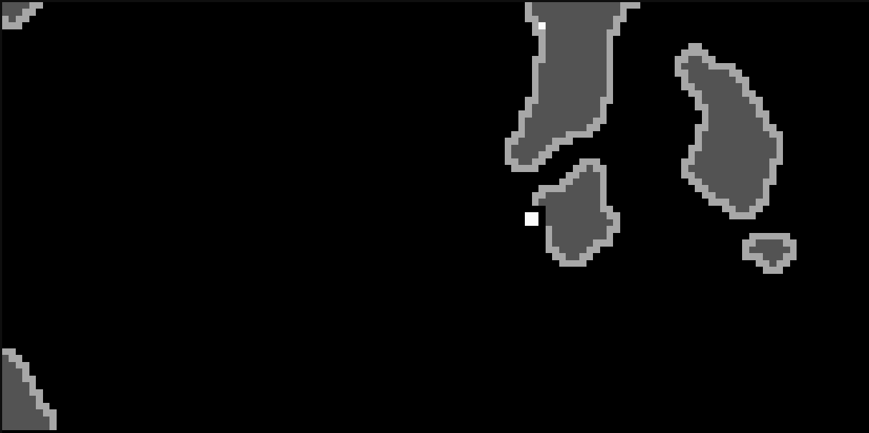
 |  |  |  |  |  |  |  | 10 |  |  |  |  |  |  |  |  |  |  |  | 0 | 18 | 36 | 54 | {, , , , , , , , , , , 0, 18, 36, 54}, // 10
 |  |  |  | 1 | 8 |  |  | 11 |  |  |  |  |  |  |  |  |  |  |  |  | 0 | 18 | 36 | {, , , , , , , , , , , , 0, 18, 36}, // 11
 |  |  |  |  |  |  |  | 12 |  |  |  |  |  |  |  |  |  |  |  |  |  | 0 | 18 | {, , , , , , , , , , , , , 0, 18}, // 12
 |  |  |  |  |  |  |  | 13 |  |  |  |  |  |  |  |  |  |  |  |  |  |  | 0 | {, , , , , , , , , , , , , , 0}, // 13

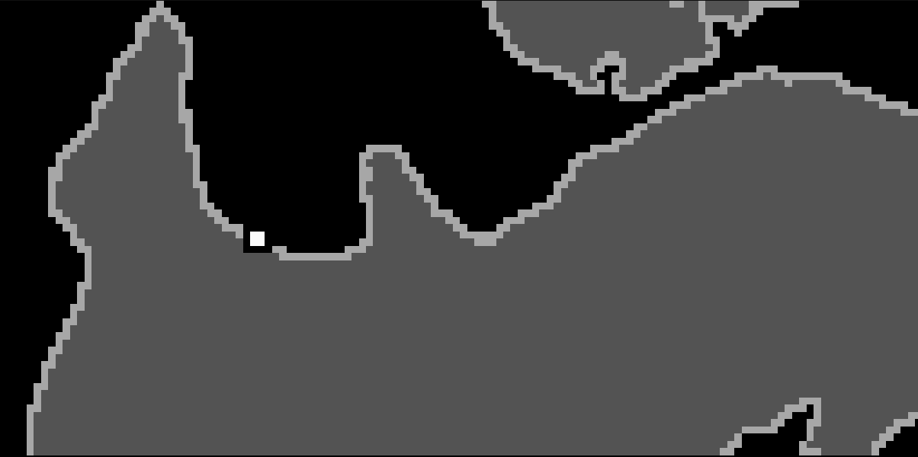

 |  |  |  |  |  |  |  |  | Base | 0 | 1 | 2 | 3 | 4 | 5 | 6 | 7 | 8 | 9 | 10 | 11 | 12 | 13 |  | Base | 0 | 1 | 2 | 3 | 4 | 5 | 6 | 7 | 8 | 9 | 10 | 11 | 12 | 13
 |  |  |  |  |  |  |  | Base | 0 | 18 | 36 | 54 | 72 | 74 | 92 | 94 | 112 | 130 | 132 | 150 | 168 | 186 | 188 | Base | 0 | 0 | 0 | 0 | 0 | 16 | 16 | 32 | 32 | 32 | 48 | 48 | 48 | 48 | 64 | 18
 |  |  |  |  |  |  |  | 0 |  | 0 | 18 | 36 | 54 | 56 | 74 | 76 | 94 | 112 | 114 | 132 | 150 | 168 | 170 | 0 | 0 | 0 | 0 | 0 | 0 | 16 | 16 | 32 | 32 | 32 | 48 | 48 | 48 | 48 | 64
 |  |  |  | 2 | 9 |  |  | 1 |  |  | 0 | 18 | 36 | 38 | 56 | 58 | 76 | 94 | 96 | 114 | 132 | 150 | 152 | 1 | 0 | 0 | 0 | 0 | 0 | 16 | 16 | 32 | 32 | 32 | 48 | 48 | 48 | 48 | 64
 |  |  |  |  |  |  |  | 2 |  |  |  | 0 | 18 | 20 | 38 | 40 | 58 | 76 | 78 | 96 | 114 | 132 | 134 | 2 | 0 | 0 | 0 | 0 | 0 | 16 | 16 | 32 | 32 | 32 | 48 | 48 | 48 | 48 | 64
 |  |  |  |  |  |  |  | 3 |  |  |  |  | 0 | 18 | 36 | 38 | 56 | 74 | 76 | 94 | 112 | 130 | 132 | 3 | 0 | 0 | 0 | 0 | 0 | 0 | 0 | 16 | 16 | 16 | 32 | 32 | 32 | 32 | 48
 |  |  |  |  |  |  |  | 4 |  |  |  |  |  | 0 | 18 | 20 | 38 | 56 | 58 | 76 | 94 | 112 | 114 | 4 | 0 | 0 | 0 | 0 | 0 | 0 | 0 | 16 | 16 | 16 | 32 | 32 | 32 | 32 | 48
 |  |  |  |  |  |  |  | 5 |  |  |  |  |  |  | 0 | 18 | 36 | 54 | 56 | 74 | 92 | 110 | 112 | 5 | 0 | 0 | 0 | 0 | 0 | 0 | 0 | 0 | 0 | 0 | 16 | 16 | 16 | 16 | 32
 |  |  |  |  |  |  |  | 6 |  |  |  |  |  |  |  | 0 | 18 | 36 | 38 | 56 | 74 | 92 | 94 | 6 | 0 | 0 | 0 | 0 | 0 | 0 | 0 | 0 | 0 | 0 | 16 | 16 | 16 | 16 | 32
 |  |  |  |  |  |  |  | 7 |  |  |  |  |  |  |  |  | 0 | 18 | 20 | 38 | 56 | 74 | 76 | 7 | 0 | 0 | 0 | 0 | 0 | 0 | 0 | 0 | 0 | 0 | 16 | 16 | 16 | 16 | 32
 |  |  |  |  |  |  |  | 8 |  |  |  |  |  |  |  |  |  | 0 | 18 | 36 | 54 | 72 | 74 | 8 | 0 | 0 | 0 | 0 | 0 | 0 | 0 | 0 | 0 | 0 | 0 | 0 | 0 | 0 | 16
 |  |  |  |  |  |  |  | 9 |  |  |  |  |  |  |  |  |  |  | 0 | 18 | 36 | 54 | 56 | 9 | 0 | 0 | 0 | 0 | 0 | 0 | 0 | 0 | 0 | 0 | 0 | 0 | 0 | 0 | 16
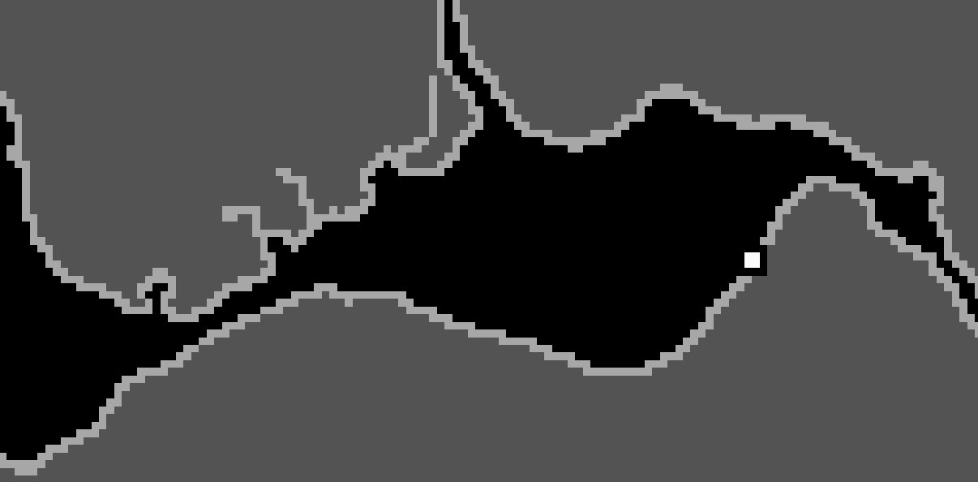

 |  |  |  | 3 | 10 |  |  | 10 |  |  |  |  |  |  |  |  |  |  |  | 0 | 18 | 36 | 38 | 10 | 0 | 0 | 0 | 0 | 0 | 0 | 0 | 0 | 0 | 0 | 0 | 0 | 0 | 0 | 16
 |  |  |  |  |  |  |  | 11 |  |  |  |  |  |  |  |  |  |  |  |  | 0 | 18 | 20 | 11 | 0 | 0 | 0 | 0 | 0 | 0 | 0 | 0 | 0 | 0 | 0 | 0 | 0 | 0 | 16
 |  |  |  |  |  |  |  | 12 |  |  |  |  |  |  |  |  |  |  |  |  |  | 0 | 18 | 12 | 0 | 0 | 0 | 0 | 0 | 0 | 0 | 0 | 0 | 0 | 0 | 0 | 0 | 0 | 0
 |  |  |  |  |  |  |  | 13 |  |  |  |  |  |  |  |  |  |  |  |  |  |  | 0 | 13 | 0 | 0 | 0 | 0 | 0 | 0 | 0 | 0 | 0 | 0 | 0 | 0 | 0 | 0 | 0

 |  |  |  |  |  |  |  |  | Base | 0 | 1 | 2 | 3 | 4 | 5 | 6 | 7 | 8 | 9 | 10 | 11 | 12 | 13
 |  |  |  |  |  |  |  | Base | 0 | 0 | 0 | 0 | 0 | 0 | 0 | 0 | 0 | 0 | 0 | 0 | 0 | 0 | 0
 |  |  |  |  |  |  |  | 0 | 18 | 0 | 0 | 0 | 0 | 0 | 0 | 0 | 0 | 0 | 0 | 0 | 0 | 0 | 0

 |  |  |  |  |  |  |  | 1 | 36 | 18 | 0 | 0 | 0 | 0 | 0 | 0 | 0 | 0 | 0 | 0 | 0 | 0 | 0

 |  |  |  | 4 | 11 |  |  | 2 | 54 | 36 | 18 | 0 | 0 | 0 | 0 | 0 | 0 | 0 | 0 | 0 | 0 | 0 | 0
 |  |  |  |  |  |  |  | 3 | 72 | 54 | 36 | 18 | 0 | 0 | 0 | 0 | 0 | 0 | 0 | 0 | 0 | 0 | 0
 |  |  |  |  |  |  |  | 4 | 74 | 56 | 38 | 20 | 18 | 0 | 0 | 0 | 0 | 0 | 0 | 0 | 0 | 0 | 0
 |  |  |  |  |  |  |  | 5 | 92 | 74 | 56 | 38 | 36 | 18 | 0 | 0 | 0 | 0 | 0 | 0 | 0 | 0 | 0
 |  |  |  |  |  |  |  | 6 | 94 | 76 | 58 | 40 | 38 | 20 | 18 | 0 | 0 | 0 | 0 | 0 | 0 | 0 | 0
 |  |  |  |  |  |  |  | 7 | 112 | 94 | 76 | 58 | 56 | 38 | 36 | 18 | 0 | 0 | 0 | 0 | 0 | 0 | 0
 |  |  |  |  |  |  |  | 8 | 130 | 112 | 94 | 76 | 74 | 56 | 54 | 36 | 18 | 0 | 0 | 0 | 0 | 0 | 0
 |  |  |  |  |  |  |  | 9 | 132 | 114 | 96 | 78 | 76 | 58 | 56 | 38 | 20 | 18 | 0 | 0 | 0 | 0 | 0
 |  |  |  |  |  |  |  | 10 | 150 | 132 | 114 | 96 | 94 | 76 | 74 | 56 | 38 | 36 | 18 | 0 | 0 | 0 | 0
 |  |  |  |  |  |  |  | 11 | 168 | 150 | 132 | 114 | 112 | 94 | 92 | 74 | 56 | 54 | 36 | 18 | 0 | 0 | 0
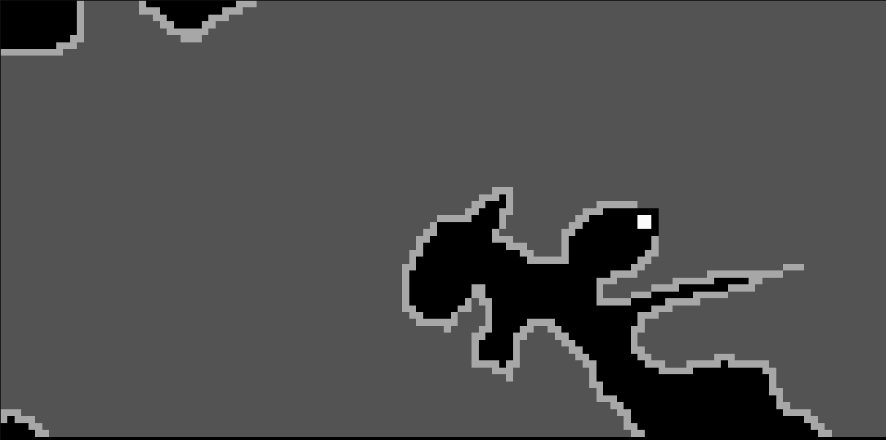

 |  |  |  | 5 | 12 |  |  | 12 | 186 | 168 | 150 | 132 | 130 | 112 | 110 | 92 | 74 | 72 | 54 | 36 | 18 | 0 | 0
 |  |  |  |  |  |  |  | 13 | 188 | 170 | 152 | 134 | 132 | 114 | 112 | 94 | 76 | 74 | 56 | 38 | 20 | 18 | 0

 |  |  |  |  |  |  |  |  | Base | 0 | 1 | 2 | 3 | 4 | 5 | 6 | 7 | 8 | 9 | 10 | 11 | 12 | 13
 |  |  |  |  |  |  |  | Base | 0 | 18 | 36 | 54 | 72 | 74 | 92 | 94 | 112 | 130 | 132 | 150 | 168 | 186 | 188 | {0, 18, 36, 54, 72, 74, 92, 94, 112, 130, 132, 150, 168, 186, 188}, // Base
 |  |  |  |  |  |  |  | 0 | 18 | 0 | 18 | 36 | 54 | 56 | 74 | 76 | 94 | 112 | 114 | 132 | 150 | 168 | 170 | {18, 0, 18, 36, 54, 56, 74, 76, 94, 112, 114, 132, 150, 168, 170}, // 0
 |  |  |  |  |  |  |  | 1 | 36 | 18 | 0 | 18 | 36 | 38 | 56 | 58 | 76 | 94 | 96 | 114 | 132 | 150 | 152 | {36, 18, 0, 18, 36, 38, 56, 58, 76, 94, 96, 114, 132, 150, 152}, // 1
 |  |  |  |  |  |  |  | 2 | 54 | 36 | 18 | 0 | 18 | 20 | 38 | 40 | 58 | 76 | 78 | 96 | 114 | 132 | 134 | {54, 36, 18, 0, 18, 20, 38, 40, 58, 76, 78, 96, 114, 132, 134}, // 2
 |  |  |  |  |  |  |  | 3 | 72 | 54 | 36 | 18 | 0 | 18 | 36 | 38 | 56 | 74 | 76 | 94 | 112 | 130 | 132 | {72, 54, 36, 18, 0, 18, 36, 38, 56, 74, 76, 94, 112, 130, 132}, // 3


 |  |  |  | 6 | 13 |  |  | 4 | 74 | 56 | 38 | 20 | 18 | 0 | 18 | 20 | 38 | 56 | 58 | 76 | 94 | 112 | 114 | {74, 56, 38, 20, 18, 0, 18, 20, 38, 56, 58, 76, 94, 112, 114}, // 4
 |  |  |  |  |  |  |  | 5 | 92 | 74 | 56 | 38 | 36 | 18 | 0 | 18 | 36 | 54 | 56 | 74 | 92 | 110 | 112 | {92, 74, 56, 38, 36, 18, 0, 18, 36, 54, 56, 74, 92, 110, 112}, // 5
 |  |  |  |  |  |  |  | 6 | 94 | 76 | 58 | 40 | 38 | 20 | 18 | 0 | 18 | 36 | 38 | 56 | 74 | 92 | 94 | {94, 76, 58, 40, 38, 20, 18, 0, 18, 36, 38, 56, 74, 92, 94}, // 6
 |  |  |  |  |  |  |  | 7 | 112 | 94 | 76 | 58 | 56 | 38 | 36 | 18 | 0 | 18 | 20 | 38 | 56 | 74 | 76 | {112, 94, 76, 58, 56, 38, 36, 18, 0, 18, 20, 38, 56, 74, 76}, // 7
 |  |  |  |  |  |  |  | 8 | 130 | 112 | 94 | 76 | 74 | 56 | 54 | 36 | 18 | 0 | 18 | 36 | 54 | 72 | 74 | {130, 112, 94, 76, 74, 56, 54, 36, 18, 0, 18, 36, 54, 72, 74}, // 8
 |  |  |  |  |  |  |  | 9 | 132 | 114 | 96 | 78 | 76 | 58 | 56 | 38 | 20 | 18 | 0 | 18 | 36 | 54 | 56 | {132, 114, 96, 78, 76, 58, 56, 38, 20, 18, 0, 18, 36, 54, 56}, // 9
 |  |  |  |  |  |  |  | 10 | 150 | 132 | 114 | 96 | 94 | 76 | 74 | 56 | 38 | 36 | 18 | 0 | 18 | 36 | 38 | {150, 132, 114, 96, 94, 76, 74, 56, 38, 36, 18, 0, 18, 36, 38}, // 10
 |  |  |  |  |  |  |  | 11 | 168 | 150 | 132 | 114 | 112 | 94 | 92 | 74 | 56 | 54 | 36 | 18 | 0 | 18 | 20 | {168, 150, 132, 114, 112, 94, 92, 74, 56, 54, 36, 18, 0, 18, 20}, // 11
 |  |  |  |  |  |  |  | 12 | 186 | 168 | 150 | 132 | 130 | 112 | 110 | 92 | 74 | 72 | 54 | 36 | 18 | 0 | 18 | {186, 168, 150, 132, 130, 112, 110, 92, 74, 72, 54, 36, 18, 0, 18}, // 12
 |  |  |  |  |  |  |  | 13 | 188 | 170 | 152 | 134 | 132 | 114 | 112 | 94 | 76 | 74 | 56 | 38 | 20 | 18 | 0 | {188, 170, 152, 134, 132, 114, 112, 94, 76, 74, 56, 38, 20, 18, 0}, // 13

