P5
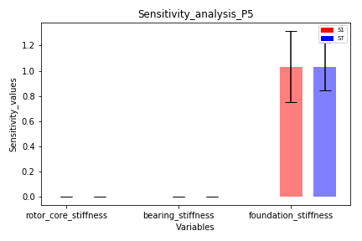
P5
Variables | S1 | Conf_S1 | S1_Conf | ST | Conf_ST | ST_Conf
rotor_core_stiffness | -2.2905765397E-06 | 9.699340151E-05 | [-0.0, 0.0] | 1.2125120509E-07 | 4.1124437233E-08 | [0.0, 0.0]
bearing_stiffness | -7.1492960963E-06 | 0.00010481949847 | [-0.0, 0.0] | 1.7659834508E-07 | 7.5663366735E-08 | [0.0, 0.0]
foundation_stiffness | 1.0331331688 | 0.28376302033 | [0.749, 1.317] | 1.0330482331 | 0.19081613608 | [0.842, 1.224]

P6
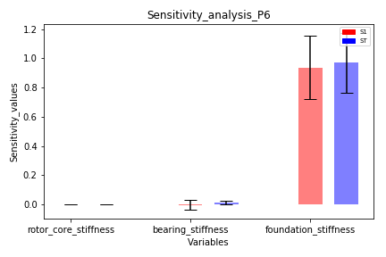
P6
Variables | S1 | Conf_S1 | S1_Conf | ST | Conf_ST | ST_Conf
rotor_core_stiffness | 8.1961534239E-05 | 0.00045701452436 | [-0.0, 0.001] | 2.0650743193E-06 | 1.6811228797E-06 | [0.0, 0.0]
bearing_stiffness | -0.0035993924982 | 0.033435264193 | [-0.037, 0.03] | 0.014129794408 | 0.010834936335 | [0.003, 0.025]
foundation_stiffness | 0.93773737134 | 0.21472386354 | [0.723, 1.152] | 0.96915617449 | 0.20523535017 | [0.764, 1.174]

P7
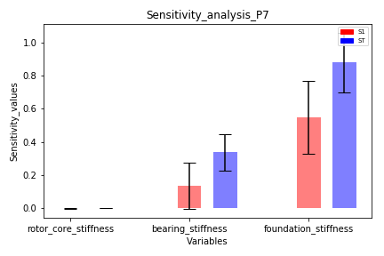
P7
Variables | S1 | Conf_S1 | S1_Conf | ST | Conf_ST | ST_Conf
rotor_core_stiffness | -0.00076717353803 | 0.0024654439712 | [-0.003, 0.002] | 7.54694759E-05 | 5.6901149952E-05 | [0.0, 0.0]
bearing_stiffness | 0.13430539075 | 0.14127848974 | [-0.007, 0.276] | 0.33733651377 | 0.11134619112 | [0.226, 0.449]
foundation_stiffness | 0.5493772774 | 0.21952748017 | [0.33, 0.769] | 0.88063272774 | 0.18005724528 | [0.701, 1.061]

P8
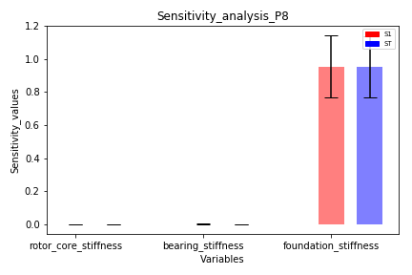
P8
Variables | S1 | Conf_S1 | S1_Conf | ST | Conf_ST | ST_Conf
rotor_core_stiffness | 2.7514999866E-07 | 8.6517975735E-06 | [-0.0, 0.0] | 9.3165516398E-10 | 9.8034111379E-10 | [-0.0, 0.0]
bearing_stiffness | 0.0012922656651 | 0.0025010457157 | [-0.001, 0.004] | 8.4845562125E-05 | 0.00011980956501 | [-0.0, 0.0]
foundation_stiffness | 0.95479843386 | 0.18903020075 | [0.766, 1.144] | 0.95226554043 | 0.18706704129 | [0.765, 1.139]

