gap
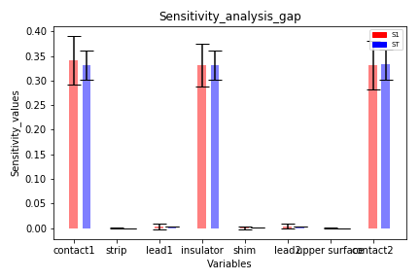
gap
Variables | S1 | Conf_S1 | S1_Conf | ST | Conf_ST | ST_Conf
contact1 | 0.34186792372 | 0.049525499382 | [0.292, 0.391] | 0.33113952256 | 0.029156532633 | [0.302, 0.36]
strip | 4.6806494395E-05 | 0.00023290342819 | [-0.0, 0.0] | 8.2972173317E-06 | 8.4668441925E-07 | [0.0, 0.0]
lead1 | 0.0025014740855 | 0.0057946782068 | [-0.003, 0.008] | 0.00331953795 | 0.00031238415195 | [0.003, 0.004]
insulator | 0.33214205437 | 0.043279291789 | [0.289, 0.375] | 0.33205941459 | 0.029349182859 | [0.303, 0.361]
shim | 0.0010414073739 | 0.0029159449377 | [-0.002, 0.004] | 0.0011955028315 | 0.00010610132883 | [0.001, 0.001]
lead2 | 0.0035356521989 | 0.0049199346214 | [-0.001, 0.008] | 0.0033104495053 | 0.00026563189528 | [0.003, 0.004]
upper surface | 2.0022160417E-05 | 0.00022509550195 | [-0.0, 0.0] | 8.2794896291E-06 | 7.3793202055E-07 | [0.0, 0.0]
contact2 | 0.33151091809 | 0.049030343924 | [0.282, 0.381] | 0.33313907144 | 0.03090143763 | [0.302, 0.364]

