Dashboard
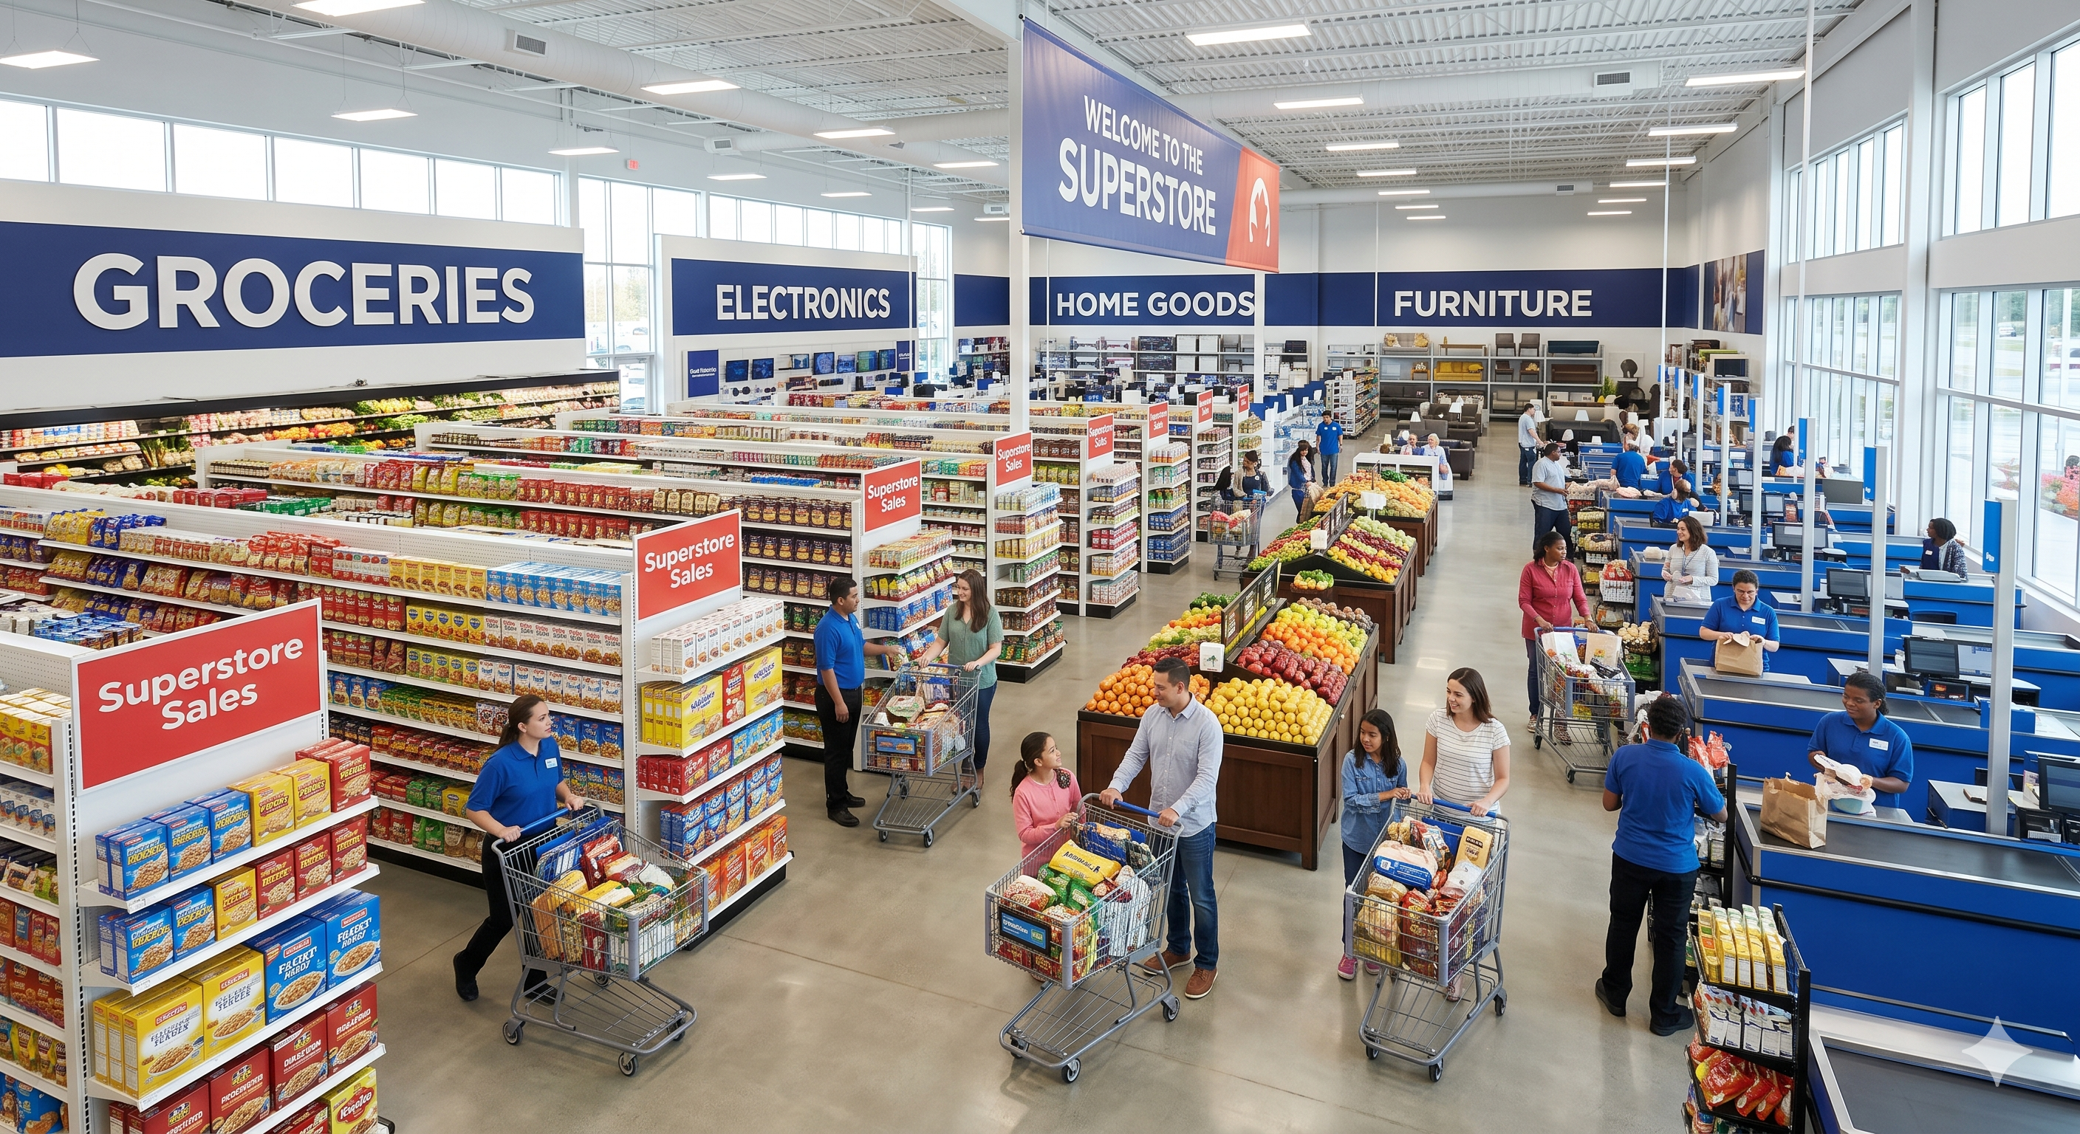
Superstore Analytics: Annual Sales Report

Total Sales:
2261536.783
 | Total
Furniture | 728658.5757
Office Supplies | 705422.334
Technology | 827455.873
 | Total
Jan | 94291.6296
Feb | 59371.1154
Mar | 197573.5872
Apr | 136283.0006
May | 154086.7237
Jun | 145837.5233
Jul | 145535.689
Aug | 157315.927
Sep | 300103.4117
Oct | 199496.2947
Nov | 350161.711
Dec | 321480.1695
Total Orders:
4922

Total Customers:
793
 | Total
Accessories | 164186.7
Appliances | 104618.403
Art | 26705.41
Binders | 200028.785
Bookcases | 113813.1987
Chairs | 322822.731
Copiers | 146248.094
Envelopes | 16128.046
Fasteners | 3001.96
Furnishings | 89212.018
Labels | 12347.726
Machines | 189238.631
Paper | 76828.304
Phones | 327782.448
Storage | 219343.392
Supplies | 46420.308
Tables | 202810.628
Average Order Value:
459.48

