Info
Company Name | Microvast Holdings Inc.
Ticker | MVST
Country | USA
Sector | Industrials
Industry | Electrical Equipment & Parts
HQ | Stafford, Texas
Founded | 2006
Employees | 1,535

Info
Microvast Holdings, Inc. designs, develops, and manufactures battery systems for electric vehicles and energy storage systems in the United States, China, rest of the Asia Pacific, and Europe.
The company offers a range of cell chemistries, such as lithium titanate oxide, lithium iron phosphate, and nickel manganese cobalt version 1 and 2.
It also designs, develops, and manufactures battery components, such as cathode, anode, electrolyte, and separator.
In addition, the company offers battery solutions for commercial vehicles and energy storage systems.
Its commercial vehicle markets cover buses, trains, mining trucks, marine and port applications, and automated guided and specialty vehicles, as well as light, medium, heavy-duty trucks.

Industry Projections |  |  | 2018 | 2019 | 2020 | 2021 | 2022 | 2023 | 2024 | 2025 | 2026 | 2027 | 2028 | 2029 | 2030 | 2031
Marketsize *in billions |  |  |  | $17 |  |  |  |  |  |  |  |  | $95

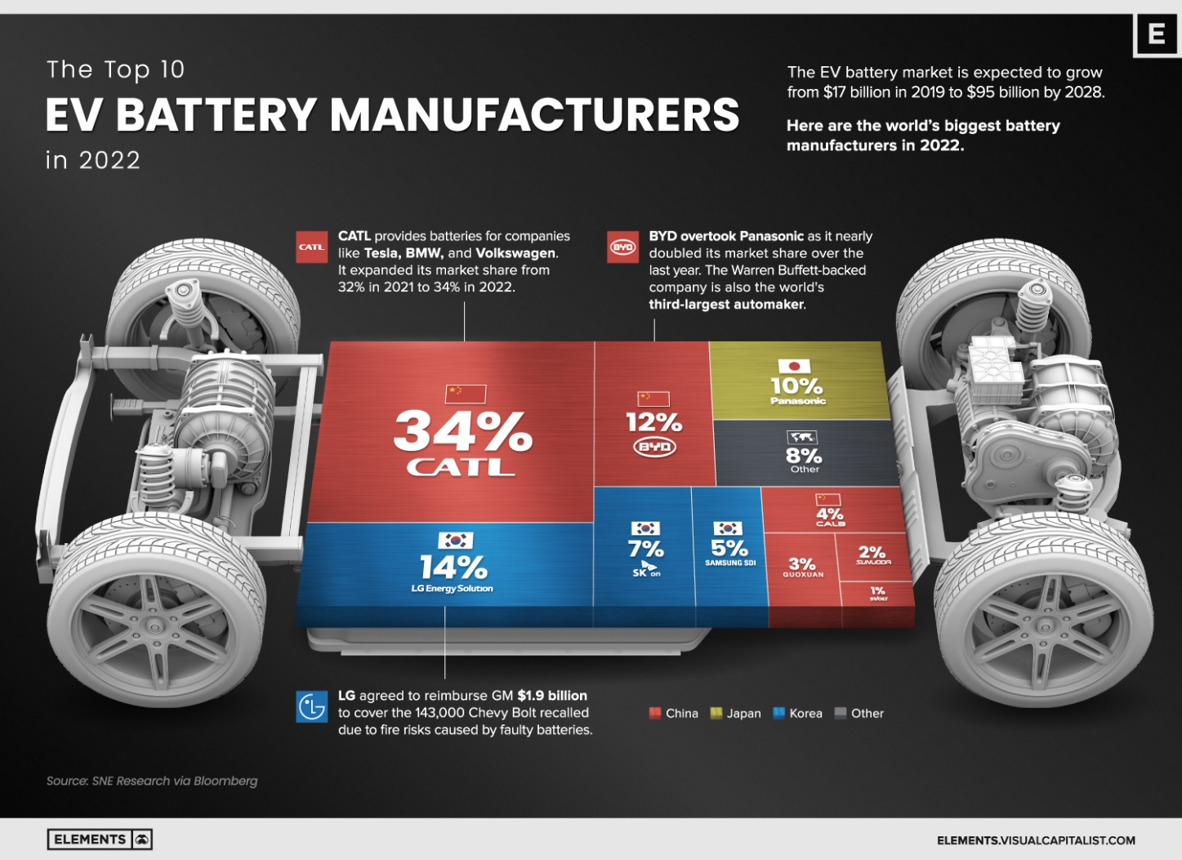
Competitors | MarketShare | Location
2022
CATL | 34% | China
LG Energy Solution | 14% | Korea
BYD | 12% | Korea
Panasonic | 10% | Japan
SK on | 7% | Korea
Samsung SDI | 5% | Korea
CALB | 4% | China
Guoxuan | 3% | China
Sunwodr?? | 2% | China
sVolt | 1% | China
Other | 8% | Other
Total | 100%

