Pivot Table 5
Post Tier

Pivot Table 4
People Working in each department

Class Interval
Number of People vs. Grouped Offered Salary

Sheet2
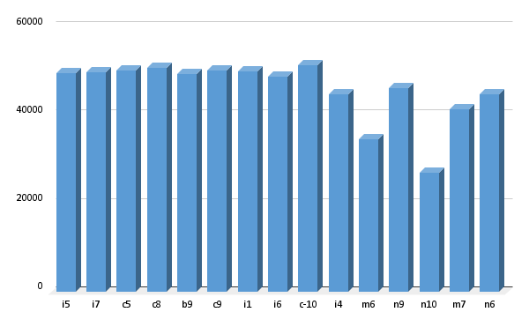

Pivot Table 1
Female and Male

