Sheet1
Category_Name | SubCategory_Name | Product_name | product_description | Product_price | Product_quantity | Product_image
Electronics | Fitness Equipment | iPhone 13 Pro | Advanced smartphone with professional camera | 9999 | 20 | 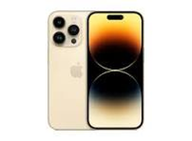
Fashion | Women's Clothing | Nike Air Max | Comfortable running shoes | 129.99 | 200 | 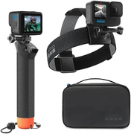
Fashion | Women's Clothing | Neutrogena Moisturizer | Hydrating face creamsfg | 14.01 | 250
Electronics | Fitness Equipment | iPhone 13 Pro | iPhone 13 ProiPhone 13 ProiPhone 13 Pro | 123 | 22000 | 