Cover
Open Cart 3 Performance Test Report



14/02/2021 08:46 PM - 08:57 PM

5 Running Robots
5 Running Robots
5.1 Graph

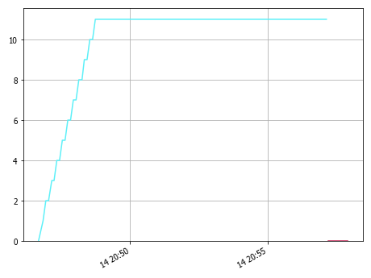

5.2 Summary

As you can see above we ramped up to nn robots and held at a steady state for mm minutes.

5.3 Table

 | PrimaryMetric | Minimum | Average | 95%ile | Maximum | Std. Dev.
 | 20210214_204637_browseOC100 | 0 | 9.943 | 11 | 11 | 2.545
 | PreRun | 0 | 0 |  | 0 | 0

6 Response Time
6 Response Time

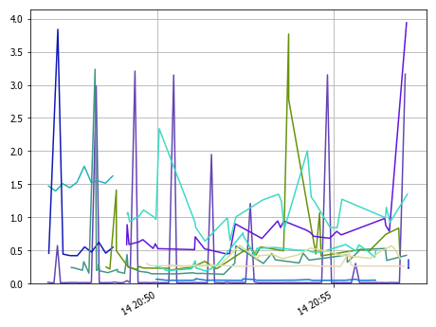

6.1 Details

 | Result Name | Minimum | Average | 95%ile | Maximum | Std. Dev. | Count
 | OC3 Add Product to Cart | 0.257 | 0.276 | 0.301 | 0.48 | 0.043 | 25
 | OC3 Close Browser | 0.227 | 0.259 |  | 0.357 | 0.039 | 10
 | OC3 Open Browser | 1.398 | 1.534 |  | 1.771 | 0.103 | 10
 | OC3 Open Cart | 0.047 | 0.054 | 0.07 | 0.073 | 0.008 | 24
 | OC3 Open Menu Page | 0.139 | 0.356 | 0.529 | 3.235 | 0.477 | 41
 | OC3 Open Product Page | 0.641 | 1.113 | 2.004 | 2.339 | 0.358 | 28
 | OC3 Open Store Page | 0.42 | 0.823 |  | 3.838 | 1.061 | 10
 | OC3 Remove Item from Cart | 0.265 | 0.394 | 0.569 | 0.575 | 0.105 | 24
 | OC3 Return to Store Page | 0.203 | 0.643 | 2.775 | 3.769 | 0.775 | 30
 | OC3 Search Store | 0.446 | 0.823 | 0.983 | 3.939 | 0.63 | 28
 | OC3 View Cart | 0.188 | 0.422 | 0.723 | 0.764 | 0.168 | 24
 | SSH: Post AUT Stats | 0.011 | 0.207 | 1.948 | 3.208 | 0.71 | 101

7 OC3 Response Time
7 OC3 Response Time

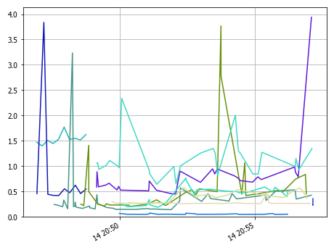

7.1 Details

 | Result Name | Minimum | Average | 95%ile | Maximum | Std. Dev. | Count
 | OC3 Add Product to Cart | 0.257 | 0.276 | 0.301 | 0.48 | 0.043 | 25
 | OC3 Close Browser | 0.227 | 0.259 |  | 0.357 | 0.039 | 10
 | OC3 Open Browser | 1.398 | 1.534 |  | 1.771 | 0.103 | 10
 | OC3 Open Cart | 0.047 | 0.054 | 0.07 | 0.073 | 0.008 | 24
 | OC3 Open Menu Page | 0.139 | 0.356 | 0.529 | 3.235 | 0.477 | 41
 | OC3 Open Product Page | 0.641 | 1.113 | 2.004 | 2.339 | 0.358 | 28
 | OC3 Open Store Page | 0.42 | 0.823 |  | 3.838 | 1.061 | 10
 | OC3 Remove Item from Cart | 0.265 | 0.394 | 0.569 | 0.575 | 0.105 | 24
 | OC3 Return to Store Page | 0.203 | 0.643 | 2.775 | 3.769 | 0.775 | 30
 | OC3 Search Store | 0.446 | 0.823 | 0.983 | 3.939 | 0.63 | 28
 | OC3 View Cart | 0.188 | 0.422 | 0.723 | 0.764 | 0.168 | 24

8 TPS Pass
8 TPS Pass

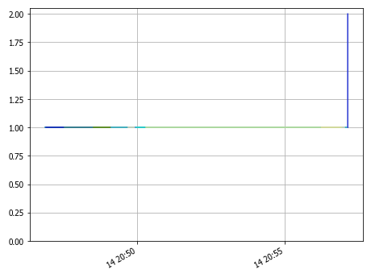

8.1 Details

 | Result Name | Result | Count
 | SSH: Post AUT Stats | PASS | 101
 | OC3 Open Menu Page | PASS | 41
 | OC3 Return to Store Page | PASS | 30
 | OC3 Search Store | PASS | 28
 | OC3 Open Product Page | PASS | 28
 | OC3 Add Product to Cart | PASS | 25
 | OC3 View Cart | PASS | 24
 | OC3 Remove Item from Cart | PASS | 24
 | OC3 Open Cart | PASS | 24
 | OC3 Open Store Page | PASS | 10
 | OC3 Open Browser | PASS | 10
 | OC3 Close Browser | PASS | 10

9 TPS Fail
9 TPS Fail

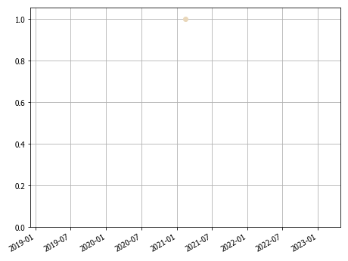

9.1 Details

 | Result Name | Result | Count
 | OC3 Add Product to Cart | FAIL | 1

10 AUT
10 AUT
10.1 Web Server
10.1.1 CPU Idle

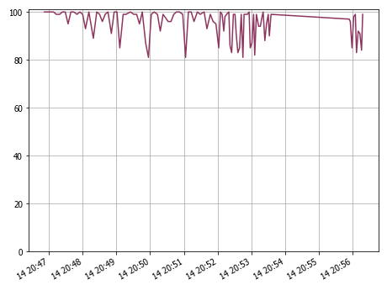

10.1.1.1 Details

 | PrimaryMetric | Minimum | Average | 95%ile | Maximum | Std. Dev.
 | opencart3 | 81 | 95.535 | 100 | 100 | 5.825

10.1.2 Memory Free

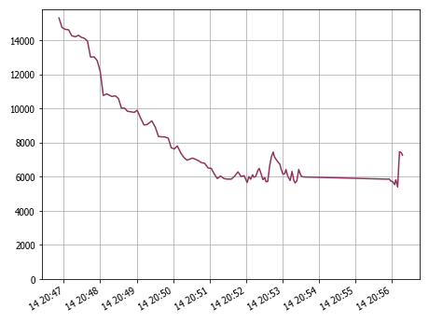

10.1.2.1 Details

 | PrimaryMetric | Minimum | Average | 95%ile | Maximum | Std. Dev.
 | opencart3 | 5400 | 8059.921 | 14272 | 15312 | 2786.652

10.1.3 CPU Stolen

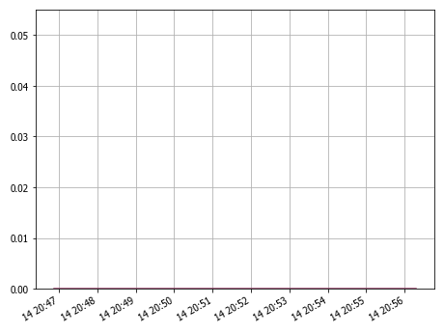

10.1.3.1 Dteails

 | PrimaryMetric | Minimum | Average | 95%ile | Maximum | Std. Dev.
 | opencart3 | 0 | 0 | 0 | 0 | 0

12 Agents
12 Agents
12.1 Load

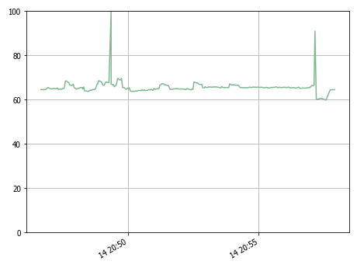

12.1.1 Details

 | PrimaryMetric | Minimum | Average | 95%ile | Maximum | Std. Dev.
 | DavesMBPSG | 59.7 | 65.669 | 67.9 | 100 | 2.712

12.2 CPU

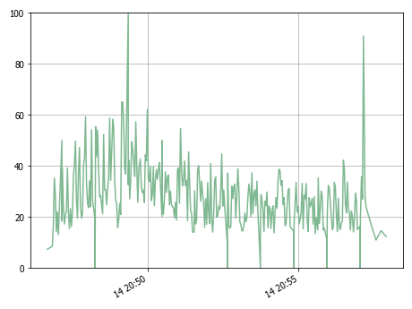

12.2.1 Details

 | PrimaryMetric | Minimum | Average | 95%ile | Maximum | Std. Dev.
 | DavesMBPSG | 0 | 27.939 | 52.3 | 100 | 12.697

12.3 Memory

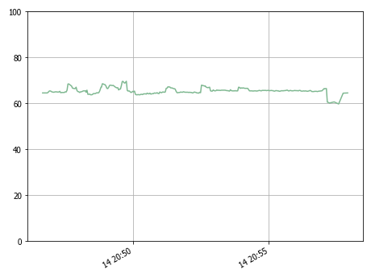

12.3.1 Details

 | PrimaryMetric | Minimum | Average | 95%ile | Maximum | Std. Dev.
 | DavesMBPSG | 59.7 | 65.469 | 67.8 | 69.6 | 1.288

12.4 Network

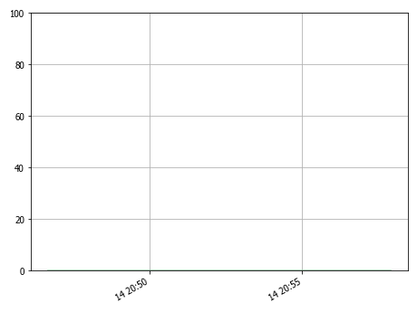

12.4.1 Details

 | PrimaryMetric | Minimum | Average | 95%ile | Maximum | Std. Dev.
 | DavesMBPSG | 0 | 0 | 0 | 0.0009765625 | 0

12.5 Running Robots

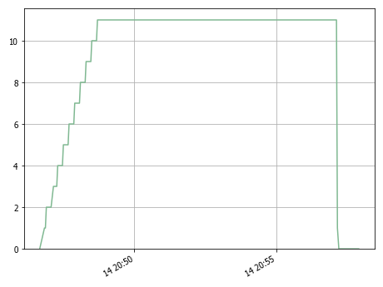

12.5.1 Details

 | PrimaryMetric | Minimum | Average | 95%ile | Maximum | Std. Dev.
 | DavesMBPSG | 0 | 9.811 | 11 | 11 | 2.761

12.6 Assigned Robots

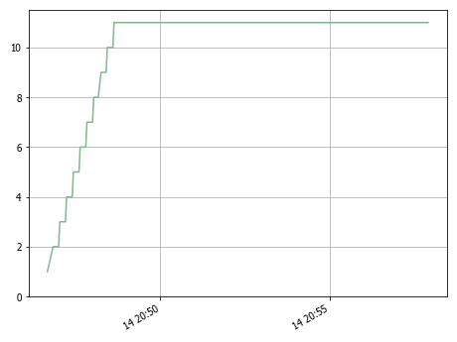

12.6.1 Details

 | PrimaryMetric | Minimum | Average | 95%ile | Maximum | Std. Dev.
 | DavesMBPSG | 1 | 10.12 | 11 | 11 | 2.221

12.7 rfswam agent versions

 | PrimaryMetric | MetricValue
 | DavesMBPSG | 0.6.4

12.8 Selenium Versions

 | PrimaryMetric | MetricValue
 | DavesMBPSG | 4.5.0

