seg 2 Elast
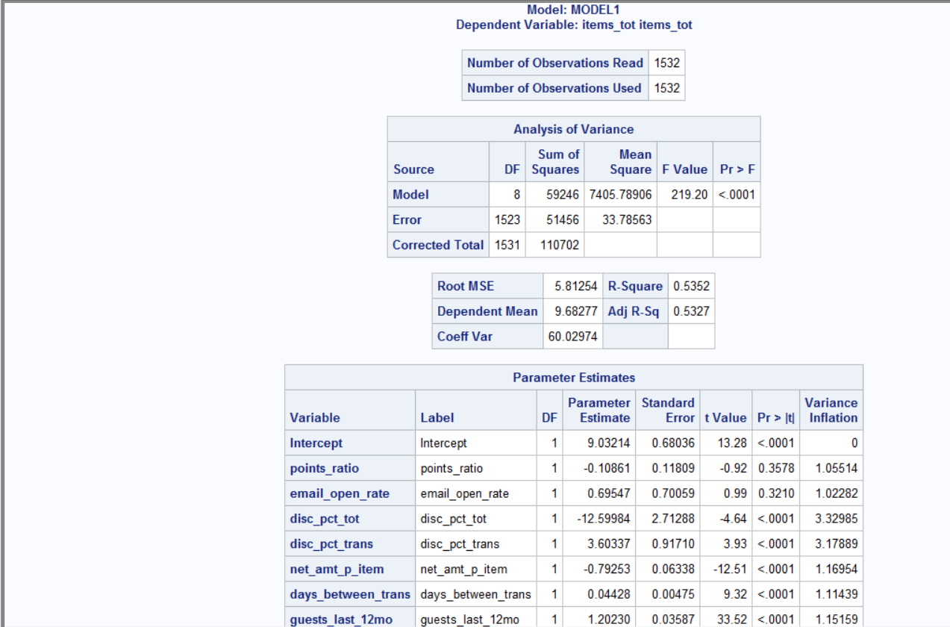

Variable | Label | N | Mean | Std Dev | Minimum | Maximum
net_amt_p_item | net_amt_p_item | 1532 | 8.2240509 | 2.5348881 | 2.7 | 31.663333
items_tot | items_tot | 1532 | 9.6827676 | 8.5033449 | 1 | 75

Elasticity Calc |  | βP | Pbar | Qbar
-0.67313472026 |  | -0.79253 | 8.2240509 | 9.6827676

ELAST | -0.67313472026 | Input | calc | % CHANGE
PRICE | $8.22 |  | $11.92 | 45.00% | 45% | 45%
UNITS | $9.68 |  | $6.75 |  | -30.3% | -30%
TOT REV/ Cust | $79.63 |  | $80.49 |  | 1.1%

Total $ | $110,544.77 |  | $123,310.63 | 12%

 |  |  |  | $12,765.86

seg 3 Elast
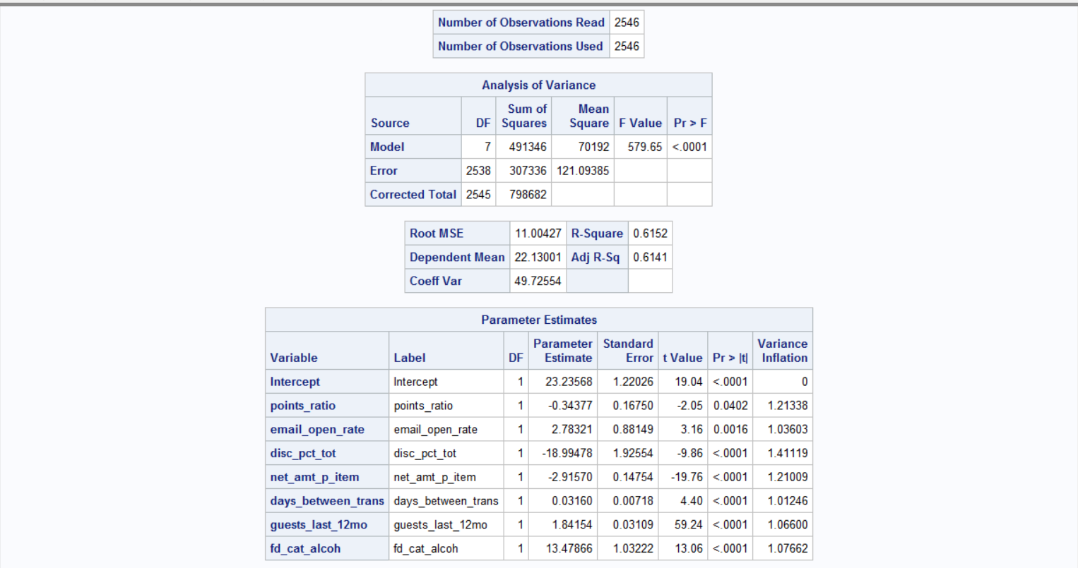

Variable | Label | N | Mean | Std Dev | Minimum | Maximum
net_amt_p_item | net_amt_p_item | 2546 | 6.1923932 | 1.6263694 | 0.493333 | 16.798888
items_tot | items_tot | 2546 | 22.1300079 | 17.7150771 | 1 | 92

Elasticity Calc |  | βP | Pbar | Qbar
-0.81586779972 |  | -2.9157 | 6.1923932 | 22.1300079

ELAST | -0.81586779972 | Input | calc | % CHANGE
PRICE | $6.19 |  | $8.98 | 45.00% | 45% | 45%
UNITS | $22.13 |  | $14.01 |  | -36.7% | -37%
TOT REV/ Cust | $137.04 |  | $125.75 |  | -9.0%

Total $ | $325,171.21 |  | $320,164.95 | -2%

 |  |  |  | $(5,006.26)

seg 6 Elast
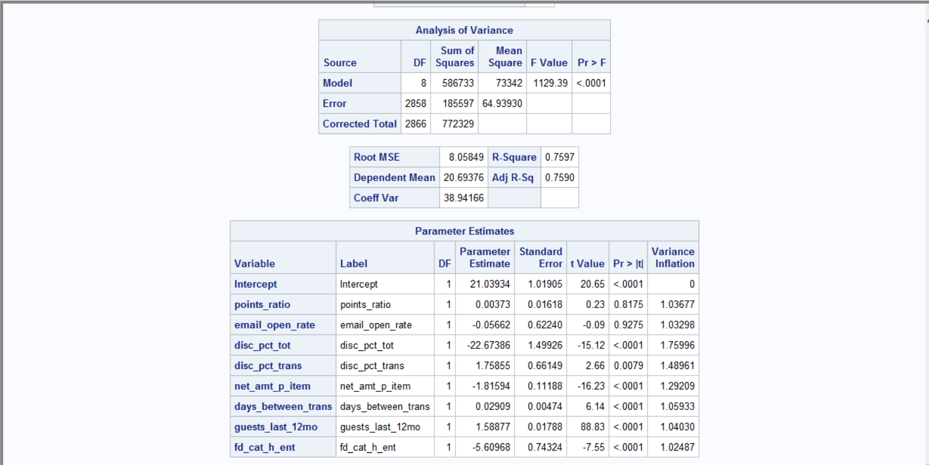

Variable | Label | N | Mean | Std Dev | Minimum | Maximum
net_amt_p_item | net_amt_p_item | 2867 | 6.3900028 | 1.5293367 | 0 | 16.99
items_tot | items_tot | 2867 | 20.6937565 | 16.41584 | 0 | 96

Elasticity Calc |  | βP | Pbar | Qbar
-0.56076068571 |  | -1.816 | 6.3900028 | 20.6937565

ELAST | -0.56076068571 | Input | calc | % CHANGE
PRICE | $6.39 |  | $9.27 | 45.00% | 45% | 45%
UNITS | $20.69 |  | $15.47 |  | -25.2% | -25%
TOT REV | $132.23 |  | $143.35 |  | 7.8%

Total $ | $364,383.75 |  | $410,997.22 | 13%

 |  |  |  | $46,613.47

