Sheet1
Product Name | Price | Description | Product Image
Koorui E2212F | 15999 | Panel Type: VA; Resolution: Full HD (1920×1080); Refresh Rate: 100 Hz; Response Time: 5–6 ms; Color Gamut: 99% sRGB / ~72% NTSC; Brightness: ~250 cd/m²; Contrast Ratio: 3000:1 (static), 20M:1 (dynamic); Viewing Angles: 178° / 178°; Inputs: HDMI 1.4, VGA, 3.5 mm audio out; VESA Mount: 100 × 100 mm; Ergonomics: Tiltable; wall-arm-mountable; Eye Care Features: Flicker-free, Low Blue Light; Power Consumption: ≤ 24 W (operation), ≤ 0.5 W (standby); Dimensions & Weight: ~49.5×38.8×18.5 cm; ~2.3 kg (with stand); Warranty: 2 Years | 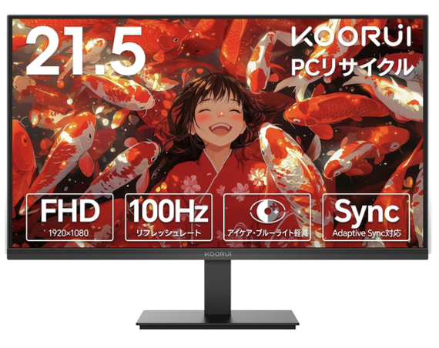
Koorui 24GP / 23.8-inch gaming monitor | 24000 | Panel Type: Fast IPS (23.8"); Resolution: 1920 × 1080 (Full HD); Refresh Rate: 165 Hz (DP) / 144 Hz (HDMI); Response Time: 1 ms (GTG); Color Gamut: ~99% sRGB; Brightness: ~350 cd/m²; Contrast Ratio: 1000:1 static, up to 20M:1 dynamic; Adaptive Sync: Yes (Smart Adaptive Sync / FreeSync); Eye Comfort: Blue Light Filter, Flicker-Free; Ergonomics: Tilt-adjustable; VESA mountable; Stand Flexibility: ~5° to +20° tilt; Power Consumption: Likely ~30–40 W | 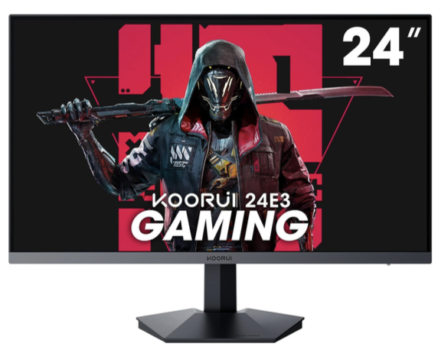
Koorui 34E6UC / 34 Inch Gaming Monitor | 68000 | Panel Type & Size: 34" curved VA (1000R); Resolution: 3440 × 1440 (WQHD), 21:9; Refresh Rate: 165 Hz; Response Time: 1 ms MPRT (OD: 8.4 ms); Color Gamut: 100% sRGB, ~90% DCI-P3; Brightness: ~400 cd/m²; Contrast Ratio: ~3000:1 (static); Adaptive Sync: FreeSync Premium & G-SYNC compatible; HDR: HDR 400; Gaming Features: Crosshair, Timer, Game Modes, PiP/Dual Mode; Ergonomics: Height/tilt/swivel adjustable; VESA 75×75 mm; Speakers: None; Power & Size: ~65 W input; ~797.5×535.4×242 mm; ~8 kg | 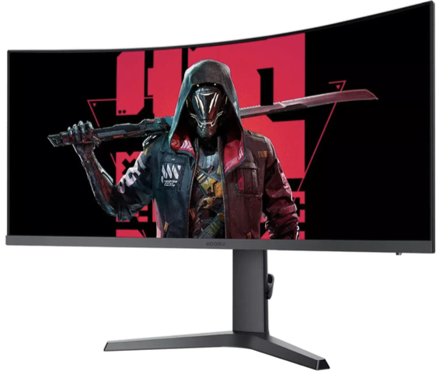
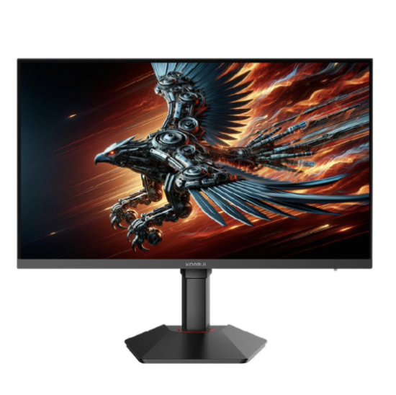
Koorui 27E6QCA / 27 Inch Gaming | 34000 | Panel Type & Curve: 27" VA panel, 1500R curved; Resolution: QHD 2560 × 1440; Refresh Rate: Up to 180 Hz; Response Time: 1 ms (MPRT or GTG); Color Gamut: 100% sRGB / ~90% DCI-P3; Contrast Ratio: ~4000:1 (static); Sync Technology: FreeSync & G-SYNC compatible; HDR: HDR10; Gaming Features: Crosshair, Timer, OSD presets, Black Equalizer; Inputs: DP 1.4 × 1, HDMI 2.0 × 2, Audio Out; Ergonomics: Tilt –5° to +15°, VESA mountable | 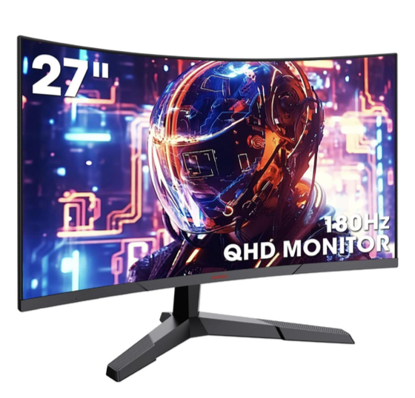
Koorui G2741L / 27 inch 4k Gaming monitor | 70000 | Screen Size & Type: 27-inch flat Fast IPS panel; Resolution: Ultra HD 3840 × 2160 (4K); Refresh Rate (Dual-Mode): Up to 160 Hz in 4K mode; can switch to 320 Hz at Full HD (1920 × 1080); Response Time: 1 ms (DIC or GTG); Color Gamut: Approximately 95% DCI-P3; Color Depth: 10-bit (1.07 billion colors); Color Accuracy: ΔE ≤ 2; Brightness: 350 cd/m² typical; Contrast Ratio: Static ~1000:1; Dynamic up to 20,000,000:1; HDR Support: VESA-certified HDR 400; Viewing Angles: 178° horizontal and vertical; Inputs: 2 × HDMI 2.0, 1 × DisplayPort 1.4, plus 3.5 mm audio out; Power Consumption: ≤ 65 W during operation; standby ≤ 0.5 W; Power Supply: External, rated at 19 V / 3.42 A; Included Accessories: 1.5 m DisplayPort cable, power adapter, power cable, user manual, and repair certificate

