Sheet1
Product Name | Price | Description | Product Image
Elgato Camlink 4k | 26250 | Easily connect your DSLR, camcorder, or action cam to your PC or Mac; Go live on any platform in no time thanks to ultra-low-latency technology; Broadcast in stunning quality up to 1080P60 or 4K at 30 FPS; Shoot and produce within your favorite tools; Real-Time Feedback; Record footage directly to your hard drive without time restrictions | 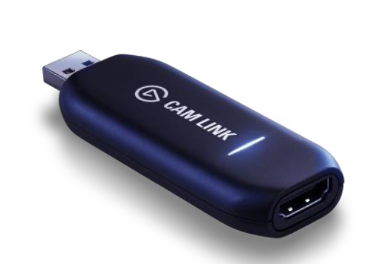
Elgato HD60s | 40000 | Easily connect your DSLR, camcorder, or action cam to your PC or Mac; Go live on any platform in no time thanks to ultra-low-latency technology; Broadcast in stunning quality up to 1080P60 or 4K at 30 FPS; Shoot and produce within your favorite tools; Real-Time Feedback; Record footage directly to your hard drive without time restrictions | 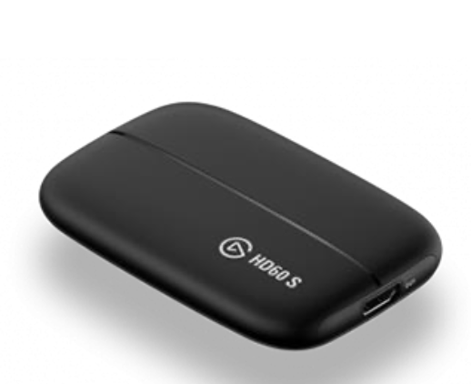
Elgato HD60s+ | 47500 | Capture your gameplay in superb 1080p60 HDR10 quality; Play your high-fidelity console games in original format thanks to 4K60 HDR10 zero-lag pass-through; Power your workflow with ultra-low-latency Instant Gameview technology; Record unlimited footage directly to your hard drive; Use Flashback Recording to save footage retroactively | 