Product Catalog 2026
Product Name | Description | Additional Information | Price | Product Image
Swift Graphite Pencil (WP-041) | HB grade, Super Dark & Super Smooth writing. Features eraser tip. High quality soft wood barrel with better grip. | 10 pcs per box. Pack: 10 Box | Carton: 360 Box. | 64 | 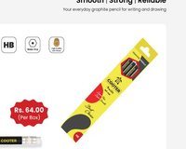
Atom Graphite Pencil (WP-032) | HB grade, Super Dark & Super Smooth writing. Features eraser tip. High quality soft wood. Comes with FREE sharpener. | 10 pcs per box. Pack: 10 Box | Carton: 240 Box. (Upcoming) | — | 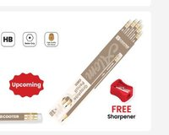
Rocket Graphite Pencil (WP-051) | HB grade, Super Dark & Super Smooth writing. Triangular better grip design. High quality soft wood. Comes with FREE eraser & sharpener. | 10 pcs per box. Pack: 10 Box | Carton: 240 Box. (Upcoming) | — | 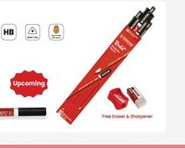
Scribbler's Graphite Pencil (WP-01) | 2B grade, Super Fine & Super Smooth writing. Features eraser tip. Round barrel with better grip. High quality soft wood. | 12 pcs per box. Pack: 12 Box | Carton: 108 Box. | 88 | 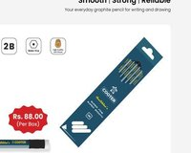
Orbit Graphite Pencil (WP-02) | 2B grade, Super Fine & Super Smooth writing. Triangular better grip design. High quality soft wood. | 12 pcs per box. Pack: 12 Box | Carton: 108 Box. | 82 | 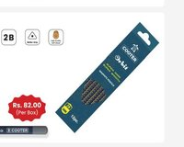
Neo-glo Graphite Pencil (WP-03) | 2B grade, Super Fine & Super Smooth writing. Triangular better grip. Vibrant multi-color barrel. High quality soft wood. | 12 pcs per box. Pack: 12 Box | Carton: 108 Box. | 88 | 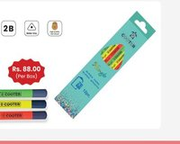
Brilliant Graphite Pencil (KWP-021) | Super Fine & Super Smooth, HB grade. Features eraser tip. Comes with FREE sharpener. | 10 pcs per box. Pack: 10 Box | Carton: 240 Box. | 68 | 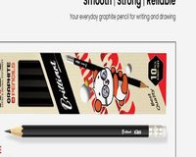
Champion Graphite Pencil (KWP-022) | 2B grade, Super Fine & Super Smooth. Comes with FREE eraser & sharpener. | 10 pcs per box. Pack: 10 Box | Carton: 240 Box. | 74 | 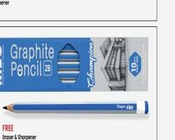
Scholar Graphite Pencil (KWP-011) | 2B grade, Super Fine & Super Smooth. Comes with FREE 2-in-1 eraser & sharpener. | 10 pcs per box. Pack: 6 Box | Carton: 240 Box. | 103 | 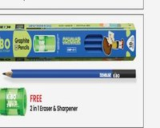
Danphe Graphite Pencil (KWP-08) | 2B grade, Super Fine & Super Smooth. Comes with FREE 2-in-1 eraser & sharpener. | 10 pcs per box. Pack: 10 Box | Carton: 240 Box. (Upcoming) | — | 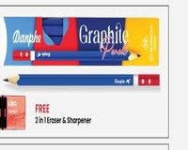
Green Graphite Pencil (KWP-09) | 2B grade, Super Fine & Super Smooth. Comes with FREE 2-in-1 eraser & sharpener. | 10 pcs per box. Pack: 20 Box | Carton: 240 Box. (Upcoming) | — | 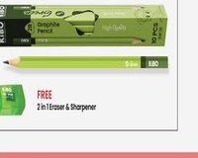
Art Mate Half Size Color Pencil (WCP-512) | 12 vibrant colors per box. Soft, break-resistant lead. Non-toxic. Smooth sharpening. Half-size pencils ideal for young artists. Comes with FREE sharpener. | Pack: 12 Sets | Carton: 480 Sets. (Upcoming) | — | 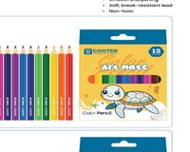
Art Mate Full Size Color Pencil (WCP-1012) | 12 vibrant colors per box. Soft, break-resistant lead. Non-toxic. Smooth sharpening. Full-size professional color pencils. Comes with FREE sharpener. | Pack: 12 Sets | Carton: 240 Sets. (Upcoming) | — | 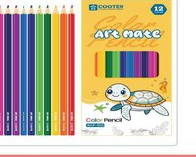
ColorStar Half Size Color Pencil (HCP-016) | 12 vibrant colors per box. Soft, break-resistant lead. Non-toxic. Smooth sharpening. Half-size design with FREE sharpener. | Pack: 12 Sets | Carton: 480 Sets. | 42 | 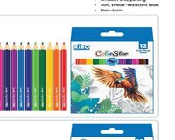
ColorStar Full Size Color Pencil (FCP-024) | 12 vibrant colors per box. Soft, break-resistant lead. Non-toxic. Smooth sharpening. Full-size with FREE sharpener. | Pack: 12 Sets | Carton: 240 Sets. | 83 | 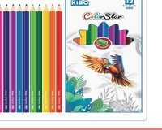
Geometry Box (GB-01) | Complete set of mathematical drawing instruments. Includes compass, protractor, set squares, ruler & more. Stored in a durable tin case. | Pack: 12 Sets | Carton: 120 Sets. | 145 | 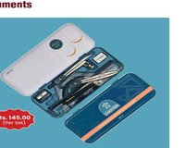
Geometry Box Transparent (GB-021) | Complete set of mathematical drawing instruments in a transparent casing. Includes compass, protractor, set squares, ruler & more. | Pack: 12 Sets | Carton: 120 Sets. | 148 | 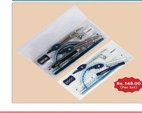
Paste IT Glue Stick 8g (GS-08) | Strong adhesive glue stick. Non-toxic, solvent-free, washable. Safe for children. All-purpose use. | 8g content. Pack: 12 Pcs | Carton: 600 Pcs. | 18 | 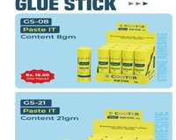
Paste IT Glue Stick 15g (GS-15) | Strong adhesive glue stick. Non-toxic, solvent-free, washable. Safe for children. All-purpose use. | 15g content. Pack: 12 Pcs | Carton: 384 Pcs. | 26 | 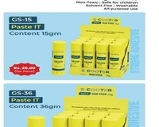
Paste IT Glue Stick 21g (GS-21) | Strong adhesive glue stick. Non-toxic, solvent-free, washable. Safe for children. All-purpose use. | 21g content. Pack: 12 Pcs | Carton: 384 Pcs. | 34 | 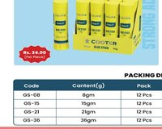
Paste IT Glue Stick 36g (GS-36) | Strong adhesive glue stick. Non-toxic, solvent-free, washable. Safe for children. All-purpose use. 3 | 6g content.Pack: 12 Pcs | Carton: 216 Pcs. | 52 | 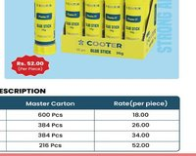
Magic Stick Disappearing Glue Stick (DGS-08) | Disappearing formula strong adhesive. Non-toxic, solvent-free, washable. Safe for children. All-purpose use. | 8g content. Pack: 12 Pcs | Carton: 600 Pcs. | 20 | 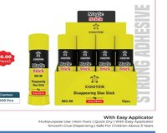
Liquid Glue 35g (LG-35) | Quick dry liquid glue with easy applicator. Multipurpose, non-toxic. Safe for children above 3 years. Smooth dispensing. | 35g.Pack: 24 Pcs | Carton: 384 Pcs. | 21 | 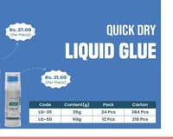
Liquid Glue 50ml (LG-50) | Quick dry liquid glue with easy applicator. Multipurpose, non-toxic. Safe for children above 3 years. Smooth dispensing. | 50ml. Pack: 12 Pcs | Carton: 216 Pcs. | 27
White Glue Pen 25g (WG-25) | Glue pen with easy applicator. Non-toxic, quick dry. Safe for children above 3 years. Multipurpose use, smooth dispensing. | 25g. Pack: 10 Pcs | Carton: 720 Pcs. | 14 | 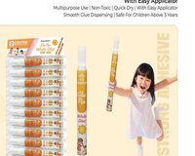
White Glue 40g (WG-40) | Bottle white glue. Non-toxic, quick dry. Multipurpose. Safe for children above 3 years. | 40g. Pack: 24 Pcs | Carton: 384 Pcs. | 24 | 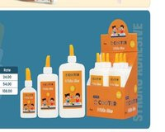
White Glue 120g (WG-120) | Bottle white glue. Non-toxic, quick dry. Multipurpose. Safe for children above 3 years. | 120g. Pack: 12 Pcs | Carton: 96 Pcs. | 54
White Glue 250g (WG-250) | Bottle white glue. Non-toxic, quick dry. Multipurpose. Safe for children above 3 years. | 250g. Pack: 6 Pcs | Carton: 72 Pcs. | 108
White Glue 500g (WG-500) | Large bottle white glue. Non-toxic, quick dry. Multipurpose. Safe for children. | 500g. Carton: 20 Pcs. | 200 | 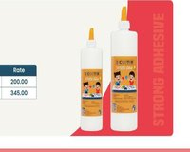
White Glue 1000g (WG-1000) | Extra-large bottle white glue. Non-toxic, quick dry. Multipurpose. Safe for children. | 1000g. Carton: 12 Pcs. | 345
Roller Pen Blue (CRP-141) | 0.5mm pipe tip roller pen. Free ink system for smooth writing to the last drop. Writing length greater than 1100m. Blue ink. | Pack: 12 Pcs | Carton: 1152 Pcs. | 30 | 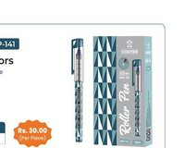
Fine Roller Pen Black (CRP-156) | 0.5mm pipe tip roller pen. Free ink system, best quality. Smooth writing to the last drop. Writing length greater than 1100m. Black ink. | Pack: 12 Pcs | Carton: 1152 Pcs. | 37 | 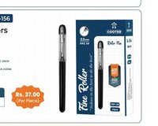
Free Ink Pen (CRP-157) | 0.5mm pipe tip roller pen. Free ink system, premium choice. Smooth writing to the last drop. Writing length greater than 1100m. Black & Red ink. | Pack: 12 Pcs | Carton: 1152 Pcs. | 35 | 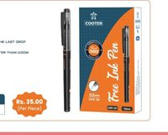
Rolling Master Rollerball Pen (KRP-016) | 0.5mm rollerball pen. Smooth & consistent writing. Large ink tank. Waterproof pigment ink. Black, Red, Blue & Green ink. | 12 Pcs per pack. Carton: 1152 Pcs. | 13 | 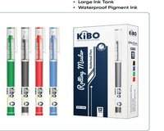
Signature Rollerball Pen (KRP-017) | 0.5mm premium rollerball pen. Smooth & consistent writing. Large ink tank. Waterproof pigment ink. Black, Red, Blue & Green ink. | 12 Pcs per pack. Carton: 1152 Pcs. | 26 | 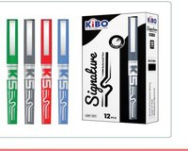
Board Marker Refillable (BM-011) | Easy erasing refillable whiteboard marker. Easy to add ink, waterproof, smooth writing without trace. Comfortable grip. | Pack: 12 Pcs | Carton: 720 Pcs. | 20 | 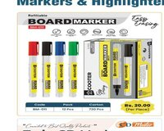
Permanent Marker Refillable (PM-014) | Refillable permanent marker. Bold & vivid ink, quick-dry & smudge-proof. Works on multiple surfaces. | Pack: 12 Pcs | Carton: 720 Pcs. | 16 | 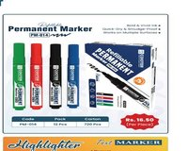
Twin CD Marker (TCD-010) | Twin-tip CD marker. Dual ends for writing on CDs/DVDs and other surfaces. Multiple colors. | Pack: 12 Pcs | Carton: 1152 Pcs. | 22 | 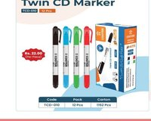
Highlighter Text Marker (CHL-011) | Fluorescent highlighter. Universal water-based ink for consistent coverage on most papers. Special tip marks in 3 different widths. | Pack: 12 Pcs | Carton: 576 Pcs. | 20 | 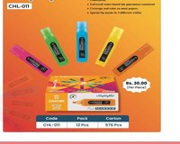
Correction Pen CP-003 | Multi-purpose & quick dry correction pen. Soft & fine metal tip (0.02mmXB). 5-year guarantee. Safe formula. | Pack: 12 Pcs | Carton: 864 Pcs. | 20 | 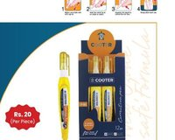
Correction Pen CP-005 | Multi-purpose & quick dry correction pen. Soft & fine metal tip (0.02mmXB). 5-year guarantee. Safe formula. | Pack: 12 Pcs | Carton: 576 Pcs. | 25 | 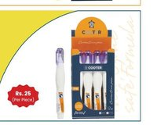
Correction Pen CP-010 | Multi-purpose & quick dry correction pen. Soft & fine metal tip (0.02mmXB). 5-year guarantee. Safe formula. Larger capacity. | Pack: 12 Pcs | Carton: 576 Pcs. | 33 | 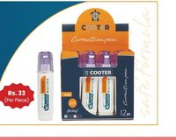
Display File A4 20-Pocket (BDB-20A) | Display book/file. A4 size, 20 pockets. Available in 2 colors. | Pack: 40 Pcs | Carton: 160 Pcs. (Upcoming) | — | 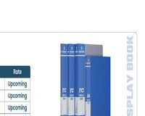
Display File FC 20-Pocket (BDB-20F) | Display book/file. FC size, 20 pockets. Available in 2 colors. | Pack: 40 Pcs | Carton: 160 Pcs. (Upcoming) | —
Display File FC 40-Pocket (BDB-40F) | Display book/file. FC size, 40 pockets. Available in 2 colors. | Pack: 25 Pcs | Carton: 100 Pcs. (Upcoming) | —
Display File FC 60-Pocket (BDB-60F) | Display book/file. FC size, 60 pockets. Available in 2 colors. | Pack: 20 Pcs | Carton: 80 Pcs. (Upcoming) | —
HQ Display File A4 20-Pocket (DB-20) | High quality display book. A4 size, 20 pockets. | Pack: 12 Pcs | Carton: 96 Pcs. (Upcoming) | — | 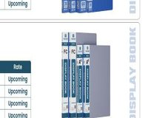
HQ Display File A4 40-Pocket (DB-40) | High quality display book. A4 size, 40 pockets. | Pack: 12 Pcs | Carton: 72 Pcs. (Upcoming) | —
HQ Display File FC 40-Pocket (DB-20F) | High quality display book. FC size, 40 pockets. | Pack: 12 Pcs | Carton: 96 Pcs. (Upcoming) | —
HQ Display File FC 60-Pocket (DB-40F) | High quality display book. FC size, 60 pockets. | Pack: 12 Pcs | Carton: 72 Pcs. (Upcoming) | —
Clear Bag FC (BB-015F) | Transparent envelope bag, FC size. Button closure. | Pack: 12 Pcs | Inner: 150 Pcs | Carton: 600 Pcs. (Upcoming) | — | 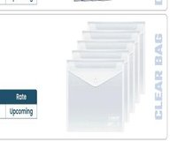
Clear Bag A4 High Quality (BB-018A) | High quality colorful envelope bag, A4 size. Multiple colors. | Pack: 10 Pcs | Carton: 300 Pcs. (Upcoming) | — | 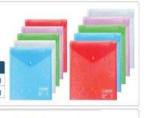
Clear Bag FC High Quality (BB-018F) | High quality colorful envelope bag, FC size. Multiple colors. | Pack: 10 Pcs | Carton: 300 Pcs. (Upcoming) | —
Clip Board Plastic (CB-01) | Plastic clipboard for holding papers. Available in multiple colors. | Carton: 40 Pcs. | 176 | 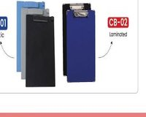
Clip Board Laminated (CB-02) | Laminated clipboard. Durable finish. | Carton: 40 Pcs. | 123
Kids Scissor CS-215 (5.5") | Scissors for kids. 5.5 inch. Smooth cutting action, safe design. Stainless steel blades. | Pack: 12 Pcs | Carton: 240 Pcs. | 72 | 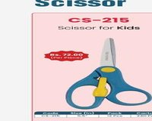
Kids Scissor CS-260 (5.25") | Scissors for kids. 5.25 inch. Smooth cutting, colorful design. Stainless steel blades. | Pack: 12 Pcs | Carton: 240 Pcs. | 68 | 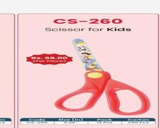
Kids Scissor with Cover CS-275 (5.25") | Scissors for kids with protective cover. 5.25 inch. Smooth cutting. Stainless steel blades. | Pack: 12 Pcs | Carton: 240 Pcs. | 92 | 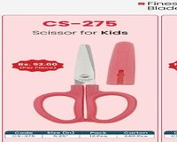
Home/Office Scissor CS-606 (6") | Scissors for home or office. 6 inch. Smooth cutting. Finest quality stainless steel blades. | Pack: 12 Pcs | Carton: 240 Pcs. | 85 | 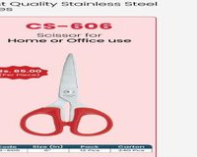
Home/Office Scissor CS-607 (7") | Scissors for home or office. 7 inch. Smooth cutting. Finest quality stainless steel blades. | Pack: 12 Pcs | Carton: 240 Pcs. | 98 | 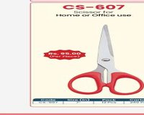
Home/Office Scissor CS-608 (8.25") | Scissors for home or office. 8.25 inch. Heavy-duty. Smooth cutting. Stainless steel blades. | Pack: 12 Pcs | Carton: 96 Pcs. | 130 | 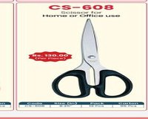
Home/Office Scissor CS-997 (7.75") | Scissors for home or office. 7.75 inch. Ergonomic grip handle. Smooth cutting. Stainless steel blades. | Pack: 12 Pcs | Carton: 144 Pcs. | 110 | 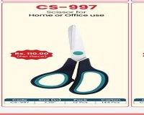
Home/Office Scissor CS-998 (8.5") | Scissors for home or office. 8.5 inch. Ergonomic grip handle. Smooth cutting. Stainless steel blades. | Pack: 12 Pcs | Carton: 96 Pcs. | 130 | 
Regular Paper Cutter 9mm (PPK-063) | High quality material regular paper cutter. 9mm blade. Smooth cutting action. | Pack: 48 Pcs | Carton: 576 Pcs. | 47 | 
Regular Paper Cutter 18mm (PPK-062) | High quality material regular paper cutter. 18mm blade. Smooth cutting action. | Pack: 24 Pcs | Carton: 288 Pcs | 72
Utility Knife 9mm (PPK-042) | Regular paper cutter utility knife. 9mm blade. Click mechanism with 3 blades included. | Pack: 12 Pcs | Carton: 288 Pcs. | 60 | 
Utility Knife 18mm (PPK-045) | Regular paper cutter utility knife. 18mm blade. Click mechanism with 3 blades included. | Pack: 12 Pcs | Carton: 144 Pcs. | 95
Premium Paper Cutter 18mm (PPK-750) | Professional premium paper cutter. 18mm blade. Click mechanism with 3 blades. Heavy-duty build. | Pack: 12 Pcs | Carton: 144 Pcs. | 150 | 
Paper Cutter Blade 9mm (PKB-009) | Replacement blades for 9mm paper cutters. 10 blades per tube. | Pack: 10 Tubes | Carton: 800 Tubes. | 48 | 
Paper Cutter Blade 18mm (PKB-018) | Replacement blades for 18mm paper cutters. 10 blades per tube. | Pack: 10 Tubes | Carton: 200 Tubes. | 75
Binder Clip 19mm (CBC-19) | Black metal binder clip. 19mm size. Strong grip. | Pack: 12 Pcs | Carton: 300 Box. | 30 | 
Binder Clip 25mm (CBC-25) | Black metal binder clip. 25mm size. Strong grip. | Pack: 12 Pcs | Carton: 240 Box. | 48
Binder Clip 32mm (CBC-32) | Black metal binder clip. 32mm size. Strong grip. | Pack: 12 Pcs | Carton: 120 Box. | 68
Binder Clip 41mm (CBC-41) | Black metal binder clip. 41mm size. Strong grip. | Pack: 12 Pcs | Carton: 120 Box. | 98
Binder Clip 51mm (CBC-51) | Black metal binder clip. 51mm size. Heavy-duty. | Pack: 12 Pcs | Carton: 60 Box. | 155
Paper Clips 28mm Nickel (CPC-28) | Nickel-plated steel paper clips. 28mm. 100 pcs per box. | Pack: 10 Box | Carton: 500 Box. | 25 | 

