Rate List
Product Name | Description | Price | Product Image
Philips 22 Inch FHD 120Hz IPS Panel 1ms 102% SRGB monitor | 22-inch Full HD (1920x1080) IPS monitor with a blazing 120Hz refresh rate and ultra-fast 1ms response time. The 102% sRGB color coverage ensures vivid, accurate colors perfect for content creators and gamers alike. Features flicker-free technology and low blue light mode to reduce eye strain during long sessions. | 13000 | 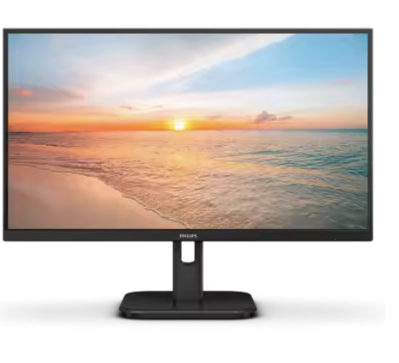
AOC 24 FHD Borderless 120Hz IPS Panel 1ms 106% SRGB monitor | 24-inch Full HD borderless IPS monitor with 120Hz refresh rate and 1ms response time. The ultra-slim bezels provide an immersive viewing experience, while 106% sRGB color gamut delivers exceptional color accuracy. Ideal for gaming, multitasking, and professional use. | 16000 | 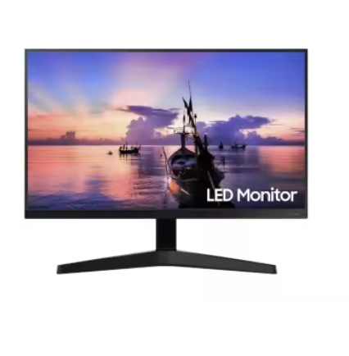
Secureye 27 Inch FHD 75Hz Borderless With Built-In Speaker monitor | 27-inch Full HD borderless display with integrated built-in speakers, eliminating the need for external audio. The 75Hz refresh rate ensures smooth visuals for videos and casual gaming. Wide viewing angles and slim bezels make it great for home entertainment and office setups. | 16000
Dell 24 Inch S2425H 100Hz IPS Panel monitor | Dell's S2425H is a 24-inch Full HD IPS monitor with a 100Hz refresh rate, delivering smooth and fluid visuals. Features Dell's ComfortView Plus technology to reduce harmful blue light emissions. Stylish slim design with HDMI connectivity, making it an excellent choice for everyday productivity and entertainment. | 20500 | 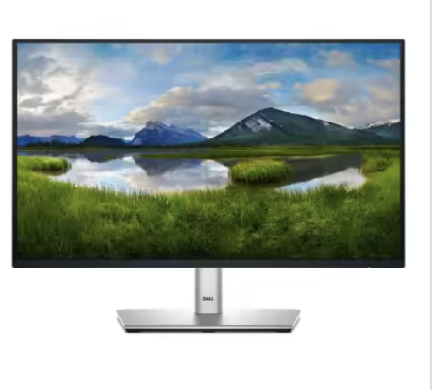
Dell 27 Inch S2725HH 100Hz IPS Panel monitor | Dell's premium 27-inch Full HD IPS monitor with 100Hz refresh rate and built-in speakers. The large screen real estate is perfect for multitasking, video editing, and immersive media consumption. Dell's ComfortView Plus reduces eye fatigue, and the elegant thin-bezel design fits any modern workspace. | 23500
BenQ GW2490 100Hz IPS 99% SRGB 24 Inch monitor | BenQ's 24-inch professional-grade IPS monitor with 100Hz refresh rate and 99% sRGB color accuracy. Equipped with BenQ's Eye-Care technology including flicker-free backlighting and low blue light filter. Features advanced brightness intelligence for automatic adjustment based on ambient lighting — ideal for long working hours. | 20500 | 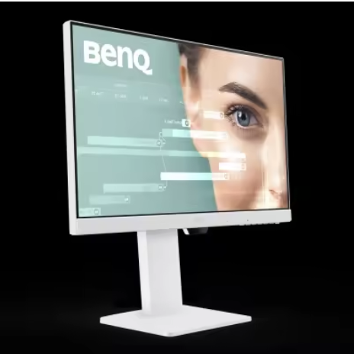
BenQ GW2790 100Hz IPS 99% SRGB 27 Inch monitor | BenQ's 27-inch professional IPS display with 100Hz refresh rate and 99% sRGB color fidelity. The larger screen size enhances productivity for designers, programmers, and office users. Built-in BenQ Eye-Care technology minimizes eye fatigue, and the ergonomic stand allows tilt adjustments for comfortable use. | 25500
UNV 22 Inch 100Hz IPS Panel monitor | UNV 22-inch IPS monitor with a 100Hz refresh rate offering smooth, tear-free visuals at an affordable price. IPS technology ensures wide viewing angles and consistent color reproduction, making it suitable for office work, online classes, and casual use. | 11000 | 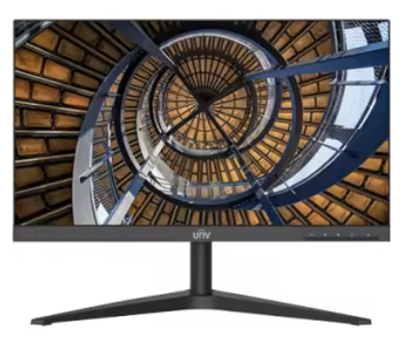
UNV 22 Inch 75Hz VA Panel monitor | UNV 22-inch VA panel monitor with 75Hz refresh rate. VA technology delivers deeper blacks and higher contrast ratios compared to IPS panels, making it excellent for watching movies and media consumption. A cost-effective choice for budget-conscious users who want quality visuals. | 9500
MSI Pro MP271W E2 – 27 Inch 120Hz 101% SRGB White IPS monitor | MSI's sleek 27-inch white IPS monitor with a 120Hz refresh rate and 101% sRGB color coverage. The eye-catching white design adds a modern aesthetic to any setup. Anti-flicker and Less Blue Light technologies protect your eyes. Suitable for both professional work and gaming. Model: MSI Pro MP271W E2. | 23500 | 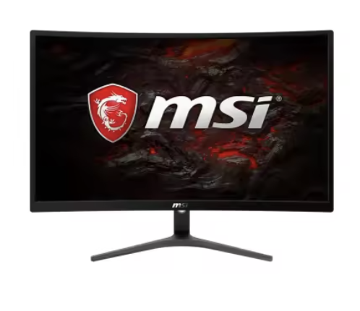
MSI Pro MP251W E2 – 25 Inch 120Hz 101% SRGB White IPS monitor | MSI's 25-inch white IPS monitor with 120Hz refresh rate and 101% sRGB accuracy. A compact yet powerful display with anti-flicker technology and blue light reduction for all-day comfort. The distinctive white finish makes it a stylish addition to creative or gaming workstations. Model: MSI Pro MP251W E2. | 21000
Enter UPS 650VA | 650VA uninterruptible power supply designed to protect computers and peripherals from sudden power cuts, voltage spikes, and fluctuations. Provides sufficient backup time to save work and safely shut down equipment. Compact design suitable for home and small office use. | 5000 | 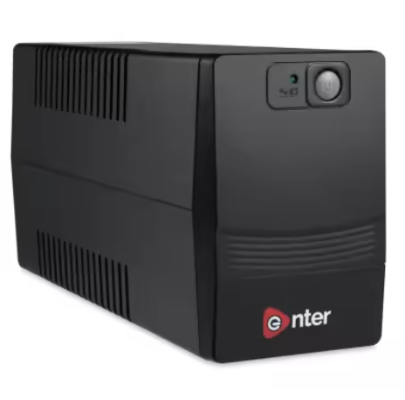
Enter 1200VA UPS | 1200VA heavy-duty UPS offering extended battery backup for desktops, monitors, and workstations. Protects connected devices from power surges, brownouts, and outages. Ideal for areas with frequent power interruptions. Features automatic voltage regulation (AVR) for stable power delivery. | 9400
Geonix LP610 2GB Graphic Card | Low-profile 2GB dedicated graphic card designed for small form-factor PCs and HTPCs. Supports dual monitor output and hardware video decoding for smooth HD/4K playback. Suitable for basic photo editing, light multimedia tasks, and replacing faulty integrated graphics. | 6000
Geonix LP710 4GB Graphic Card | Low-profile 4GB dedicated GPU offering improved performance over the LP610 for multimedia, light gaming, and multi-display setups. Supports DirectX and OpenGL for a wider range of software compatibility. A budget-friendly upgrade for older systems needing a graphics boost. | 10500
Gaming Projector 2in1 Professional Chip | A versatile 2-in-1 gaming projector powered by a professional-grade chip for sharp, high-quality projection. Supports high-resolution input for gaming, movies, and presentations. Compact and portable design makes it easy to set up in any room. Great for home theatre, gaming nights, and small events. | 6500
JBL GO 3 | The JBL GO 3 is a compact and ultra-portable Bluetooth speaker with IP67 waterproof and dustproof rating — perfect for outdoor adventures and travel. Delivers surprisingly bold JBL Pro Sound for its small size with up to 5 hours of playtime on a single charge. | 1000
JBL GO 4 | The next-generation JBL GO 4 features enhanced audio performance with deeper bass and clearer highs compared to its predecessor. IP67 waterproof and dustproof certified, making it adventure-ready. Supports USB-C charging and Auracast broadcast technology for connecting multiple speakers. | 950
JBL Tune Headphone | JBL Tune on-ear Bluetooth headphones delivering powerful JBL Pure Bass sound. Lightweight and foldable design for easy portability. Features up to 16 hours of wireless playback with a built-in microphone for hands-free calls. Compatible with voice assistants for convenient control. | 1400 | 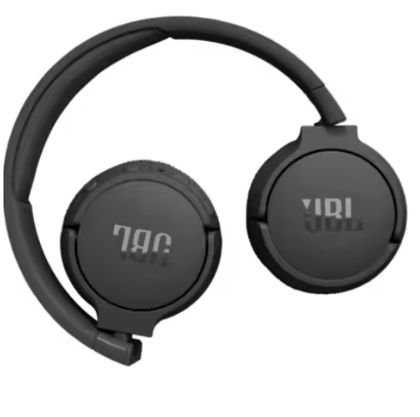
Gaming RGB Keyboard Combo Set | A complete gaming peripheral combo set featuring a full-size RGB backlit mechanical-style keyboard and matching mouse. Multi-color RGB lighting with various effects to personalize your gaming setup. Ergonomic design with responsive keys for fast and accurate input during intense gaming sessions. | 1500 | 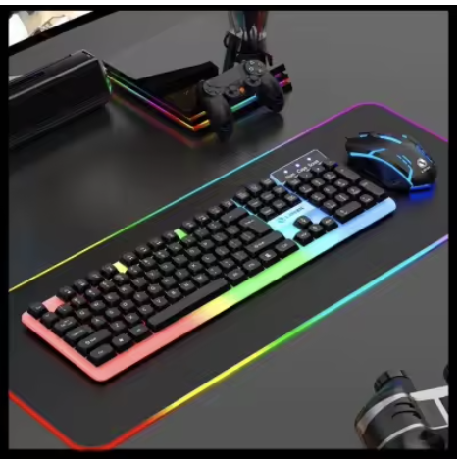
Canon G3770 3in1 Multifunction WIFI Printer | Canon's PIXMA G3770 is a high-yield ink tank 3-in-1 printer supporting print, scan, and copy functions. WIFI enabled for wireless printing from smartphones, tablets, and laptops. Uses refillable ink tanks with extremely low cost-per-page for both color and monochrome printing — ideal for homes and small offices with high print volumes. | 26600 | 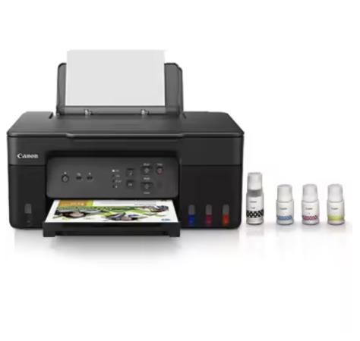
Brother DCP 2450DW WIFI LAN DUPLEX Printer | Brother's DCP-2450DW is a compact laser multifunction printer with WIFI and LAN connectivity. Features automatic duplex (double-sided) printing to save paper, and fast print speeds up to 34 ppm. Supports mobile printing and is ideal for busy offices that require reliable, high-speed monochrome printing. | 34000 | 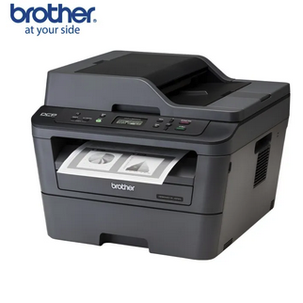
Dell I5 8th Gen 8GB 256GB 13.3" Refurbished + Charger | Refurbished Dell laptop powered by Intel Core i5 8th Generation processor. Equipped with 8GB RAM for smooth multitasking and 256GB SSD for fast boot times and file access. The 13.3-inch compact display makes it highly portable. Comes with original charger. Professionally tested and certified — great value for students and professionals. | 35000 | 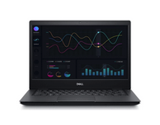
Dell I5 10th Gen 8GB 256GB Refurbished + Charger | Refurbished Dell laptop with Intel Core i5 10th Generation processor offering improved performance and better power efficiency over 8th Gen. Configured with 8GB RAM and 256GB SSD for a fast, responsive experience. Suitable for office work, browsing, and everyday computing. Includes charger and has been thoroughly tested. | 41000
Dell I5 8th Gen 8GB 256GB 13.3" Touch Screen Refurbished + Charger | Refurbished Dell touchscreen laptop with Intel Core i5 8th Gen processor, 8GB RAM, and 256GB SSD. The 13.3-inch Full HD touch display adds intuitive interaction for presentations, drawing, and navigation. Slim, lightweight design with touch capability at a budget-friendly refurbished price. Charger included. | 37000
Dell I5 11th Gen 8GB 256GB 13.3" Refurbished + Charger | Refurbished Dell laptop with cutting-edge Intel Core i5 11th Generation processor, 8GB RAM, and 256GB SSD. The 11th Gen chip delivers significantly faster performance, better integrated graphics, and improved battery efficiency. Compact 13.3-inch form factor ideal for on-the-go professionals and students. Charger included. | 46000
Dell I5 11th Gen 8GB 256GB 13.3" Touch Screen Refurbished + Charger | Refurbished Dell touchscreen laptop with Intel Core i5 11th Gen processor, 8GB RAM, and 256GB SSD. Combines the power of the latest 11th Gen chip with a responsive touch display for a versatile computing experience. Lightweight and portable — perfect for students, remote workers, and business professionals. Charger included. | 48000
Dell DC15250 i5 13th Gen 8/512GB Touch Screen | Brand new Dell laptop featuring the latest Intel Core i5 13th Generation processor (1334U) for top-tier performance. Configured with 8GB RAM and a spacious 512GB SSD for ample storage and lightning-fast load times. The Full HD touch display offers intuitive interaction. Backed by full manufacturer warranty — ideal for professionals and power users who need a reliable, future-proof machine. | 80000

