Price List
Product Image | Product Name | Description | Price
 | TRUSMI 3A USB-A to C Silicone Cable Black 1M · Cable | Model: CA34-064 Color: Black Material: Aluminum Alloy Plug & Silicone Current: 3A, 15W Max Transmission Rate: 480M | 520.00
 | TRUSMI 3A A To C Braided Charging Cable White 1M · Cable | Model: CA55-01 Color: White Material:TPE+woven+ABS shell Current: 5V 3A Transmission speed: 480Mbps | 500.00
 | TRUSMI 3A A To C Charging Cable White 1M · Cable | Model: CA54-01 Color: White Material: PVC Current: 5V 3A Transmission speed: 480Mbps | 260.00
 | TRUSMI 60W C To C Charging Cable White 1M · Cable | Model: CA54-05 Color: White Material: PVC Current: 5V/20V 3A Transmission speed: 480Mbps | 320.00
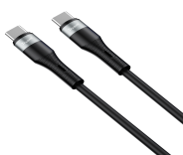 | TRUSMI 60W C to C Silicone Cable Black 1M · Cable | Model: CA34-072 Color: Black Material: Aluminum Alloy Plug & Silicone Current: 60W Max Transmission Rate: 480M | 580.00
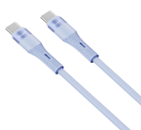 | TRUSMI 60W C to C Silicone Cable Blue 1M · Cable | Model: CA34-070 Color: Blue Material: Aluminum Alloy Plug & Silicone Current: 60W Max Transmission Rate: 480M | 580.00
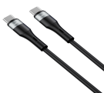 | TRUSMI 100W C to C Silicone Cable Black 1M · Cable | Model: CA34-080 Color: Black Material: Aluminum Alloy Plug & Silicone Current: 100W Max Transmission Rate: 480M | 1,000.00
 | TRUSMI 100W C TO C Digital Fast Charging Braided Cable Black 1M · Cable | Model: CA38-02 Color: Black Material: TPE+Aluminum Alloy+Braided Current: 20V/5A 100W | 1,400.00
 | TRUSMI 100W C TO C Digital Fast Charging Braided Cable Black 1M · Cable | Transmission Rate: 480Mbps Model: CA38-107 Color: Black Features: PD2.0, PD3.0 fast charging and 480mbps data transfer Current: MAX 20V/5A 100W PD fast charge | 1,400.00
 | TRUSMI 2.4A USB-A to Lighting Silicone Cable Black 1M · Cable | Model: CA34-068 Color: Black Material: Aluminum Alloy Plug & Silicone Current: 2.4A, 15W Max Transmission Rate: 480M | 700.00
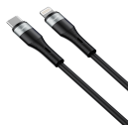 | TRUSMI 20W C to Lighting Silicone Cable Black 1M · Cable | Model: CA34-076 Color: Black Material: Aluminum Alloy Plug & Silicone Current: 20W Max Transmission Rate: 480M | 1,000.00
 | TRUSMI 100W 2 IN 1 A+C to C+L Braided Cable Black 1M · Cable | Model: CA39-108 Color: Black Length: 1m main+0.2m secondary line Features: data and PD and QC fast charging; Current: A TO C port: single charge maximum 9V⎓3A 27W, 8PIN port maximum 5V⎓2.4A 12W, C TO C port: single charge maximum 20V⎓5A | 1,900.00
 | TRUSMI 100W A/C to C/L PVC Aluminum Alloy Braided Cable Black 1.2M · Cable | 100W, 8PIN port maximum 9V⎓3A 27W Model: CA39-01 Color: Black Material: PVC+Aluminum Alloy Braided Output C TO L: 27W/A to L: 10W Output C TO C: 100W/A to C: 10W Transmission Rate: 480Mbps | 2,600.00
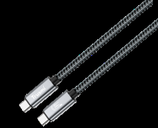 | TRUSMI 240W USB-4 High Frequency Data Charging Braided Cable 1.8m Black Supports 8K60HZ ( with thunderbolt 3/4,) · Cable | Model: CA57-01 Color: Grey Data transmission: 40Gbps Max. Support Maximum 240W Fast Charging. Resolution: 4K@60Hz/8K@60Hz Wire diameter: 4.8+/-0.1 Material: Aluminum alloy shell+Nylon braided Length: 1.8M | 5,000.00
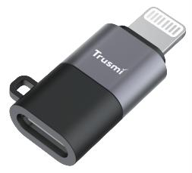 | TRUSMI iP Male to Type-C female Audio Charging Adapter Grey · Cable | Brand: Trusmi Product Model: CA01-01 Color: Black Material: ABS+Zinc Alloy Function: OTG/Charging/Audio/Data Transmission Transmission rate: 30MB/s Charging Power: 5V2A Can Connect to: iPhone system phones 6-14 | 1,400.00
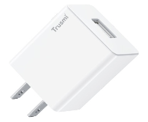 | TRUSMI 10.5W USB-A Charger(US) White · Charger ( Dock ) | Model: CH09-059 Color: White Input:100 - 240V～50/60Hz 0.3A Output:5V⎓2.1A Net weight: 33g Bare size: 59*36*22mm Material: PC fireproof raw | 700.00
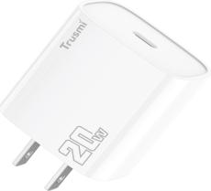 | TRUSMI White · Charger ( Dock ) | USB and Type-c Total Output:5V⎓3A Max Net weight: 48g Bare size: 60.5*41.2*29mm Material: PC fireproof raw
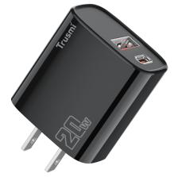 | TRUSMI PD20W A+C GaN FAST Charger(US) Black · Charger ( Dock ) | Model: CH07-051 Color: Black Input:100 -240V～50/60Hz 0.5A USB Output:5V⎓3A 9V⎓2A. 12V⎓1.5A. 18W Max Type-c Output:5V⎓3A 9V⎓2.22A 12V1.67A 20W Max USB and Type-c Total Output:5V⎓3A Max Net weight: 49g Bare size: 60.5*41.2*29mm Material: PC fireproof raw | 1,400.00
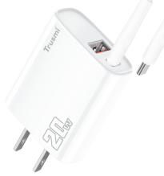 | TRUSMI PD20W A+C Charger Set With C TO C 60W Cable(US) White · Charger ( Dock ) | Model: CH11-074 Color: White IInput:100 -240V～50/60Hz 0.5A USB Output:5V⎓3A 9V⎓2A. 12V⎓1.5 18W Max Type-C Output:5V⎓3A 9V⎓2.22A 12V⎓1.67A 20W Max USB and Type-C Total Output:5V⎓3A Max Net weight: 75g Bare size: 60.5*41.2*29mm Material: PC fireproof raw | 1,800.00
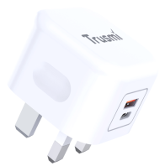 | TRUSMI PD20W A+C GaN fast charging charger (UK) white · Charger ( Dock ) | Model: CH21-01 Color: White Power: PD 20W Material: PC Input: 100-240V 50/60Hz 0.8A Max Output A: 3.6-6.5V⎓3.0A, 6.5-9.0V⎓2.0A, 9.0- 12.0V⎓1.5A Output C: 5.0V⎓3.0A, 9.0V⎓2.22A, 12.0V⎓1.67A Output A+C: 5.0V⎓3.0A | 1,600.00
 | TRUSMI PD65W A+C+L(support L TO C charging)GaN Fast Charger US White · Charger ( Dock ) | Model: CH13-080 Color: White Output:USB-C : 5⎓3A/9V⎓3A/12V⎓3A /15V=3A /20V⎓3.25A(65W) Max PPS:11V⎓3A(33W) Max USB-L :5V⎓2.4A/9V⎓2.4A/12V⎓2.4A/15V=2.4A/20V=2.4 A4(48W)Max PPS:11V⎓2.4A Max USB-A: 5V⎓3A/9V⎓3A/12V=2.5A/15V⎓2A/20V=1.5A Max Combined output: C+L: 45W+18W Max,C+A:45W+18W Max C+L+A:45W+(SHR)5V⎓3A(15W),L+A:(SHR)5V⎓3A(1 5W) | 4,200.00
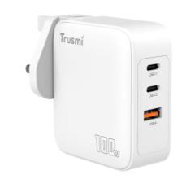 | TRUSMI PD100W 2C1A GaN Fast Charger (UK) White · Charger ( Dock ) | 5.0A 100W； Type-C2 Output:5.0V 3.0A 15.0W,9.0V 3.0A 27.0W, 12.0V 3.0A 36.0W,15.0V 3.0A 45.0W,20.0V 3.25A 65W； USB-A Output:5.0V 3.0A 15.0W,9.0V 2.0A 18.0W, 12.0V 1.5A 18.0W,10.0V 2.25A 22.5W Type-C1+Type-C2 Output:65.0W+30.0W； Type-C1+USB-A Output:65.0W+22.5W； Type-C2+USB-A Output:7.5W+7.5W Type-C1+（Type- | 7,400.00
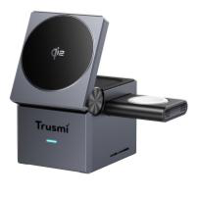 | TRUSMI Qi2 3-in-1 Cube Wireless Charging Station Gray · Wireless Charger | C2+USB+A）Output:65.0W+7.5W+7.5W Total Output:100.0W Max Bare size: 67*63*31mm Material: PC 1. Compliant with Qi wireless phone charging, output 5W/7.5W/10W/15W 2. N52 super strong magnet. 3. The watch module can be split and used. 4. 60° Rotation. 5. Wide compatibility for iWacth, Airpods, iPhone and Android. | 9,000.00
 | TRUSMI 68W 3C2A Universal Travel Adapter with Cable, UK/US/EU/AU Black · Travel Adapter | Model: CH18-02 Rating: 100-250V~10A Max,2500W Max Input:100-250V~,50-60Hz,1.6A Single port output mode USB-C2/C3:5.0V-3.0A15.0W.USB-A1/2: 5.0V-- =2.4A12.0W USB-C1:5.0V--3.0A15.0W,9.0V---3.0A 27.0W, 12.0V=--3.0A36.0W,15.0V---3.0A45.0W.20.0V--- =3.25A65.0W Combined output mode USB-C2/C3:5.0V---3.0A15.0W,USB-A1/2: 5.0V--- 2.4A12.0W USB-C1: 5.0V---2.4A12.0W,9.0V--3.0A 27.0W, 12.0V--=3.0A36.0W,15.0V---3.0A45.0W,20.0V--- 2.25A45.0W Total DC Output: 68.0W | 9,600.00
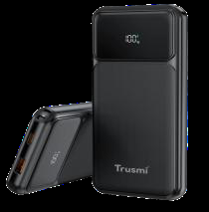 | TRUSMI PD22.5W 10000mAh · Power Bank | Type-C Input: 5V⎓3A 9V⎓2A 12V⎓1.5A Type-C Output: 5V⎓3A 9V⎓2.22A 12V⎓1.67A USB-AOutput: 5V⎓3A 9V⎓2A 12V⎓1.5A
 | TRUSMI C1A Digital Display Power Bank Black · Power Bank | 10V⎓2.25A Total Output: 5V⎓3A Energy conversion rate: ≥ 70% Rated capacity: 5300mAh Housing Materials: ABS+PC material/fire rating V0 Size: Thickness 17.5 ± 0.10mm Width: 70.5 ± 0.15mm Length: 146.3 ± 0.15mm Bare weight: 226.5g | 3,400.00
 | TRUSMI PD22.5W Single C Digital Display Power Bank 10000mAh with C to C Cable Grey · Power Bank | Brand: Trusmi Model: PB06-01 Color: Grey Capacity: 10000mAh38.5Wh/3.85V C-port input: 5V2.6A, 9V2A, 12V1.5A C-port output:5V3A 9V2.22A 12V1.67A 10V2.25A Output type: QC2.0 QC3.0 AFC FCP SCP PD2.0 PD3.0 Total output: 5V3A Shell material: ABS+PC Size: 69.3mm * 63.5mm * 23.9mm Net weight: 160.5g | 4,200.00
 | TRUSMI PD22.5W ULTRA MINI MAGNETIC WIRELESS(15W) POWER BANK 10000mAh Black · Power Bank | Brand: Trusmi Model:PB09-011 Color:Black Capacity:10000mAh(37Wh/3.7V) Type-C Input: 5V⎓3A/9V⎓2A/12V⎓2A Type-C Output:5V⎓4.5A/10V⎓2.25A Wireless output：15W Size：74.4*60.7*26mm Product Weight：About 175g Material：PC+ABS | 6,000.00
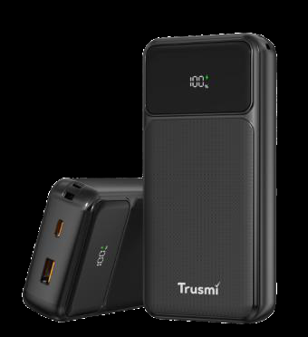 | TRUSMI PD22.5W 20000mAh 1C1A Digital Display Power Bank Black · Power Bank | Brand: Trusmi model: PB02-03 Color:Black Capacity:20000mAh/74Wh/3.7V Type-CInput: 5V⎓3A 9V⎓2A 12V⎓1.5A Type-COutput: 5V⎓3A 9V⎓2.22A 12V⎓1.67A USB-AOutput: 5V⎓3A 9V⎓2A 12V⎓1.5A 10V⎓2.25A Total Output: 5V⎓3A Energy conversion rate: ≥ 70% Rated capacity: 10600mAh Housing Materials: ABS+PC material/fire rating V0 Size: Thickness 29.3 ± 0.10mm Width: 70.5 ± 0.15mm Length: 146.3 ± 0.15mm Bare weight: 411g | 5,600.00
 | TRUSMI Quick Charge 20000mAh Power Bank Black · Power Bank | Capacity:20000mAh(74Wh/3.7V) Type-C Input: 5V⎓3A/9V⎓2A/12V⎓1.5A Type-C Output:45W MAX Size ：150*67.9*28mm Product Weight About 410g Material：PC+ABS | 8,400.00
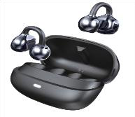 | TRUSMI OWS Clip-On Wireless · Earbuds & Wireless Head phone / Bluetooth Speaker | Model: WS18-011/WS18-012 Color: Black/ White BT Version: V6.0 Charging Time: About 1.5 Hours Standby Time: 48 Hours+ Play Time: >5H
 | TRUSMI Earphone Black · Earbuds & Wireless Head phone / Bluetooth Speaker | Transmission Distance: ≥10M Speaker Size: 1lMM Frequency Range: 20Hz~20kHz Microphone Sensitivity: 96士3.0DB Rated input: 3.7V Brand: Trusmi | 3,400.00
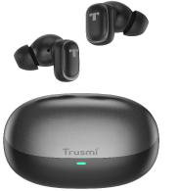 | TRUSMI ANC+ENC Dual Mic True Wireless Earphones Black · Earbuds & Wireless Head phone / Bluetooth Speaker | Model: WS17-011 Color: Black Bluetooth version: 5.4 Transmission distance：≥10M Driver diameter：Φ10mm Driver impedance：32Ω±15% Sensitivity：118±3db Frequency response：20Hz-20KHz Battery Capacity（charging case）：400mAh 3.7V Battery capacity（Headphone）：35mAh 3.7V Charging time（Charging case）：≈2 hours 60% volume：8 hours （without charging case）, 32 hours （with charging case） 80% volume：6 hours （without charging case）, 24 hours （with charging case） | 5,000.00
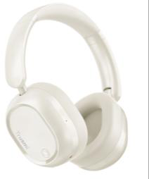 | TRUSMI Headphones · Earbuds & Wireless Head phone / Bluetooth Speaker | Speaker sensitivity: 119 ± 3db Impedance: 32 Ω±15% Frequency range: 20Hz-20kHz ± 3db Microphone sensitivity: 32 ± 3db Rated input (charging condition): 200mA Audio interface: diameter 3.5 Voltage: 5V Bluetooth/HFP/HSP/A2DP/ACRC P | 4,000.00
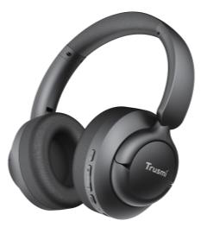 | TRUSMI ANC Wireless Headphones · Earbuds & Wireless Head phone / Bluetooth Speaker | Brand:Trusmi Model: BH01-01 Color: Black Bluetooth version: V5.4 Battery capacity: 400mAh Charging time: About 2.5 hours Standby time: about 100 hours Play time: About 30 hours Transmission distance: ≥10 meters Speaker size: 40mm Speaker sensitivity: 99±3dB Impedance: 32Ω±15% Frequency range: 20Hz to 20KHz Microphone sensitivity: 42±3dB Rated input: 5V ⎓ 380mA | 8,000.00
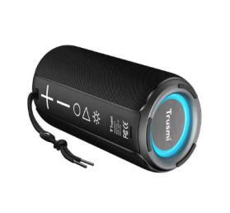 | TRUSMI Portable Bluetooth Speaker Smart watch · Earbuds & Wireless Head phone / Bluetooth Speaker | Audio interface: AUX Voltage: 3.7V Bluetooth /HFP/HSP/A2DP/ACRCP Brand: Trusmi Model: BS01-01 Color: Black Bluetooth version: JL 5.0 Output: 5W *2 Input: 5V/1A Driver: 2 inches *2 + radiator *2 Signal-to-noise ratio: ≥80 dB Lithium battery: 3.7V/2000mA Usage time: up to 12 hours Product size: Ф80*height 185mm Product weight: 460g *Support: BT/TF *Hands-free call function *Waterproof level: IPX6 Waterproof level: IPX6 *TWS pairing *RGB lighting *Material ABS + fabric *Accessories: Charging cable | 8,000.00
 | TRUSMI Sport Smart Watch Black · Earbuds & Wireless Head phone / Bluetooth Speaker | Battery capacity: 390Mah Material: plastic ABS+PC case+anti-static silicone strap Compatibility: with Android 5.0 and above; Apple iOS 9.0 and above | 7,000.00
 | TRUSMI Sport Smart Watch Rose Gold · Earbuds & Wireless Head phone / Bluetooth Speaker | App: Dafit (tech wear) Main control chip: JL7012 Heart rate sensor: LC09 Sensor light: DA267-LGA12 Screen size: 1.52 Inch TFT 360 * 360 full touch Bluetooth version: BT5.3 Battery capacity: 390Mah Material: plastic ABS+PC case +anti-static silicone strap Compatibility: with Android 5.0 and above; Apple iOS 9.0 and above App: Dafit (tech wear) | 7,000.00
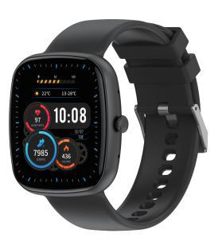 | TRUSMI Smart Watch Black · Earbuds & Wireless Head phone / Bluetooth Speaker | Main control chip: JL7012 Heart rate sensor: LC09 Sensor light: DA267-LGA12 Screen size: 1.52 Inch TFT 360 * 360 full touch Bluetooth version: BT5.3 Battery capacity: 390Mah Material: plastic ABS+PC case +anti-static silicone strap Compatibility: with Android 5.0 and above; Apple iOS 9.0 and above App: Dafit (tech wear | 7,000.00

