Belkin Products
Product Image | Product Name | Description | Price
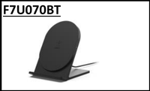 | Belkin BoostUp Qi Wireless Charging Stand 5W | Belkin BoostUp Qi-certified wireless charging stand delivers up to 5W of power to compatible smartphones in either portrait or landscape orientation, perfect for desks and nightstands. | 3,750
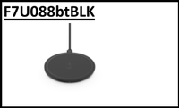 | Belkin BOOST UP Wireless Charging Pad 10W (Black) | Slim, fast 10W Qi wireless charging pad with anti-slip surface for safe, cable-free charging of iPhone, Samsung Galaxy and other Qi-enabled devices. | 4,750
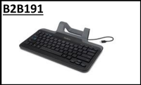 | Belkin Wired Tablet Keyboard with Stand and USB-C Connector | Full-size wired tablet keyboard with built-in stand and USB-C connector, designed for productivity on iPads, Android and USB-C tablets without batteries or pairing. | 5,000
 | Belkin 4-Port USB Travel Hub | Compact 4-port USB 2.0 travel hub that turns a single USB port into four, ideal for connecting mice, keyboards, drives and accessories on the go. | 1,750
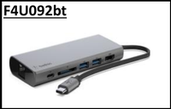 | Belkin USB-C Multimedia Hub with Power Delivery (Space Gray) | Premium USB-C multimedia hub with HDMI, VGA, Gigabit Ethernet, USB-A and USB-C Power Delivery pass-through, expanding any USB-C laptop into a full workstation. | 13,750
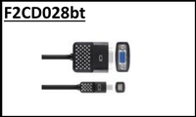 | Belkin Mini DisplayPort to VGA Adapter | Mini DisplayPort to VGA adapter that connects Mini DisplayPort or Thunderbolt-equipped laptops to VGA monitors and projectors at up to 1080p. | 4,125
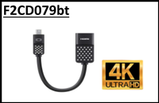 | Belkin Mini DisplayPort to HDMI 4K Adapter | Mini DisplayPort to HDMI adapter supporting 4K Ultra HD video and audio output for connecting MacBook and Surface devices to HDMI TVs and monitors. | 3,125
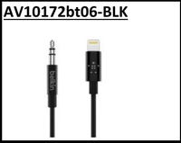 | Belkin 3.5mm Audio Cable with Lightning Connector (Black) | MFi-certified Lightning to 3.5mm audio cable lets iPhone and iPad users connect to car stereos, home audio systems and speakers with rich, lossless sound. | 3,375
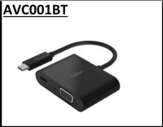 | Belkin USB-C to VGA + Charge Adapter | 2-in-1 USB-C adapter that mirrors your screen to a VGA display while simultaneously charging your laptop through USB-C Power Delivery. | 4,000
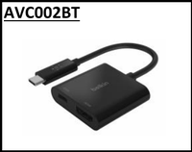 | Belkin USB-C to HDMI + Charge Adapter | USB-C to HDMI adapter with Power Delivery pass-through, supporting 4K video output while charging your laptop through a single USB-C port. | 5,000
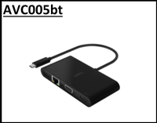 | Belkin USB-C to Gigabit Ethernet, HDMI, VGA & USB-A Multiport Adapter | All-in-one USB-C multiport adapter with HDMI, VGA, Gigabit Ethernet and USB-A, perfect for presentations, meetings and workstation setups. | 8,125
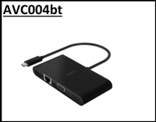 | Belkin USB-C Multiport Adapter with 100W Power Delivery (HDMI, VGA, USB-A, GbE) | USB-C multiport adapter with HDMI, VGA, Gigabit Ethernet, USB-A and 100W Power Delivery pass-through, ideal for power users and creative professionals. | 8,750
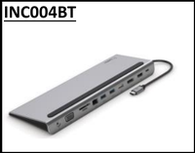 | Belkin CONNECT USB-C 11-in-1 Multiport Dock with 100W Pass-Through Stand | Premium USB-C 11-in-1 docking station with 100W Power Delivery pass-through that doubles as a laptop stand, supporting dual displays, Ethernet, SD card readers and multiple USB ports. | 18,750
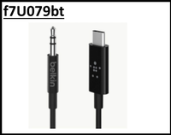 | Belkin USB-C to 3.5mm Audio Cable | USB-C to 3.5mm audio cable that lets you listen to music, take calls and watch videos on USB-C smartphones, tablets and laptops without an extra DAC dongle. | 2,625
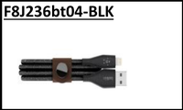 | Belkin DuraTek Plus Lightning to USB-A Cable with Strap (4ft, Black) | Premium MFi-certified Lightning to USB-A cable with DuPont Kevlar fiber, leather strap and 10,000-bend tested durability for everyday charging and syncing. | 3,500
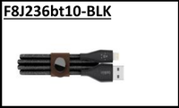 | Belkin DuraTek Plus Lightning to USB-A Cable with Strap (10ft, Black) | Extra-long 10ft MFi-certified Lightning to USB-A cable with Kevlar reinforcement and leather strap for charging and syncing across the room. | 4,625
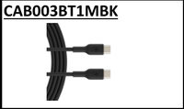 | Belkin BoostCharge Braided USB-C to USB-C Cable (2m / 6.6ft, Black) | Durable double-braided 2-meter USB-C to USB-C cable supporting fast charging and data transfer for phones, tablets and laptops. | 1,125
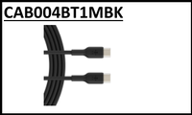 | Belkin BoostCharge Braided USB-C to USB-C Cable (1m / 3.3ft, Black) | Compact 1-meter braided USB-C to USB-C cable built for everyday fast charging and data transfer with reinforced strain relief. | 1,250
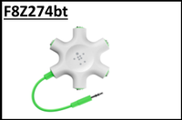 | Belkin RockStar 5-Jack 3.5mm Audio Headphone Splitter | 5-port 3.5mm headphone splitter that lets up to five people listen to the same audio source, perfect for travel, classrooms and shared listening. | 1,875
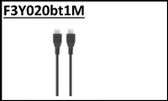 | Belkin High-Speed HDMI Cable with Ethernet (1 Meter) | High-speed 1-meter HDMI cable with Ethernet channel supporting Full HD 1080p, 3D and audio return for TVs, monitors, gaming consoles and Blu-ray players. | 875
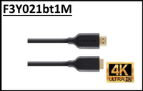 | Belkin Gold-Plated High-Speed HDMI Cable with Ethernet (1 Meter) | Premium gold-plated 1-meter HDMI cable with Ethernet for crystal-clear video and audio transmission between HDMI-enabled home theater devices. | 1,000
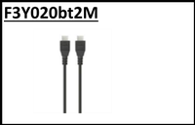 | Belkin High-Speed HDMI Cable with Ethernet (2 Meter) | 2-meter high-speed HDMI cable with Ethernet channel for reliable Full HD video, 3D and audio return between TVs, set-top boxes and gaming consoles. | 1,063
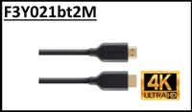 | Belkin Gold-Plated High-Speed HDMI Cable with Ethernet (2 Meter) | Premium 2-meter gold-plated HDMI cable with Ethernet for sharper picture quality and reliable performance in home theater setups. | 1,188
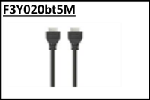 | Belkin High-Speed HDMI Cable with Ethernet (5 Meter) | Long-reach 5-meter high-speed HDMI cable with Ethernet for connecting home theater devices over greater distances without signal loss. | 2,125
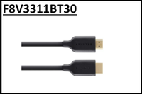 | Belkin Gold-Plated High-Speed HDMI Cable with Ethernet (9.1 Meter) | Extra-long 9.1-meter gold-plated HDMI cable with Ethernet, ideal for ceiling-mounted projectors and large room installations. | 8,125
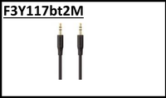 | Belkin Essential Stereo 3.5mm Audio Cable (2m) | 2-meter 3.5mm stereo aux cable for connecting smartphones, MP3 players and laptops to car stereos, speakers and home audio systems. | 750
 | Belkin Mini-Stereo to RCA Audio Cable (2m) | 2-meter 3.5mm mini-stereo to dual RCA audio cable for connecting portable devices and computers to home audio receivers and speakers. | 750
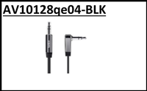 | Belkin MIXIT 3.5mm Aux Audio Cable | Tangle-resistant 3.5mm aux cable with reinforced strain relief, perfect for everyday music streaming on the go. | 750
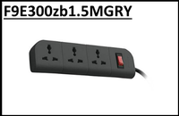 | Belkin Essential Series 3-Socket Surge Protector (1.5m, Grey) | 3-socket surge protector with 1.5-meter cord providing essential protection for computers, TVs and home electronics against power spikes. | 2,000
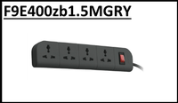 | Belkin Essential Series 4-Socket Surge Protector (1.5m, Grey) | 4-socket surge protector with 1.5-meter cord, safeguarding home and office electronics from voltage spikes and power surges. | 2,500
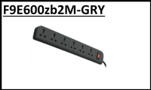 | Belkin Essential Series 6-Socket Surge Protector (2m, Grey) | 6-socket surge protector with 2-meter cord delivering robust surge protection for entertainment centers and workstations. | 3,125
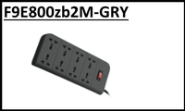 | Belkin Essential Series 8-Socket Surge Protector (2m, Grey) | 8-socket surge protector with 2-meter cord, ideal for home theaters and multi-device setups requiring comprehensive surge protection. | 3,875
 | Belkin MIXIT Lightning to USB ChargeSync Cable (Black) | MFi-certified Lightning to USB cable for fast charging and syncing iPhone, iPad and iPod with reliable Apple-approved performance. | 1,375
 | Belkin MIXIT Micro-USB ChargeSync Cable (Black) | Durable Micro-USB ChargeSync cable for charging and syncing Android smartphones, tablets and other Micro-USB devices. | 375
 | Belkin MIXIT Micro-USB ChargeSync Cable (2 Meter, Black) | Extended-length 2-meter Micro-USB ChargeSync cable, perfect for charging from a distance on couches, beds and desks. | 500
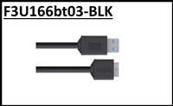 | Belkin Micro-B to USB 3.0 Cable | SuperSpeed Micro-B to USB 3.0 cable for fast data transfer with external hard drives, cameras and other USB 3.0 devices. | 1,375
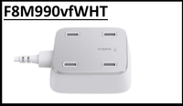 | Belkin Family RockStar 4-Port USB Wall Charger (White) | 4-port USB wall charger that simultaneously powers up to four phones, tablets and accessories, ideal for families and travelers. | 6,250
 | Belkin USB-C to USB-C Cable 100W (3.1, Black) | USB 3.1 USB-C to USB-C cable supporting 100W Power Delivery and high-speed data transfer for laptops, tablets and smartphones. | 4,500
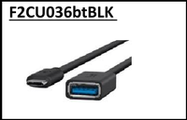 | Belkin USB-C to USB-A Adapter (USB 3.0, Black) | Compact USB-C to USB-A adapter that connects legacy USB-A peripherals like flash drives, mice and keyboards to USB-C laptops and tablets. | 1,625
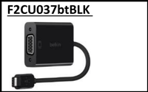 | Belkin USB-C to VGA Adapter (Black) | USB-C to VGA adapter for mirroring or extending displays to VGA projectors and monitors from USB-C laptops at up to 1080p. | 3,750
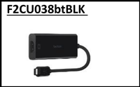 | Belkin USB-C to HDMI Adapter (Black) | USB-C to HDMI adapter supporting up to 4K video output for connecting USB-C laptops and smartphones to HDMI TVs and monitors. | 7,000
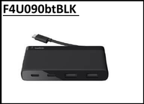 | Belkin USB-C 4-Port Mini Hub (Black) | Slim, travel-friendly USB-C 4-port hub that adds four USB-A ports to USB-C laptops, perfect for connecting peripherals on the go. | 5,750
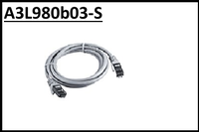 | Belkin CAT5e RJ45 Patch Cable (1m) | 1-meter CAT5e Ethernet patch cable for reliable wired networking between routers, switches, computers and game consoles. | 313
 | Belkin Gold Edition CAT5e RJ45 Gigabit Ethernet Cable (2.1m, Black) | Premium 2.1-meter gold-edition CAT5e Ethernet cable for high-performance gigabit networking with reduced signal interference. | 438
 | Belkin Gold Edition CAT5e RJ45 Gigabit Ethernet Cable (5m, Black) | 5-meter gold-edition CAT5e Ethernet cable delivering reliable gigabit transmission for office and home network setups. | 625
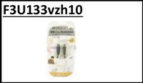 | Belkin USB-A to USB-B Printer Cable (3m) | 3-meter USB-A to USB-B cable for connecting computers to printers, scanners and other USB-B peripherals with stable data transfer. | 1,125
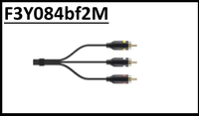 | Belkin Gold-Plated Composite RCA Audio/Video Cable (2m) | 2-meter gold-plated composite RCA audio/video cable for connecting DVD players, gaming consoles and camcorders to TVs and AV receivers. | 1,125
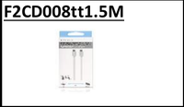 | Belkin Mini DisplayPort to Mini DisplayPort Cable (1.5m) | 1.5-meter Mini DisplayPort to Mini DisplayPort cable for connecting Mac and Surface devices to compatible displays at high resolutions. | 1,375
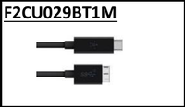 | Belkin USB-C to Micro-B 3.1 Cable (1m) | USB 3.1 USB-C to Micro-B cable for fast data transfer with external SSDs, hard drives and other USB 3.1 storage devices. | 1,875
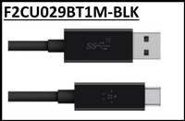 | Belkin USB-A to USB-C Cable 3.1 (Black) | USB 3.1 USB-A to USB-C cable for fast charging and high-speed data transfer between USB-C devices and legacy USB-A computers. | 1,875
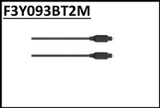 | Belkin Gold-Plated Digital Optical Audio Cable TOSLINK (2m) | 2-meter gold-plated TOSLINK digital optical audio cable for crystal-clear sound between soundbars, receivers, TVs and game consoles. | 1,000
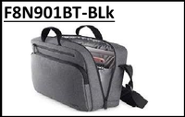 | Belkin Classic Pro Messenger Bag for 15.6-inch Laptops (Grey) | Stylish 15.6-inch laptop messenger bag with padded compartments, organizer pockets and durable construction for daily commuting. | 3,125
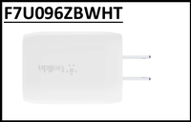 | Belkin BoostCharge 18W USB-C PD Wall Charger (White) | Compact 18W USB-C Power Delivery wall charger that fast-charges iPhone, iPad, Pixel and other USB-C smartphones and tablets. | 2,750
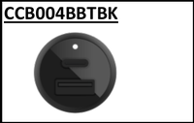 | Belkin BoostCharge Dual Car Charger with PPS 37W (Black) | 37W dual-port USB-C car charger with PPS technology for ultra-fast charging of two devices simultaneously, including Samsung Super Fast Charging support. | 3,875
 | Belkin Universal Car Charger with Micro-USB ChargeSync Cable (10W / 2.1A) | 10W universal car charger bundled with a Micro-USB ChargeSync cable for charging Android smartphones and tablets on the road. | 1,250
 | Belkin Dual Car Charger with Lightning to USB Cable (10W / 2.1A) | Dual-port 10W car charger with included MFi Lightning cable for charging two Apple devices simultaneously while driving. | 2,625
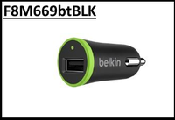 | Belkin Universal Car Charger (10W / 2.1A, Black) | Compact 10W universal USB car charger that powers smartphones, tablets and other USB devices with reliable in-vehicle charging. | 1,250
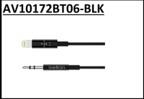 | Belkin 3.5mm Audio Cable with Lightning Connector (Black) | MFi-certified Lightning to 3.5mm audio cable for connecting iPhone and iPad to car stereos, home speakers and headphone jacks. | 3,625
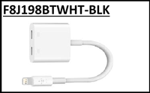 | Belkin Lightning Audio + Charge RockStar Adapter | MFi-certified dual-Lightning adapter that lets you listen to audio and charge your iPhone simultaneously through a single Lightning port. | 8,125
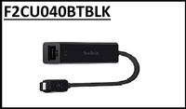 | Belkin USB-C to Gigabit Ethernet Adapter | USB-C to Gigabit Ethernet adapter for fast, reliable wired network access on USB-C laptops, tablets and Chromebooks. | 5,000
 | Belkin Universal Charging Cable (Lightning, USB-C, Micro-USB) | 3-in-1 universal charging cable with Lightning, USB-C and Micro-USB connectors for charging virtually any phone or tablet. | 3,500
 | Belkin BOOST UP Universal Car Charger with Micro-USB Cable | Single-port universal car charger bundled with a Micro-USB cable for fast, reliable in-car charging of Android smartphones. | 1,438

