Corsair Components 2024
Product Image | Product Name | Description | Price
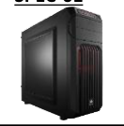 | Corsair Carbide Series™ SPEC-01 Blue LED Mid-Tower | Carbide Series™ SPEC-01 has the essential, in-demand features you need in a performance gaming case, and it’s backed up with legendary CORSAIR design and build quality. | 8875
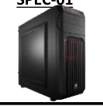 | Corsair Carbide Series™ SPEC-01 Red LED Mid-Tower Gaming Case | Carbide Series™ SPEC-01 has the essential, in-demand features you need in a performance gaming case, and it’s backed up with legendary CORSAIR design and build quality. | 9250
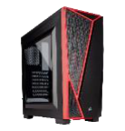 | Corsair Carbide Series™ SPEC-04 Mid-Tower Gaming Case — Black/Red | The Carbide Series™ SPEC-04’s angular, hard-edged exterior combined with excellent cooling potential adds bold styling with ease of assembly. | 9250
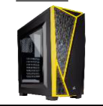 | Corsair Carbide Series™ SPEC-04 Mid-Tower Gaming Case — Black/Yellow | The Carbide Series™ SPEC-04’s angular, hard-edged exterior combined with excellent cooling potential adds bold styling with ease of assembly. | 9250
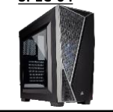 | Corsair Carbide Series™ SPEC-04 Mid-Tower Gaming Case — Black/Grey 5 7400 9250 | The Carbide Series™ SPEC-04’s angular, hard-edged exterior combined with excellent cooling potential adds bold styling with ease of assembly. | 9250
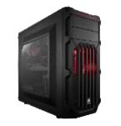 | Corsair Carbide Series™ SPEC-03 Orange LED Mid-Tower Gaming Case 6 8200 10250 | Carbide Series™ SPEC-03 has an aggressive, gaming-oriented design with the superior air cooling you need if you’re running high-performance GPUs. | 10250
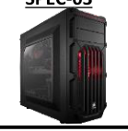 | Corsair Carbide Series™ SPEC-03 Red LED Mid-Tower Gaming Case | Carbide Series™ SPEC-03 has an aggressive, gaming-oriented design with the superior air cooling you need if you’re running high-performance GPUs. | 10500
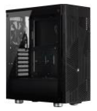 | Corsair 275R Airflow Tempered Glass Mid-Tower Gaming Case — Black | The CORSAIR 275R Airflow is a mid-tower ATX case that pairs modern design 8 9500 11875 with maximum airflow, thanks to a slatted front panel and a single tempered glass window. | 11875
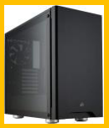 | Corsair Carbide Series 275R Tempered Glass Mid-Tower Gaming Case — Black | The CORSAIR Carbide Series 275R is a compact mid-tower ATX case that matches minimalist design and a beautiful tempered glass window with a straightforward interior layout and versatile cooling options. | 12500
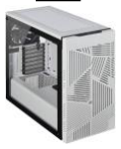 | Corsair 275R Airflow Tempered Glass Mid-Tower Gaming Case — White | The CORSAIR 275R Airflow is a mid-tower ATX case that pairs modern design with maximum airflow, thanks to a slatted front panel and a single tempered glass window. | 13125
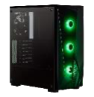 | Corsair Carbide Series SPEC-DELTA RGB Tempered Glass Mid-Tower ATX Gaming Case — Black | The Carbide Series SPEC-DELTA RGB is a tempered glass mid-tower ATX case with striking angular styling, powerful airflow and three included RGB cooling fans. | 13125
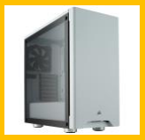 | Corsair Carbide Series 275R Tempered Glass Mid-Tower Gaming Case — White | The CORSAIR Carbide Series 275R is a compact mid-tower ATX case that matches minimalist design and a beautiful tempered glass window with a straightforward interior layout and versatile cooling options. | 13750
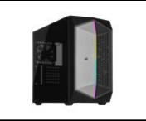 | Corsair 470T RGB Mid-Tower Case | The CORSAIR 470T RGB is a distinctive mid-tower ATX case with a spacious interior, striking RGB style, and great cooling. | 15000
 | CUE 4000D RGB AIRFLOW Mid-Tower Case- Black | The CORSAIR 4000D RGB AIRFLOW is a mid-tower ATX case with high-airflow design, three included CORSAIR AF120 RGB ELITE fans providing exceptional cooling for your components. | 26875
 | iCUE 4000D RGB AIRFLOW Mid-Tower Case -True White | The CORSAIR 4000D RGB AIRFLOW is a mid-tower ATX case with high-airflow design, three included CORSAIR AF120 RGB ELITE fans providing exceptional cooling for your components. | 27750
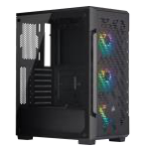 | iCUE 220T RGB Airflow Tempered Glass Mid-Tower Smart Case — Black | The CORSAIR iCUE 220T RGB Airflow is a compact mid-tower ATX smart case with a high airflow layout and three included SP120 RGB PRO fans for spectacular RGB lighting controlled out-of-the-box via CORSAIR iCUE software. | 22500
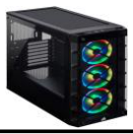 | iCUE 465X RGB Mid-Tower ATX Smart Case — Black | The CORSAIR iCUE 465X RGB is a mid-tower ATX smart case that offers brilliant software-controlled lighting out of the box with three LL120 RGB fans and two tempered glass panels. | 22500
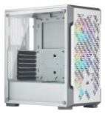 | iCUE 220T RGB Airflow Tempered Glass Mid-Tower Smart Case — White | The CORSAIR iCUE 220T RGB Airflow is a compact mid-tower ATX smart case 18 18500 23125 with a high airflow layout and three included SP120 RGB PRO fans for spectacular RGB lighting controlled out-of-the-box via CORSAIR iCUE software. | 23125
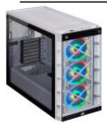 | iCUE 465X RGB Mid-Tower ATX Smart Case — White | The CORSAIR iCUE 465X RGB is a mid-tower ATX smart case that offers brilliant software-controlled lighting out of the box with three LL120 RGB fans and two tempered glass panels. | 27500
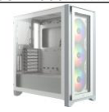 | iCUE 4000X RGB Tempered Glass Mid-Tower ATX Case — Black | The CORSAIR iCUE 4000X RGB is a distinctive and customizable tempered glass mid-tower ATX case with easy cable management and exceptional cooling, with three included CORSAIR AirGuide RGB fans. | 28125
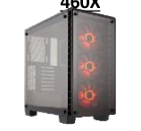 | iCUE 4000X RGB Tempered Glass Mid-Tower ATX Case — White | The CORSAIR iCUE 4000X RGB is a distinctive and customizable tempered glass mid-tower ATX case with easy cable management and exceptional cooling, with three included CORSAIR AirGuide RGB fans. | 29000
 | Corsair Crystal Series™ 460X RGB Compact ATX Mid-Tower Case | Beautifully simple and engineered to perform: the Crystal 460X with beautiful two-panel tempered glass, Direct Airflow cooling technology, and SP120 RGB LED fans is compact, expandable, and gorgeous. | 27500
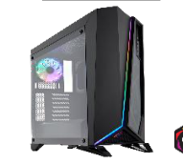 | Corsair Carbide Series SPEC-OMEGA RGB Mid-Tower Tempered Glass Gaming Case — Black | The Carbide Series SPEC-OMEGA RGB is a mid-tower PC case with striking angular looks and a tempered glass side panel. A front panel tempered glass window and iCUE software-controlled RGB lighting make this the ultimate SPEC. | 28750
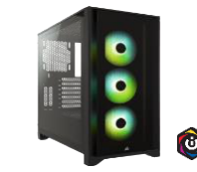 | Corsair 5000D AIRFLOW Tempered Glass Mid-Tower ATX PC Case — Black | The CORSAIR 5000D AIRFLOW is a mid-tower ATX case that shows off your PC, and not its cables. Hidden cable management and an airflow-optimized front panel make building a clean, cool PC easy, with two included CORSAIR AirGuide fans. | 29000
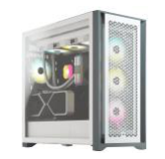 | Corsair 5000D AIRFLOW Tempered Glass Mid-Tower ATX PC Case — White | The CORSAIR 5000D AIRFLOW is a mid-tower ATX case that shows off your PC, and not its cables. Hidden cable management and an airflow-optimized front panel make building a clean, cool PC easy, with two included CORSAIR Air Guide fans. | 28750
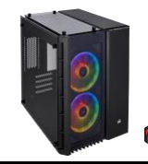 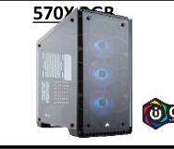 | Corsair Crystal Series™ 570X RGB ATX Mid-Tower Case | With immaculate tempered glass enclosing the entire chassis, every component of your build is on display for all to see. | 33750
 | iCUE 5000X RGB Tempered Glass Mid-Tower ATX PC Smart Case — Black | The CORSAIR iCUE 5000X RGB is a mid-tower ATX case that shows off your PC, and not its cables. Four stunning tempered glass panels and three included CORSAIR SP RGB ELITE fans put your PC. | 37250
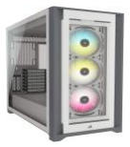 | iCUE 5000X RGB Tempered Glass Mid-Tower ATX PC Smart Case — White | The CORSAIR iCUE 5000X RGB is a mid-tower ATX case that shows off your PC, and not its cables. Four stunning tempered glass panels and three included CORSAIR SP RGB ELITE fans put your PC . | 38750
 | Corsair Crystal Series 680X RGB ATX High Airflow Tempered Glass Smart Case — Black | The CORSAIR Crystal Series 680X RGB is a dual-chamber tempered glass ATX smart case boasting superb airflow and brilliant software-controlled RGB fans to efficiently cool and illuminate the most demanding systems. | 43750
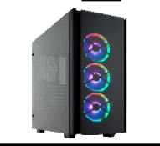 | Corsair Obsidian Series 500D RGB SE Premium Mid-Tower Case | The Obsidian Series 500D RGB SE is a premium mid-tower enthusiast PC case with aluminum construction, smoked tempered glass panels, and software control over fans and RGB lighting enabled by a CORSAIR iCUE Commander PRO. | 47500
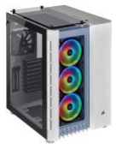 | Corsair Crystal Series 680X RGB ATX High Airflow Tempered Glass Smart Case —White | The CORSAIR Crystal Series 680X RGB is a dual-chamber tempered glass ATX smart case boasting superb airflow and brilliant software-controlled RGB fans to efficiently cool and illuminate the most demanding systems. | 48750
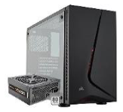 | Corsair Carbide Series SPEC-05 Mid-Tower Gaming Case — Black With VS- 550 Supply | CORSAIR Carbide Series SPEC-05 case is a mid tower ATX case gaming case that combines a stylish and distinctive exterior with excellent cooling potential, a straightforward layout, and a dedicated cable routing compartment for effortlessly clean builds. | 14375
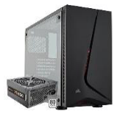 | Corsair Carbide Series SPEC-05 Mid-Tower Gaming Case — Black With VS- 650 Supply | CORSAIR Carbide Series SPEC-05 case is a mid tower ATX case gaming case that combines a stylish and distinctive exterior with excellent cooling potential, a straightforward layout, and a dedicated cable routing compartment for effortlessly clean builds.) Power Supply Unit (PSU. | 16875
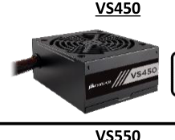 | Corsair 450 Watt 80 PLUS® White Certified PSU | The CORSAIR VS Series combines stable 80 PLUS efficiency power and affordable pricing from the world’s most trusted name in PC power supplies. | 7125
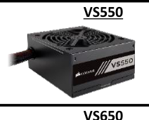 | Corsair 550 Watt 80 PLUS® White Certified PSU | The CORSAIR VS Series combines stable 80 PLUS efficiency power and affordable pricing from the world’s most trusted name in PC power supplies. | 9875
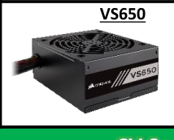 | Corsair 650 Watt 80 PLUS® White Certified PSU | The CORSAIR VS Series combines stable 80 PLUS efficiency power and affordable pricing from the world’s most trusted name in PC power supplies. | 12625
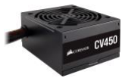 | Corsair 450 Watt 80 PLUS® Bronze Certified ATX PSU | CORSAIR CV power supplies are ideal for powering your new home or office PC, with 80 PLUS Bronze efficiency guaranteed to continuously deliver full wattage to your system. | 10000
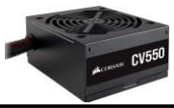 | Corsair 550 Watt 80 PLUS® Bronze Certified ATX PSU | CORSAIR CV power supplies are ideal for powering your new home or office 2 9100 11375 PC, with 80 PLUS Bronze efficiency guaranteed to continuously deliver full wattage to your system. | 11375
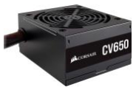 | Corsair CV650 — 650 Watt 80 PLUS® Bronze Certified ATX PSU | CORSAIR CV power supplies are ideal for powering your new home or office PC, with 80 PLUS Bronze efficiency guaranteed to continuously deliver full wattage to your system. | —
 | Corsair CV650 — 650 Watt 80 PLUS® Bronze Certified ATX PSU | CORSAIR CV power supplies are ideal for powering your new home or office PC, with 80 PLUS Bronze efficiency guaranteed to continuously deliver full wattage to your system. | 14750
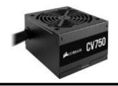 | Corsair 750 Watt 80 Plus® Bronze Certified PSU | CORSAIR CV power supplies are ideal for powering your new home or office PC, with 80 PLUS Bronze efficiency guaranteed to continuously deliver full wattage to your system. | 16000
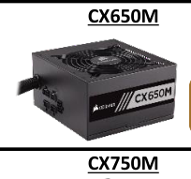 | Corsair 650 Watt 80 PLUS® Bronze Certified Modular ATX PSU | CX Series™ Modular power supply units are an excellent choice for basic system builds and desktop PC computer upgrades, offering high reliability, low noise, and the flexibility of modular cabling. | 16000
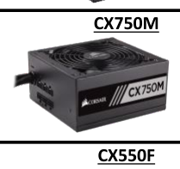 | Corsair 750 Watt 80 PLUS® Bronze Certified Modular ATX PSU | CX Series™ Modular power supply units are an excellent choice for basic system builds and desktop PC computer upgrades, offering high reliability, low noise, and the flexibility of modular cabling. | 19375
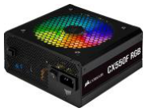 | Corsair CX Series™ CX550F RGB — 550 Watt 80 Plus® Bronze Certified Fully Modular RGB PSU | UK) (CORSAIR CX-650F RGB Series fully modular power supplies deliver reliable 80 PLUS Bronze efficient power to your system, alongside vibrant customizable lighting from a 120mm RGB fan and a clean aesthetic. | 17500
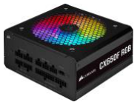 | Corsair CX Series™ CX650F RGB — 650 Watt 80 Plus® Bronze Certified Fully Modular RGB PSU | UK) (CORSAIR CX-650F RGB Series fully modular power supplies deliver reliable 80 PLUS Bronze efficient power to your system, alongside vibrant customizable lighting from a 120mm RGB fan and a clean aesthetic. | 20000
 | Corsair CX Series™ CX750F RGB — 750 Watt 80 Plus® Bronze Certified Fully Modular RGB PSU | UK) (CORSAIR CX-750F RGB Series fully modular power supplies deliver reliable 80 PLUS Bronze efficient power to your system, alongside vibrant customizable lighting from a 120mm RGB fan and a clean aesthetic. | 22500
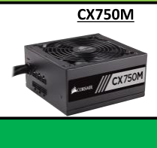 | Corsair CX - M Series ™ 80 Plus® Bronze CERTIFIED Modular ATX PSU | UK) (CORSAIR CX-M Series Low-Noise Power Supplies with single EPS12V connectors offer semi-modular cabling, a long-lasting rifle bearing fan, and Japanese capacitors for reliable, low-noise operation. | 20625
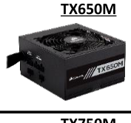 | Corsair 650 Watt 80 Plus® Gold Certified PSU | The CORSAIR TX-M Series™ power supplies provide industrial build quality, 80 PLUS® Gold efficiency, extremely tight voltages and a semi-modular cable set. | 20000
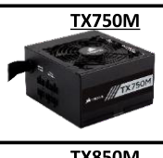 | Corsair 750 Watt 80 Plus® Gold Certified PSU | The CORSAIR TX-M Series™ power supplies provide industrial build quality, 2 19000 23750 80 PLUS® Gold efficiency, extremely tight voltages and a semi-modular cable set. | 23750
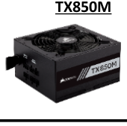 | Corsair 850 Watt 80 Plus® Gold Certified PSU | The CORSAIR TX-M Series™ power supplies provide industrial build quality, 80 PLUS® Gold efficiency, extremely tight voltages and a semi-modular cable set. | 28750
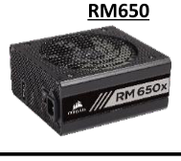 | Corsair Modular PSU | CORSAIR RM Series fully modular power supplies deliver consistent 80 PLUS Gold efficient power to your PC, with virtually silent operation. | 21875
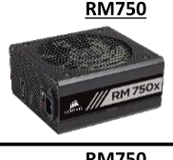 | Corsair Modular PSU | CORSAIR RM Series fully modular power supplies deliver consistent 80 PLUS Gold efficient power to your PC, with virtually silent operation. | 31250
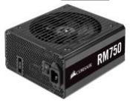 | Corsair Modular PSU | CORSAIR RM Series fully modular power supplies deliver consistent 80 PLUS Gold efficient power to your PC, with virtually silent operation. | 31250
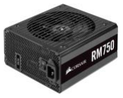 | Corsair RM Series™ RM750 — 750 Watt 80 PLUS Gold Fully Modular ATX PSU | CORSAIR RM Series Fully Modular Ultra-Low Noise Power Supplies with triple/dual EPS12V connectors deliver consistent 80 PLUS Gold efficient power to your PC. | 31250
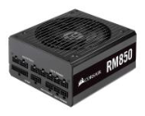 | Corsair Modular PSU | CORSAIR RM Series fully modular power supplies deliver consistent 80 PLUS Gold efficient power to your PC, with virtually silent operation. | 35000
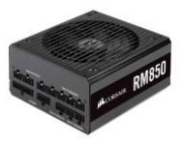 | Corsair Modular PSU | CORSAIR RM Series fully modular power supplies deliver consistent 80 PLUS Gold efficient power to your PC, with virtually silent operation. | 35000
 | Corsair ATX PSU | CORSAIR RM850x Series fully modular power supplies with EPS12V connectors are built with the highest quality components to deliver 80 PLUS Gold efficient power to your PC, with virtually silent operation. | 35000
 | Corsair RM Series™ RM850 — 850 Watt 80 PLUS Gold Fully Modular ATX PSU | CORSAIR RM Series Fully Modular Ultra-Low Noise Power Supplies with triple/dual EPS12V connectors deliver consistent 80 PLUS Gold efficient power to your PC. | 35000
 | Corsair ATX PSU | CORSAIR RM850x Series fully modular power supplies with EPS12V connectors are built with the highest quality components to deliver 80 PLUS Gold efficient power to your PC, with virtually silent operation. | 28750
 | Corsair ATX PSU | CORSAIR RM850x Series fully modular power supplies with EPS12V connectors are built with the highest quality components to deliver 80 PLUS Gold efficient power to your PC, with virtually silent operation. | 35625
 | Corsair Fully Modular PSU | CORSAIR RMx Series™power supplies give you extremely tight voltage control, virtually silent operation, and a fully modular cable set. | 43750
 | Corsair Fully Modular PSU | CORSAIR RM1000x Series fully modular power supplies with EPS12V connectors are built with the highest quality components to deliver 80 PLUS Gold efficient power to your PC, with virtually silent operation. | 43750
 | Corsair RMe Series™ RM750e Fully Modular Low-Noise ATX Power Supply | CORSAIR RMe Series Fully Modular Low-Noise Power Supplies with ATX 3.0 and PCIe 5.0 compliance provide quiet, reliable power with 80 PLUS Gold efficiency to a wide variety of PC builds. | 27375
 | Corsair RMe Series™- RM850e Fully Modular Low-Noise ATX Power Supply | CORSAIR RM Series fully modular power supplies deliver consistent 80 PLUS Gold efficient power to your PC, with virtually silent operation. | 29750
 | Corsair RMe Series™- RM1000e Fully Modular Low-Noise ATX Power Supply | CORSAIR RM Series fully modular power supplies deliver consistent 80 PLUS Gold efficient power to your PC, with virtually silent operation. | 43750
 | Corsair HX Series™ HX1000 — 1000 Watt 80 PLUS® PLATINUM Certified Fully Modular PSU | The CORSAIR HX Series™ provides 80 PLUS PLATINUM efficiency, extremely tight voltage regulation and a Zero RPM Fan Mode, giving you virtually silent operation. | 45000
 | Corsair HX Series™ HX1200 — 1200 Watt 80 PLUS® PLATINUM Certified Fully Modular PSU | The CORSAIR HX Series™ provides 80 PLUS PLATINUM efficiency, extremely tight voltage regulation and a Zero RPM Fan Mode, giving you virtually silent operation. | 50000
 | Corsair AX Series™ AX1600i Digital ATX Power Supply — 1600 Watt Fully- Modular PSU | The CORSAIR AX1600i is the ultimate digital ATX power supply, built using only the best components and state-of-the-art gallium nitride transistors to deliver more than 94% efficiency. | 115000
 | Corsair PWM Splitter Cable | PWM splitter cable that lets you connect multiple PWM cooling fans to a single fan header on your motherboard. | 188
 | Corsair TM30 Performance Thermal Paste | CORSAIR TM30 thermal paste helps you push your PC to its limit, with a low- viscosity premium zinc oxide thermal material that’s easy to apply. | 1375
 | Corsair XTM50 High Performance Thermal Paste Kit | CORSAIR XTM50 High Performance Thermal Paste is the most complete solution to help lower your PC component temperatures and keep your PC cool under pressure. | 2188
 | CORSAIR Lighting Node PRO | The CORSAIR Lighting Node PRO provides effects and vivid illumination of your PC. | 10000
 | iCUE Commander PRO Smart RGB Lighting and Fan Speed Controller | The CORSAIR iCUE Commander PRO turns your PC’s case into a smart case, using CORSAIR iCUE software to power stunning RGB lighting customization, precise fan speed control and accurate temperature monitoring, all from a single device. | 12125
 | Corsair Air Series™ AF120 LED | 2018) Red 120mm Fan Single Pack pressure, low noise, and high airflow to deliver great cooling performance anywhere in your PC. | 1750
 | Corsair Air Series™ AF120 LED Blue 120mm Fan — Single Pack | CORSAIR AF120 LED cooling fans combine bright LED lighting, strong static pressure, low noise, and high airflow to deliver great cooling performance anywhere in your PC. | 1750
 | Corsair Air Series™ AF140 LED Red 140mm Fan — Single Pack | CORSAIR AF140 LED cooling fans combine bright LED lighting, strong static pressure, low noise, and high airflow to deliver great cooling performance anywhere in your PC. | 2188
 | Corsair Air Series™ AF140 LED Blue 140mm Fan — Single Pack | CORSAIR AF140 LED cooling fans combine bright LED lighting, strong static pressure, low noise, and high airflow to deliver great cooling performance anywhere in your PC. | 2188
 | iCUE SP120 RGB PRO Performance 120mm Fan | The CORSAIR iCUE SP120 RGB PRO Performance Fan features eight individually addressable RGB LEDs lining the fan hub, for the cooling you need and the visuals to impress. | 2750
 | Corsair ML120 PRO RGB LED 120MM PWM Premium Magnetic Levitation Fan — Single Pack | The CORSAIR ML120 PRO RGB PWM fan combines unrivaled performance and low noise operation, by utilizing magnetic levitation bearing technology, with vibrant RGB lighting controlled in CORSAIR iCUE software. | 5625
 | Corsair LL120 RGB 120mm Dual Light Loop RGB LED PWM Fan — Single Pack | The CORSAIR LL120 RGB LED PWM fan boasts 16 independent RGB LEDs across two separate light loops to create vibrant lighting and visual effects. | 6875
 | iCUE SP120 RGB PRO Performance 120mm Triple Fan Kit with Lighting Node CORE | The CORSAIR iCUE SP120 RGB PRO Performance Triple Fan Kit boasts 24 individually addressable RGB LEDs – eight on each fan – for the cooling you need and the visuals to impress. | 11250
 | Corsair LL140 RGB 140mm Dual Light Loop RGB LED PWM Fan-2 Fan Pack with Lighting Node PRO | The CORSAIR LL140 RGB LED PWM fan boasts 16 independent RGB LEDsacross two separate light loops to create vibrant lighting and visual effects. | 13875
 | Corsair LL120 RGB 120mm Dual Light Loop RGB LED PWM Fan — 3 Fan Pack with Lighting Node PRO | The CORSAIR LL120 RGB LED PWM fan boasts 16 independent RGB LEDs across two separate light loops to create vibrant lighting and visual effects. | 18750
 | Corsair H45-Hydro Series™ Liquid CPU Cooler | The Hydro Series™ H45 makes your PC run cooler and quieter when you replace your CPU’s stock heatsink. | 10750
 | Corsair H55 RGB 120mm Liquid CPU Cooler | The CORSAIR H55 RGB all-in-one liquid CPU cooler delivers strong, dependable cooling and stunning lighting, with a CORSAIR SP120 RGB ELITE PWM fan, a 120mm radiator, and 21 bright RGB LEDs. | 15000
 | Corsair H60 -Hydro Series™ H60 120mm Liquid CPU Cooler | CORSAIR Hydro Series™ H60 Liquid CPU cooler’s second-generation design 3 12500 15625 offers powerful, low-noise, liquid cooling. The redesigned fan and low-profile radiator help H60 excel at rapidly drawing heat away from your CPU, all the while looking stylish with its white LED-lit pump head. | 15625
 | Corsair H100x-Hydro Series™ High Performance Liquid CPU Cooler | The CORSAIR Hydro Series H100x is an extreme performance liquid CPU cooler that packs dual 120mm fans and a 240mm radiator into a simple, no- fuss package. | 17500
 | iCUE H100i RGB PRO XT Liquid CPU Cooler | The CORSAIR iCUE H100i RGB PRO XT is an all-in-one liquid CPU cooler built for both low noise operation and extreme CPU cooling, with a 240mm radiator, two CORSAIR ML120 PWM fans, and 16 RGB LEDs. | 20000
 | Corsair H100i-Hydro Series™ RGB PLATINUM 240mm Liquid CPU Cooler | The CORSAIR Hydro Series H100i RGB PLATINUM is an all-in-one liquid CPU cooler with a 240mm radiator and vivid RGB lighting that’s built for extreme CPU cooling. | 22750
 | Corsair H100i PRO-Hydro Series™ H100i PRO RGB Liquid CPU Cooler | The CORSAIR Hydro Series H100i PRO is an all-in-one RGB liquid CPU cooler with a 240mm radiator built for low-noise cooling and bold styling with an RGB LED pump head. | 25000
 | iCUE H100i ELITE CAPELLIX Liquid CPU Cooler | The CORSAIR iCUE H100i ELITE CAPELLIX Liquid CPU Cooler delivers powerful, low-noise cooling for your CPU, with a 240mm radiator, two CORSAIR ML120 RGB PWM fans, and an ultra-bright CAPELLIX RGB pump head. | 27500
 | iCUE H115i ELITE CAPELLIX Liquid CPU Cooler | The CORSAIR iCUE H115i ELITE CAPELLIX Liquid CPU Cooler delivers powerful, low-noise cooling for your CPU, with a 280mm radiator, two CORSAIR ML140 RGB PWM fans, and an ultra-bright CAPELLIX RGB pump head. | 31250
 | iCUE H100i ELITE CAPELLIX Liquid CPU Cooler — White | The CORSAIR iCUE H100i ELITE CAPELLIX Liquid CPU Cooler delivers powerful, low-noise cooling for your CPU, with a 240mm radiator, two CORSAIR ML120 RGB PWM fans, and an ultrabright CAPELLIX RGB pump head. | 31250
 | iCUE H150i ELITE CAPELLIX Liquid CPU Cooler — White | The CORSAIR iCUE H150i ELITE CAPELLIX Liquid CPU Cooler delivers powerful, low-noise cooling for your CPU, with a 360mm radiator, three CORSAIR ML120 RGB PWM fans, and an ultra-bright CAPELLIX RGB pump head. | 36250
 | iCUE H150i RGB PRO XT Liquid CPU Cooler | The CORSAIR iCUE H150i RGB PRO XT is an all-in-one liquid CPU cooler built for both low noise operation and extreme CPU cooling, with a 360mm radiator, three CORSAIR ML120 PWM fans, and 16 RGB LEDs. | 40000
 | iCUE H150i ELITE CAPELLIX Liquid CPU Cooler | The CORSAIR iCUE H100i ELITE CAPELLIX Liquid CPU Cooler delivers powerful, low-noise cooling for your CPU, with a 360mm radiator, three CORSAIR ML120 RGB PWM fans, and an ultra-bright CAPELLIX RGB pump head. | 43750
 | iCUE H170i ELITE CAPELLIX Liquid CPU Cooler | The CORSAIR iCUE H170i ELITE CAPELLIX Liquid CPU Cooler delivers powerful, low-noise cooling for the most ambitious PC builds, with a massive 420mm radiator, three CORSAIR ML140 RGB PWM fans, and a CAPELLIX RGB pump head. | 46250
 | iCUE H100i ELITE LCD Display Liquid CPU Cooler | The CORSAIR iCUE H100i ELITE LCD Display Liquid CPU Cooler delivers powerful, customized cooling for your CPU, with a personalized LCD screen and two cutting-edge CORSAIR ML120 RGB ELITE PWM fans. | 50000
 | iCUE H150i ELITE LCD Display Liquid CPU Cooler | The CORSAIR iCUE H150i ELITE LCD Display Liquid CPU Cooler delivers 16 44000 55000 powerful, customized cooling for your CPU, with a personalized LCD screen and three cutting-edge CORSAIR ML120 RGB ELITE PWM fans. | 55000
 | CORSAIR GAMING PBT Double-shot-White | CORSAIR raises the bar on keyboard performance with PBT double-shot, backlit compatible keycaps. Each keycap is created using our special two-shot molding process, ensuring more durability, more stability and legends that won’t fade. | 8750
 | Corsair shot-Black CORSAIR GAMING PBT Double-shot-Black | CORSAIR raises the bar on keyboard performance with PBT double-shot, backlit compatible keycaps. Each keycap is created using our special two-shot molding process, ensuring more durability, more stability and legends that won’t fade. | 8750
 | Corsair K55 RGB Gaming Keyboard | The K55 RGB is your first step towards enhanced performance. Intuitive RGB backlighting modes, 6 dedicated macro keys, multi-key anti-ghosting, and on- the-fly media controls provide the customization and control essential for victory. | 11250
 | Corsair K55 RGB PRO Gaming Keyboard | The CORSAIR K55 RGB PRO Gaming Keyboard lights up your desktop with five-zone dynamic RGB backlighting and powers up your gameplay with six dedicated macro keys. | 11250
 | Corsair K55 + HARPOON RGB Keyboard and Mouse Combo | The K55 and HARPOON RGB Gaming Keyboard and Mouse Combo is your first step toward winning and features programmable macro keys, high- performance 6000 DPI mouse sensor and full iCUE support. | 13500
 | Corsair K70 RAPIDFIRE Mechanical Gaming Keyboard — CHERRY® MX Speed | K70 RAPIDFIRE has CHERRY® MX Speed switches for the world’s fastest mechanical keyboard performance. It’s backed by a lightweight aluminum chassis and dynamic, vibrant LED backlighting. | 20000
 | Corsair K65 RGB MINI 60% Mechanical Gaming Keyboard — CHERRY MX SPEED | CH) — Black (The CORSAIR K65 RGB MINI 60% Mechanical Gaming Keyboard combines top- level performance with portability, featuring AXON hyper-processing technology, CHERRY MX SPEED mechanical keyswitches, and exceptional customizability in a compact design. | 20625
 | Corsair K83 Wireless Entertainment Keyboard | The K83 Wireless Entertainment Keyboard offers the latest in living room media control. Aluminum design, white backlighting, and flexible wireless technology give you a front row seat to your living room entertainment . | 21250
 | Corsair K68 RGB Mechanical Gaming Keyboard — CHERRY® MX Red | The CORSAIR K68 RGB ultra-durable mechanical keyboard combines vivid per-key RGB backlighting, up to IP32 water and dust resistance and CHERRY® MX keyswitches, allowing you to play on, whatever happens. | 23750
 | Corsair Gaming K63 Wireless Mechanical Gaming Keyboard and Gaming Lapboard Combo-Blue LED-CHERRY®MX Red | Experience complete PC gaming control wirelessly from the comfort of your living room or anywhere with the K63 Wireless Mechanical Keyboard and Gaming Lapboard. | 27500
 | Corsair K95 RGB PLATINUM Mechanical Gaming Keyboard — CHERRY® MX Speed — Gunmetal | CORSAIR K95 RGB PLATINUM features CHERRY® MX Speed keyswitches backed by a lightweight aluminum frame. 8MB profile storage with hardware macro and lighting playback enable profile access independent of external software. | 35000
 | Corsair K95 RGB PLATINUM Mechanical Gaming Keyboard — CHERRY® MX Speed — Black | CORSAIR K95 RGB PLATINUM features CHERRY® MX Speed keyswitches 28500 35625 backed by a lightweight aluminum frame. 8MB profile storage with hardware macro and lighting playback enable profile access independent of external software. | 35625
 | Corsair M55 RGB PRO Ambidextrous Multi-Grip Gaming Mouse | The CORSAIR M55 RGB PRO Gaming Mouse offers game-winning versatility with an ambidextrous design that fits any grip or hand, and a highly precise 12,400 DPI optical sensor. | 5625
 | Corsair M55 RGB PRO Ambidextrous Multi-Grip Gaming Mouse (EU) | The CORSAIR M55 RGB PRO Gaming Mouse offers game-winning versatility with an ambidextrous design that fits any grip or hand, and a highly precise 12,400 DPI optical sensor. | 5625
 | Corsair HARPOON RGB Gaming Mouse — Black | The HARPOON RGB mouse is built to perform, featuring a 6000 DPI optical gaming sensor with advanced tracking for precise control and lightweight, contoured design to support the quickest of movements. | 5625
 | Corsair HARPOON RGB PRO FPS/MOBA Gaming Mouse (EU) | The CORSAIR HARPOON RGB PRO gaming mouse sports a comfortable contoured shape, a 12,000 dpi sensor, and weighs an incredibly light 85g for endless hours of effortless gaming. | 5625
 | Corsair HARPOON RGB WIRELESS Gaming Mouse | The CORSAIR HARPOON RGB WIRELESS gaming mouse lets you choose how to play, with the ability to easily connect to your PC via hyper-fast, sub-1ms SLIPSTREAM CORSAIR WIRELESS TECHNOLOGY, Bluetooth or USB wired connection. | 8375
 | Corsair M65 RGB ELITE Tunable FPS Gaming Mouse — Black | The CORSAIR M65 RGB ELITE tunable gaming mouse is CORSAIR’s most advanced FPS gaming mouse yet, built around a durable aluminum frame and equipped with a state-of-the-art 18,000 DPI optical sensor. | 12500
 | Corsair M65 RGB ELITE Tunable FPS Gaming Mouse — White (AP) | The CORSAIR M65 RGB ELITE tunable gaming mouse is CORSAIR’s most advanced FPS gaming mouse yet, built around a durable aluminum frame and equipped with a state-of-the-art 18,000 DPI optical sensor. | 12500
 | Corsair GLAIVE RGB Gaming Mouse — Black | CORSAIR GLAIVE RGB is the ultimate gaming mouse in performance and comfort. The contoured shape is designed for extended play. A custom high-accuracy 16000 DPI optical gaming sensor ensures maximum performance. | 13500
 | Corsair GLAIVE RGB PRO Gaming Mouse — Black | The CORSAIR GLAIVE RGB PRO gaming mouse merges high performance with high comfort, developed with a contoured shape designed for extended gaming sessions and an ultra-accurate, gaming-grade 18,000 DPI optical sensor. | 13750
 | Corsair DARK CORE RGB PRO Wireless Gaming Mouse (AP) | The CORSAIR DARK CORE RGB PRO helps you win without wires, boasting sub-1ms SLIPSTREAM WIRELESS, a custom 18,000 DPI optical sensor optimized for wireless mice, and hyper-polling technology up to 2,000Hz. | 16875
 | Corsair DARK CORE RGB PRO SE Wireless Gaming Mouse | The CORSAIR DARK CORE RGB SE gaming mouse uses an ultra-fast 1ms 2.4GHz wireless connection, Qi® wireless charging and a 18,000 DPI optical sensor for true wireless gaming. | 16875
 | Corsair MM300 Anti-Fray Cloth Gaming Mouse Pad — Medium | The MM300 provides a smooth, durable, cloth surface with reinforced stitched edges to avoid fraying. The textile-weave is designed with reflexes in mind, allowing precision mouse control, consistent accuracy and low friction. | 3250
 | Corsair MM300 Anti-Fray Cloth Gaming Mouse Pad — Extended | The MM300 provides a smooth, durable, cloth surface with reinforced stitched edges to avoid fraying. The textile-weave is designed with reflexes in mind, allowing precision mouse control, consistent accuracy and low friction. | 5375
 | Corsair MM800 RGB POLARIS Gaming Mouse Pad | The MM800 RGB POLARIS builds on the foundation of CORSAIR mouse pads excellence in durability, tracking, and precision and adds a new level of LED immersion. | 12500
 | Corsair HS35 Stereo Gaming Headset — Carbon | Slip on the CORSAIR HS35 Stereo Gaming Headset for high-quality sound and voice clarity while you play for hours thanks to its plush memory foam and adjustable earcups — ideal for PC, PS4, Xbox One, Switch and more. | 8750
 | Corsair HS35 Stereo Gaming Headset — Blue | Slip on the CORSAIR HS35 Stereo Gaming Headset for high-quality sound and voice clarity while you play for hours thanks to its plush memory foam and adjustable earcups — ideal for PC, PS4, Xbox One, Switch and more. | 9375
 | Corsair HS35 Stereo Gaming Headset — Green | Slip on the CORSAIR HS35 Stereo Gaming Headset for high-quality sound and voice clarity while you play for hours thanks to its plush memory foam and adjustable earcups — ideal for PC, PS4, Xbox One, Switch and more. | 9375
 | Corsair HS35 Stereo Gaming Headset — Red | Slip on the CORSAIR HS35 Stereo Gaming Headset for high-quality sound and voice clarity while you play for hours thanks to its plush memory foam and adjustable earcups — ideal for PC, PS4, Xbox One, Switch and more. | 9375
 | Corsair HS50 PRO STEREO Gaming Headset — Carbon | The CORSAIR HS50 PRO STEREO Gaming Headset delivers both comfort and quality with memory foam ear pads, custom-tuned 50mm neodymium audio drivers, and a detachable noise-cancelling unidirectional microphone. | 10625
 | Corsair HS50 PRO STEREO Gaming Headset — Green | The CORSAIR HS50 PRO STEREO Gaming Headset delivers both comfort and quality with memory foam ear pads, custom-tuned 50mm neodymium audio drivers, and a detachable noise-cancelling unidirectional microphone. | 10625
 | Corsair HS50 PRO STEREO Gaming Headset — Blue | The CORSAIR HS50 PRO STEREO Gaming Headset delivers both comfort and quality with memory foam ear pads, custom-tuned 50mm neodymium audio drivers, and a detachable noise-cancelling unidirectional microphone. | 11250
 | Corsair HS55 STEREO Wired Gaming Headset — Carbon | The CORSAIR HS55 STEREO Gaming Headset delivers essential all-day comfort and sound quality with memory foam leatherette ear pads, lightweight construction, and custom-tuned 50mm neodymium audio drivers. | 12250
 | Corsair HS55 SURROUND Wired Gaming Headset — Carbon | The CORSAIR HS55 SURROUND Gaming Headset delivers essential all-day comfort and sound quality with memory foam leatherette ear pads and Dolby® Audio 7.1 surround sound on PC and Mac, without weighing you down thanks to lightweight construction. An omni-directional microphone picks up your voice loud and clear. | 14750
 | Corsair HS65 SURROUND Wired Gaming Headset — Carbon | The CORSAIR HS65 SURROUND Gaming Headset delivers all-day comfort and sound with memory foam leatherette ear pads, lightweight aluminum-reinforced construction, and Dolby® Audio 7.1 surround sound on PC and Mac. | 17625
 | Corsair ST100 RGB Premium Headset Stand with 7.1 Surround Sound | Proudly display your headset with the ST100 RGB Premium Headset Stand, featuring premium aluminum construction, customizable RGB lighting and immersive 7.1 surround sound. | 15000
 | Corsair VOID RGB ELITE USB Premium Gaming Headset with 7.1 Surround Sound — Carbon | Immerse yourself in the action with the CORSAIR VOID RGB ELITE USB, boasting custom-tuned 50mm neodymium drivers and refined microphone technology with PC 7.1 surround sound, all-day comfort and dynamic RGB lighting. | 18125
 | Corsair VOID RGB ELITE USB Premium Gaming Headset with 7.1 Surround Sound — White | Immerse yourself in the action with the CORSAIR VOID RGB ELITE USB, boasting custom-tuned 50mm neodymium drivers and refined microphone technology with PC 7.1 surround sound, all-day comfort and dynamic RGB lighting. | 18750
 | Corsair HS80 RGB USB Wired Gaming Headset — Carbon | The CORSAIR HS80 RGB USB Gaming Headset delivers incredibly detailed sound through custom-tuned 50mm neodymium audio drivers with Dolby Audio® 7.1 surround sound. | 22250
 | Corsair HS70 PRO WIRELESS Gaming Headset — Cream | The CORSAIR HS70 PRO WIRELESS Gaming Headset delivers both comfort and quality with memory foam ear pads, custom-tuned 50mm neodymium audio drivers, and low-latency 2.4GHz wireless. | 21250
 | Corsair HS70 PRO WIRELESS Gaming Headset — Carbon | The CORSAIR HS70 PRO WIRELESS Gaming Headset delivers both comfort and quality with memory foam ear pads, custom-tuned 50mm neodymium audio drivers, and low-latency 2.4GHz wireless. | 21250
 | Corsair VOID RGB ELITE Wireless Premium Gaming Headset with 7.1 Surround Sound — Black | Immerse yourself in the action with the CORSAIR VOID RGB ELITE Wireless, boasting custom-tuned 50mm neodymium drivers, refined wireless microphone technology, 7.1 surround sound, all-day comfort and dynamic RGB lighting. | 23750
 | Corsair HS55 WIRELESS CORE Gaming Headset | The CORSAIR HS55 WIRELESS CORE Gaming Headset matches low-latency 2.4GHz wireless audio or Bluetooth® connections with lightweight construction, for essential all-day wireless comfort and great sound. | 22250
 | Corsair HS55 WIRELESS Gaming Headset — Carbon | The CORSAIR HS55 WIRELESS Gaming Headset matches low-latency 2.4GHz wireless audio, Bluetooth® and Dolby® Audio 7.1 surround sound on PC and Mac with lightweight construction for essential all-day comfort. | 23500
 | Corsair HS55 WIRELESS Gaming Headset — White | The CORSAIR HS55 WIRELESS Gaming Headset matches low-latency 2.4GHz wireless audio, Bluetooth® and Dolby® Audio 7.1 surround sound on PC and Mac with lightweight construction for essential all-day comfort. | 24000
 | Corsair VOID RGB ELITE Wireless Premium Gaming Headset with 7.1 Surround Sound — White | Immerse yourself in the action with the CORSAIR VOID RGB ELITE Wireless, boasting custom-tuned 50mm neodymium drivers, refined wireless microphone technology, 7.1 surround sound, all-day comfort and dynamic RGB lighting. | 24375
 | Corsair HS80 RGB WIRELESS Premium Gaming Headset with Spatial Audio — Carbon | The CORSAIR HS80 RGB WIRELESS Gaming Headset connects with hyper-fast SLIPSTREAM WIRELESS, delivering incredibly detailed sound through custom-tuned 50mm neodymium audio drivers with immersive Dolby Atmos®. Up to 60 ft wireless range and 20 hours battery life. | 32250

