Creative Products
Product Image | Product Name | Description | Price
 | Creative Pebble 2.0 USB Desktop Speakers (Black/White) | Compact 2.0 USB-powered desktop speakers with far-field drivers and passive radiators, delivering enhanced bass and clear sound for PCs and laptops. | 4,125
 | Creative Pebble V2 Minimalist USB-C Desktop Speakers | Minimalist 2.0 USB-powered desktop speakers with USB-C connectivity and 8W RMS output, perfect for desks, work-from-home setups and casual listening. | 5,625
 | Creative Nuno Micro Portable Bluetooth Speaker | Pocket-sized Bluetooth speaker with aux-in support and up to 4 hours of battery life, great for travel, desks and casual on-the-go listening. | 3,500
 | Creative MUVO 1c Splash-proof Bluetooth Speaker | Compact, powerful splash-proof Bluetooth speaker with up to 6 hours of battery life, designed for indoor and outdoor adventures. | 4,500
 | Creative Metallix Ultra-portable Bluetooth Speaker with FM Radio | Ultra-portable, premium aluminium Bluetooth wireless speaker with FM radio, aux-in and microSD support and up to 24 hours of battery life. | 5,875
 | Creative Chrono Splash-proof Bluetooth Speaker with FM Clock | Portable splash-proof Bluetooth speaker doubling as an FM radio and digital clock with alarm, offering up to 8 hours of battery life. | 6,875
 | Creative Stage Air Compact Under-monitor Soundbar with Bluetooth | Compact under-monitor soundbar for computers with Bluetooth, AUX-in and USB MP3 playback, delivering rich audio with up to 6 hours of battery life. | 8,250
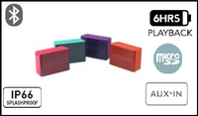 | Creative MUVO 2c Palm-sized Water-resistant Bluetooth Speaker | Palm-sized water-resistant Bluetooth speaker with built-in MP3 player, aux-in and USB audio, Sound Blaster Connect app compatible, up to 6 hours of battery life. | 7,125
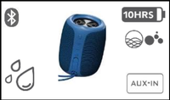 | Creative MUVO Play Waterproof Bluetooth Outdoor Speaker (IPX7) | Portable IPX7 waterproof Bluetooth speaker for outdoors, with aux-in and Siri/Google Assistant support, ideal for pool, beach and travel use. | 6,625
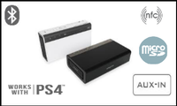 | Creative Sound Blaster Roar 2 Portable Bluetooth Speaker with Subwoofer | Powerful portable Bluetooth speaker with 5 drivers and built-in subwoofer, voice recorder, MP3 player, USB/Aux/microSD support and 6000 mAh power-bank battery, up to 8 hours. | 26,250
 | Creative iRoar Go Splash-proof Portable Bluetooth Speaker | Intelligent splash-proof portable Bluetooth speaker with SuperWide technology, 5 drivers with built-in subwoofer, voice recorder, MP3 player, USB/Aux/microSD support and up to 12 hours of battery life. | 27,500
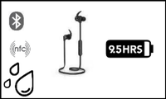 | Creative Outlier ONE Wireless In-ear Bluetooth Headphones | Sweatproof IPX4 Bluetooth in-ear headphones with a tangle-free wireless experience and matte-black finish, offering up to 9.5 hours of battery life. | 5,625
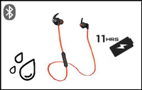 | Creative Outlier Sports Ultra-light Wireless Sweatproof In-ear Headphones | Ultra-light high-performance wireless in-ear headphones with sweatproof and splash-resistant build for active lifestyles and workouts, up to 11 hours of battery life. | 9,250
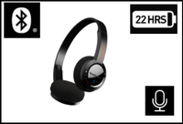 | Creative Sound Blaster JAM V2 Ultralight On-ear Bluetooth Headphones | Ultralight on-ear Bluetooth headphones with multipoint pairing for two devices, dual-mic clarity and premium audio quality, with up to 22 hours of battery life. | 7,125
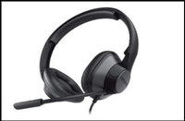 | Creative HS-720 V2 USB Headset for Online Meetings | Plug-and-play USB headset with refreshed minimalist design and clear voice pickup, optimised for online meetings, learning and conference calls. | 6,875
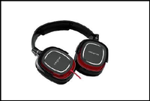 | Creative Draco HS880 Gaming Headset with Detachable Mic | Pro-grade gaming headset with explosive bass, detachable noise-cancelling microphone and swivel earcups for long, comfortable gaming sessions. | 7,125
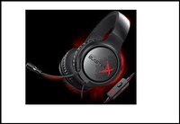 | Creative Sound BlasterX H3 Portable Analog Gaming Headset | Lightweight, foldable portable analog gaming headset with custom drivers tuned for clarity and impact, designed for portability and all-day comfort. | 8,750
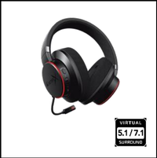 | Creative Sound BlasterX H6 7.1 USB Gaming Headset with RGB Lighting | 7.1 USB gaming headset with virtual surround sound for PS4, Xbox One, Switch and PC, custom 50mm Neodymium drivers, Scout Mode, detachable ClearComms mic and Aurora Reactive RGB lighting. | 15,875
 | Creative Sound BlasterX H5 Tournament Edition Gaming Headset | Tournament Edition gaming headset upgraded from the BlasterX H5 with improved drivers for better sensitivity, more accurate sound reproduction and a higher-quality microphone. | 17,500
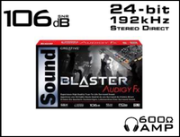 | Creative Sound Blaster Audigy Fx 5.1 PCIe Sound Card | PCIe sound card delivering high-quality 5.1 cinematic audio for movies, music and games, powered by SBX Pro Studio with a dedicated control panel for full audio customisation. | 9,750
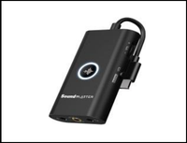 | Creative Sound Blaster G3 USB-C Gaming DAC and Amp | Versatile USB-C external DAC and amp designed to upgrade audio for gaming and conference calls, with mobile app control, GameVoice Mix and Scout Mode. | 10,625
 | Creative Sound Blaster Audigy Rx 7.1 PCIe Sound Card | 7.1 multi-channel PCIe sound card with hardware-accelerated EAX effects, 106 dB SNR and 600-ohm headphone amp for studio monitoring and high-quality podcast creation. | 12,500
 | Creative Sound Blaster PLAY! 3 USB DAC and Amp | Portable USB DAC and headphone amp delivering an instant audio upgrade over motherboard audio for PC and Mac, capable of driving everything from earbuds to studio headphones. | 3,750
 | Creative Sound BlasterX G1 Portable USB Gaming DAC | Portable USB gaming DAC and amp supporting 7.1 virtual surround for headphones up to 300 ohms, delivering immersive in-game positional audio. | 6,125
 | Creative Sound Blaster Play! 4 Portable Hi-Res USB DAC | Portable plug-and-play Hi-Res USB DAC with auto-mute and two-way noise cancellation via SmartComms Kit for crystal-clear conference calls and music playback. | 6,250
 | Creative Sound Blaster X-Fi Surround 5.1 External USB Sound Card | External USB sound card that turns any PC or laptop into a 5.1 entertainment system with SBX Pro Studio, easy setup and convenient volume, headphone and mic controls. | 11,375
 | Creative Sound Blaster Omni Surround 5.1 USB Sound Card | USB sound card with built-in dual microphone array, SBX Pro Studio and 600-ohm studio-grade headphone amp — a serious audio upgrade for PC or Mac. | 13,750
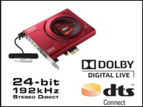 | Creative Sound Blaster Z PCIe Gaming Sound Card | PCIe gaming sound card updated with Sound Blaster Command software, delivering studio-grade audio quality and the latest Sound Blaster audio technologies in one package. | 20,000
 | Creative Sound BlasterX AE-5 Plus PCIe Sound Card with RGB | Hi-res PCIe gaming sound card and DAC with SABRE32 ultra-class DAC, customisable RGB LEDs, included RGB strip, Xamp discrete headphone amp and full Sound Blaster audio processing. | 28,125
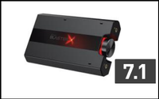 | Creative Sound BlasterX G5 Portable USB DAC and Headphone Amp | Compact 7.1 24-bit/192 kHz, 120 dB USB DAC and headphone amplifier delivering massively superior gaming audio for PC and PS4 in a tiny form factor. | 26,250
 | Creative Sound Blaster AE-7 Hi-Res PCIe Sound Card and DAC | Hi-res PCIe sound card and DAC with audiophile-grade components and Sound Blaster audio processing, rivalling popular standalone desktop amps and DACs. | 43,750
 | Creative Sound Blaster AE-9 Flagship Hi-Res PCIe Sound Card and DAC | Flagship hi-res PCIe sound card and DAC built with the absolute best components for pristine, detailed audio quality that satisfies even the most demanding audiophile. | 65,125
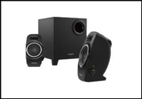 | Creative SBS A250 2.1 Speaker System with Down-firing Subwoofer | 2.1 speaker system delivering impressive sound and solid bass, with the largest-in-class down-firing subwoofer and conveniently placed on/off and volume controls on the satellite. | 4,750
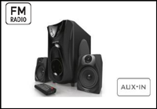 | Creative SBS E2400 2.1 Speaker System with FM Radio and USB MP3 | High-performance 2.1 wired speaker system with built-in MP3 player for USB drives, FM receiver with auto-tuning and 25 watts of raw audio power. | 5,625
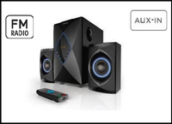 | Creative SBS E2800 2.1 Speaker System with FM Radio and USB MP3 (50W) | High-performance 2.1 wired speaker system with built-in MP3 player for USB drives, FM receiver with auto-tuning and 50 watts of raw audio power. | 7,000
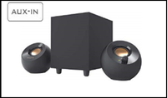 | Creative Pebble Plus 2.1 USB-Powered Desktop Speakers with Subwoofer | USB-powered 2.1 desktop speakers with down-firing subwoofer, far-field drivers and high-gain mode, delivering up to 8W RMS / 16W peak power. | 7,250
 | Creative SBS E2500 2.1 Bluetooth Speaker System with FM/USB/AUX | Powerful 2.1 Bluetooth speaker system with FM, USB, AUX-in and microSD support, delivering 30W total / 60W peak power for movies, music and gaming. | 7,500
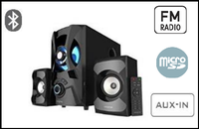 | Creative SBS E2900 2.1 Bluetooth Speaker System with RGB Lighting | Powerful 2.1 Bluetooth speaker system with FM, USB, microSD and AUX-in support, front-firing passive radiator and RGB lighting, 60W total / 120W peak power. | 13,125
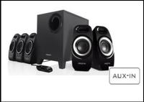 | Creative Inspire T6300 5.1 Surround Speaker System | High-performance 5.1 surround speaker system with Creative DSE design for louder, deeper sound, powerful down-firing subwoofer with adjustable bass and a wired remote. | 11,875
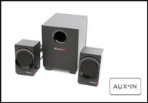 | Creative Sound BlasterX Kratos S3 2.1 Gaming Speaker System | 2.1 gaming speakers engineered for all-round performance with a class-leading 92W peak power output, designed to elevate your gaming and entertainment audio. | 12,375
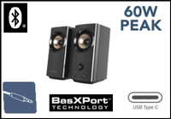 | Creative T60 Compact Hi-Fi 2.0 Desktop Speakers with Sound Blaster | Compact Hi-Fi 2.0 desktop speakers powered by Sound Blaster, featuring Clear Dialog, surround sound, SmartComms Kit and two-way noise cancellation for work and play. | 16,250
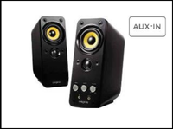 | Creative GigaWorks T20 Series II 2.0 Desktop Speakers | Premium two-way 2.0 desktop speakers with BasXPort technology for rich, extended bass without a subwoofer, 28W RMS and convenient front access controls. | 18,750
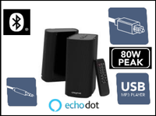 | Creative T100 Hi-Fi 2.0 Desktop Speakers with Wireless Remote | Compact Hi-Fi 2.0 desktop speakers with 40W RMS / 80W peak power, BasXPort technology, EQ presets, wireless remote and Echo Dot compatibility. | 19,625
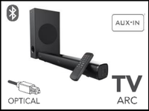 | Creative Stage 2.1 Under-monitor Soundbar with Subwoofer | 2.1 high-performance under-monitor soundbar with wireless subwoofer, supporting Bluetooth, optical, TV ARC, USB and AUX-in. 2 x 20W mains, 40W subwoofer, 160W peak. | 20,000
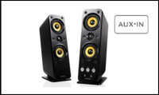 | Creative GigaWorks T40 Series II 2.0 Premium Desktop Speakers | Premium 2.0 desktop speakers with woofer drivers and tweeters in MTM layout, BasXPort dynamic bass support and front-mounted controls, 32W RMS total. | 21,875
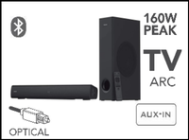 | Creative Stage V2 2.1 Soundbar with Subwoofer and Bluetooth | 2.1 soundbar with dedicated subwoofer offering Clear Dialog and Surround powered by Sound Blaster, delivering an immersive home cinema experience. | 23,750
 | Creative BT-W2 Bluetooth USB Audio Transceiver for PC/PS4/Switch | Plug-and-play low-latency stereo USB Bluetooth transceiver for PC, Mac, PS4 and Nintendo Switch, transmitting audio wirelessly to any Bluetooth-enabled device. | 5,875
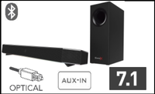 | Creative Sound BlasterX Katana Multi-Channel Surround Soundbar | Multi-channel surround gaming and entertainment soundbar with hardware processing, Dolby Digital 5.1 decoding, Bluetooth and 150W peak power. | 51,250
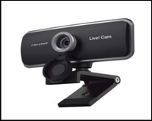 | Creative Live! Cam Sync 1080p Full HD Webcam | Full HD 1080p webcam at 30 FPS with a wide-angle lens, UVC compatibility and quick plug-and-play setup — ideal for online meetings, classes and video calls. | 7,500

