BIM planning
Solver interface
 |  |  | Problem Desciption

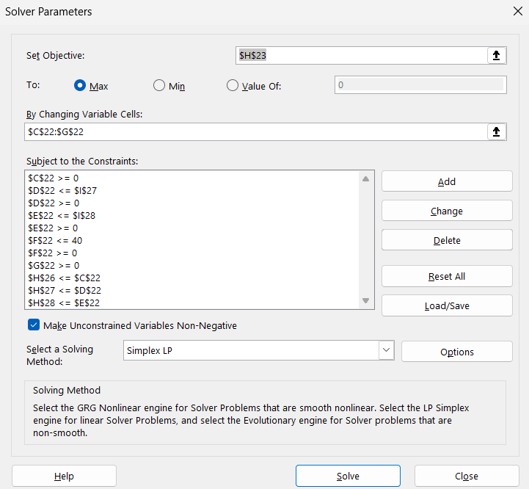

Version | Raw Material required (g) | Labor A required (hr) | Labor Brequired (hr) | Market Demand (units) | Price
U | 10 | 1 | 2 | ≤ 40 units | 270
V | 9 | 1 | 1 | unlimited | 210

Resource | Amount Available | Cost
Row material | unlimited | 10/g
Labor A | 80 hr/Week | 50/ hr
Labor B | 100 hr/Week | 40 / hr

 | Solution

 | amount of raw material used | amount of Labor A used | amount of Labor B used | # U units to produce | # V units to product | Total profit
Decision variables | 740 | 80 | 100 | 20 | 60
Profit Contribution | -10 | -50 | -40 | 270 | 210 | 2600
 |  |  |  |  |  |  | Avialable

Row Material |  |  |  | 10 | 9 | 740
Labor A |  |  |  | 1 | 1 | 80 | 80
Labor B |  |  |  | 2 | 1 | 100 | 100

Solution is verified against the original solution and found correct.

