Graphical_Format
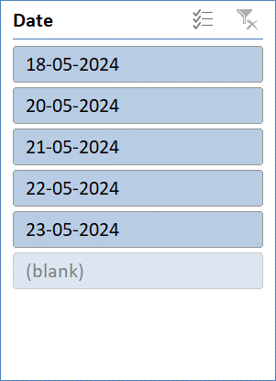
Scratch Reoprt

Scratch As Per Vehicel Type
 | Total
333 | 2
368 | 1
380 | 5
551 | 2
242 | 6
330 | 3
333 | 7
380 | 6
480 | 1
485 | 8
551 | 9
557 | 5
Model Count & Scratch
 | Total
Bonnet LH | 7
Bonnet RH | 8
Boonet LH | 1
Bumper | 1
Fuel Tank LH | 5
Fuel Tank RH | 15
MudGuard RH | 18

Vehicel Count As Per Type
 | Total
Fuel Tank LH | 1
Fuel Tank RH | 3
MudGuard RH | 6
Bonnet LH | 7
Bonnet RH | 8
Boonet LH | 1
Bumper | 1
Fuel Tank LH | 4
Fuel Tank RH | 12
MudGuard RH | 12
Model Name & Scratch Count
 | Total
242 | 6
330 | 3
333 | 9
368 | 1
380 | 11
480 | 1
485 | 8
551 | 11
557 | 5

Scratch Detailed Data Collection
 | Total
Bonnet LH | 2
Fuel Tank LH | 1
Fuel Tank RH | 2
MudGuard RH | 1
Bonnet LH | 1
Fuel Tank RH | 1
MudGuard RH | 1
Bonnet RH | 2
Fuel Tank LH | 1
Fuel Tank RH | 5
MudGuard RH | 1
MudGuard RH | 1
Bonnet LH | 1
Bonnet RH | 1
Fuel Tank LH | 1
Fuel Tank RH | 2
MudGuard RH | 6
Fuel Tank RH | 1
Bonnet LH | 1
Bonnet RH | 2
Fuel Tank LH | 2
Fuel Tank RH | 1
MudGuard RH | 2
Bonnet LH | 1
Bonnet RH | 2
Boonet LH | 1
Bumper | 1
Fuel Tank RH | 2
MudGuard RH | 4
Bonnet LH | 1
Bonnet RH | 1
Fuel Tank RH | 1
MudGuard RH | 2

