Introduction to Informati...
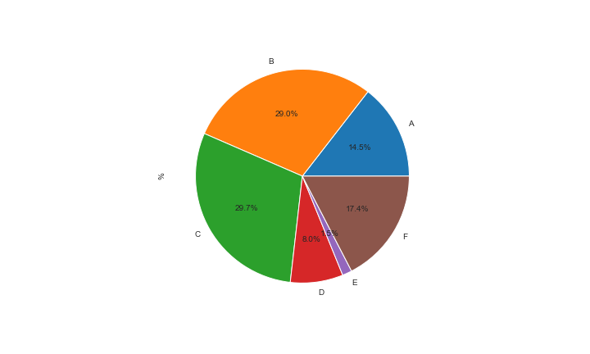
Module Code | CC4057NI
Module Title | Introduction to Information Systems |  |  | Grade Count Bar Plot
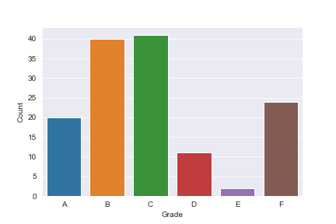
Grade | Count | % | Avg Mark
A | 20 | 14.49 | 72.65
B | 40 | 28.99 | 64.6
C | 41 | 29.71 | 54.49
D | 11 | 7.97 | 45.09
E | 2 | 1.45 | 41
F | 24 | 17.39 | 22.21

 |  |  |  | Grade Percentage Pie Plot

Security in Computing...
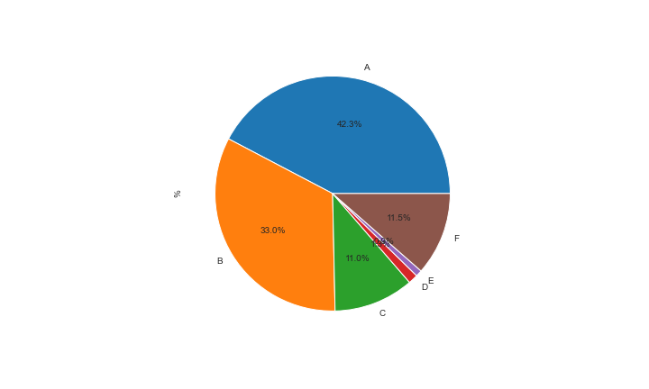
Module Code | CC5004NI
Module Title | Security in Computing |  |  | Grade Count Bar Plot
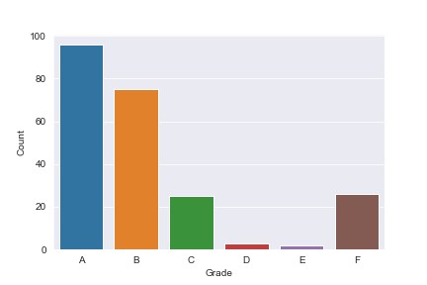
Grade | Count | % | Avg Mark
A | 96 | 42.29 | 75.11
B | 75 | 33.04 | 64.45
C | 25 | 11.01 | 54.56
D | 3 | 1.32 | 45
E | 2 | 0.88 | 42
F | 26 | 11.45 | 23.46

 |  |  |  | Grade Percentage Pie Plot

Advanced Database Systems...
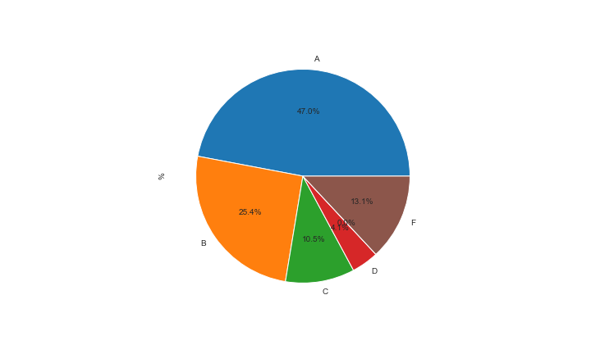
Module Code | CC6001NI
Module Title | Advanced Database Systems Development |  |  | Grade Count Bar Plot
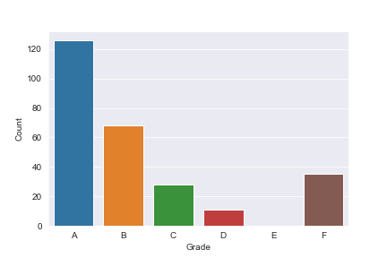
Grade | Count | % | Avg Mark
A | 126 | 47.01 | 79.68
B | 68 | 25.37 | 65
C | 28 | 10.45 | 54.57
D | 11 | 4.1 | 45.18
E | 0 | 0 | #NUM!
F | 35 | 13.06 | 13.97

 |  |  |  | Grade Percentage Pie Plot

Digital Crime Investigati...
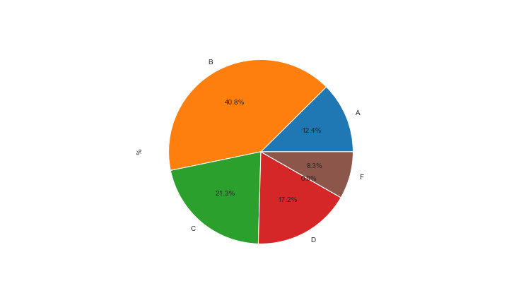
Module Code | CC6003NI
Module Title | Digital Crime Investigation |  |  | Grade Count Bar Plot
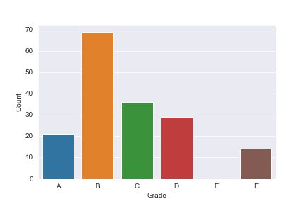
Grade | Count | % | Avg Mark
A | 21 | 12.43 | 75.48
B | 69 | 40.83 | 63.64
C | 36 | 21.3 | 54.56
D | 29 | 17.16 | 43.97
E | 0 | 0 | #NUM!
F | 14 | 8.28 | 27.36

 |  |  |  | Grade Percentage Pie Plot

Ethical Hacking...
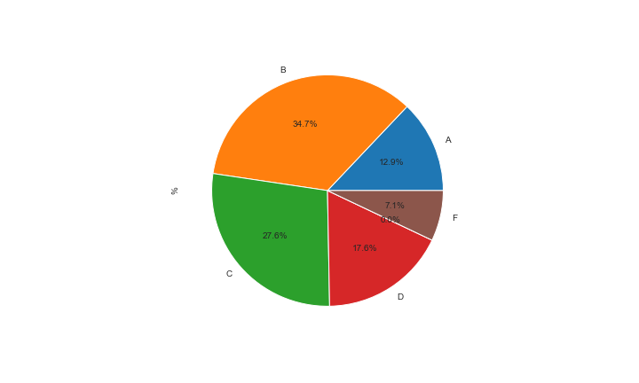
Module Code | CC6051NI
Module Title | Ethical Hacking |  |  | Grade Count Bar Plot
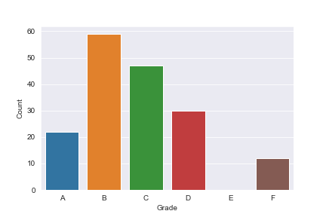
Grade | Count | % | Avg Mark
A | 22 | 12.94 | 75
B | 59 | 34.71 | 63.34
C | 47 | 27.65 | 53.94
D | 30 | 17.65 | 44.47
E | 0 | 0 | #NUM!
F | 12 | 7.06 | 8.08

 |  |  |  | Grade Percentage Pie Plot

Programming...
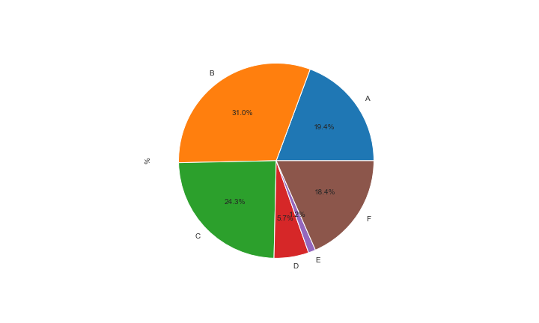
Module Code | CS4001NI
Module Description | Programming |  |  | Grade Count Bar Plot
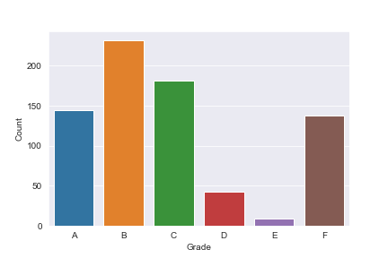
Grade | Count | % | Avg Mark
A | 145 | 19.36 | 76.19
B | 232 | 30.97 | 64.47
C | 182 | 24.3 | 54.43
D | 43 | 5.74 | 46.4
E | 9 | 1.2 | 40.44
F | 138 | 18.42 | 21.94

 |  |  |  | Grade Percentage Pie Plot

Fundamentals of Computing...
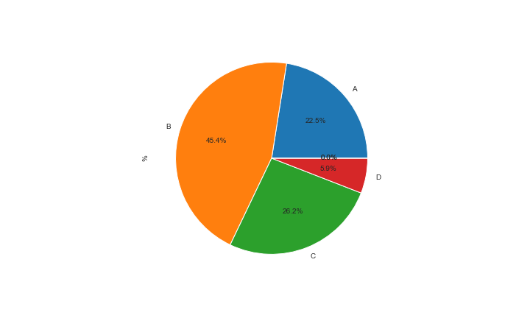
Module Code | CS4051NI
Module Title | Fundamentals of Computing |  |  | Grade Count Bar Plot
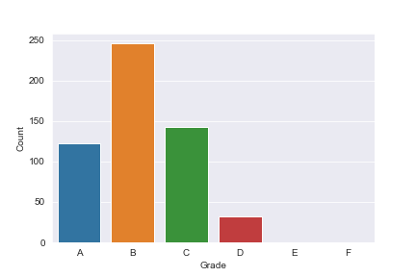
Grade | Count | % | Avg Mark
A | 122 | 22.51 | 75.49
B | 246 | 45.39 | 64.82
C | 142 | 26.2 | 54.94
D | 32 | 5.9 | 46
E | 0 | 0 | #NUM!
F | 0 | 0 | #NUM!

 |  |  |  | Grade Percentage Pie Plot

Software Engineering...
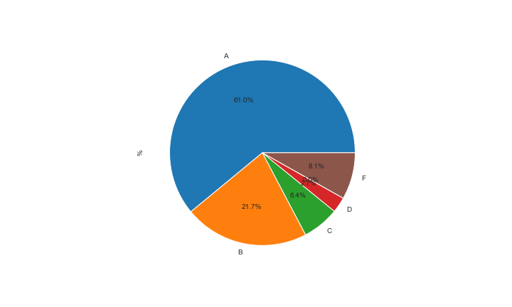
Module Code | CS5002NI
Module Title | Software Engineering |  |  | Grade Count Bar Plot
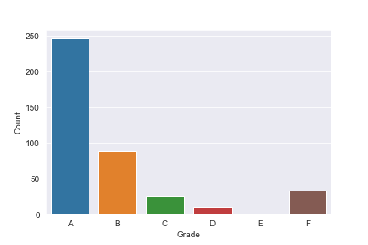
Grade | Count | % | Avg Mark
A | 247 | 60.99 | 76.25
B | 88 | 21.73 | 65.3
C | 26 | 6.42 | 54.73
D | 11 | 2.72 | 46.73
E | 0 | 0 | #NUM!
F | 33 | 8.15 | 20.88

 |  |  |  | Grade Percentage Pie Plot

Emerging Programming Plat...
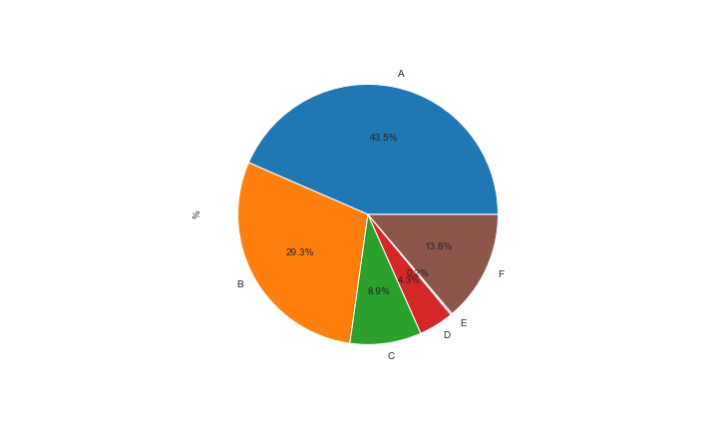
Module Code | CS5004NI
Module Title | Emerging Programming Platforms and Technologies |  |  | Grade Count Bar Plot
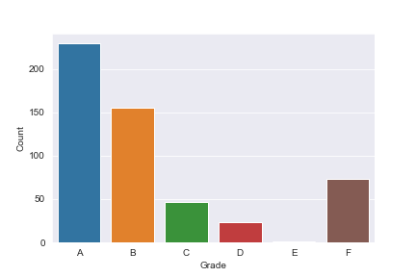
Grade | Count | % | Avg Mark
A | 230 | 43.48 | 77.2
B | 155 | 29.3 | 64.5
C | 47 | 8.88 | 55.06
D | 23 | 4.35 | 45.3
E | 1 | 0.19 | 40
F | 73 | 13.8 | 26.14

 |  |  |  | Grade Percentage Pie Plot

Professional Issues, Ethi...
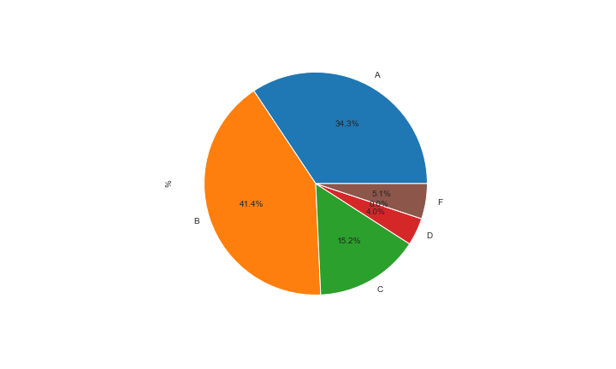
Module Code | CS5052NI
Module Title | Professional Issues, Ethics and Computer Law |  |  | Grade Count Bar Plot
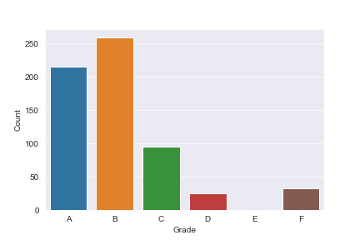
Grade | Count | % | Avg Mark
A | 215 | 34.35 | 75.65
B | 259 | 41.37 | 64.85
C | 95 | 15.18 | 55.02
D | 25 | 3.99 | 45.88
E | 0 | 0 | #NUM!
F | 32 | 5.11 | 0

 |  |  |  | Grade Percentage Pie Plot

Application Development...
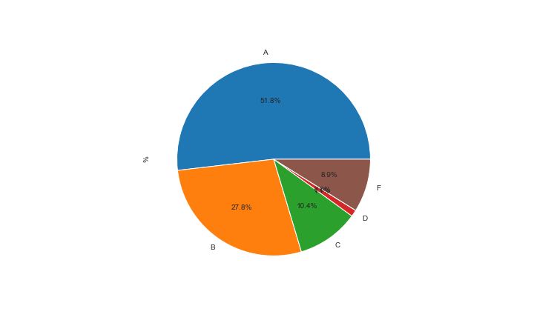
Module Code | CS6004NI
Module Title | Application Development |  |  | Grade Count Bar Plot
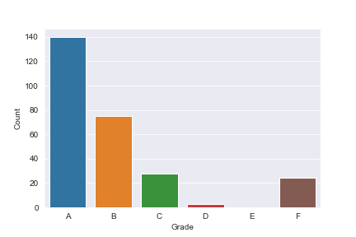
Grade | Count | % | Avg Mark
A | 140 | 51.85 | 78.91
B | 75 | 27.78 | 64.87
C | 28 | 10.37 | 55.82
D | 3 | 1.11 | 43
E | 0 | 0 | #NUM!
F | 24 | 8.89 | 21.17

 |  |  |  | Grade Percentage Pie Plot

Project...
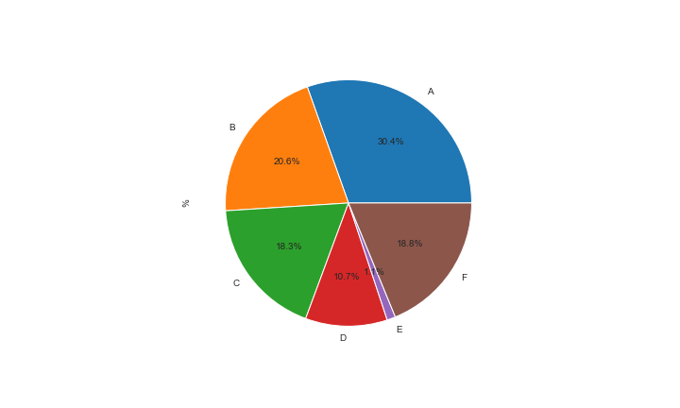
Module Code | CS6P05NI
Module Title | Project |  |  | Grade Count Bar Plot
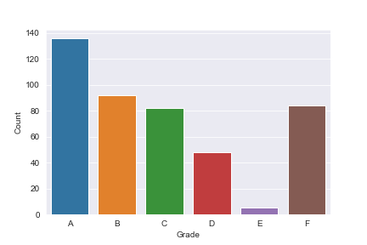
Grade | Count | % | Avg Mark
A | 136 | 30.43 | 74.94
B | 92 | 20.58 | 64.03
C | 82 | 18.34 | 54.28
D | 48 | 10.74 | 45.27
E | 5 | 1.12 | 41
F | 84 | 18.79 | 15.13

 |  |  |  | Grade Percentage Pie Plot

Communications Engineerin...
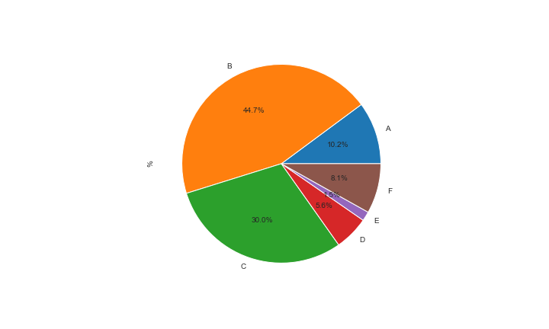
Module Code | CT4001NI
Module Title | Communications Engineering |  |  | Grade Count Bar Plot
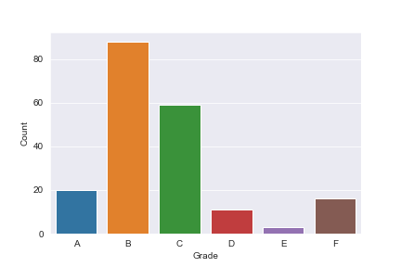
Grade | Count | % | Avg Mark
A | 20 | 10.15 | 74.15
B | 88 | 44.67 | 63.93
C | 59 | 29.95 | 55.46
D | 11 | 5.58 | 46.36
E | 3 | 1.52 | 41
F | 16 | 8.12 | 18

 |  |  |  | Grade Percentage Pie Plot

Networking Concepts (CCNA...
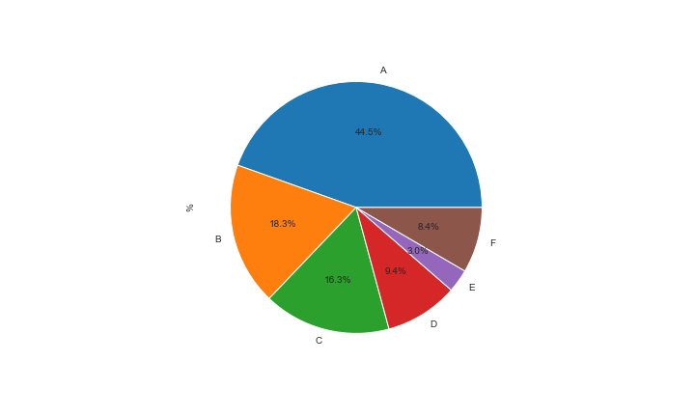
Module Code | CT4004NI
Module Title | Networking Concepts (CCNA1 and 2) |  |  | Grade Count Bar Plot
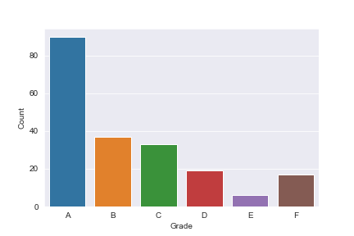
Grade | Count | % | Avg Mark
A | 90 | 44.55 | 81.33
B | 37 | 18.32 | 64.92
C | 33 | 16.34 | 54.55
D | 19 | 9.41 | 45.89
E | 6 | 2.97 | 41.67
F | 17 | 8.42 | 12.35

 |  |  |  | Grade Percentage Pie Plot

Computer Hardware and Sof...
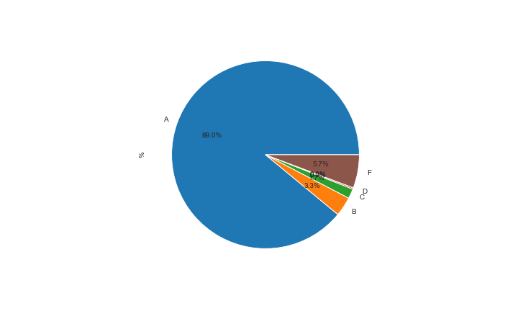
Module Code | CT4005NI
Module Title | Computer Hardware and Software Architecture |  |  | Grade Count Bar Plot
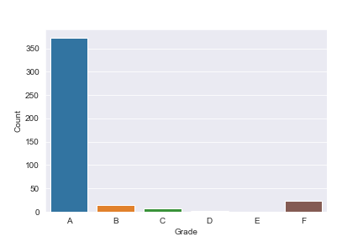
Grade | Count | % | Avg Mark
A | 373 | 89.02 | 83.67
B | 14 | 3.34 | 65.43
C | 7 | 1.67 | 56.86
D | 1 | 0.24 | 43
E | 0 | 0 | #NUM!
F | 24 | 5.73 | 15.08

 |  |  |  | Grade Percentage Pie Plot

LAN & WAN (CCNA 3 & 4)...
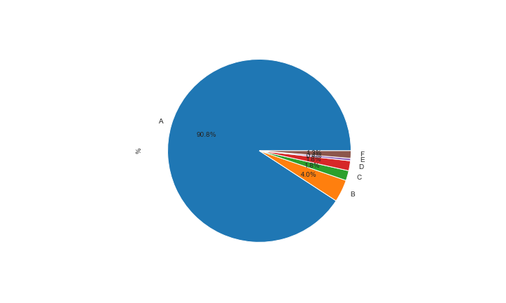
Module Code | CT5004NI
Module Title | LAN & WAN (CCNA 3 & 4) |  |  | Grade Count Bar Plot
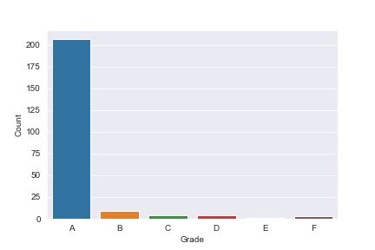
Grade | Count | % | Avg Mark
A | 207 | 90.79 | 88.83
B | 9 | 3.95 | 64.67
C | 4 | 1.75 | 54.25
D | 4 | 1.75 | 46.25
E | 1 | 0.44 | 40
F | 3 | 1.32 | 16.67

 |  |  |  | Grade Percentage Pie Plot

Network Security (Cisco)...
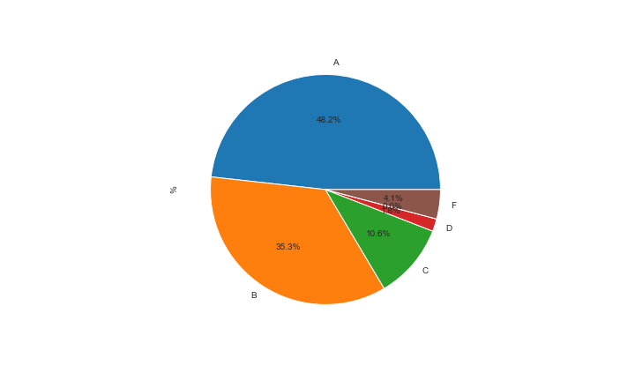
Module Code | CT6004NI
Module Title | Network Security (Cisco) |  |  | Grade Count Bar Plot
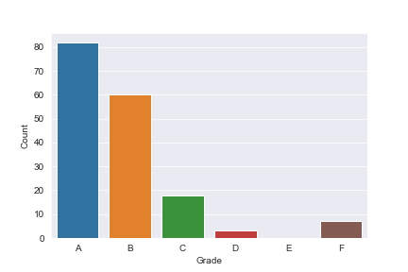
Grade | Count | % | Avg Mark
A | 82 | 48.24 | 77.27
B | 60 | 35.29 | 65.78
C | 18 | 10.59 | 55.56
D | 3 | 1.76 | 46.67
E | 0 | 0 | #NUM!
F | 7 | 4.12 | 17.57

 |  |  |  | Grade Percentage Pie Plot

Digital Design and Image ...
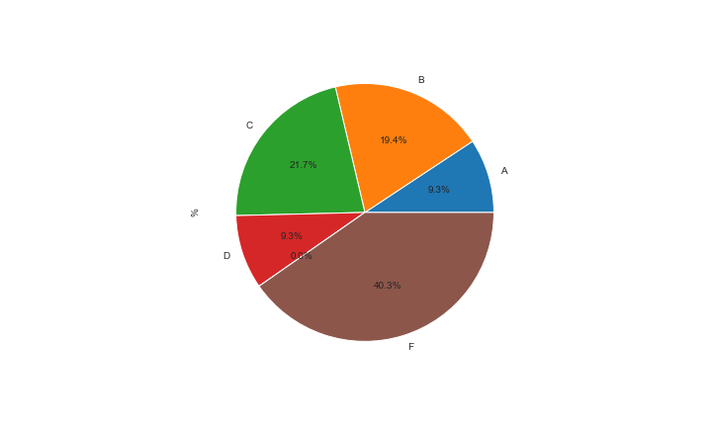
Module Code | CU4002NI
Module Title | Digital Design and Image Making |  |  | Grade Count Bar Plot
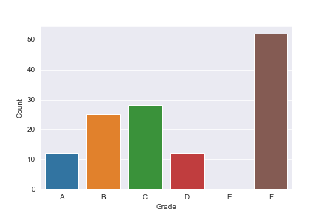
Grade | Count | % | Avg Mark
A | 12 | 9.3 | 72.58
B | 25 | 19.38 | 64.6
C | 28 | 21.71 | 55.07
D | 12 | 9.3 | 47
E | 0 | 0 | #NUM!
F | 52 | 40.31 | 24.87

 |  |  |  | Grade Percentage Pie Plot

3D Modelling...
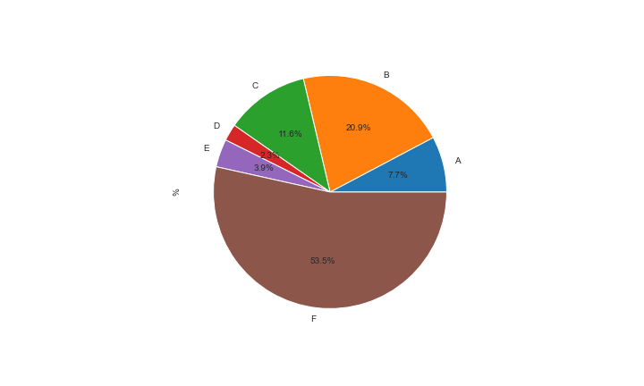
Module Code | CU4009NI
Module Title | 3D Modelling |  |  | Grade Count Bar Plot
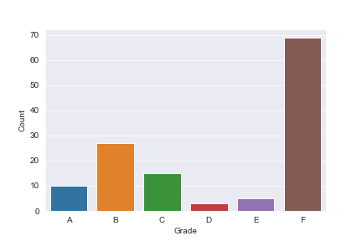
Grade | Count | % | Avg Mark
A | 10 | 7.75 | 74
B | 27 | 20.93 | 64.41
C | 15 | 11.63 | 56.07
D | 3 | 2.33 | 44
E | 5 | 3.88 | 41
F | 69 | 53.49 | 28.62

 |  |  |  | Grade Percentage Pie Plot

Introduction to Drawing a...
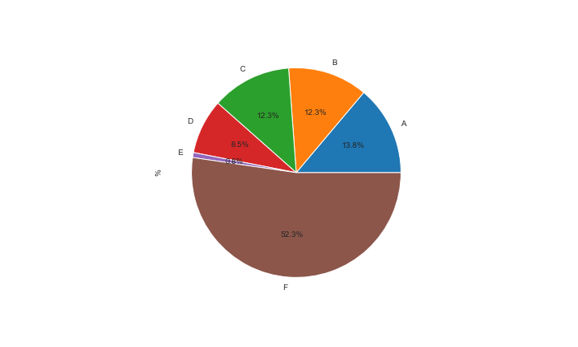
Module Code | CU4010NI
Module Title | Introduction to Drawing and Animation |  |  | Grade Count Bar Plot
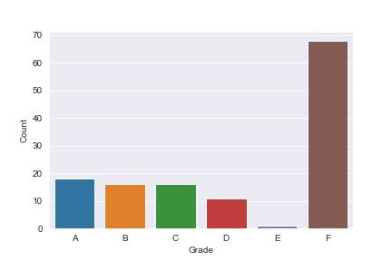
Grade | Count | % | Avg Mark
A | 18 | 13.85 | 76.78
B | 16 | 12.31 | 64.31
C | 16 | 12.31 | 53.56
D | 11 | 8.46 | 46.73
E | 1 | 0.77 | 40
F | 68 | 52.31 | 17.74

 |  |  |  | Grade Percentage Pie Plot

Advanced 3D Modelling and...
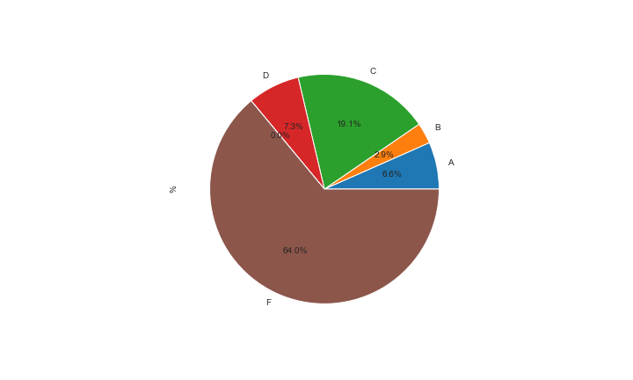
Module Code | CU5004NI
Module Title | Advanced 3D Modelling and Animation |  |  | Grade Count Bar Plot
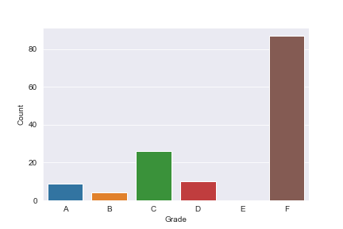
Grade | Count | % | Avg Mark
A | 9 | 6.62 | 74
B | 4 | 2.94 | 63.25
C | 26 | 19.12 | 53.77
D | 10 | 7.35 | 47.2
E | 0 | 0 | #NUM!
F | 87 | 63.97 | 18.61

 |  |  |  | Grade Percentage Pie Plot

Modelling and Texturing...
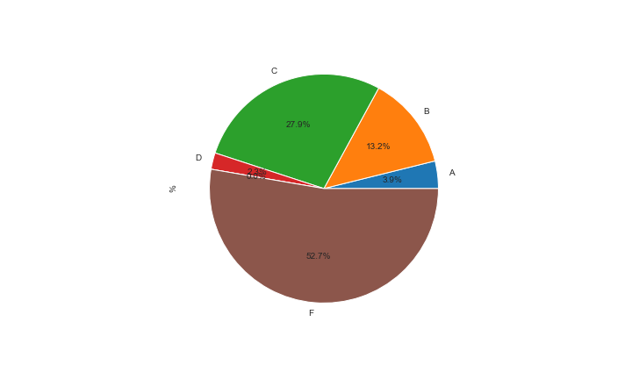
Module Code | CU5007NI
Module Title | Modelling and Texturing |  |  | Grade Count Bar Plot
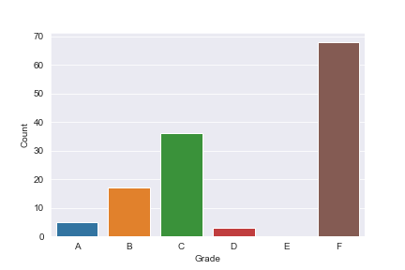
Grade | Count | % | Avg Mark
A | 5 | 3.88 | 74
B | 17 | 13.18 | 64.24
C | 36 | 27.91 | 54.44
D | 3 | 2.33 | 47
E | 0 | 0 | #NUM!
F | 68 | 52.71 | 18.12

 |  |  |  | Grade Percentage Pie Plot

Moving Image & VFX...
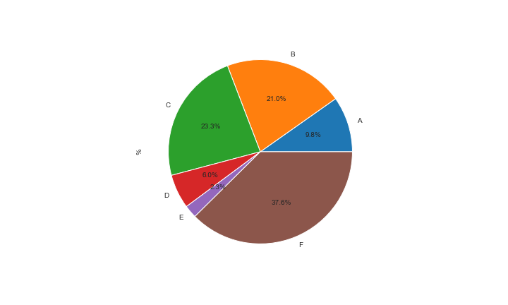
Module Code | CU5008NI
Module Title | Moving Image & VFX |  |  | Grade Count Bar Plot
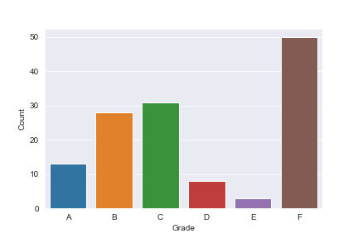
Grade | Count | % | Avg Mark
A | 13 | 9.77 | 72.54
B | 28 | 21.05 | 63.43
C | 31 | 23.31 | 55.55
D | 8 | 6.02 | 45.25
E | 3 | 2.26 | 41
F | 50 | 37.59 | 27.94

 |  |  |  | Grade Percentage Pie Plot

Visual Effects for Comput...
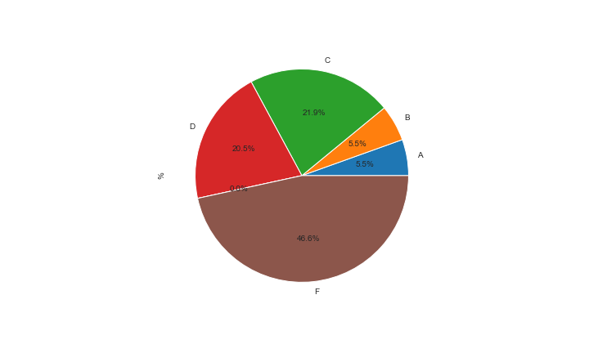
Module Code | CU6008NI
Module Title | Visual Effects for Computer Graphics and Games |  |  | Grade Count Bar Plot
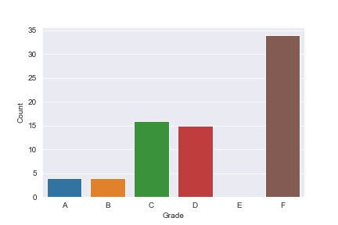
Grade | Count | % | Avg Mark
A | 4 | 5.48 | 73.5
B | 4 | 5.48 | 62.5
C | 16 | 21.92 | 54.88
D | 15 | 20.55 | 44.87
E | 0 | 0 | #NUM!
F | 34 | 46.58 | 16.65

 |  |  |  | Grade Percentage Pie Plot

Creating and Developing S...
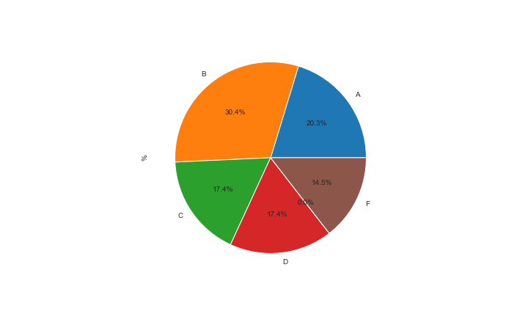
Module Code | CU6054NI
Module Title | Creating and Developing Sound for Multimedia (Digital) Applications |  |  | Grade Count Bar Plot
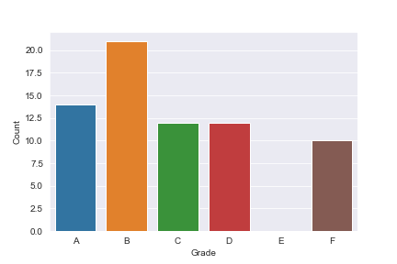
Grade | Count | % | Avg Mark
A | 14 | 20.29 | 75
B | 21 | 30.43 | 64.52
C | 12 | 17.39 | 53.67
D | 12 | 17.39 | 44.67
E | 0 | 0 | #NUM!
F | 10 | 14.49 | 2.3

 |  |  |  | Grade Percentage Pie Plot

Long Work Related Learnin...

Module Code | FC6W03NI
Module Title | Long Work Related Learning |  |  | Grade Count Bar Plot

Grade | Count | % | Avg Mark
A | 7 | 10 | 75
B | 29 | 41.43 | 64.52
C | 15 | 21.43 | 55.93
D | 4 | 5.71 | 45
E | 0 | 0 | #NUM!
F | 15 | 21.43 | 1.53

 |  |  |  | Grade Percentage Pie Plot

Work Related Learning II...

Module Code | FC6W51NI
Module Title | Work Related Learning II |  |  | Grade Count Bar Plot

Grade | Count | % | Avg Mark
A | 89 | 33.09 | 77.47
B | 96 | 35.69 | 65.04
C | 34 | 12.64 | 55.82
D | 14 | 5.2 | 45.29
E | 0 | 0 | #NUM!
F | 36 | 13.38 | 2.31

 |  |  |  | Grade Percentage Pie Plot

Logic and Problem Solving...

Module Code | MA4001NI
Module Title | Logic and Problem Solving |  |  | Grade Count Bar Plot

Grade | Count | % | Avg Mark
A | 219 | 52.52 | 81.41
B | 81 | 19.42 | 64.9
C | 66 | 15.83 | 55.09
D | 20 | 4.8 | 45.85
E | 5 | 1.2 | 40.6
F | 26 | 6.24 | 18.12

 |  |  |  | Grade Percentage Pie Plot

Digital Media Project...

Module Code | SM6P07NI
Module Title | Digital Media Project |  |  | Grade Count Bar Plot

Grade | Count | % | Avg Mark
A | 6 | 8.45 | 74.17
B | 14 | 19.72 | 63.64
C | 11 | 15.49 | 55.73
D | 9 | 12.68 | 47.33
E | 4 | 5.63 | 41.25
F | 27 | 38.03 | 11.56

 |  |  |  | Grade Percentage Pie Plot

