(low)#bin=4 first bin from 2.74
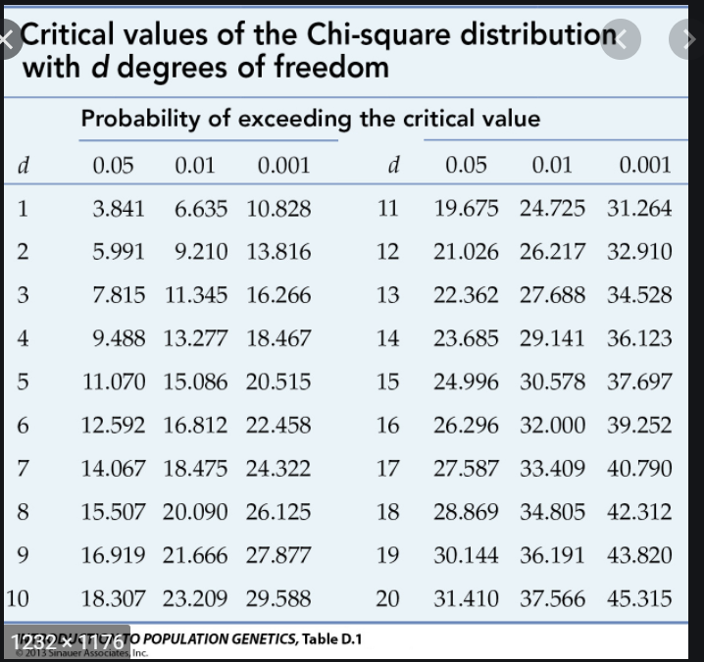
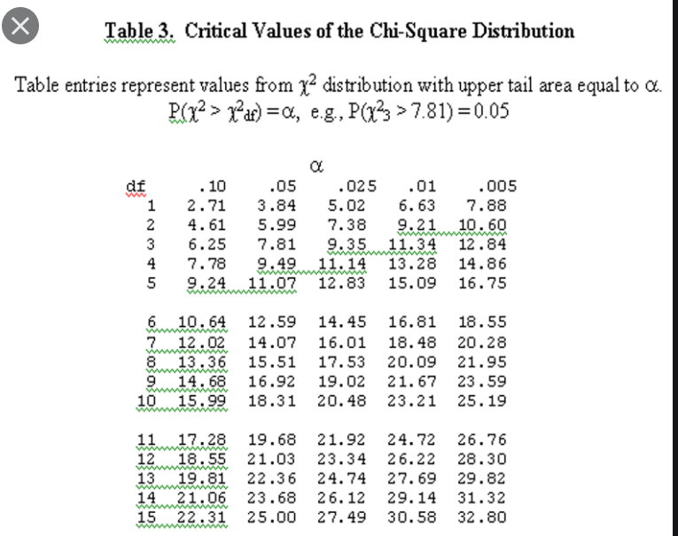
mean | 3.384127
std | 0.1751
# | 63

 |  |  | count | upper bound | z | phi | differnce in probability | exoected frequeics | obersed-expected frequencies | (obersed-expected frequencies)^2 | (obersed-expected frequencies)^2/obsered
 |  |  | 0 | 2.74 | -3.6786236436 | 0.00011724800149
 |  | [2.74 3.3] | 17 | 3.3 | -0.48045117076 | 0.31545330801 | 0.31533606001 | 19.86617178 | -2.8661717804 | 8.214940675 | 0.48323180441
 |  | (3.3, 3.38] | 19 | 3.38 | -0.023569388921 | 0.49059804473 | 0.17514473673 | 11.034118414 | 7.9658815863 | 63.455269447 | 3.3397510235
 |  | (3.38, 3.5] | 13 | 3.5 | 0.66175328384 | 0.745935325 | 0.25533728026 | 16.086248657 | -3.0862486565 | 9.5249307699 | 0.7326869823
 |  | (3.5, 3.9] | 14 | 3.9 | 2.946162193 | 0.99839128179 | 0.2524559568 | 15.904725278 | -1.9047252781 | 3.6279783851 | 0.25914131322
 |  |  |  |  |  |  |  |  |  |  | 4.8148111234

 |  |  |  |  |  |  |  |  | test statistic | 4.8148111234
 |  |  |  |  |  |  |  |  | degree of freddom | 1
 |  |  |  |  |  |  |  |  | p-value | from 0.1 to 0.05

