basic dashboard
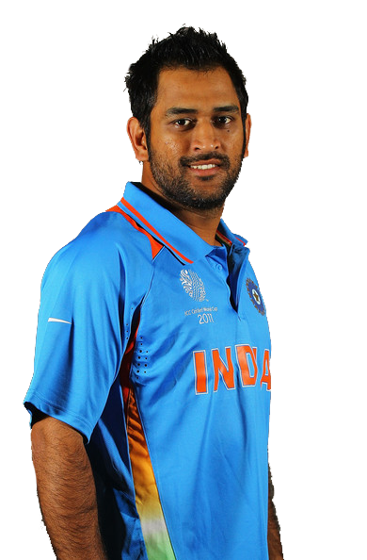
INDIAN BATSMEN
 | Batting average
MS Dhoni | 24.77
Kedar Jadhav | 62
Rohit Sharma | 51.9
Shikhar Dhawan | 34.4
Virat Kohli | 100

VS
LEFT ARM PACE

Dismissals:
Dismissals is when the team player returns back to pavilion post playing his part. This can be because of wicket taken in multiple forms.

 | Dismissals
MS Dhoni | 9
Kedar Jadhav | 1
Rohit Sharma | 10
Shikhar Dhawan | 12
Virat Kohli | 5

Batting Average:
A players batting average is the total number of runs they scored divided by the number of times they were out. Averages are usually represented in 2 dcimal places.

Left Arm Pace:
Pace bowlers or fast bowlers rely on speed to get a batsmen out. These type of bowlers can be further classified on the basis of average speed which theybowl. Most of them are Medium Fast to Fast in international level cricket.

data for advance dashboard
David Warner
Year | Mat | No | Runs | HS | Ave | BF | SR | 100 | 50 | 4s | 6s | CT | ST
2009 | 7 | 0 | 163 | 51 | 23 | 132 | 123.48 | 0 | 1 | 16 | 5 | 3 | 0
2010 | 11 | 1 | 282 | 107* | 28 | 191 | 147.64 | 1 | 1 | 27 | 14 | 8 | 0
2011 | 13 | 0 | 324 | 77 | 25 | 276 | 117.39 | 0 | 3 | 34 | 11 | 4 | 0
2012 | 8 | 1 | 256 | 109* | 37 | 156 | 164.1 | 1 | 1 | 28 | 14 | 1 | 0
2013 | 16 | 3 | 410 | 77 | 32 | 323 | 126.93 | 0 | 4 | 41 | 14 | 6 | 0
2014 | 14 | 3 | 528 | 90 | 48 | 375 | 140.8 | 0 | 6 | 39 | 24 | 8 | 0
2015 | 14 | 1 | 562 | 91 | 43 | 359 | 156.54 | 0 | 7 | 65 | 21 | 8 | 0
2016 | 17 | 3 | 848 | 93* | 61 | 560 | 151.42 | 0 | 9 | 88 | 31 | 4 | 0
2017 | 14 | 3 | 641 | 126 | 58 | 452 | 141.81 | 1 | 4 | 63 | 26 | 10 | 0
2019 | 12 | 2 | 692 | 100* | 69 | 481 | 143.86 | 1 | 8 | 57 | 21 | 2 | 0

Total Runs
Total Runs
Total Runs
Average Runs
Average Runs
Average Runs
Virat Kohli
Year | Mat | No | Runs | HS | Ave | BF | SR | 100 | 50 | 4s | 6s | CT | ST
2009 | 16 | 2 | 246 | 50 | 22 | 219 | 112.32 | 0 | 1 | 22 | 8 | 9 | 0
2010 | 16 | 2 | 307 | 58 | 28 | 212 | 144.81 | 0 | 1 | 26 | 12 | 3 | 0
2011 | 16 | 4 | 557 | 71 | 46 | 460 | 121.08 | 0 | 4 | 55 | 16 | 7 | 0
2012 | 16 | 2 | 364 | 73* | 28 | 326 | 111.65 | 0 | 2 | 33 | 9 | 7 | 0
2013 | 16 | 2 | 634 | 99 | 45 | 457 | 138.73 | 0 | 6 | 64 | 22 | 7 | 0
2014 | 14 | 1 | 359 | 73 | 28 | 294 | 122.1 | 0 | 2 | 23 | 16 | 7 | 0
2015 | 16 | 5 | 505 | 82* | 46 | 386 | 130.82 | 0 | 3 | 35 | 23 | 7 | 0
2016 | 16 | 4 | 973 | 113 | 81 | 640 | 152.03 | 4 | 7 | 83 | 38 | 6 | 0
2017 | 10 | 0 | 308 | 64 | 31 | 252 | 122.22 | 0 | 4 | 23 | 11 | 6 | 0
2018 | 14 | 3 | 530 | 92* | 48 | 381 | 139.1 | 0 | 4 | 52 | 18 | 8 | 0
2019 | 14 | 0 | 464 | 100 | 33 | 328 | 141.46 | 1 | 2 | 46 | 13 | 5 | 0

Suresh Raina
Year | Mat | No | Runs | HS | Ave | BF | SR | 100 | 50 | 4s | 6s | CT | ST
2009 | 14 | 0 | 434 | 98 | 31 | 308 | 140.9 | 0 | 2 | 37 | 21 | 7 | 0
2010 | 16 | 5 | 520 | 83* | 47 | 364 | 142.85 | 0 | 4 | 45 | 22 | 10 | 0
2011 | 16 | 2 | 438 | 73* | 31 | 325 | 134.76 | 0 | 4 | 36 | 17 | 4 | 0
2012 | 19 | 1 | 441 | 73 | 26 | 325 | 135.69 | 0 | 1 | 36 | 19 | 11 | 0
2013 | 18 | 4 | 548 | 100* | 42 | 365 | 150.13 | 1 | 4 | 50 | 18 | 10 | 0
2014 | 16 | 3 | 523 | 87 | 40 | 358 | 146.08 | 0 | 5 | 51 | 19 | 11 | 0
2015 | 17 | 2 | 374 | 62 | 25 | 304 | 123.02 | 0 | 2 | 31 | 16 | 11 | 0
2016 | 15 | 1 | 399 | 75 | 29 | 312 | 127.88 | 0 | 3 | 39 | 10 | 7 | 0
2017 | 14 | 3 | 442 | 84 | 40 | 307 | 143.97 | 0 | 3 | 42 | 13 | 4 | 0
2018 | 15 | 3 | 445 | 75* | 37 | 336 | 132.44 | 0 | 4 | 46 | 12 | 9 | 0
2019 | 17 | 1 | 383 | 59 | 24 | 314 | 121.97 | 0 | 3 | 45 | 9 | 7 | 0

Sheet1

IPL PLAYERS PERFORMANCE

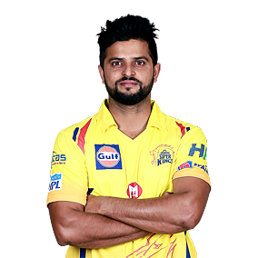


Total Runs
 | Runs
2009 | 434
2010 | 520
2011 | 438
2012 | 441
2013 | 548
2014 | 523
2015 | 374
2016 | 399
2017 | 442
Average Runs
 | Ave
2009 | 31
2010 | 47
2011 | 31
2012 | 26
2013 | 42
2014 | 40
2015 | 25
2016 | 29
2017 | 40
Total Runs
 | Runs
2009 | 246
2010 | 307
2011 | 557
2012 | 364
2013 | 634
2014 | 359
2015 | 505
2016 | 973
2017 | 308
Average Runs
 | Ave
2009 | 22
2010 | 28
2011 | 46
2012 | 28
2013 | 45
2014 | 28
2015 | 46
2016 | 81
2017 | 31


Total Runs
 | Runs
2009 | 163
2010 | 282
2011 | 324
2012 | 256
2013 | 410
2014 | 528
2015 | 562
2016 | 848
2017 | 641
Average Runs
 | Ave
2009 | 23
2010 | 28
2011 | 25
2012 | 37
2013 | 32
2014 | 48
2015 | 43
2016 | 61
2017 | 58
David Warner

Virat Kohli

Suresh Raina

This Photo by Unknown Author is licensed under CC BY-SA

