output
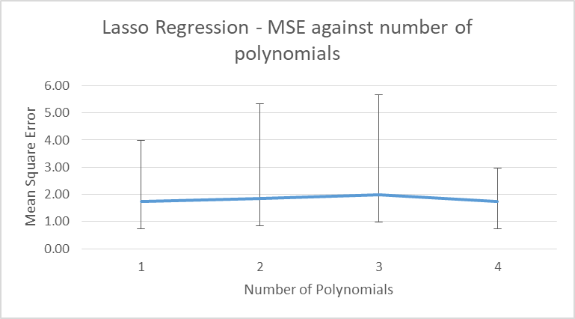
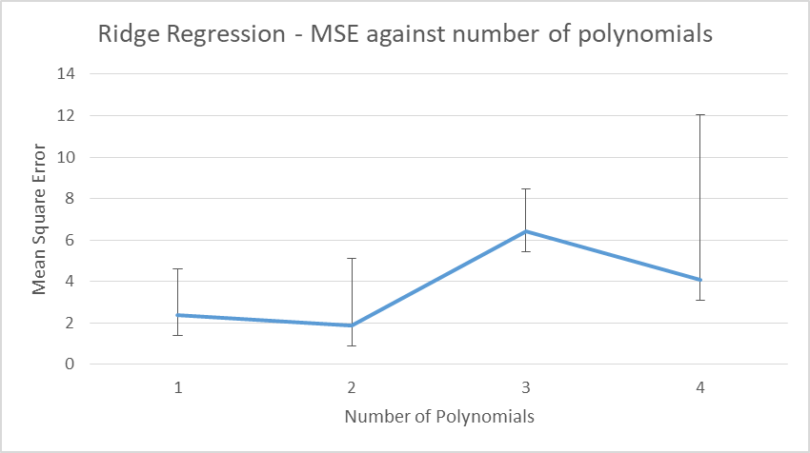
Lasso Regression - MSE against number of polynomials
 | 0 | 1 | 2 | 3
0 | 1.7434 | 1.84624 | 1.979 | 1.731072
1 | 2.23E+00 | 3.50E+00 | 3.691331 | 1.23E+00
2 | 5 | 5 | 5 | 5
3 | 0.01 | 0.01 | 0.01 | 0.01
4 | 1 | 2 | 3 | 4

Ridge Regression - MSE against number of polynomials
 | 2.38836
 | 1.87612
 | 6.415959
 | 4.069854
 | 1.74 | 1.85 | 1.98 | 1.73

