Where We Fly
Include | Row type | Block name | Internal ID | Variations | Build complexity | Type | Core block type | Tags | Notes | Screenshot | Source URL
Yes | Main block | Header / Footer | BLK-HEADER-FOOTER | 2 | Medium | Core | Header / Footer | header-footer, core | 2 variants · 264 instances in section | 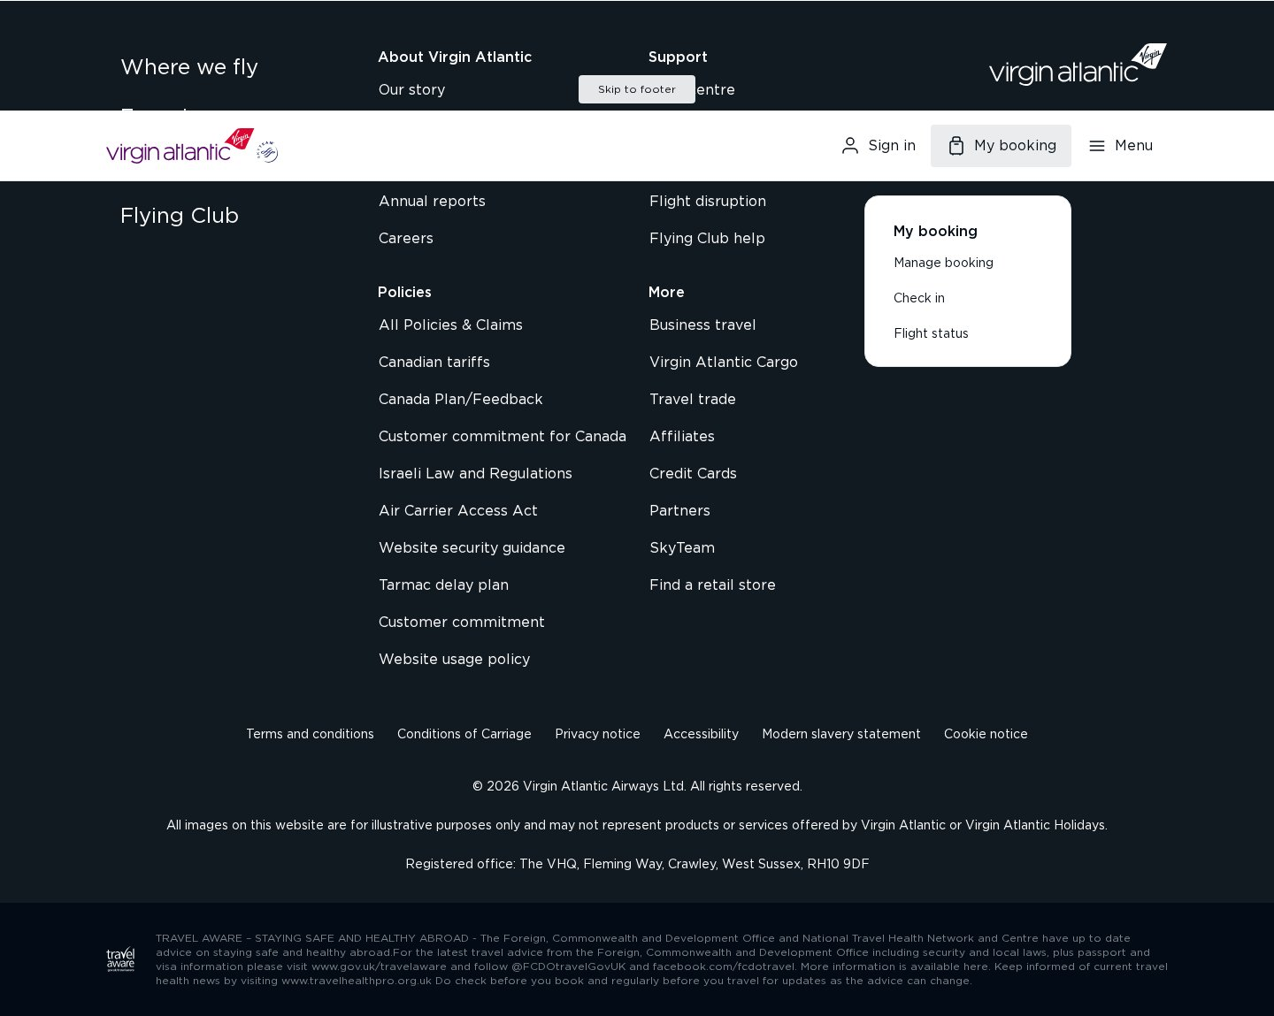 | https://www.virginatlantic.com/en-IN/where-we-fly
Yes | ↳ Variation | footer-global |  |  | Medium | Core |  |  | Block variant: footer · 132 pages |  | https://www.virginatlantic.com/en-IN/where-we-fly
Yes | ↳ Variation | header-global |  |  | Medium | Core |  |  | Block variant: header · 132 pages |  | https://www.virginatlantic.com/en-IN/where-we-fly
Yes | Main block | Hero | BLK-HERO | 4 | Medium | Core | Hero | hero, core | 4 variants · 528 instances in section |  | https://www.virginatlantic.com/en-IN/corporate/affiliates-to-india
Yes | ↳ Variation | hero-minimal-dark-withimg |  |  | Medium | Core |  |  | heading + text + 2 images · 132 pages |  | https://www.virginatlantic.com/en-IN/corporate/affiliates-to-india
Yes | ↳ Variation | hero-minimal-dark-withimg-1 |  |  | Medium | Core |  |  | heading + 2 images · 132 pages |  | https://www.virginatlantic.com/en-IN/experience/inflight-entertainment/connectivity/a330-300
Yes | ↳ Variation | hero-minimal-light |  |  | Medium | Core |  |  | heading + text + 3 CTAs + list · 132 pages | 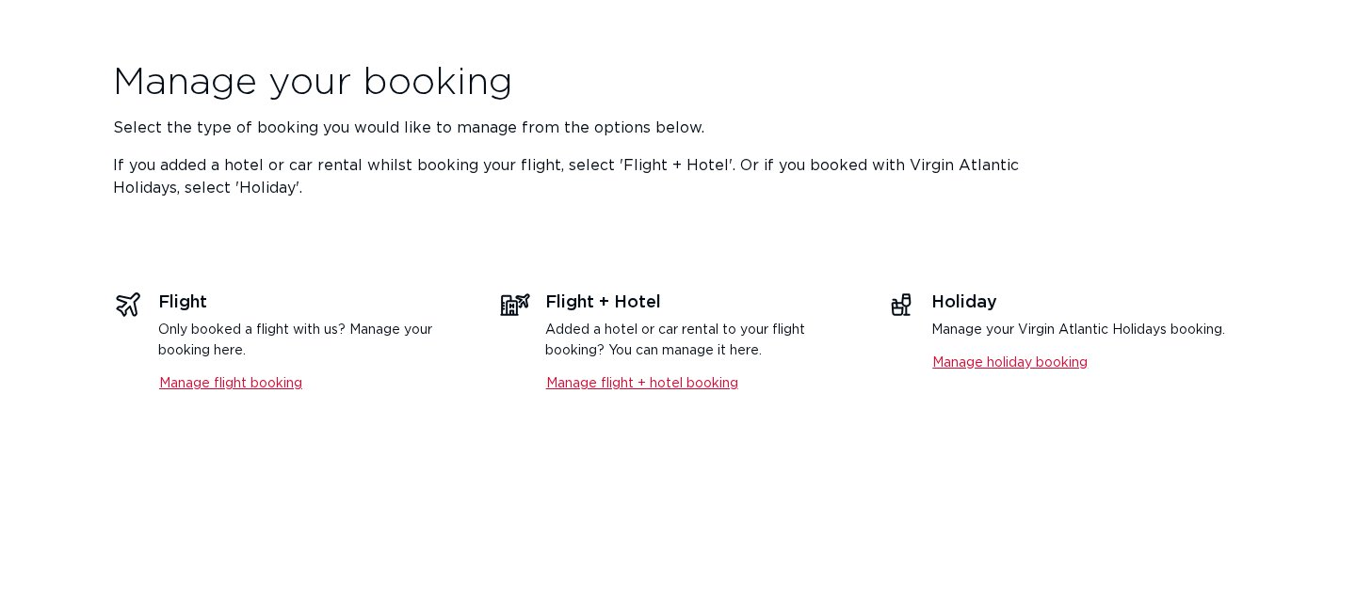 | https://www.virginatlantic.com/en-IN/manage-booking
Yes | ↳ Variation | hero-minimal-light-withimg |  |  | Medium | Core |  |  | heading + text + 1 CTAs + 2 images · 132 pages | 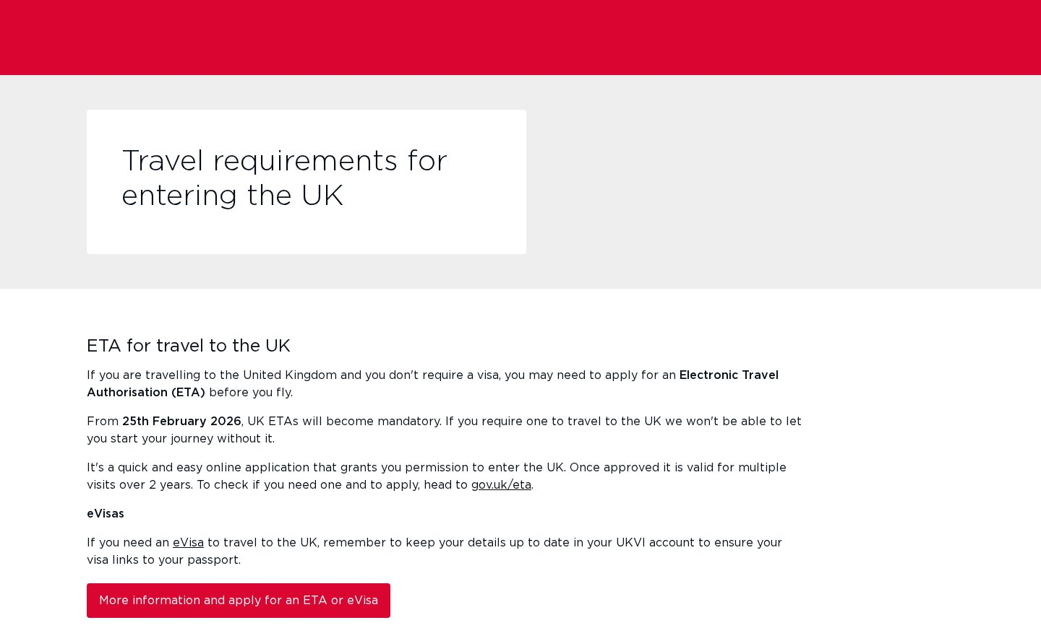 | https://www.virginatlantic.com/en-IN/travel-news/changes-to-uk-entry-requirements
Yes | Main block | Breadcrumbs | BLK-BREADCRUMBS | 5 | Simple | Core | Breadcrumbs | breadcrumbs, core | 5 variants · 660 instances in section |  | https://www.virginatlantic.com/en-IN/corporate/affiliates-to-india
Yes | ↳ Variation | breadcrumbs-minimal-dark |  |  | Simple | Core |  |  | 2 CTAs + list · 132 pages |  | https://www.virginatlantic.com/en-IN/corporate/affiliates-to-india
Yes | ↳ Variation | breadcrumbs-minimal-dark-1 |  |  | Simple | Core |  |  | 3 CTAs + list · 132 pages |  | https://www.virginatlantic.com/en-IN/corporate/business-for-good/resources
Yes | ↳ Variation | breadcrumbs-minimal-light-withimg |  |  | Simple | Core |  |  | heading + text + 3 CTAs + 2 images + list · 132 pages | 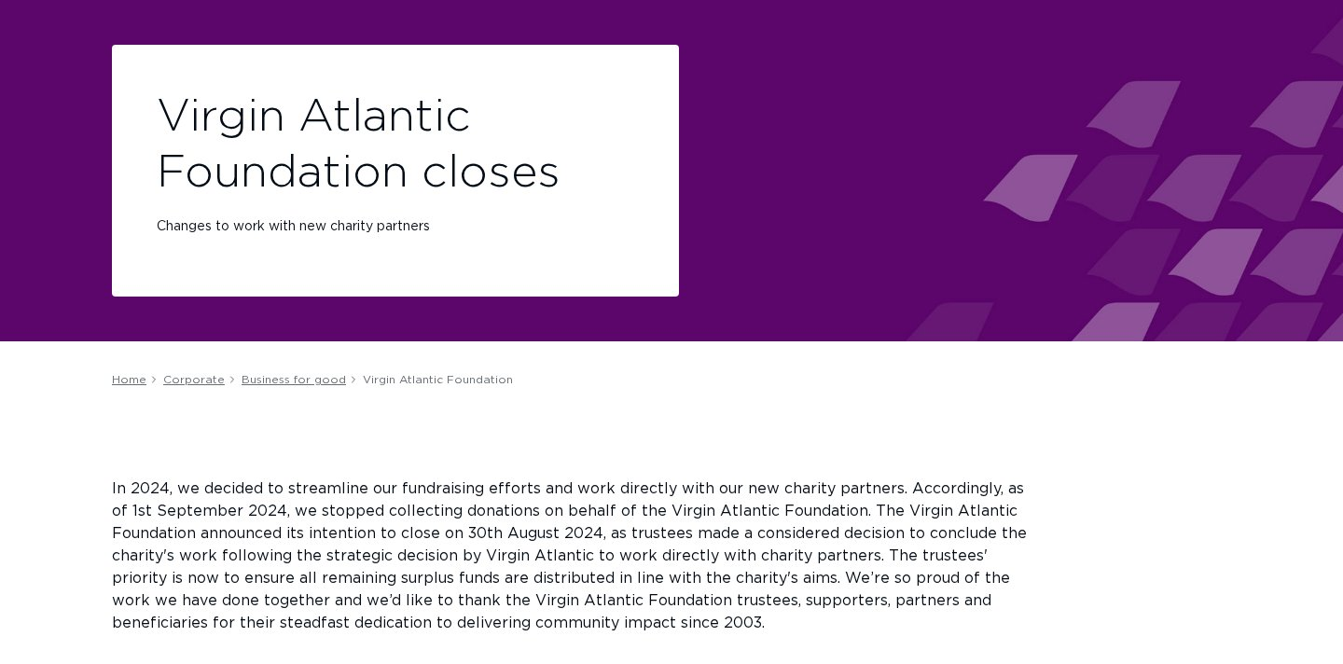 | https://www.virginatlantic.com/en-IN/corporate/business-for-good/virgin-atlantic-foundation
Yes | ↳ Variation | breadcrumbs-minimal-dark-2 |  |  | Simple | Core |  |  | 4 CTAs + list · 132 pages |  | https://www.virginatlantic.com/en-IN/experience/inflight-entertainment/connectivity/a330-300
Yes | ↳ Variation | breadcrumbs-minimal-light-withimg-1 |  |  | Simple | Core |  |  | heading + text + 2 CTAs + 2 images + list · 132 pages | 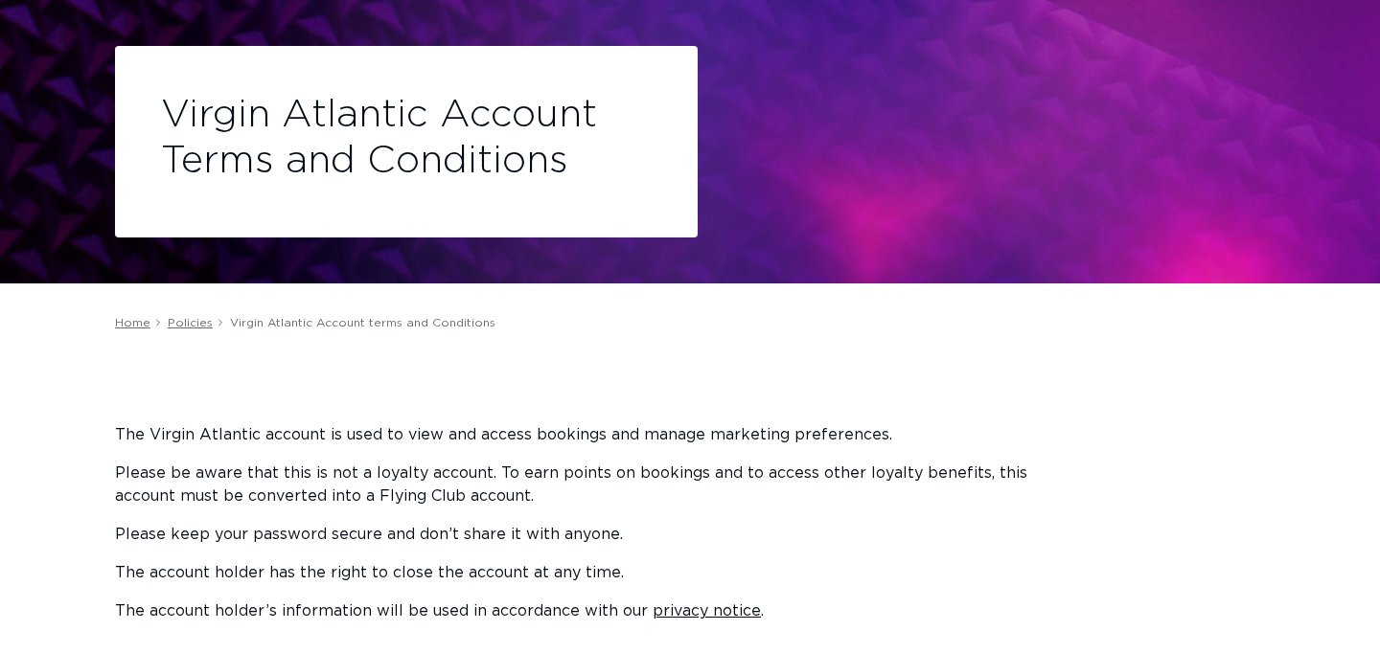 | https://www.virginatlantic.com/en-IN/policies/virgin-atlantic-account-terms-and-conditions
Yes | Main block | Cards | BLK-CARDS | 3 | Simple | Core | Cards | cards, core | 3 variants · 113 instances in section | 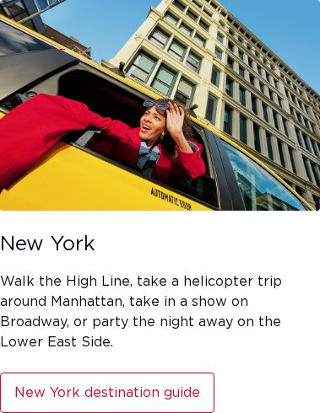 | https://www.virginatlantic.com/en-IN/where-we-fly
Yes | ↳ Variation | cards-minimal-dark-withimg |  |  | Simple | Core |  |  | heading + text + 1 CTAs + image · 107 pages |  | https://www.virginatlantic.com/en-IN/where-we-fly
Yes | ↳ Variation | cards-minimal-dark-withimg-1 |  |  | Simple | Core |  |  | heading + image · 5 pages | 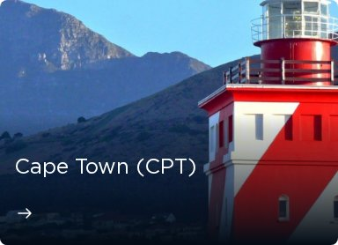 | https://www.virginatlantic.com/en-IN/where-we-fly/middle-east/saudi-arabia/riyadh-airport-guide
Yes | ↳ Variation | cards-minimal-dark-withimg-2 |  |  | Simple | Core |  |  | heading + text + image + list · 1 page |  | https://www.virginatlantic.com/en-IN/where-we-fly/north-america/usa/california/perfect-5-day-itinerary
Yes | Main block | Table | BLK-TABLE | 1 | Simple | Core | Table | table, core | 1 variant · 1 instances in section |  | https://www.virginatlantic.com/en-IN/where-we-fly/caribbean/tobago
Yes | ↳ Variation | table-minimal-dark |  |  | Simple | Core |  |  | heading + text + image · 1 page |  | https://www.virginatlantic.com/en-IN/where-we-fly/caribbean/tobago
Yes | Main block | Form | BLK-FORM | 1 | Medium | Core | Form | form, core | 1 variant · 1 instances in section | 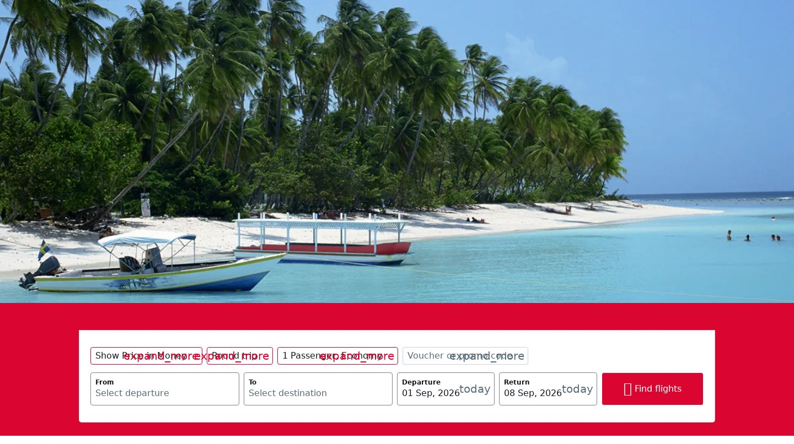 | https://www.virginatlantic.com/en-IN/where-we-fly/caribbean/tobago
Yes | ↳ Variation | form-minimal-dark |  |  | Medium | Core |  |  | 9 CTAs · 1 page |  | https://www.virginatlantic.com/en-IN/where-we-fly/caribbean/tobago
Yes | Main block | Unknown / Custom | BLK-UNKNOWN-CUSTOM | 4 | Complex | Custom |  | unknown-custom, custom | 4 variants · 6 instances in section |  | https://www.virginatlantic.com/en-IN/where-we-fly/africa/south-africa
Yes | ↳ Variation | 1 heading block-minimal-dark |  |  | Complex | Custom |  |  | heading · 3 pages |  | https://www.virginatlantic.com/en-IN/where-we-fly/africa/south-africa
Yes | ↳ Variation | 1 image block-minimal-dark-withimg |  |  | Complex | Custom |  |  | image · 1 page | 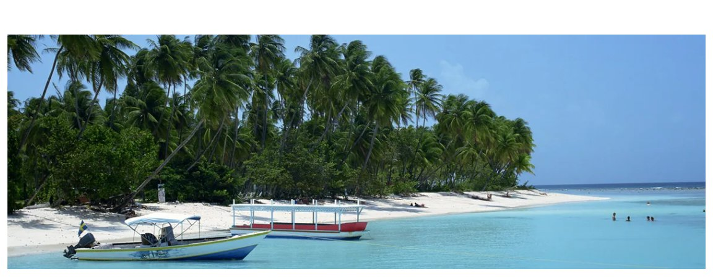 | https://www.virginatlantic.com/en-IN/where-we-fly/caribbean/tobago
Yes | ↳ Variation | 1 heading + 1 cta + 1 list block-minimal-dark |  |  | Complex | Custom |  |  | heading + 1 CTAs + list · 1 page |  | https://www.virginatlantic.com/en-IN/where-we-fly/caribbean/tobago
Yes | ↳ Variation | 7 images block-minimal-dark |  |  | Complex | Custom |  |  | text + 7 images · 1 page |  | https://www.virginatlantic.com/en-IN/where-we-fly/caribbean/tobago

Experience
Include | Row type | Block name | Internal ID | Variations | Build complexity | Type | Core block type | Tags | Notes | Screenshot | Source URL
Yes | Main block | Header / Footer | BLK-HEADER-FOOTER | 2 | Medium | Core | Header / Footer | header-footer, core | 2 variants · 106 instances in section |  | https://www.virginatlantic.com/en-IN/experience
Yes | ↳ Variation | footer-global |  |  | Medium | Core |  |  | Block variant: footer · 53 pages |  | https://www.virginatlantic.com/en-IN/experience
Yes | ↳ Variation | header-global |  |  | Medium | Core |  |  | Block variant: header · 53 pages |  | https://www.virginatlantic.com/en-IN/experience
Yes | Main block | Hero | BLK-HERO | 4 | Medium | Core | Hero | hero, core | 4 variants · 110 instances in section |  | https://www.virginatlantic.com/en-IN/manage-booking
Yes | ↳ Variation | hero-minimal-light |  |  | Medium | Core |  |  | heading + text + 3 CTAs + list · 53 pages |  | https://www.virginatlantic.com/en-IN/manage-booking
Yes | ↳ Variation | hero-minimal-light-withimg |  |  | Medium | Core |  |  | heading + text + 1 CTAs + 2 images · 53 pages |  | https://www.virginatlantic.com/en-IN/travel-news/changes-to-uk-entry-requirements
Yes | ↳ Variation | hero-minimal-dark-withimg-1 |  |  | Medium | Core |  |  | heading + 2 images · 3 pages |  | https://www.virginatlantic.com/en-IN/experience/inflight-entertainment/connectivity/a330-300
Yes | ↳ Variation | hero-minimal-dark-withimg |  |  | Medium | Core |  |  | heading + text + 2 images · 1 page |  | https://www.virginatlantic.com/en-IN/experience/upgrades-and-extras/seating-the-small-print
Yes | Main block | Breadcrumbs | BLK-BREADCRUMBS | 5 | Simple | Core | Breadcrumbs | breadcrumbs, core | 5 variants · 163 instances in section |  | https://www.virginatlantic.com/en-IN/corporate/affiliates-to-india
Yes | ↳ Variation | breadcrumbs-minimal-dark |  |  | Simple | Core |  |  | 2 CTAs + list · 53 pages |  | https://www.virginatlantic.com/en-IN/corporate/affiliates-to-india
Yes | ↳ Variation | breadcrumbs-minimal-light-withimg |  |  | Simple | Core |  |  | heading + text + 3 CTAs + 2 images + list · 53 pages |  | https://www.virginatlantic.com/en-IN/corporate/business-for-good/virgin-atlantic-foundation
Yes | ↳ Variation | breadcrumbs-minimal-light-withimg-1 |  |  | Simple | Core |  |  | heading + text + 2 CTAs + 2 images + list · 53 pages |  | https://www.virginatlantic.com/en-IN/policies/virgin-atlantic-account-terms-and-conditions
Yes | ↳ Variation | breadcrumbs-minimal-dark-2 |  |  | Simple | Core |  |  | 4 CTAs + list · 3 pages |  | https://www.virginatlantic.com/en-IN/experience/inflight-entertainment/connectivity/a330-300
Yes | ↳ Variation | breadcrumbs-minimal-dark-1 |  |  | Simple | Core |  |  | 3 CTAs + list · 1 page |  | https://www.virginatlantic.com/en-IN/experience/upgrades-and-extras/seating-the-small-print
Yes | Main block | Cards | BLK-CARDS | 3 | Simple | Core | Cards | cards, core | 3 variants · 46 instances in section | 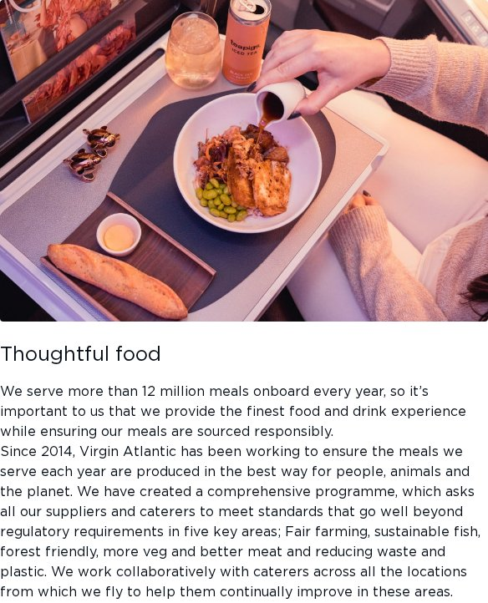 | https://www.virginatlantic.com/en-IN/corporate/business-for-good/planet/experience
Yes | ↳ Variation | cards-minimal-dark-withimg |  |  | Simple | Core |  |  | heading + text + 1 CTAs + image · 39 pages |  | https://www.virginatlantic.com/en-IN/corporate/business-for-good/planet/experience
Yes | ↳ Variation | cards-minimal-dark-withimg-2 |  |  | Simple | Core |  |  | heading + text + image + list · 6 pages | 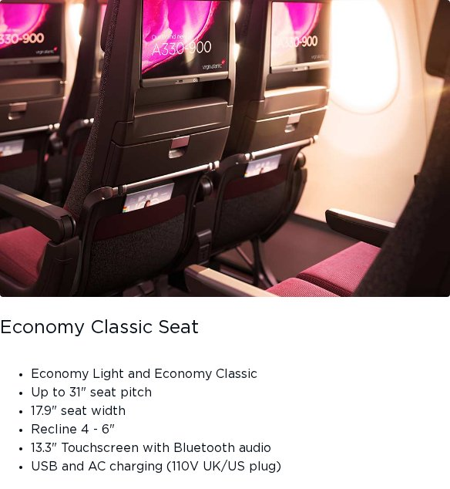 | https://www.virginatlantic.com/en-IN/experience/economy
Yes | ↳ Variation | cards-minimal-dark-withimg-1 |  |  | Simple | Core |  |  | heading + image · 1 page |  | https://www.virginatlantic.com/en-IN/experience/upgrades-and-extras/airport-guides
Yes | Main block | Media | BLK-MEDIA | 1 | Medium | Core | Media / Carousel | media, core | 1 variant · 2 instances in section |  | https://www.virginatlantic.com/en-IN/experience/inflight-entertainment/connectivity/a330neo
Yes | ↳ Variation | carousel-minimal-dark |  |  | Medium | Core |  |  | heading + text + 2 CTAs + list · 2 pages |  | https://www.virginatlantic.com/en-IN/experience/inflight-entertainment/connectivity/a330neo
Yes | Main block | Unknown / Custom | BLK-UNKNOWN-CUSTOM | 1 | Complex | Custom |  | unknown-custom, custom | 1 variant · 3 instances in section | 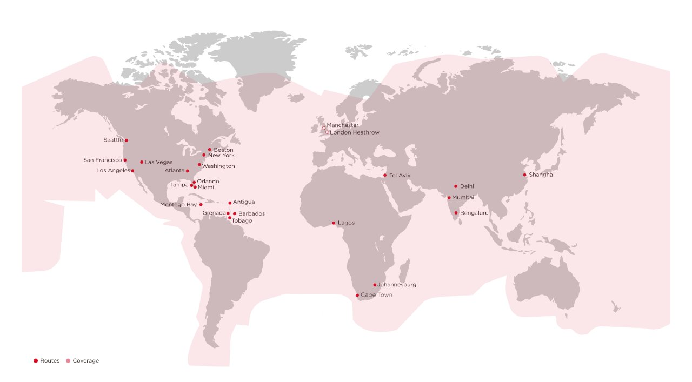 | https://www.virginatlantic.com/en-IN/experience/inflight-entertainment/connectivity/a330-300
Yes | ↳ Variation | 1 image block-minimal-dark-withimg |  |  | Complex | Custom |  |  | image · 3 pages |  | https://www.virginatlantic.com/en-IN/experience/inflight-entertainment/connectivity/a330-300

Flying Club
Include | Row type | Block name | Internal ID | Variations | Build complexity | Type | Core block type | Tags | Notes | Screenshot | Source URL
Yes | Main block | Header / Footer | BLK-HEADER-FOOTER | 2 | Medium | Core | Header / Footer | header-footer, core | 2 variants · 132 instances in section |  | https://www.virginatlantic.com/en-IN/flying-club
Yes | ↳ Variation | footer-global |  |  | Medium | Core |  |  | Block variant: footer · 66 pages |  | https://www.virginatlantic.com/en-IN/flying-club
Yes | ↳ Variation | header-global |  |  | Medium | Core |  |  | Block variant: header · 66 pages |  | https://www.virginatlantic.com/en-IN/flying-club
Yes | Main block | Hero | BLK-HERO | 4 | Medium | Core | Hero | hero, core | 4 variants · 264 instances in section |  | https://www.virginatlantic.com/en-IN/corporate/affiliates-to-india
Yes | ↳ Variation | hero-minimal-dark-withimg |  |  | Medium | Core |  |  | heading + text + 2 images · 66 pages |  | https://www.virginatlantic.com/en-IN/corporate/affiliates-to-india
Yes | ↳ Variation | hero-minimal-dark-withimg-1 |  |  | Medium | Core |  |  | heading + 2 images · 66 pages |  | https://www.virginatlantic.com/en-IN/experience/inflight-entertainment/connectivity/a330-300
Yes | ↳ Variation | hero-minimal-light |  |  | Medium | Core |  |  | heading + text + 3 CTAs + list · 66 pages |  | https://www.virginatlantic.com/en-IN/manage-booking
Yes | ↳ Variation | hero-minimal-light-withimg |  |  | Medium | Core |  |  | heading + text + 1 CTAs + 2 images · 66 pages |  | https://www.virginatlantic.com/en-IN/travel-news/changes-to-uk-entry-requirements
Yes | Main block | Breadcrumbs | BLK-BREADCRUMBS | 5 | Simple | Core | Breadcrumbs | breadcrumbs, core | 5 variants · 330 instances in section |  | https://www.virginatlantic.com/en-IN/corporate/affiliates-to-india
Yes | ↳ Variation | breadcrumbs-minimal-dark |  |  | Simple | Core |  |  | 2 CTAs + list · 66 pages |  | https://www.virginatlantic.com/en-IN/corporate/affiliates-to-india
Yes | ↳ Variation | breadcrumbs-minimal-dark-1 |  |  | Simple | Core |  |  | 3 CTAs + list · 66 pages |  | https://www.virginatlantic.com/en-IN/corporate/business-for-good/resources
Yes | ↳ Variation | breadcrumbs-minimal-light-withimg |  |  | Simple | Core |  |  | heading + text + 3 CTAs + 2 images + list · 66 pages |  | https://www.virginatlantic.com/en-IN/corporate/business-for-good/virgin-atlantic-foundation
Yes | ↳ Variation | breadcrumbs-minimal-dark-2 |  |  | Simple | Core |  |  | 4 CTAs + list · 66 pages |  | https://www.virginatlantic.com/en-IN/experience/inflight-entertainment/connectivity/a330-300
Yes | ↳ Variation | breadcrumbs-minimal-light-withimg-1 |  |  | Simple | Core |  |  | heading + text + 2 CTAs + 2 images + list · 66 pages |  | https://www.virginatlantic.com/en-IN/policies/virgin-atlantic-account-terms-and-conditions
Yes | Main block | Cards | BLK-CARDS | 2 | Simple | Core | Cards | cards, core | 2 variants · 44 instances in section |  | https://www.virginatlantic.com/en-IN/flying-club
Yes | ↳ Variation | cards-minimal-dark-withimg |  |  | Simple | Core |  |  | heading + text + 1 CTAs + image · 43 pages |  | https://www.virginatlantic.com/en-IN/flying-club
Yes | ↳ Variation | cards-minimal-dark-withimg-1 |  |  | Simple | Core |  |  | heading + image · 1 page |  | https://www.virginatlantic.com/en-IN/flying-club/a-card-that-takes-you-places

