Blocks & Variations
# | Base block | Variant ID | Description | Build complexity | EDS mapping | Pages | Screenshot | Source URL
1 | Breadcrumbs | breadcrumbs-minimal-dark | 2 CTAs + list | Simple | Standard | 132 |  | https://www.virginatlantic.com/en-IN/corporate/affiliates-to-india
2 | Breadcrumbs | breadcrumbs-minimal-dark-1 | 3 CTAs + list | Simple | Standard | 132 |  | https://www.virginatlantic.com/en-IN/corporate/business-for-good/resources
3 | Breadcrumbs | breadcrumbs-minimal-light-withimg | heading + text + 3 CTAs + 2 images + list | Simple | Standard | 132 | 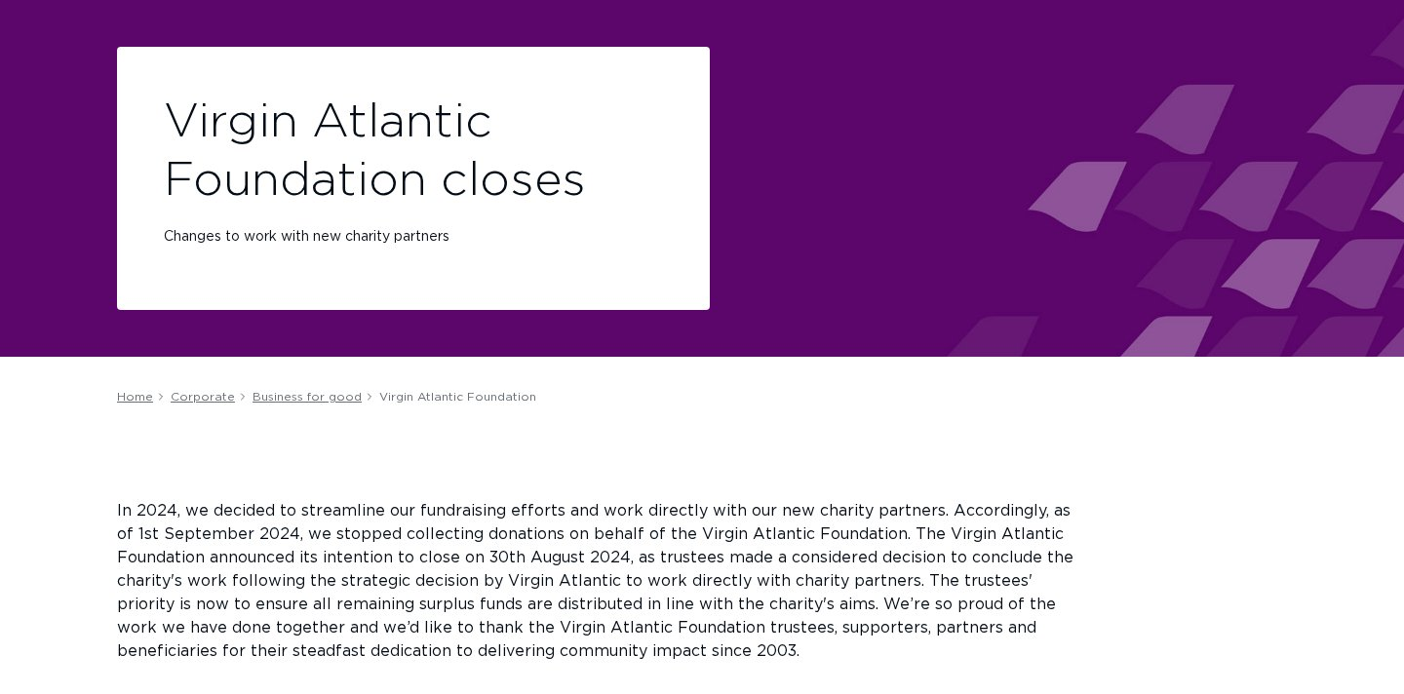 | https://www.virginatlantic.com/en-IN/corporate/business-for-good/virgin-atlantic-foundation
4 | Breadcrumbs | breadcrumbs-minimal-dark-2 | 4 CTAs + list | Simple | Standard | 132 |  | https://www.virginatlantic.com/en-IN/experience/inflight-entertainment/connectivity/a330-300
5 | Breadcrumbs | breadcrumbs-minimal-light-withimg-1 | heading + text + 2 CTAs + 2 images + list | Simple | Standard | 132 | 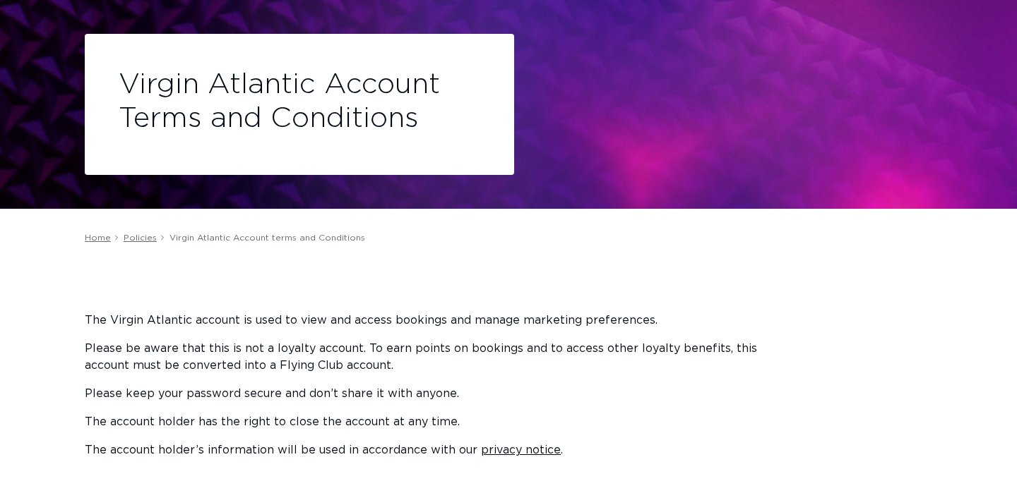 | https://www.virginatlantic.com/en-IN/policies/virgin-atlantic-account-terms-and-conditions
6 | Cards | cards-minimal-dark-withimg | heading + text + 1 CTAs + image | Simple | Standard | 107 | 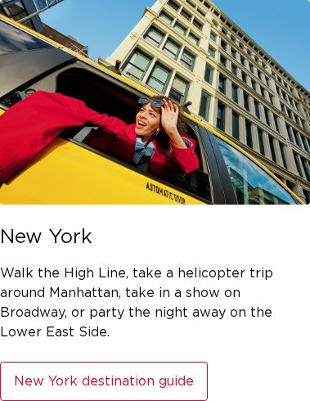 | https://www.virginatlantic.com/en-IN/where-we-fly
7 | Cards | cards-minimal-dark-withimg-1 | heading + image | Simple | Standard | 5 | 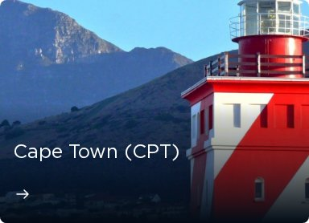 | https://www.virginatlantic.com/en-IN/where-we-fly/middle-east/saudi-arabia/riyadh-airport-guide
8 | Cards | cards-minimal-dark-withimg-2 | heading + text + image + list | Simple | Standard | 1 |  | https://www.virginatlantic.com/en-IN/where-we-fly/north-america/usa/california/perfect-5-day-itinerary
9 | Form | form-minimal-dark | 9 CTAs | Medium | Standard | 1 | 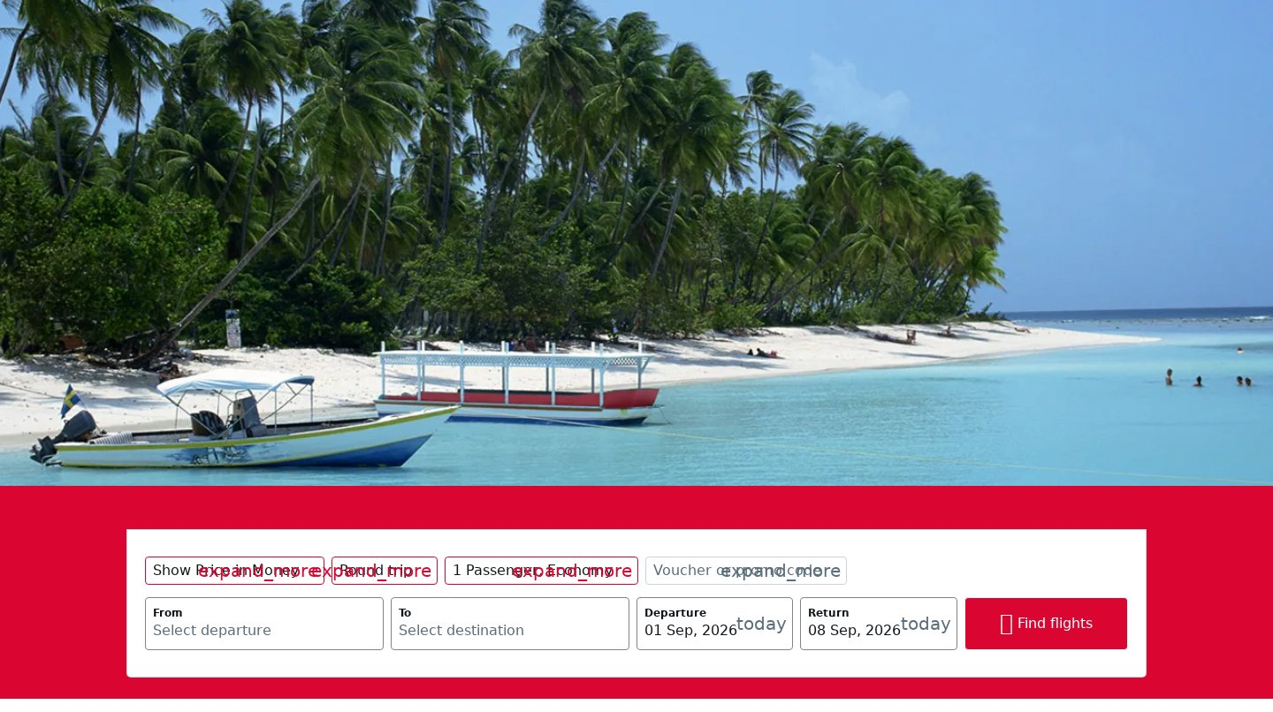 | https://www.virginatlantic.com/en-IN/where-we-fly/caribbean/tobago
10 | Hero | hero-minimal-dark-withimg | heading + text + 2 images | Medium | Standard | 132 |  | https://www.virginatlantic.com/en-IN/corporate/affiliates-to-india
11 | Hero | hero-minimal-dark-withimg-1 | heading + 2 images | Medium | Standard | 132 |  | https://www.virginatlantic.com/en-IN/experience/inflight-entertainment/connectivity/a330-300
12 | Hero | hero-minimal-light | heading + text + 3 CTAs + list | Medium | Standard | 132 | 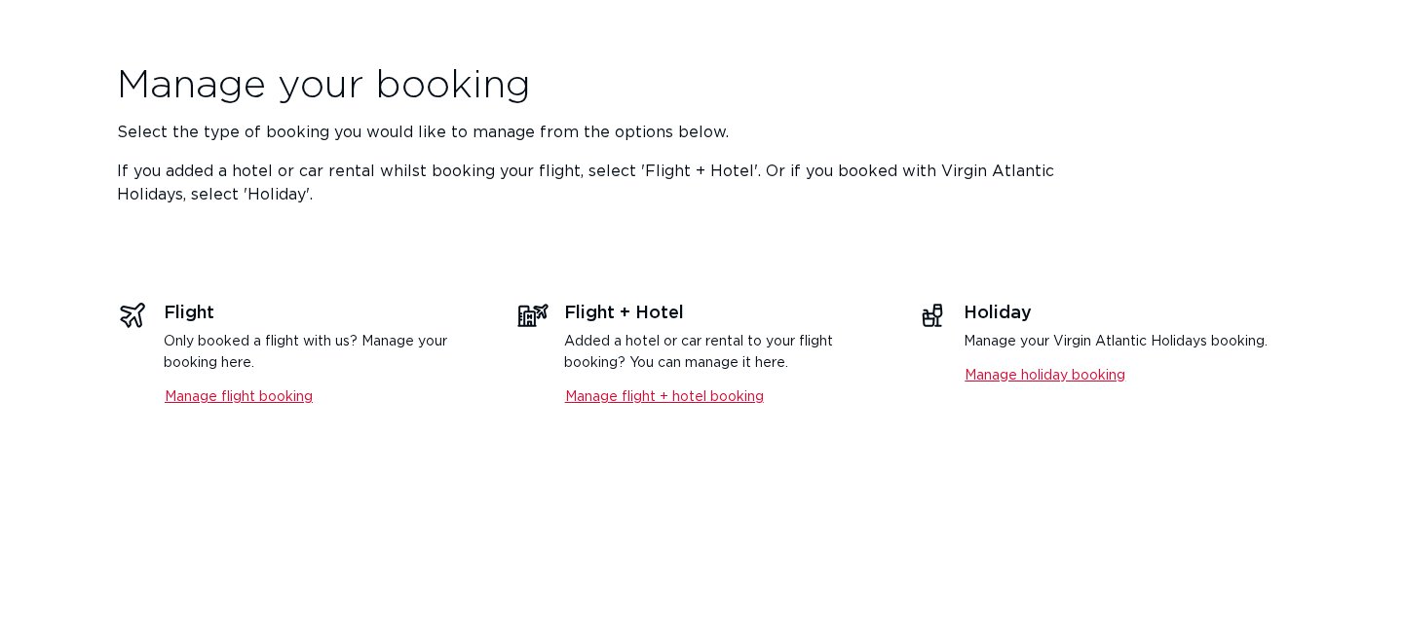 | https://www.virginatlantic.com/en-IN/manage-booking
13 | Hero | hero-minimal-light-withimg | heading + text + 1 CTAs + 2 images | Medium | Standard | 132 | 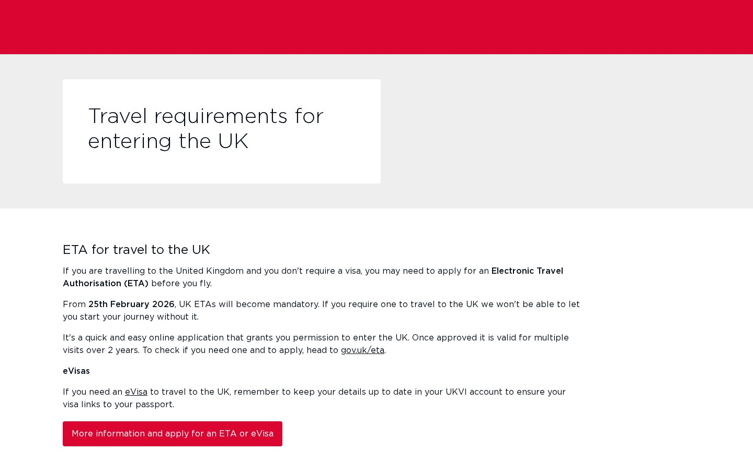 | https://www.virginatlantic.com/en-IN/travel-news/changes-to-uk-entry-requirements
14 | Header / Footer | footer-global | Block variant: footer | Medium | Standard | 132 | 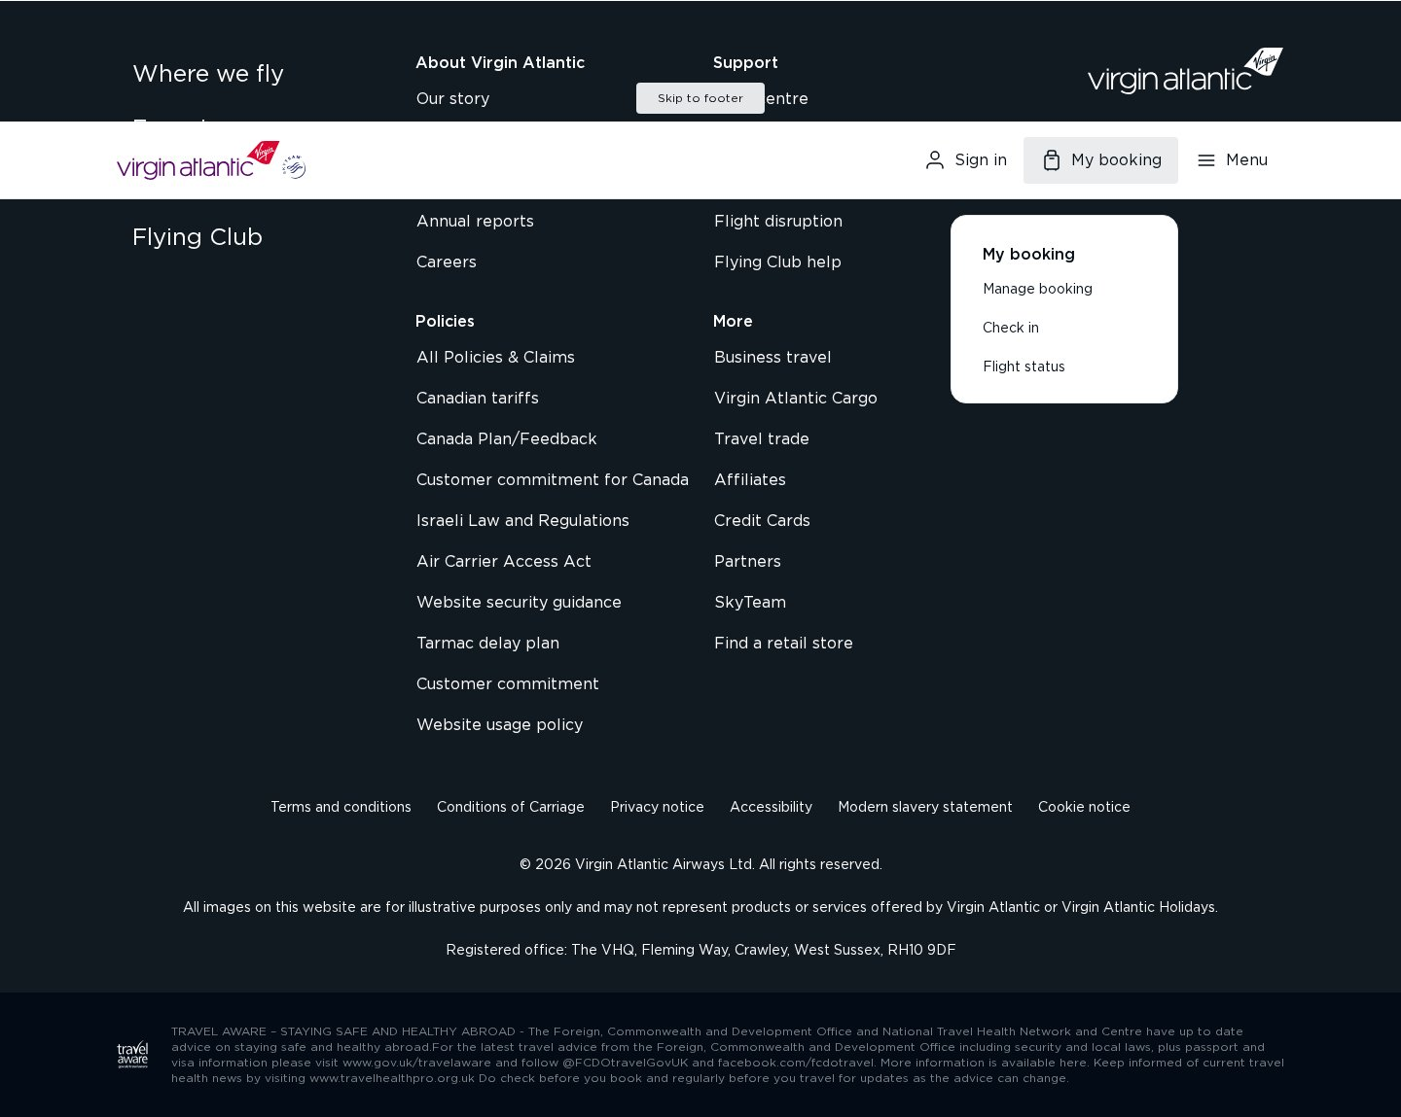 | https://www.virginatlantic.com/en-IN/where-we-fly
15 | Header / Footer | header-global | Block variant: header | Medium | Standard | 132 |  | https://www.virginatlantic.com/en-IN/where-we-fly
16 | Table | table-minimal-dark | heading + text + image | Simple | Standard | 1 |  | https://www.virginatlantic.com/en-IN/where-we-fly/caribbean/tobago
17 | Unknown / Custom | 1 heading block-minimal-dark | heading | Complex | Custom | 3 |  | https://www.virginatlantic.com/en-IN/where-we-fly/africa/south-africa
18 | Unknown / Custom | 1 image block-minimal-dark-withimg | image | Complex | Custom | 1 | 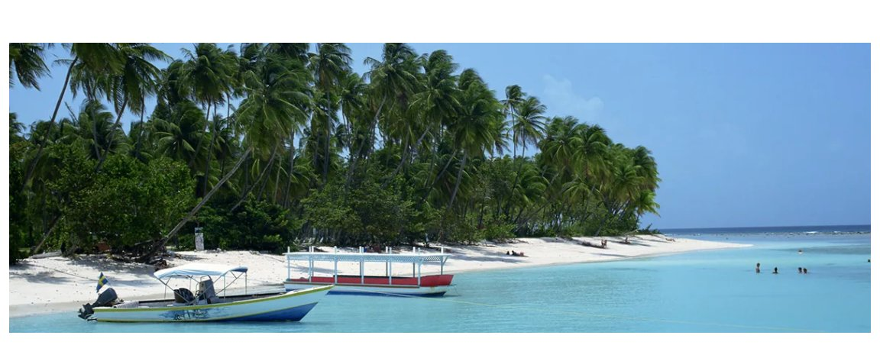 | https://www.virginatlantic.com/en-IN/where-we-fly/caribbean/tobago
19 | Unknown / Custom | 1 heading + 1 cta + 1 list block-minimal-dark | heading + 1 CTAs + list | Complex | Custom | 1 |  | https://www.virginatlantic.com/en-IN/where-we-fly/caribbean/tobago
20 | Unknown / Custom | 7 images block-minimal-dark | text + 7 images | Complex | Custom | 1 |  | https://www.virginatlantic.com/en-IN/where-we-fly/caribbean/tobago

