Sheet1
 | URL: | https://www.bestundertaking.net/NewConnection.aspx
# | Classification | Observation | Screenshots

1 | UI Aesthetics | The URL consists of .aspx extension

2 | UI Aesthetics | Login/Home link could either be left aligned or displayed above, since the user will read left to right. And displaying on top would help the user’s attention

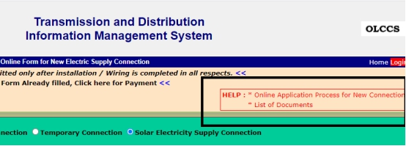

3 | UI Aesthetics | Link Text could be underlined, only when the user hovers over able to see download link

4 | UI Aesthetics | ‘>>’ could be specified to the link so that it helps the user to know about the link

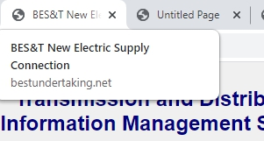

5 | UI Aesthetics | Tab name consists of BES&T whereas the title of the page is BEST. It needs to be consistent.

6 | UI Aesthetics | Width of this row could be reduced. Also the Fill color inside the radio button can be updated from blue to black, since the background is also a shade of green/blue

7 | UI Aesthetics | The date and weekday needs to be separated by an comma, also could be in bold since it is the header

8 | UI Aesthetics | Home and Login could be separated with more space.
9 | Usability | Home and Login needs to be highlighted, Login has background of red a light color could be used instead if it is used for differentiation.

10 | Functionality | First value in the Combobox for All field has blank value

11 | UI Aesthetics | OLCSS is displayed twice, could be displayed only at the header
 |  | At the header

 |  | At the footer as well as header

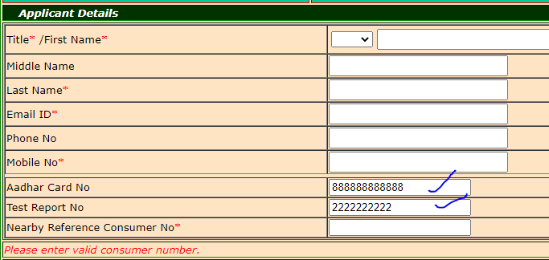

12 | Functionality | Reset button doesn't clear Aadhar Card No and Test Report No

13 | Usability | On Uploading images for Occupancy and Identity proof, getting validation as only PDF file is allowed, that could be shown as pop-up since the user may overlook the error

 |  | Also file for which the validation is appearing could be shown

14 | UI Aesthetics | When title and first name is kept blank two fields of Required is displayed, could be replaced by only one

15 | Usability | Too much of scrolling in page, could be avoided by the use of separate tabs and navigation

16 | Usability | HelpText could be provided for the Consumer No reference. Like the format type

17 | Functionality | Total load can be entered as Negative number, it needs to be retricted only to Positive numbers

18 | Functionality | LEC mobile number is not auto-populated, when the mobile number is added

 |  |  |  | Powersupply address

19 | UI Aesthetics | Zip code for powersupply is a dropdown value whereas when billing address is not same as supply address the user has to enter an input field

 |  |  |  | Billing address
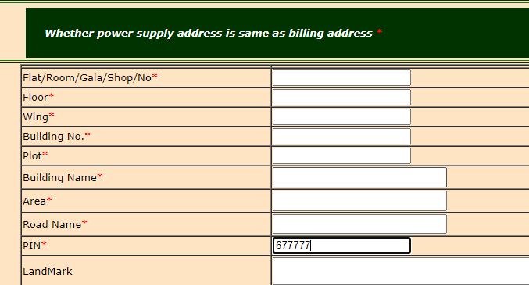

20 | Functionality | Total Charges amount is displayed as Negative(It needs to be greater than 0)

21 | Usability | Calculate button needs to be highlighted, so that user realize that it will automtaically calculate the load

22 | Functionality | Generate OTP button is not functional

23 | Functionality | Label text is incorrect it needs to be Billing address same as power supply address

