Cloud cover chart
From: https://weatherspark.com/y/2460/Average-Weather-in-Phoenix-Arizona-United-States-Year-Round

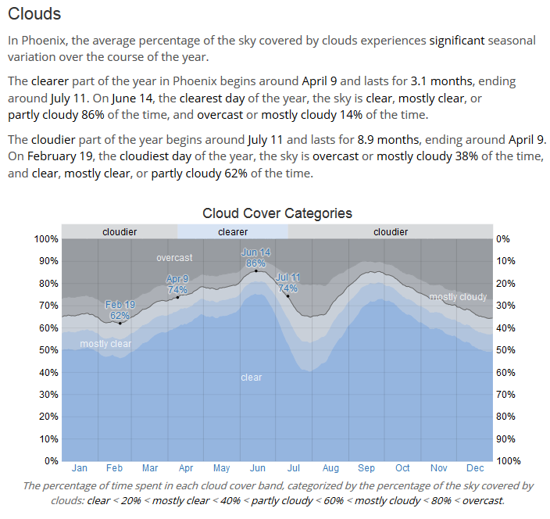

 | 40% | clear
 | 53%
 | 62%
 | 80%

