Sheet1
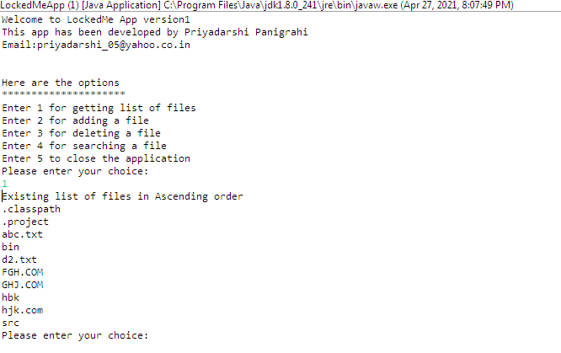
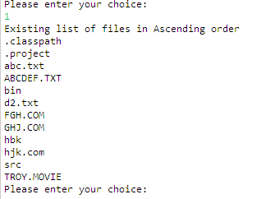
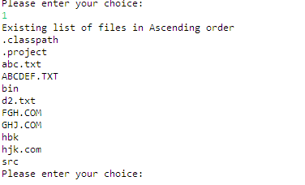
LockedMeApp Specification Document

Brief Description:
1)Project Name:LockedMeAppVersion1
2)Project Developer:Priyadarshi Panigrahi
3)Developer Emailid:priyadarshi_05@yahoo.co.in

Algorithm:
Step-1:Present the menu option describing the choices available and prompt the user to make a choice
Step-2:Depending on the choice made by user ,using a Switch-case logic ,navigate to the particular section of code handling that choice.
Step-3:Display the appropriate results and prompt the user to make further choices.
Step-4:Repeat step-2
Step-5:If user makes a choice of 5,exit the application.
Step-6;if user provides invalid input display main menu .
Flowchart:
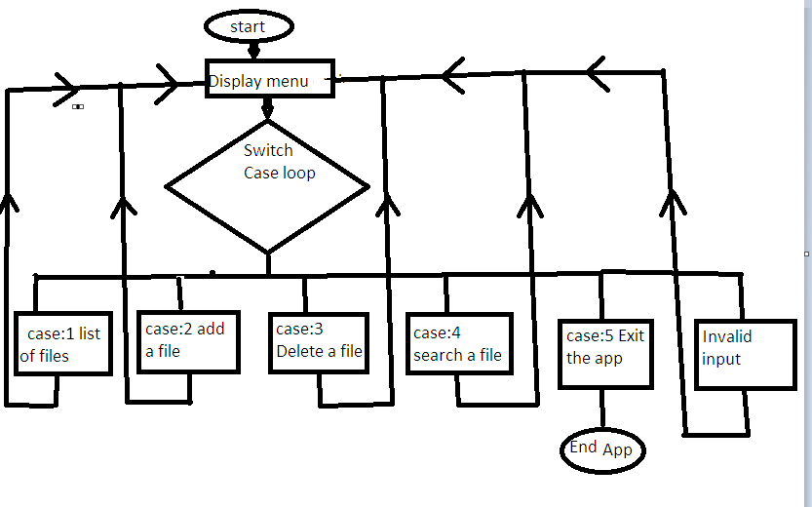

GitHub Link:
https://github.com/Priyam777/LockedMeApp_Priyadarshi_Panigrahi.git

Menu Screenshot:
The project involves two segments.First a menu is provided to user that describes the choices available for the user.The snapshot of the same is shown below.

When the user inputs a choice a particular method is invoked that perfrms the desired operation.
**For file listing when the user inputs 1, a list of files in ascending order is displayed.The method for the same is shown below;
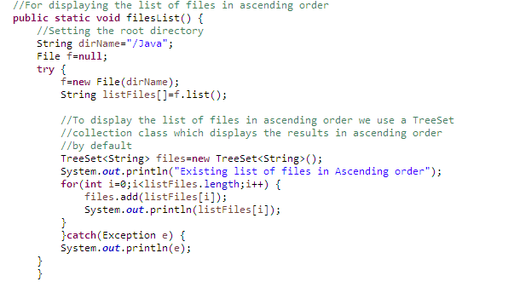

**For adding a file to the directory
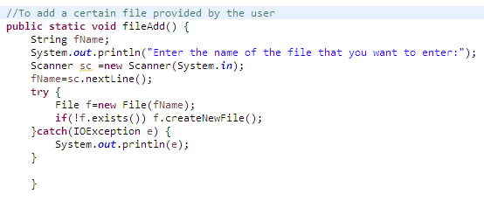

**For deleting a file from the directory
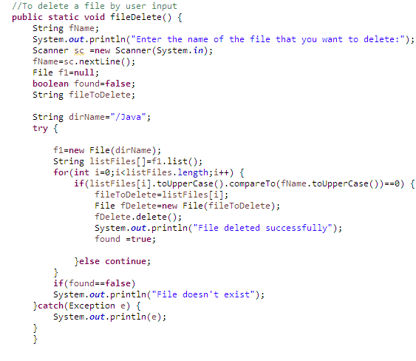

** For Searching a file in the directory
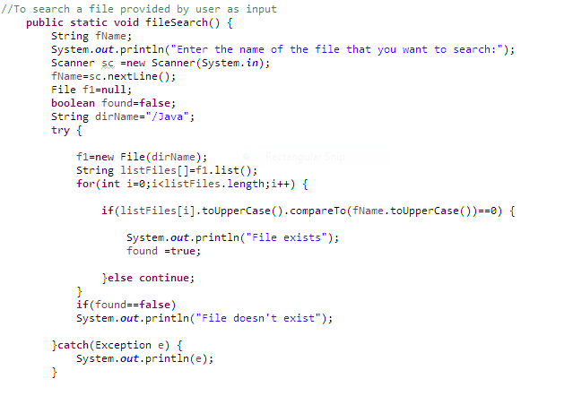

Given below is the series of snapshots of user interaction

