Sheet1
 | Assignment-1

1 | what is SDLC?
Ans:- | SDLC is a structure imposed on the development of the software product that defines the process for planning, implementation, testing, documentation, deployment
 | and ongoing maintenance and support.

2 | What is agile methodology?
Ans:- | Agile SDLC model is a combination of iterative and icremental process models with focus on process adaptability and customer satisfaction by rapid delivery of
 | working software product.
 | Agile Methods break the product into small incremental builds.

3 | What is SRS?
Ans:- | A software requirements specification (SRS) is a complete description of the behavior of the system to be developed.

4 | What is oops?
Ans:- | object oriented programming is a programming paradigm based on the concept of 'object'.
 | An object can be defined as a data field that has unique attributes and behaviour.

5 | Write Basic Concepts of oops?
Ans:- | object
 | class
 | encapsulation
 | inheritence
 | polymorphism
 | abstraction

6 | What is object?
Ans:- | An object represents an individual, identifiable item, unit, or entity, either real or abstract, with a well-defined role in the problem domain.
 | An "object" is anything to which a concept applies.

7 | What is class?
Ans:- | A class represents an abstraction of the object and abstracts the properties and behavior of that object.

8 | What is encapsulation?
Ans:- | Encapsulation is the practice of including in an object everything it needs hidden from other objects. The internal state is usually not accessible by other objects.

9 | What is inheritance?
Ans:- | Inheritance means that one class inherits the characteristics of another class. This is also called a “is a” relationship.

10 | What is polymorphism?
Ans:-
 | It allows different objects to respond to the same message in different ways, the response specific to the type of the object.

11 | What is RDBMS?
Ans:- | RDBMS stands for Relational Database Management System.

12 | What is SQL?
Ans:- | SQL is structured query language, which is a computer language. For storing manipulating and retrieving data stored on relational database.

13 | Write SQL Commands?
Ans:- | DDL – Data Definition Language
 | DML – Data Manipulation Language
 | DCL – Data Control Language
 | DQL – Data Query Language

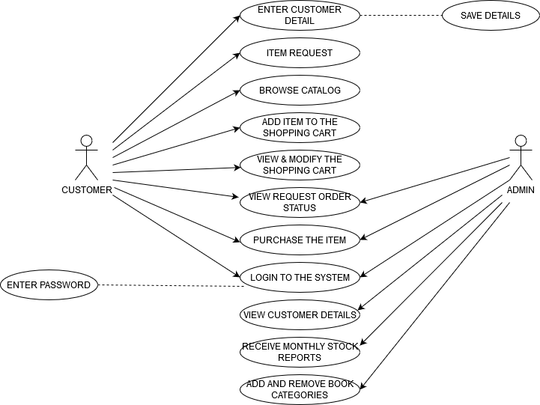
14 | Draw Usecase on Online book shopping.
Ans:-

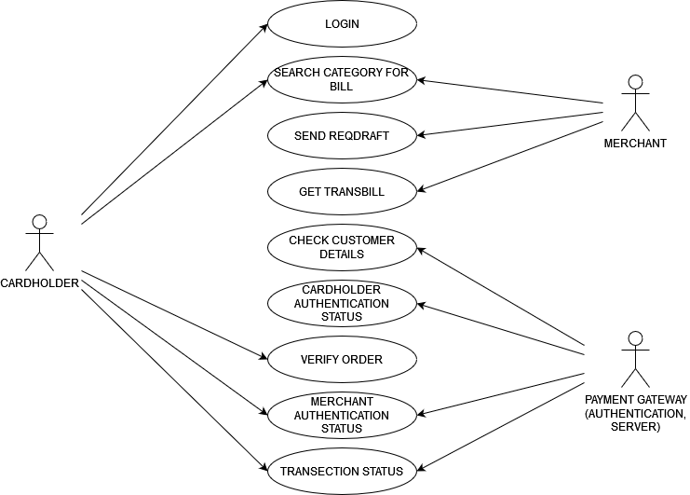
15 | Draw Usecase on online bill payment system (paytm).
Ans:-

16 | Write SDLC phases with basic introduction.
Ans:- | Requirements Collection/Gathering = Establish Customer Needs
 | Analysis = Model And Specify the requirements- “What”
 | Design = Model And Specify a Solution – “Why”
 | Implementation = Construct a Solution In Software
 | Testing = Validate the solution against the requirements
 | Maintenance = Repair defects and adapt the solution to the new requirements

17 | Explain Phases of the waterfall model.
Ans:- | waterfall model have total five phases
 | (1) requirments / analysis
 | (2) design
 | (3) coding
 | (4) testing
 | (5) maintenance

18 | Write phases of spiral model.
Ans:- | spiral model have total four phases
 | (1) planning = determination of objective, alternatives of constrains
 | (2) risk analysis = analysis of alternatives and identification, resolution of risks
 | (3) engineering = developments of the "next level" products
 | (4) evalutation = assesments of the results of engeeniring

19 | Write agile manifesto principles.
Ans:- | (1) Individuals and interactions
 | (2) Working software
 | (3) Customer collaboration
 | (4) Responding to change

20 | What is join?
Ans:- | A join is an SQL operation performed to establish a connection between two or more database tables based on matching columns, thereby creating a relationship between the table.

21 | Write type of joins.
Ans:- | (1) inner join
 | (2) left join
 | (3) right join
 | (4) full join

22 | Explain working methodology of agile model and also write pros and cons.
Ans:- | Agile model methodology
 | (1) Agile SDLC model is a combination of iterative and incremental process models with focus on process adaptability and customer satisfaction by rapid delivery of working
 | software product.
 | (2) Agile Methods break the product into small incremental builds.
 | (3) These builds are provided in iterations.
 | (4) Each iteration typically lasts from about one to three weeks.
 | (5) Every iteration involves cross functional teams working simultaneously on various areaslike planning, requirements analysis, design, coding, unit testing, and acceptance testing

 | PROS:
 | (1) Is a very realistic approach to software development
 | (2) Promotes teamwork and cross training.
 | (3) Functionality can be developed rapidly and demonstrated.
 | (4) Resource requirements are minimum.
 | (5) Suitable for fixed or changing requirements
 | (6) Delivers early partial working solutions.
 | (7) Good model for environments that change steadily.
 | (8) Minimal rules, documentation easily employed.
 | (9) Enables concurrent development and delivery within an overall planned context.
 | (10) Little or no planning required.
 | (11) Easy to manage andGives flexibility to developers.

 | CONS:
 | (1) Not suitable for handling complex dependencies.
 | (2) More risk of sustainability, maintainability and extensibility.
 | (3) An overall plan, an agile leader and agile PM practice is a must without which it will not work.
 | (4) Strict delivery management dictates the scope, functionality to be delivered, and adjustments to meet the deadlines.
 | (5) Depends heavily on customer interaction, so if customer is not clear, team can be driven in the wrong direction.
 | (6) There is very high individual dependency, since there is minimum documentation generated.
 | (7) Transfer of technology to new team members may be quite challenging due to lack of.

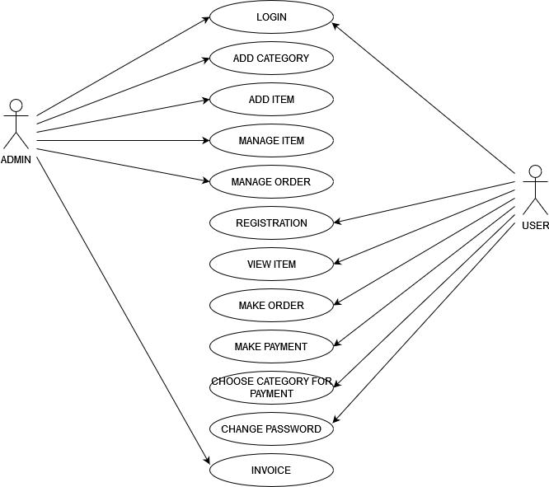
23 | Draw usecase on Online shopping product using COD.
Ans:-

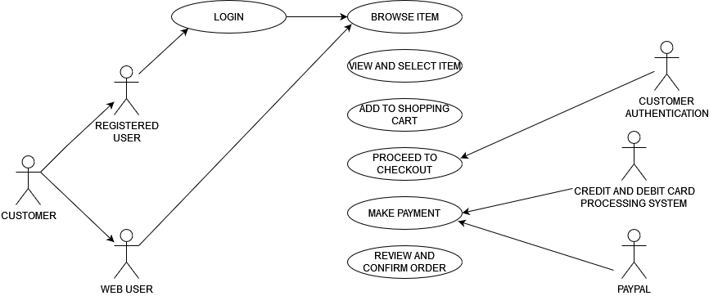
24 | Draw usecase on Online shopping product using payment gateway.
Ans:-

