Sheet1
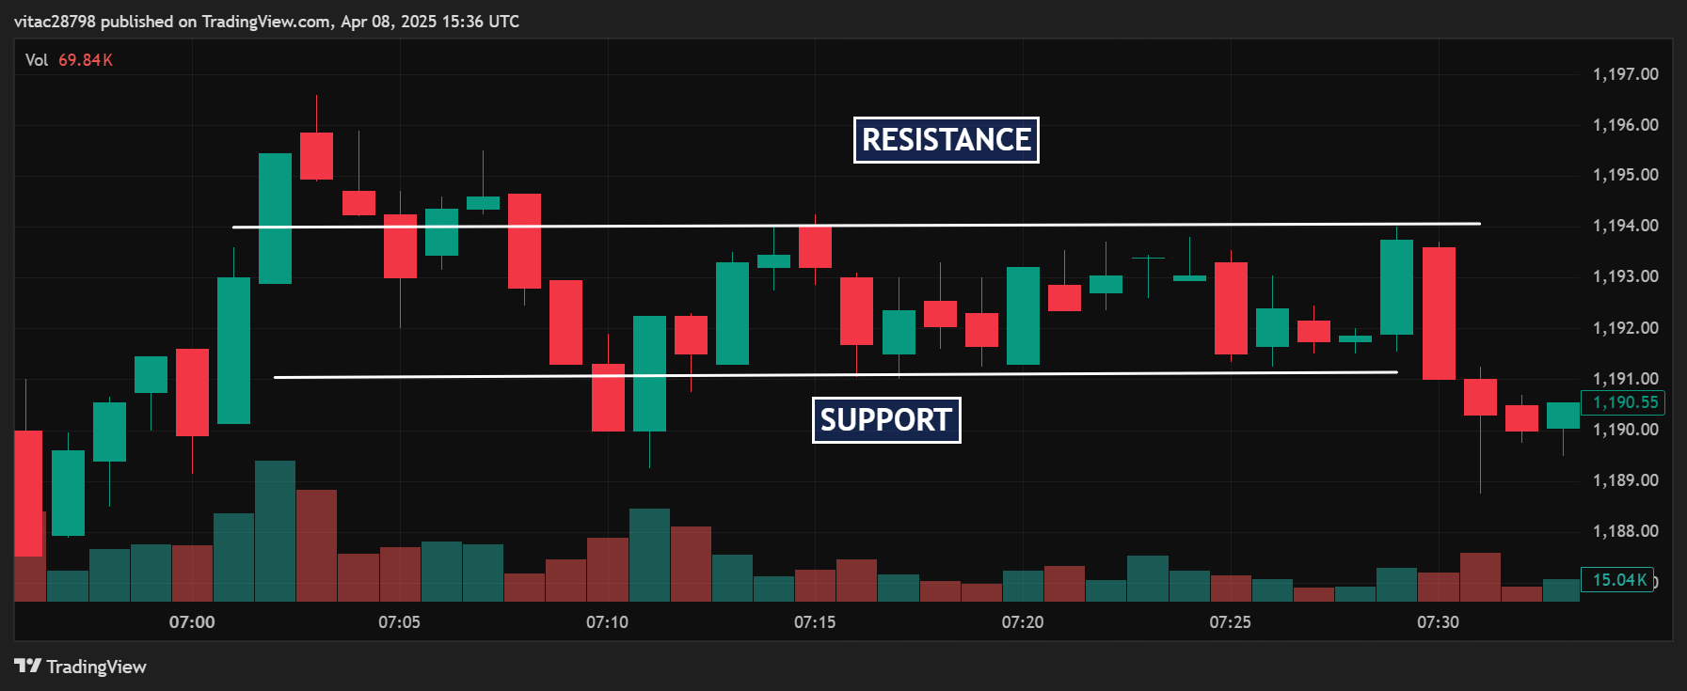
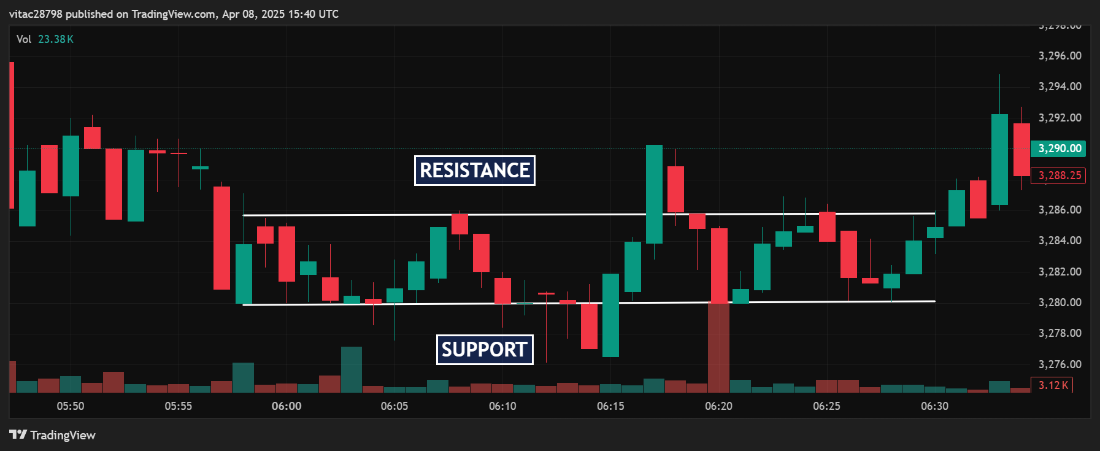
Draw Resistance & Support in at least 2 Stocks.

Stock Name | Date | Support 1 | Support 2 | Resistance 1 | Resistance 2
TCS | 08-Apr-25 | 1,190.00 | 1,188.80 – ₹1,189.00 | 1,193.80 – ₹1,194.00 | 1,196.50 – ₹1,197.00
Reliance | 08-Apr-25 | 3,280.00 | 3,276.50 – ₹3,278.00 | 3,286.50 – ₹3,287.00 | 3,294.00 – ₹3,295.00
RELIANCE
TCS

